40deg_1
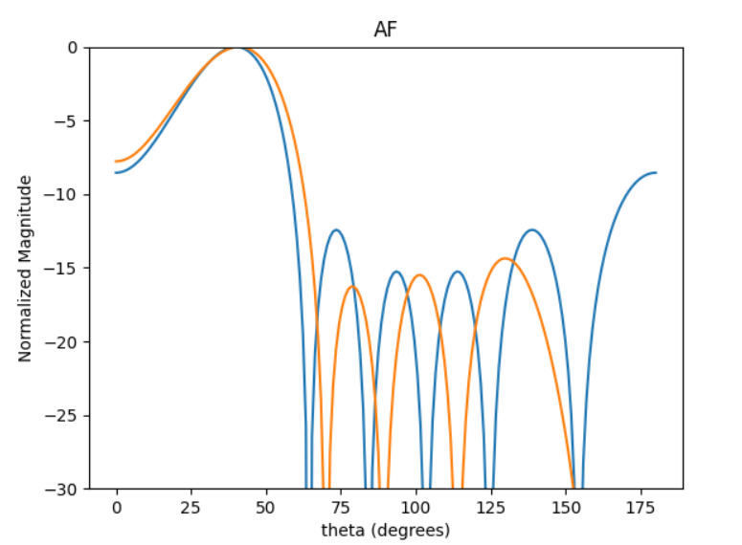
 | 0 | 1 | 2 | 3 | 4 | 5 | SLL | SLL2
0 | 1.4431875195 | 5.6103719926 | 3.3647656973 | 1.6668084762 | 5.6770032635 | 3.5266848972 | -8.3397529705 | -11.739318808
1 | 5.4637472168 | 3.3015858555 | 1.2011920665 | 5.5740479886 | 3.4936645571 | 1.3114118972 | -8.5117906713 | -13.703752149
2 | 5.4289670612 | 3.2581075529 | 1.1142786091 | 5.5388701939 | 3.3871172963 | 1.2429649779 | -8.2592000098 | -13.067605804
3 | 6.239766543 | 4.1221582233 | 1.886653361 | 0.12647407168 | 4.1895561405 | 2.049424986 | -8.2433635361 | -12.1169145
4 | 3.7112618678 | 1.5471390977 | 5.6680082904 | 3.7950399019 | 1.6390928186 | 5.7298845698 | -7.7754592908 | -13.115583797
5 | 4.5703056855 | 2.4256939809 | 0.28031721868 | 4.7273988318 | 2.5846891843 | 0.42812423344 | -8.6050450551 | -12.974221642
6 | 4.4752888271 | 2.3002591136 | 0.13886212281 | 4.5846162127 | 2.4496602351 | 0.25158078743 | -8.2100562359 | -13.077615141
7 | 4.2668903011 | 1.9962606576 | 0.03927378237 | 4.2378964883 | 2.2143251384 | 0.0037669831695 | -7.7767874628 | -14.361738283
8 | 1.8097941888 | 5.965106257 | 3.8144720743 | 1.9849601012 | 6.1683025997 | 3.9198554945 | -8.6355282935 | -13.177249852
9 | 0.79355633391 | 4.9487327672 | 2.7330186652 | 0.9067139034 | 4.9852064741 | 2.8303760231 | -7.7652124878 | -12.505475577

 | 313.04965585 | 189.16693522 | 68.823235796 | 319.36942455 | 200.17223416 | 75.138366913

40DEG_3
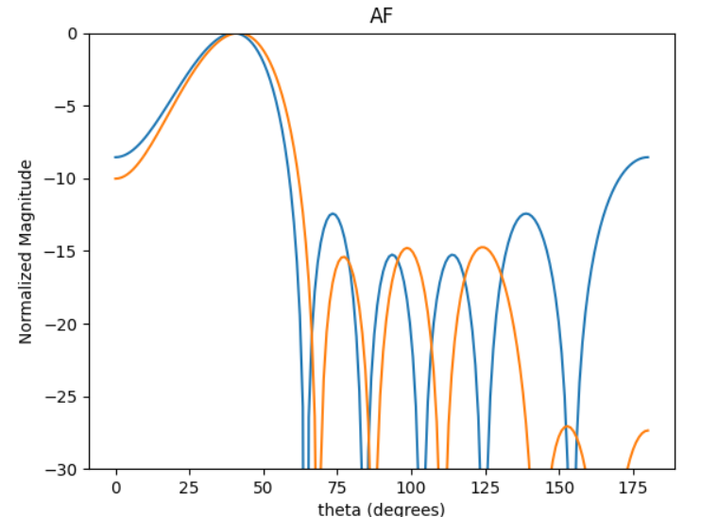
 | 0 | 1 | 2 | 3 | 4 | 5 | 0 | 0
0 | 3.3561433258 | 1.1151432405 | 5.194395342 | 3.072982585 | 0.85050105772 | 4.9203361527 | -9.8038314768 | -14.421314572
1 | 5.3748773992 | 3.2145227115 | 0.92044527974 | 5.1800526019 | 2.9150127827 | 0.72106616928 | -10.255066242 | -13.376876728
2 | 5.9678289343 | 3.7310483568 | 1.5682885403 | 5.6779599407 | 3.4846679415 | 1.3076491609 | -10.041821843 | -14.580921153
3 | 0.37008568232 | 4.3834653107 | 2.1902136552 | 0.10207613315 | 4.1640097043 | 1.9401966352 | -10.115336072 | -14.382170786
4 | 6.2146712217 | 3.9851767583 | 1.7900051145 | 5.9404308136 | 3.7731735388 | 1.5013272252 | -10.024786169 | -14.744712779
5 | 3.5406735087 | 1.390733189 | 5.4319256848 | 3.296991631 | 1.0955893919 | 5.1873670208 | -10.055178913 | -14.204162318
6 | 1.59430993 | 5.6626112348 | 3.4680853828 | 1.2826281461 | 5.4057038427 | 3.152425784 | -9.6427266266 | -14.531149355
7 | 0.56354276582 | 4.6474474748 | 2.4540266528 | 0.30515079651 | 4.3873433117 | 2.1760899213 | -9.9951796392 | -14.596499401
8 | 3.0524250311 | 0.8303767863 | 4.9465037457 | 2.7543999405 | 0.60361490023 | 4.6587391726 | -9.9926107385 | -14.412222106
9 | 0.26690558488 | 4.3735909931 | 2.0513351058 | 0.080633257606 | 4.0523403759 | 1.8592418373 | -10.118480381 | -12.9669866

 | 356.07443207 | 228.33380886 | 102.55973837 | 340.36161411 | 216.18691914 | 86.019713671

