spa
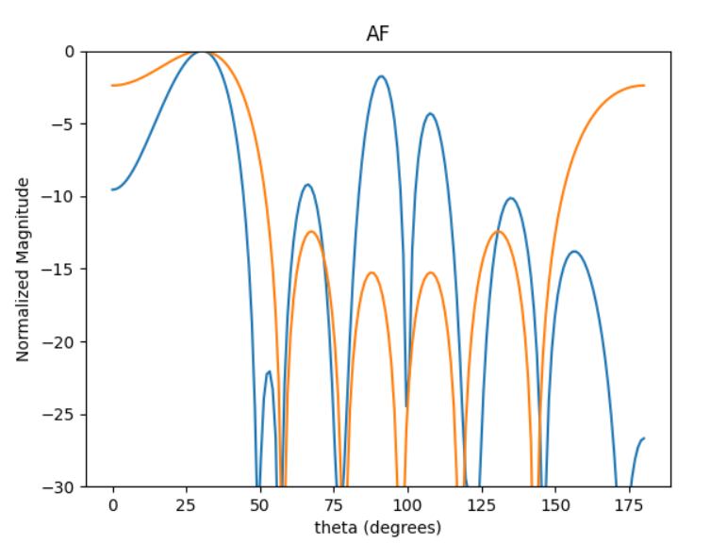
 | 0 | 1 | 2 | 3 | 4
0 | 0.84897519581 | 0.79405248316 | 0.31452137728 | 0.79405248316 | 0.84897519581
1 | 0.77103025215 | 0.28835835431 | 0.50471427245 | 0.28835835431 | 0.77103025215
2 | 0.98814943336 | 0.91812300799 | 0.57867284064 | 0.91812300799 | 0.98814943336
3 | 0.84602548377 | 0.35599546274 | 0.4952645591 | 0.35599546274 | 0.84602548377
4 | 0.58071570273 | 0.21183597746 | 0.20120763259 | 0.21183597746 | 0.58071570273

spa1
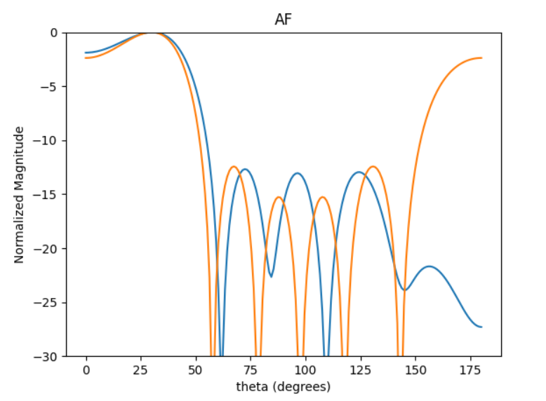
 | 0 | 1 | 2 | 3 | 4
0 | 0.38348011938 | 0.36929617219 | 0.57981934504 | 0.36929617219 | 0.38348011938
1 | 0.35860868312 | 0.4040198758 | 0.59640666177 | 0.4040198758 | 0.35860868312
2 | 0.88570805179 | 0.25829931413 | 0.68308879079 | 0.25829931413 | 0.88570805179
3 | 0.99294354707 | 0.98270999249 | 0.60824865692 | 0.98270999249 | 0.99294354707
4 | 0.92471619503 | 0.82834116218 | 0.65673320656 | 0.82834116218 | 0.92471619503

spa2
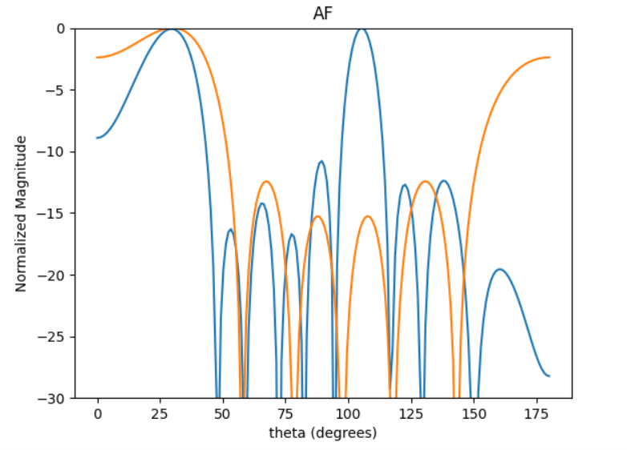
 | 0 | 1 | 2 | 3 | 4
0 | 0.68573312857 | 0.88324184681 | 0.49333978095 | 0.88324184681 | 0.68573312857
1 | 0.83815877891 | 0.90457180138 | 0.88813445195 | 0.90457180138 | 0.83815877891
2 | 0.42406950916 | 0.99900145126 | 0.4977527035 | 0.99900145126 | 0.42406950916
3 | 0.86544895341 | 0.31641105365 | 0.94364282233 | 0.31641105365 | 0.86544895341
4 | 0.32757651398 | 0.48860989365 | 0.43199518915 | 0.48860989365 | 0.32757651398

spa3
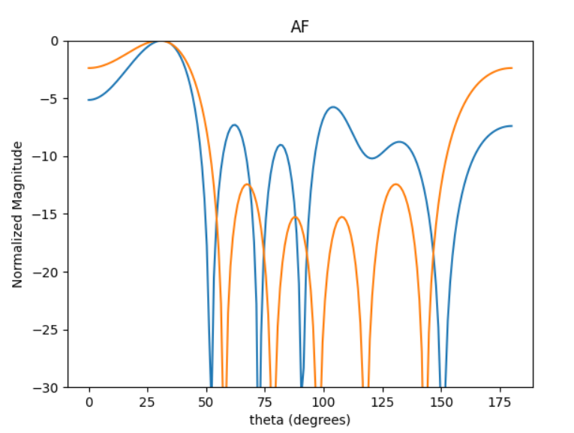
 | 0 | 1 | 2 | 3 | 4
0 | 0.17971459138 | 0.89764123188 | 0.932867789 | 0.89764123188 | 0.17971459138
1 | 0.75101572703 | 0.40496342884 | 0.24436320391 | 0.40496342884 | 0.75101572703
2 | 0.39386026489 | 0.69905983521 | 0.84415564004 | 0.69905983521 | 0.39386026489
3 | 0.35373490539 | 0.33129618715 | 0.84244639632 | 0.33129618715 | 0.35373490539
4 | 0.81737195623 | 0.93101944475 | 0.7803315529 | 0.93101944475 | 0.81737195623

evo = Evolution(500, 0.5, 0.1, 1000, N, target, settings)
evo = EvoPhase(25, 0.5, 1, 2000, self.N, self.pop_dis[0], self.target)

