pha
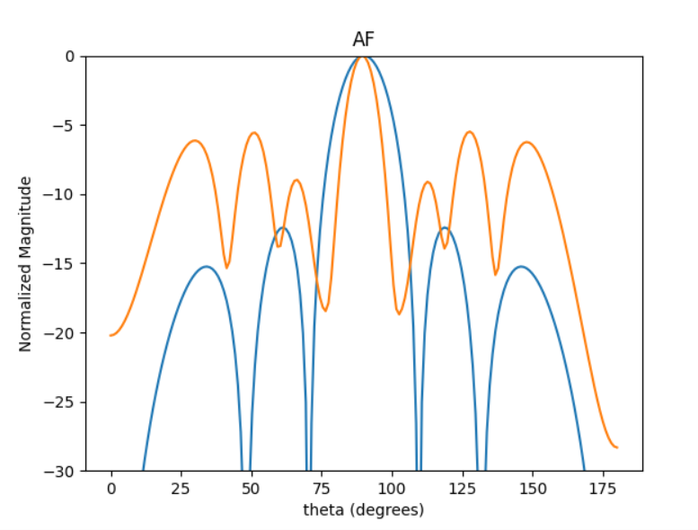
 | 0 | 1 | 2 | 3 | 4 | 5 | MATLAB
0 | 3.2172450755 | 3.1408364705 | 3.0900228369 | 3.0203261239 | 3.0234356451 | 2.9285330668 | -4.378
1 | 3.0321837133 | 3.1150835754 | 3.0850009526 | 3.0415820779 | 2.9940671065 | 3.1052023021 | 10.5
2 | 2.3578173963 | 2.3751043872 | 2.3158584644 | 2.3503995659 | 2.3461603025 | 2.3852840502

pha1
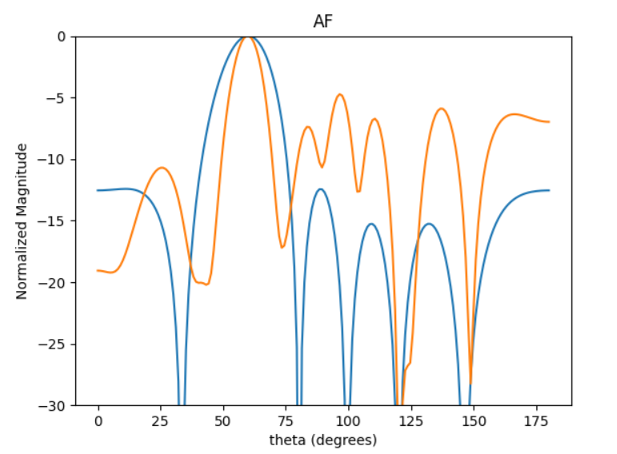
 | 0 | 1 | 2 | 3 | 4 | 5 | MATLAB
0 | 0.26583349839 | 2.128930619 | 4.9973981695 | 3.8275621757 | 2.6197750736 | 3.9639442656 | -5.054
1 | 3.7603598536 | 5.5787837546 | 2.1762796411 | 0.9590233975 | 6.1063757377 | 1.167769772 | 12
2 | 5.73229475 | 1.2818300914 | 4.2194160884 | 2.9662901332 | 1.7977263272 | 3.1496125347
3 | 0.79318875355 | 2.574612122 | 5.4974428796 | 4.2253159843 | 3.1305323548 | 4.4917981317
4 | 4.7077860168 | 0.2081994181 | 3.0909407915 | 1.8689857407 | 0.80507643639 | 2.0945980712
5 | 4.5566727343 | 0.0089136869499 | 2.9318668635 | 1.6455692923 | 0.58091334536 | 1.9579629898
6 | 2.0646007714 | 3.8787387064 | 0.4948990986 | 5.5213593038 | 4.4122671509 | 5.7589331676
7 | 1.0203583498 | 2.8329120081 | 5.7403748638 | 4.471612881 | 3.3730012054 | 4.7333507894
8 | 2.2979124819 | 4.1278242984 | 0.73778435798 | 5.7835008414 | 4.6391449662 | 6.0037906871
9 | 0.45712189467 | 2.2956395247 | 5.1898060951 | 3.9897337012 | 2.7895943882 | 4.1529357535

 | 15.182809128 | 121.59170094 | 285.42129945 | 218.60730981 | 149.62578133 | 226.39663378

pha2
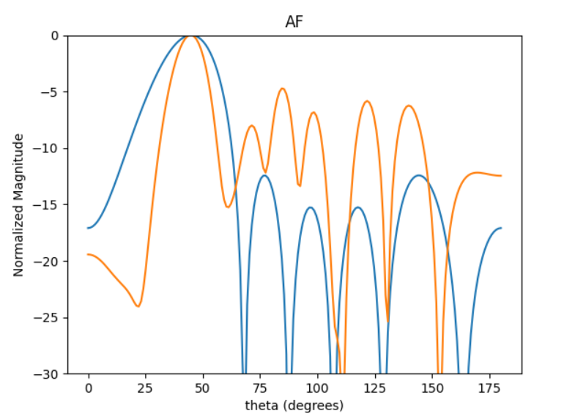
 | 0 | 1 | 2 | 3 | 4 | 5 | MATLAB
0 | 4.7018448617 | 4.4673927848 | 6.2178469085 | 4.3943098148 | 2.5227784515 | 2.1491363736 | -4.523
1 | 3.5901501453 | 3.2386382595 | 5.0043618698 | 3.114954776 | 1.3828959673 | 1.0373966513 | 14.5
2 | 2.8234720104 | 2.5949099305 | 4.3189882777 | 2.4760529237 | 0.68083396375 | 0.33404292177
3 | 5.4937415258 | 5.2090439381 | 0.65031731939 | 5.0503143429 | 3.3245695191 | 2.9375034816
4 | 1.5099116962 | 1.1982818999 | 2.9515298494 | 1.0415042836 | 5.6212500829 | 5.2285584198
5 | 2.5294534474 | 2.2768481633 | 3.9688632296 | 2.1656390986 | 0.34877681011 | 6.2615705945
6 | 0.64092949493 | 0.29139868788 | 2.0567687823 | 0.1383771364 | 4.7388875286 | 4.3628879832
7 | 3.1448627087 | 2.9627896253 | 4.6303546687 | 2.8946207617 | 0.9758730297 | 0.61207352951
8 | 2.7176251889 | 2.3955775737 | 4.1517448594 | 2.2513012944 | 0.60195187078 | 0.12812899657
9 | 2.3605557657 | 2.0939691051 | 3.8285322845 | 1.9580225988 | 0.16196213658 | 6.0995971813

 | 179.61562606 | 169.2167076 | 264.45798425 | 165.32331249 | 55.735992767 | 34.957955364

pha3
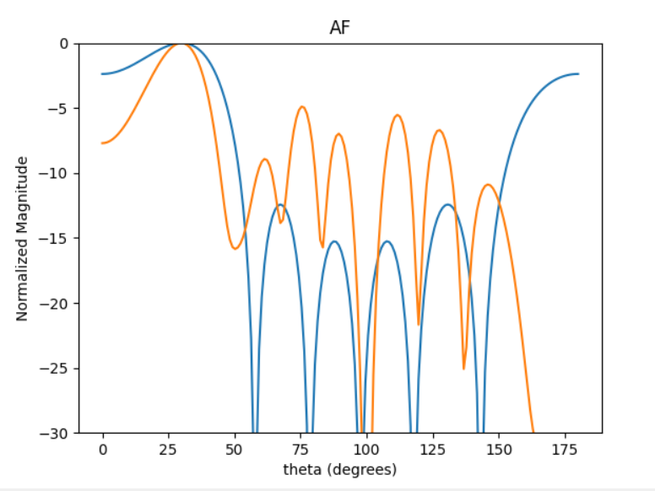
 | 0 | 1 | 2 | 3 | 4 | 5 | MATLAB
0 | 5.1138311726 | 3.555622421 | 4.3458764495 | 1.9274874133 | 5.9039339799 | 4.1944594469 | -3.736
1 | 4.9519693952 | 3.3412864377 | 4.2068794485 | 1.7261387941 | 5.7222788789 | 4.0214719268 | 18.5
2 | 5.5225377333 | 3.9468753373 | 4.7666000553 | 2.3193119418 | 0.048428107099 | 4.6064778058
3 | 4.8028405197 | 3.2087737907 | 4.0832927185 | 1.6016527764 | 5.5790179711 | 3.8799791952
4 | 1.4344643317 | 6.0711841127 | 0.69692565107 | 4.442696749 | 2.1842556553 | 0.48588544746
5 | 6.2551957782 | 4.6479881154 | 5.4522565603 | 3.0003786051 | 0.68558369742 | 5.2988200143
6 | 1.1947289816 | 5.8773019666 | 0.42971469698 | 4.25774727 | 1.9602784814 | 0.25605876652
7 | 0.23241224326 | 4.9008732645 | 5.7510162087 | 3.2649166409 | 0.98481599409 | 5.5729843324
8 | 4.380075827 | 2.773252663 | 3.5679770234 | 1.1293190183 | 5.1110473034 | 3.4356003723
9 | 6.0760903855 | 4.4854798719 | 5.2728904785 | 2.8513922375 | 0.55909616319 | 5.1290100587

 | 274.30933772 | 183.26584233 | 233.21309894 | 91.476764747 | 318.6399212 | 221.60105442

pha4
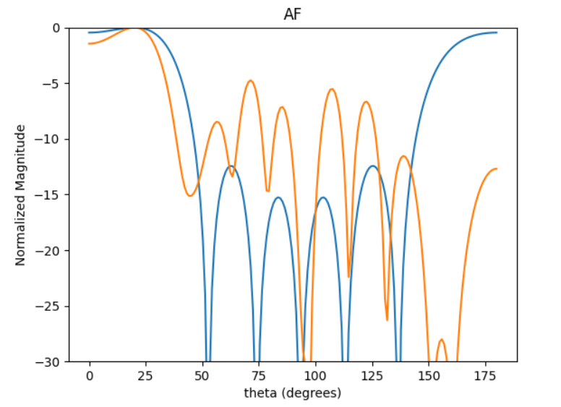
 | 0 | 1 | 2 | 3 | 4 | 5 | MATLAB
0 | 2.3559420812 | 0.089599501359 | 0.45816910416 | 4.1300335607 | 1.5863117107 | 5.4698981802 | -2.048 | -3.396
1 | 2.8953940553 | 0.64333713017 | 1.003358373 | 4.710831069 | 2.1630822545 | 6.0263819884 | 31.5
2 | 4.0708241247 | 1.7591862726 | 2.2101939069 | 5.8530439736 | 3.3317676592 | 0.92092075734
3 | 0.69940707581 | 4.7375945776 | 5.1161328817 | 2.4951840394 | 6.2314328188 | 3.8254719165
4 | 1.8176392094 | 5.8102105796 | 6.1897689511 | 3.6223296209 | 1.1010974655 | 4.9709310819
5 | 5.0762467563 | 2.8054098835 | 3.2275255848 | 0.59215193997 | 4.3382875509 | 1.913402429
6 | 5.0719013043 | 2.8381537839 | 3.1840287037 | 0.62197783338 | 4.3384978239 | 1.9063203895
7 | 4.869514974 | 2.6386949822 | 3.0025567884 | 0.42234039482 | 4.107296139 | 1.7251439523
8 | 0.77201502784 | 4.8165269236 | 5.2030268479 | 2.6140491448 | 0.05568296498 | 3.9267509327
9 | 2.8170637123 | 0.56108371157 | 0.91886865823 | 4.6203748656 | 2.0485755654 | 5.9259478312

 | 103.81260957 | 331.84425123 | 353.5223405 | 206.88566177 | 62.888058698 | 283.90965873

pha5
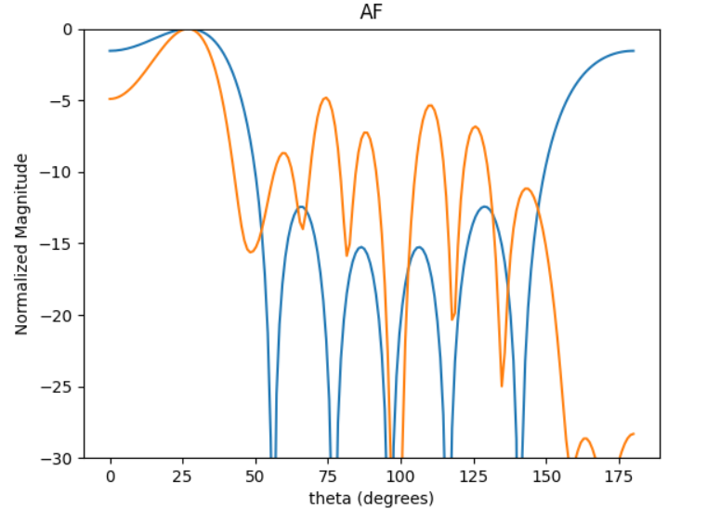
 | 0 | 1 | 2 | 3 | 4 | 5
0 | 3.2389682259 | 1.3839963293 | 2.0892283645 | 5.8356543762 | 3.501184177 | 1.5235934577
1 | 4.6885255345 | 2.7967988009 | 3.551627226 | 0.97466392147 | 4.9491150269 | 2.9773563433
2 | 2.4639867808 | 0.65199206219 | 1.3226942765 | 5.0949638776 | 2.7566308062 | 0.81740750735
3 | 3.5293197282 | 1.65081838 | 2.3575090517 | 6.1390499531 | 3.7500508644 | 1.808680594
4 | 5.2483338851 | 3.4391037449 | 4.0873361842 | 1.6333169631 | 5.5250466175 | 3.5553529418
5 | 4.5520137758 | 2.7716914744 | 3.365751649 | 0.90167711105 | 4.8119002755 | 2.8372061823
6 | 2.3177273601 | 0.47296314231 | 1.1513601453 | 4.9697968408 | 2.5760457588 | 0.59505388804
7 | 5.2827857411 | 3.4029980678 | 4.1141885708 | 1.5906440366 | 5.5003887099 | 3.5809948151
8 | 2.3583072223 | 0.53931197661 | 1.1602050649 | 5.0106322015 | 2.6101331794 | 0.66457176994
9 | 4.5630191457 | 2.7000725439 | 3.4516348796 | 0.90891066355 | 4.8442483087 | 2.890373186

 |  | 27 deg

pha6
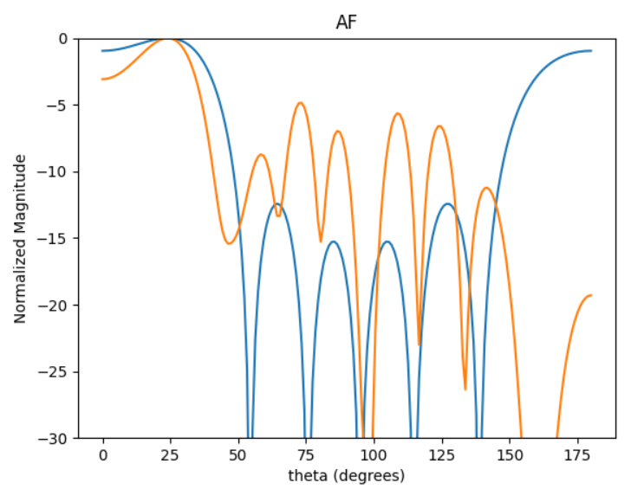
 | 0 | 1 | 2 | 3 | 4 | 5 | MATLAB
0 | 5.1658469464 | 3.1254876184 | 3.6428750545 | 1.0916175425 | 4.9572211951 | 2.773138923 | -3.56
1 | 4.0089659078 | 1.9569142448 | 2.4948659745 | 6.2715305681 | 3.8437594179 | 1.6542839293 | 24.5
2 | 4.5607076283 | 2.5278895492 | 3.0457211689 | 0.54540672705 | 4.3611593141 | 2.2226770911
3 | 3.2372484601 | 1.1958542226 | 1.7721290694 | 5.4572459971 | 3.0640675523 | 0.92144953589
4 | 4.8315822448 | 2.8216139502 | 3.3506557482 | 0.83090511227 | 4.6521915584 | 2.5263286917
5 | 2.9037077469 | 0.88434566545 | 1.4515457168 | 5.1567947675 | 2.6979483024 | 0.54567958782
6 | 3.7199263189 | 1.6979042154 | 2.2009124282 | 5.9158666925 | 3.5315173808 | 1.3580006662
7 | 4.6944544414 | 2.6492380837 | 3.2287060968 | 0.68000518473 | 4.4942522513 | 2.3208963939
8 | 5.1296772865 | 3.0788936319 | 3.6235785202 | 1.0726915055 | 4.9356573957 | 2.7538203351
9 | 4.6294588132 | 2.5929098171 | 3.1435994173 | 0.59931942287 | 4.4275789577 | 2.2438577859

 | 276.829271 | 161.66657076 | 191.97843297 | 47.607356109 | 266.55094178 | 144.7479717

