Sheet1
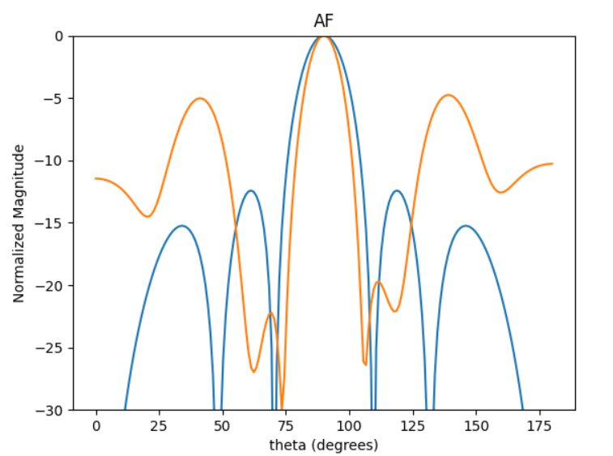
d = np.array([0.99606018, 0.36757351, 0.96326488, 0.56798559, 0.9447406 ])
-4.9 | d = np.array([0.99606018, 0.36757351, 0.96326488, 0.56798559, 0.9447406 ])

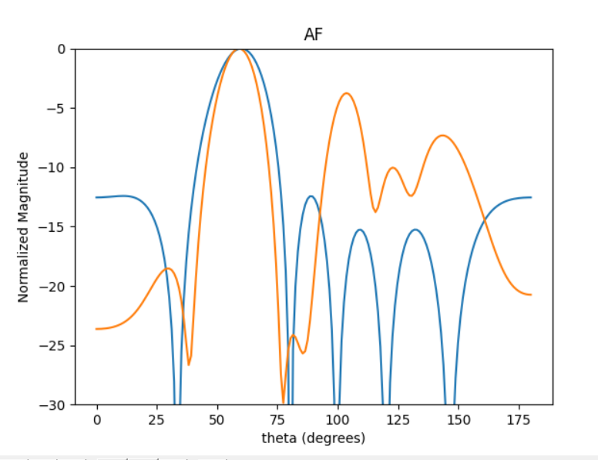

-3.85

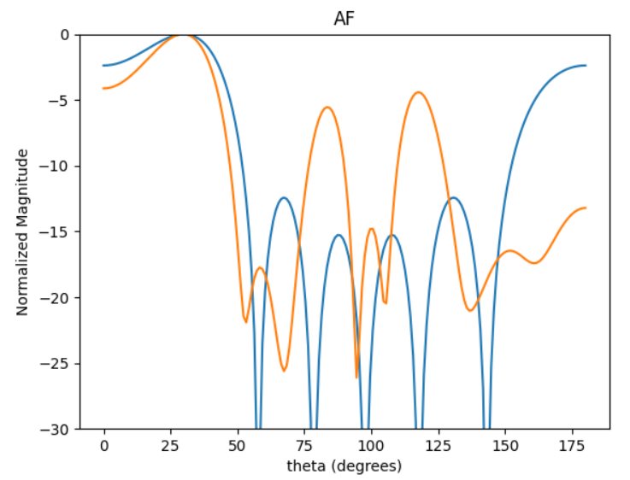

-4.5

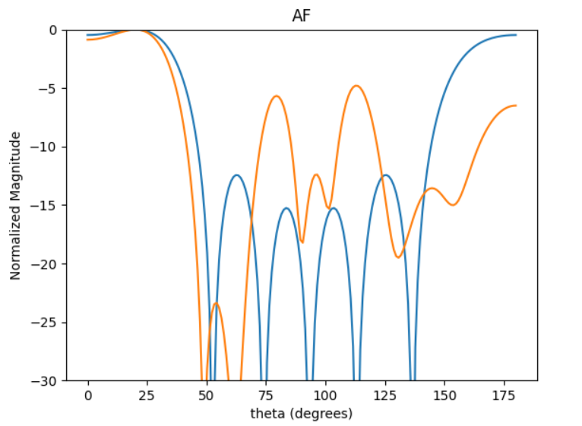

-4.7

Sheet2
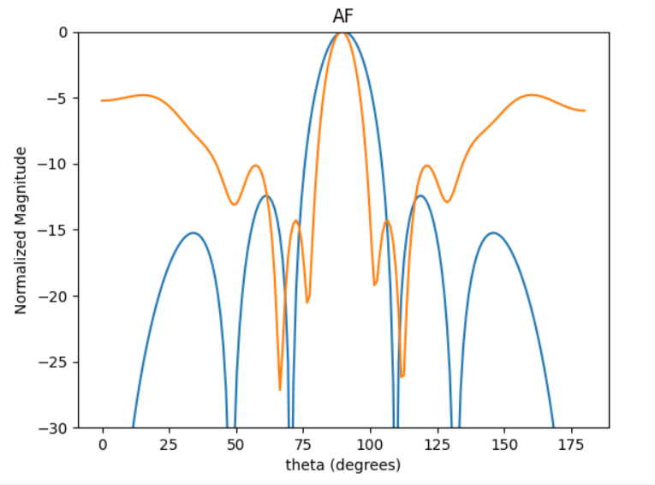
 | d = np.array([0.66471675, 0.91778239, 0.35356363, 1.06465306, 0.97263609]) | I = np.array([0.32, 0.428, 0.54, 0.54, 0.428, 0.32])
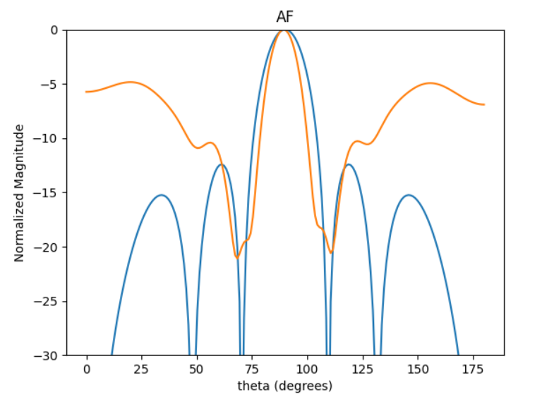
SLL |  |  | -4.82
-4.86

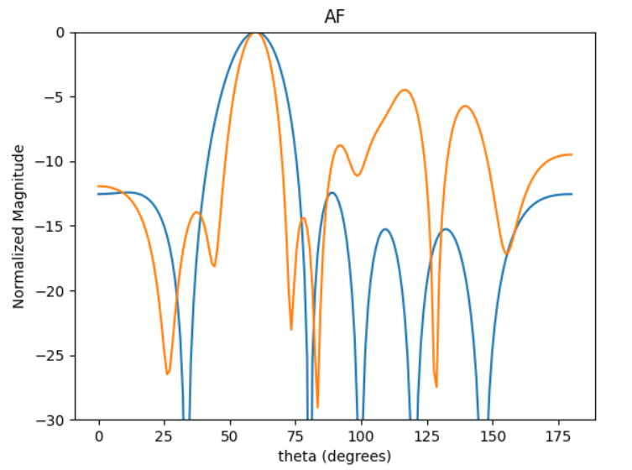
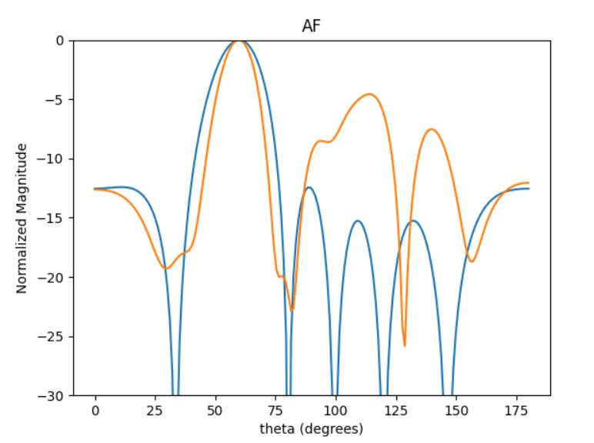
60DEG
SLL
-4.5
 |  |  | -4.66

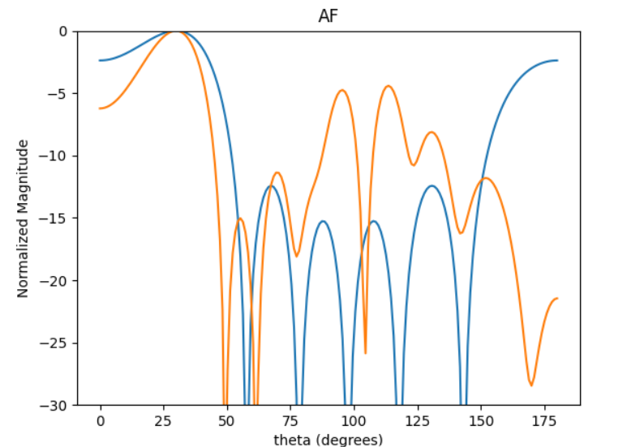

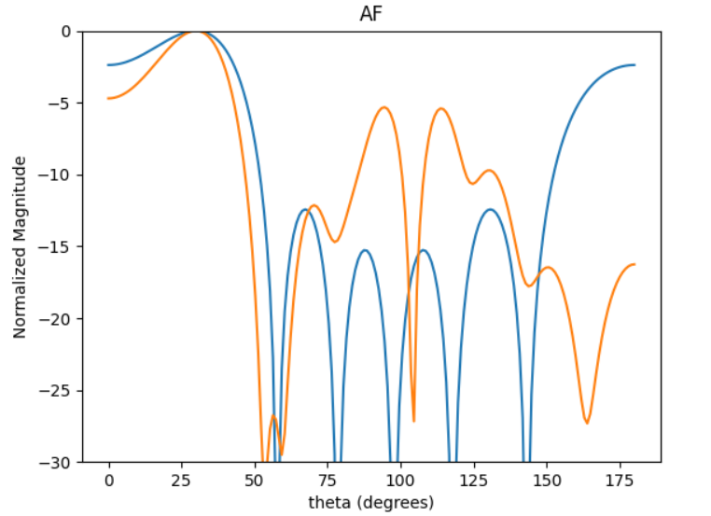
30DEG
SLL
-6 | -4.9 |  | -5

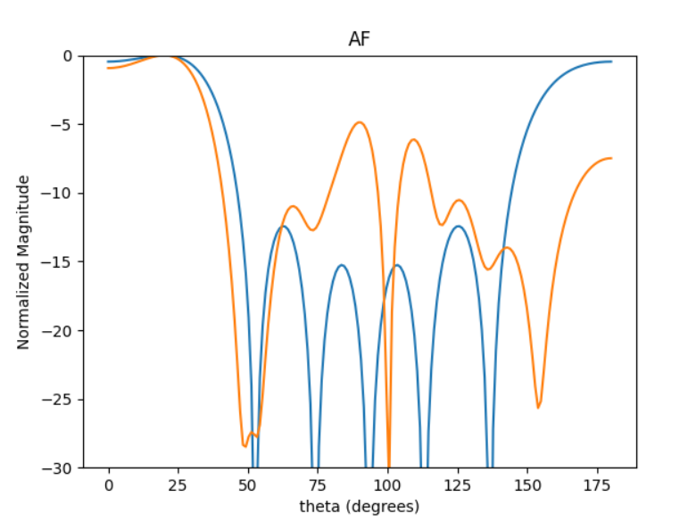
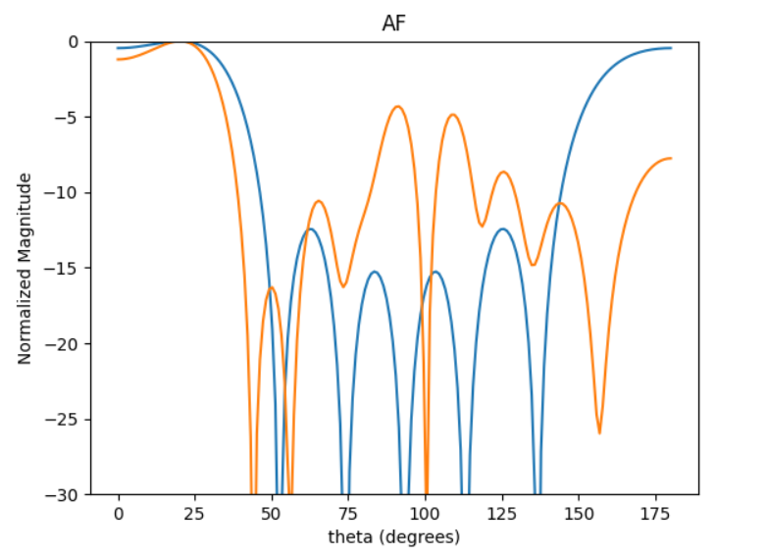
20DEG
SLL
-1.25 | -4.25 |  | -4.82

Sheet3
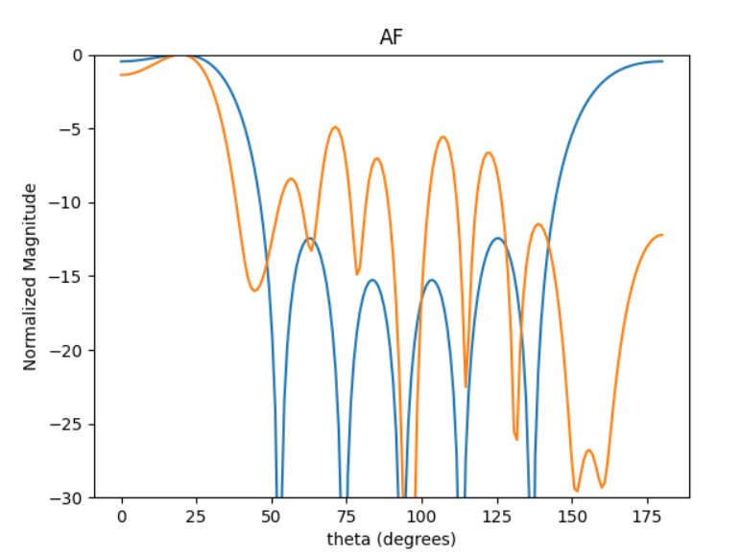
 | d = np.array([1.41505558, 0.9996318, 0.44537543, 0.45855375, 1.45504275])
 | -1.49 | -4.9

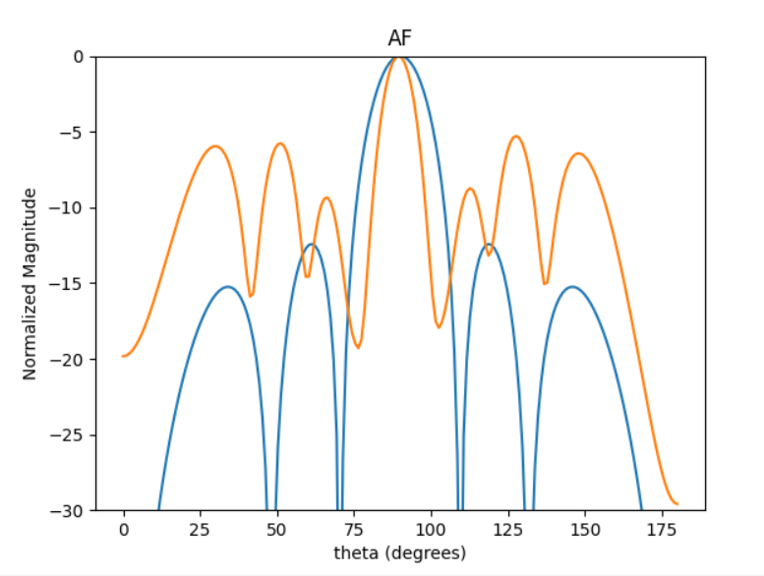

-5.39

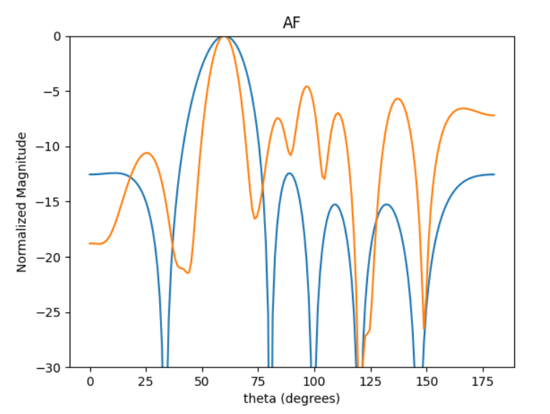

-4.66

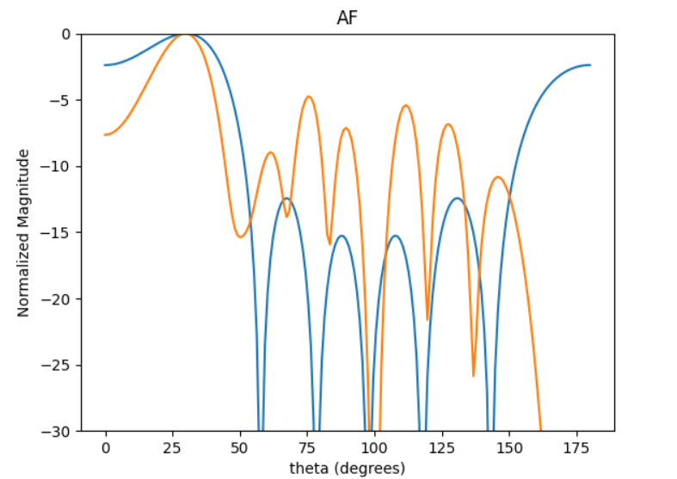

-4.82

24.0
[16.32419428 13.60349523 10.88279619 8.16209714 5.44139809 2.72069905]

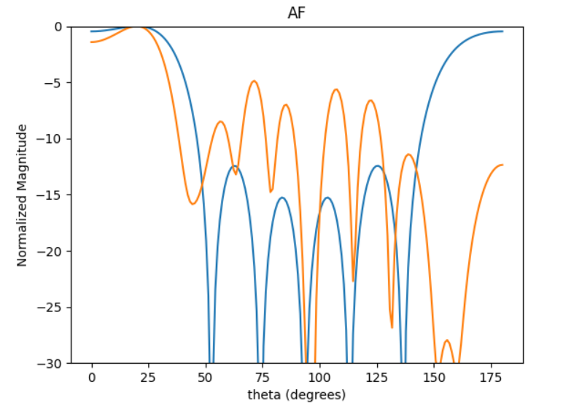
-4.98
34
[17.7127886 14.76065717 11.80852574 8.8563943 5.90426287 2.95213143]

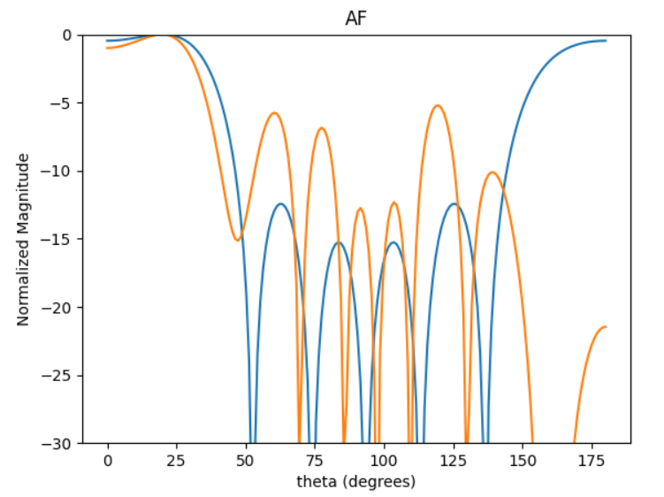

 |  |  | -5.06
 |  |  | d = np.array([1.415, 0.45, 0.45, 0.45, 1.415])

Sheet4
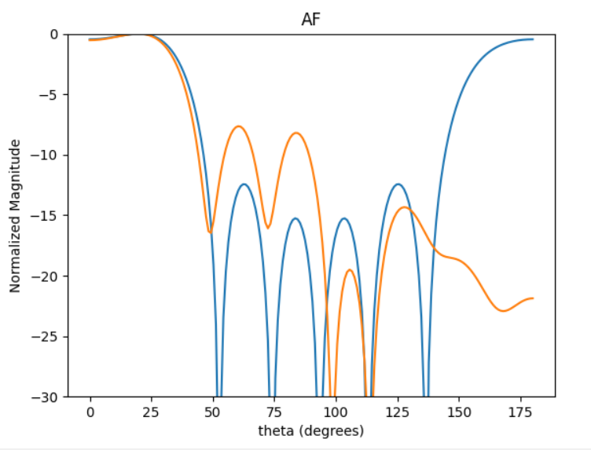

-7.74

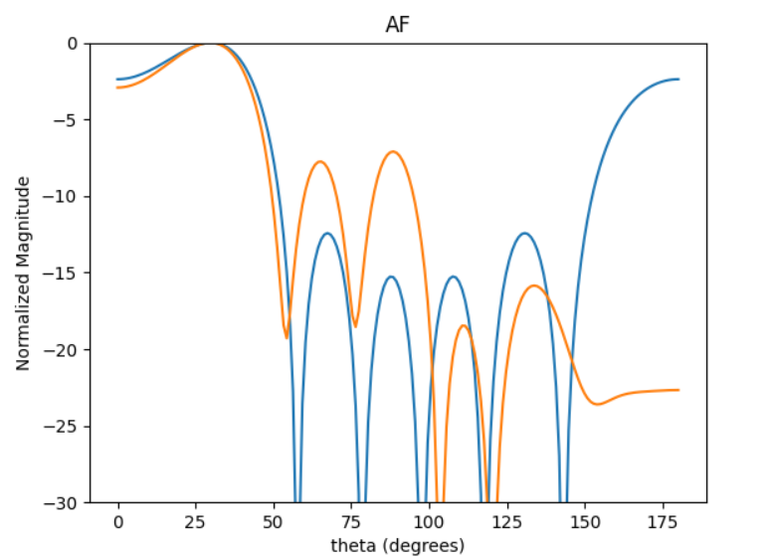
30deg
-2.87 | -7.18

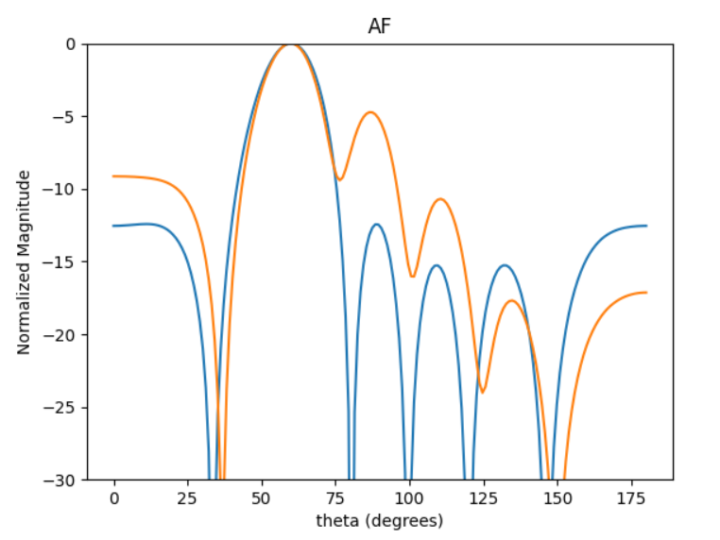
60deg
-4.82

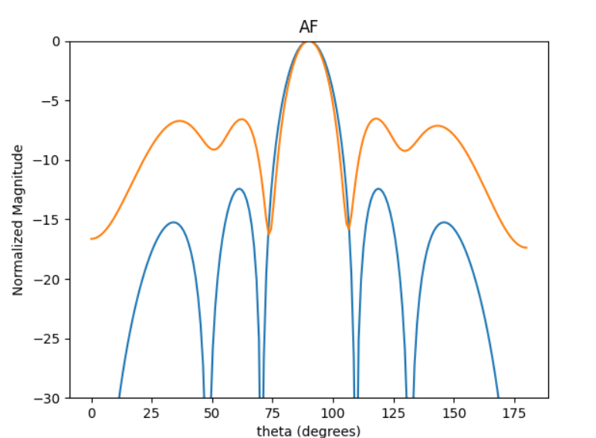
90DEG
-6.61

