Sheet1
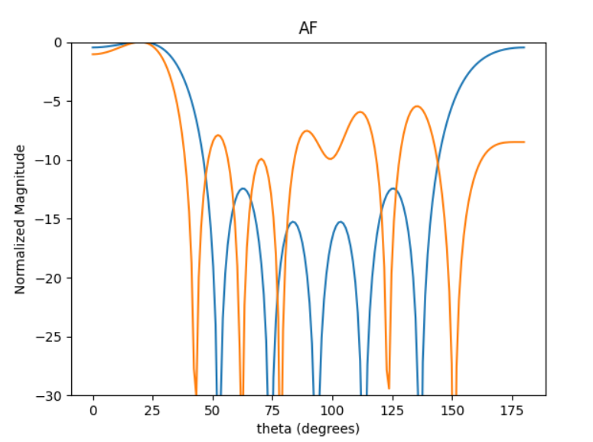
 | d = np.array([0.48073013, 0.83774998, 0.9286814, 0.83774998, 0.48073013])

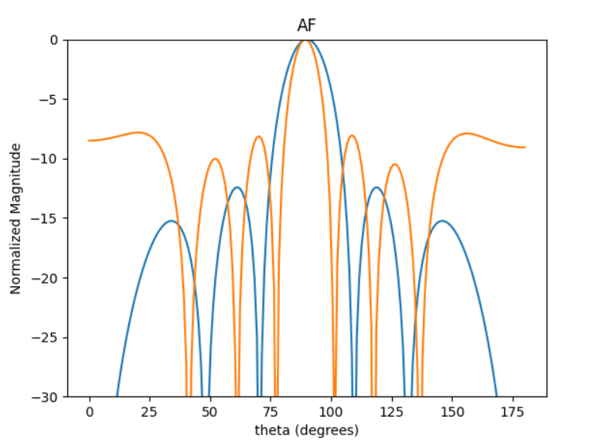

90deg
-7.74

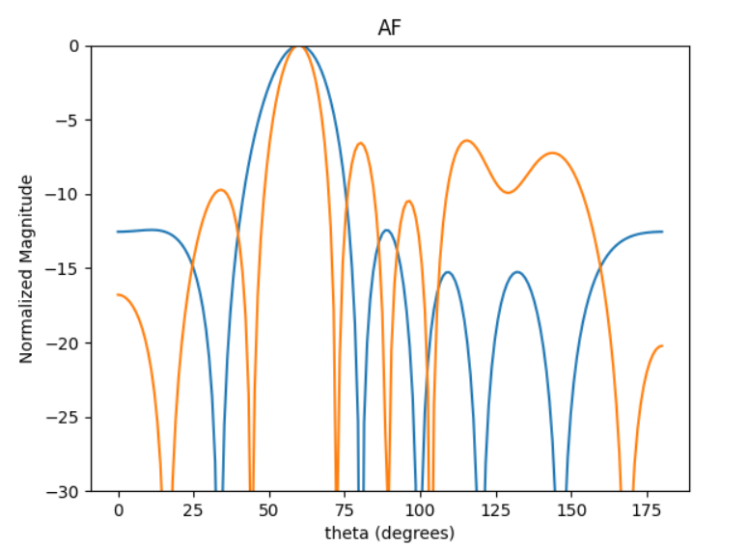
60deg
-6.36
[9.42477796 7.85398163 6.28318531 4.71238898 3.14159265 1.57079633]

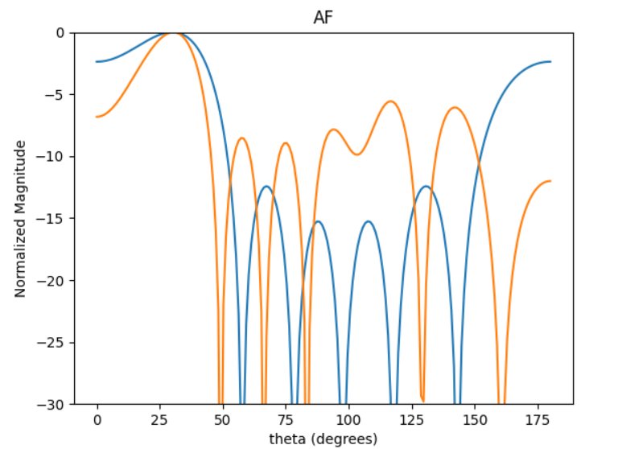

30deg
-5.47
[16.32419428 13.60349523 10.88279619 8.16209714 5.44139809 2.72069905]

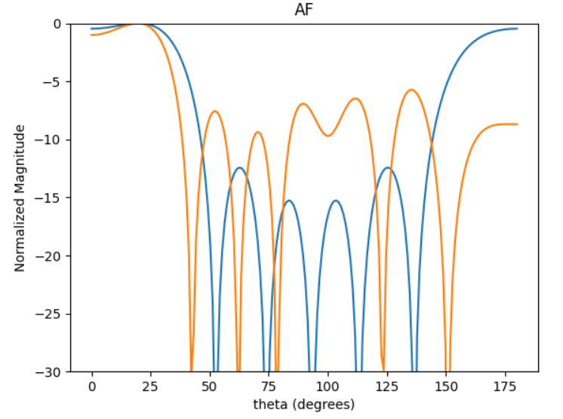
20deg
-5.55

Sheet2
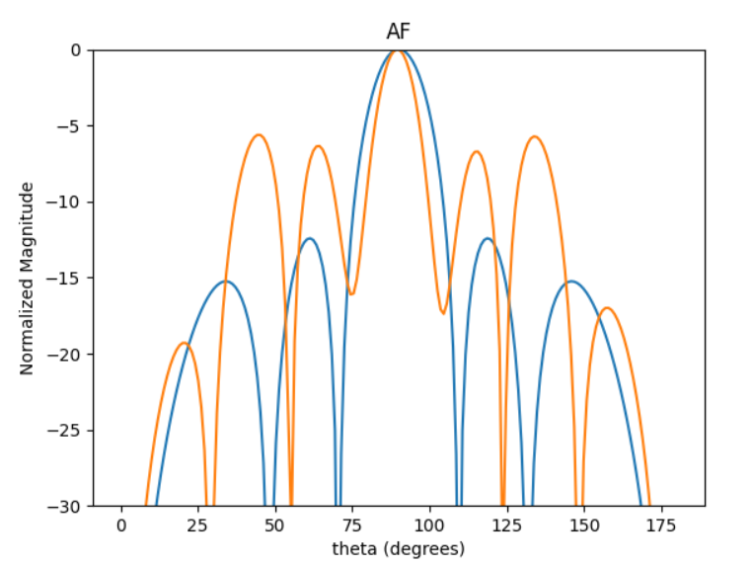
 | d = np.array([1.49068723, 0.42037168, 0.51803609, 0.42037168, 1.49068723])

90DEG
-5.71

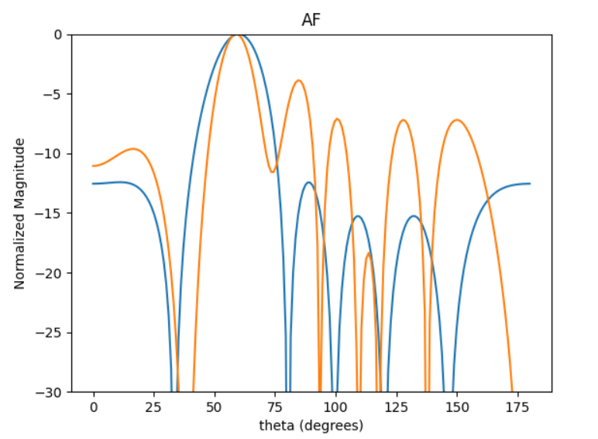

60DEG
-3.93

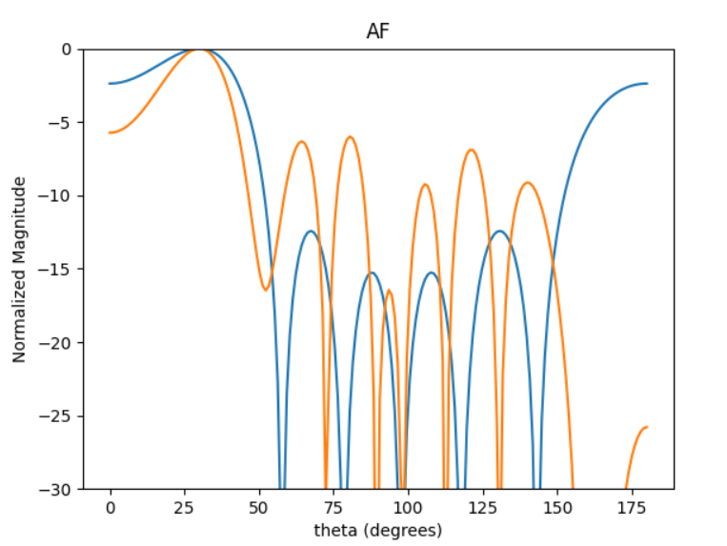
30DEG
-6.04

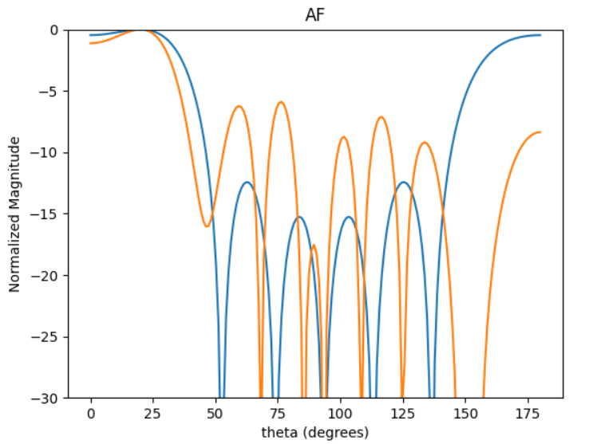
20DEG
-5.96

Sheet3
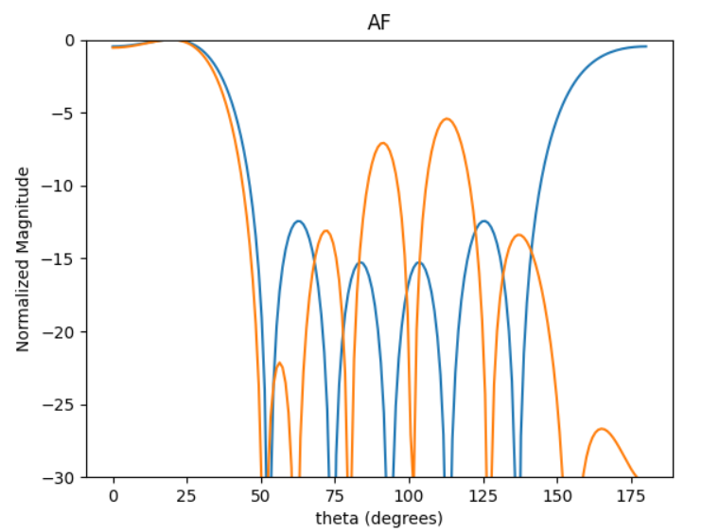
20DEG
-5.47
0.89219739 0.46564106 0.35671297 0.46564106 0.89219739

