Sheet1
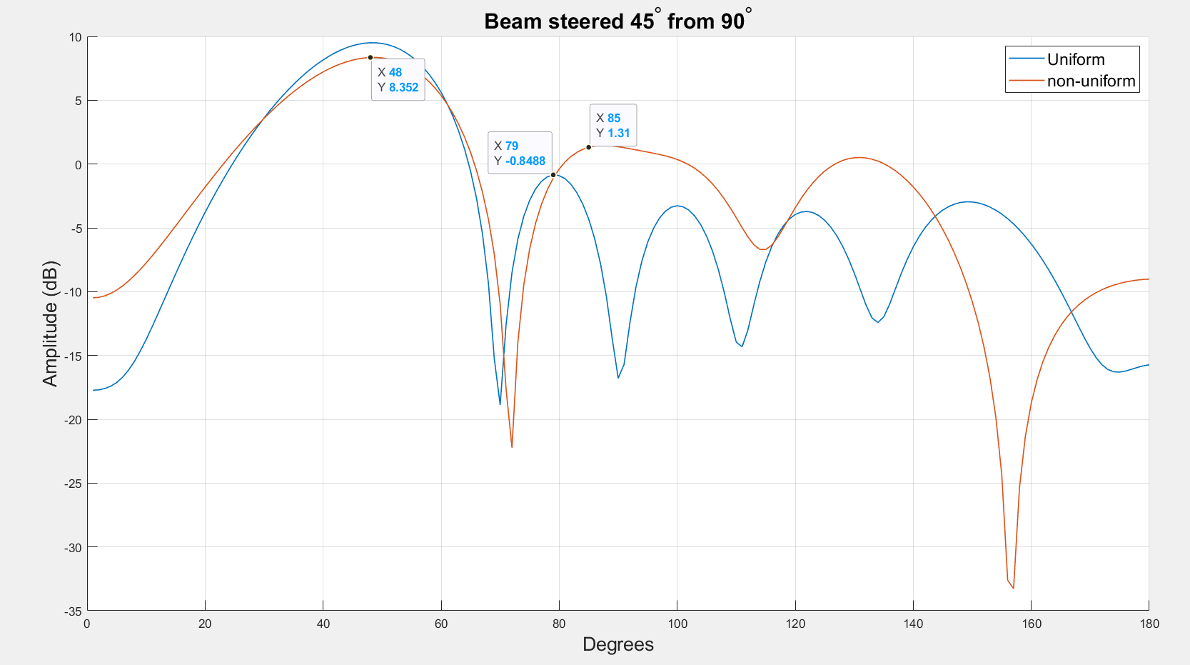
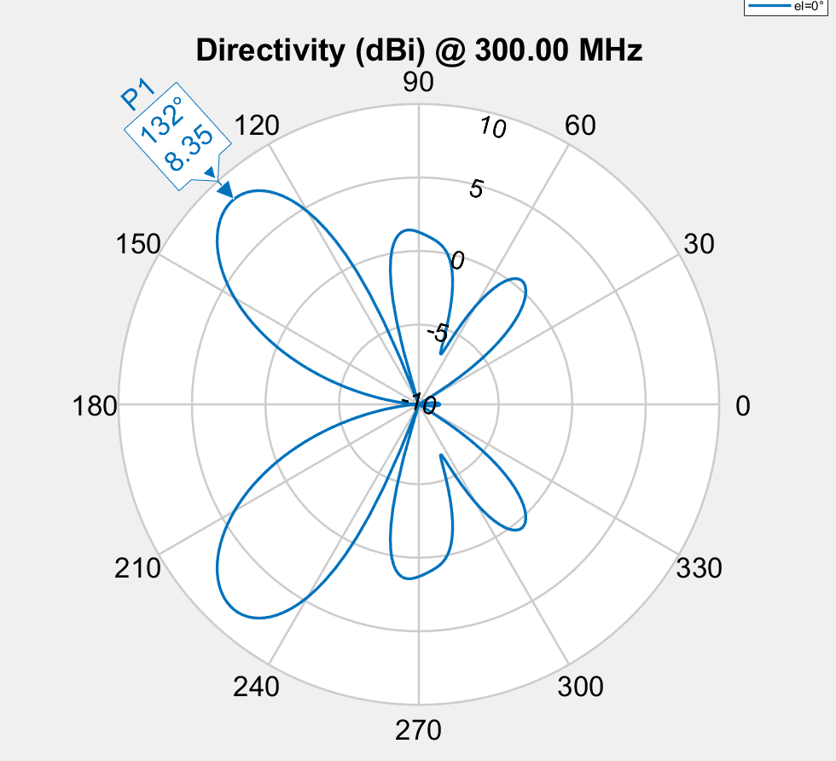

Phase
72 | 208 | 345 | 29 | 154 | 355
72 | 208 | 345 | 29 | 154 | 355
72 | 208 | 345 | 29 | 154 | 355
71 | 219.5 | 297 | 53 | 145.5 | 325
71 | 219.5 | 297 | 53 | 145.5 | 325
49 | 149.5 | 288 | 87.5 | 220 | 242.5
49 | 149.5 | 288 | 87.5 | 220 | 242.5
87.8 | 218.5 | 273.2 | 53.3 | 224 | 285.4
87.8 | 218.5 | 273.2 | 53.3 | 224 | 285.4
87.8 | 218.5 | 273.2 | 53.3 | 224 | 285.4
87.8 | 218.5 | 273.2 | 53.3 | 224 | 285.4
87.8 | 218.5 | 273.2 | 53.3 | 224 | 285.4
87.8 | 218.5 | 273.2 | 53.3 | 224 | 285.4
87.8 | 218.5 | 273.2 | 53.3 | 224 | 285.4
55.2 | 187.3 | 256.4 | 52.7 | 180 | 242.4
75.8 | 213.3 | 275.5 | 46.1 | 194.5 | 258.5
75.8 | 213.3 | 275.5 | 46.1 | 194.5 | 258.5
55.2 | 187.3 | 256.4 | 52.7 | 180 | 242.4
55.2 | 187.3 | 256.4 | 52.7 | 180 | 242.4
70.6 | 210.6 | 269.7 | 47.5 | 187.6 | 259.7
56 | 199.4 | 275.8 | 47.1 | 196.3 | 261.7
56 | 199.4 | 275.8 | 47.1 | 196.3 | 261.7
56 | 199.4 | 275.8 | 47.1 | 196.3 | 261.7
56 | 199.4 | 275.8 | 47.1 | 196.3 | 261.7
56 | 199.4 | 275.8 | 47.1 | 196.3 | 261.7
56 | 199.4 | 275.8 | 47.1 | 196.3 | 261.7
56 | 199.4 | 275.8 | 47.1 | 196.3 | 261.7
56 | 199.4 | 275.8 | 47.1 | 196.3 | 261.7
82.1 | 199 | 283.4 | 37.1 | 206.8 | 262.5
78.8 | 214.1 | 284 | 58 | 210.1 | 266.4

