test_on_gemini
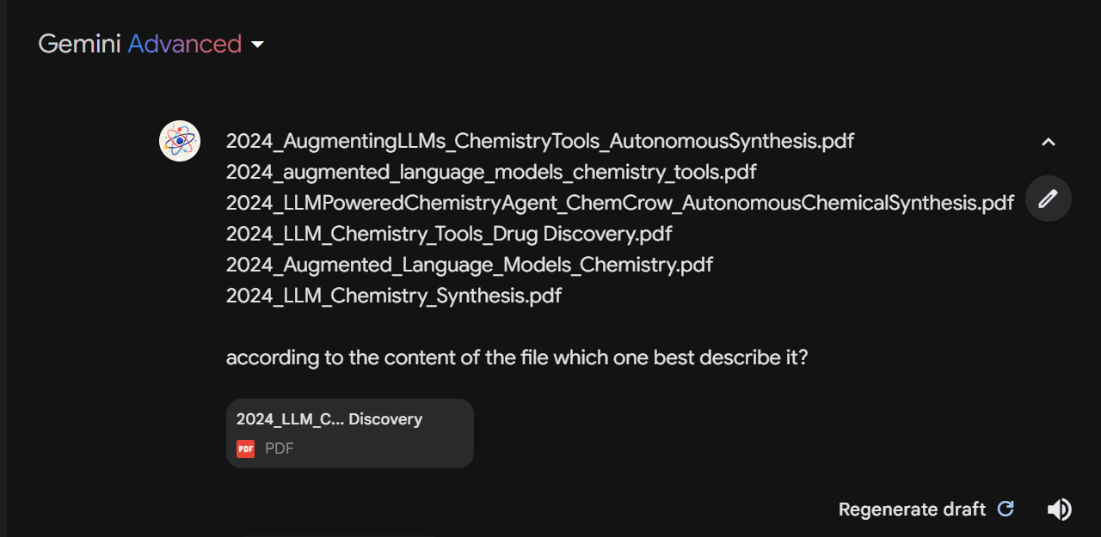
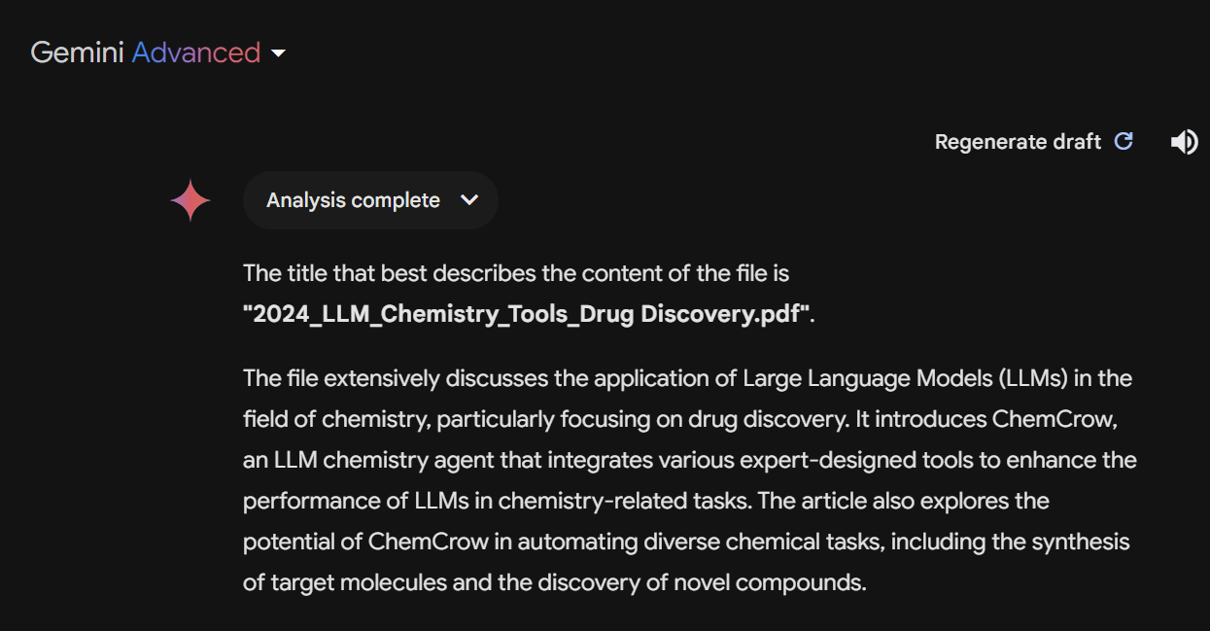
It respond choose the title suggested by gemini-1.5-flash, I wondered whether the Gemini Advanced I subscribed was using gemini-1.5-flash instead of gemini-1.5-pro

