Sheet1
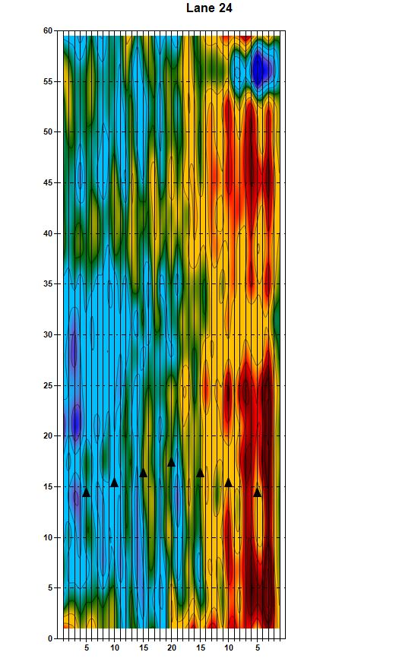
 | KTC Topography Report
Lane 12

