Sheet1
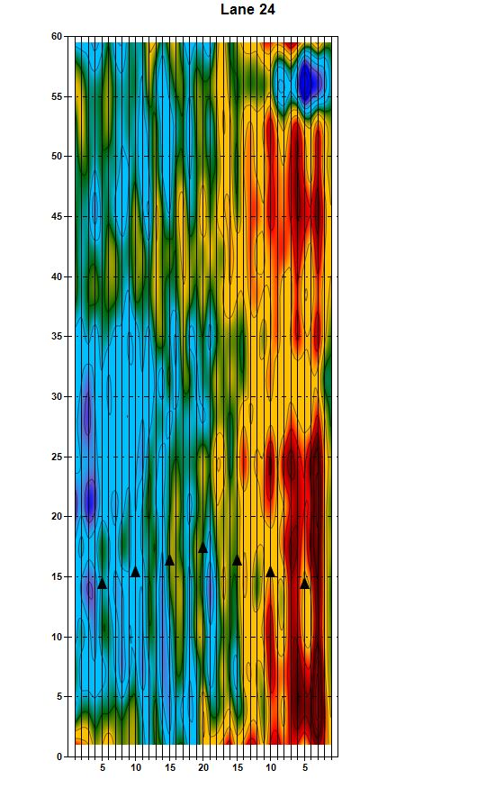
 | ABC Bowling Center
Lane 12

