Sheet1

Plum 1-24
Lake Wales FL
08/24/2018 07:48:00

Sheet2
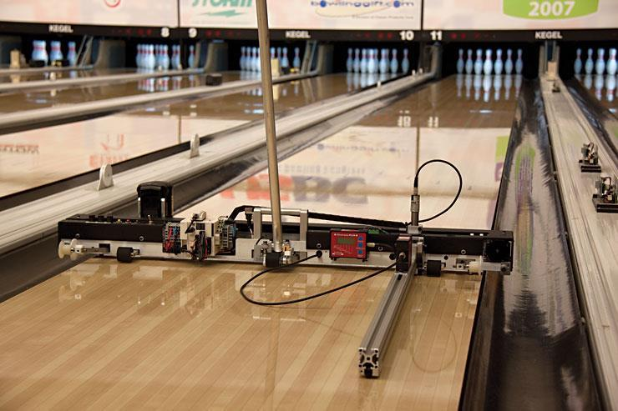
Introduction
Kegel is pleased to provide you with this revolutionary LaneMap™ Guide. This guide is an assessment of the gravitational forces on each board of each lane in this bowling center. It will assist you in knowing how much and where gravitational forces come into the play on each lane as the bowling ball travels from foul line to head pin.

Understanding the Data
This guide is designed to compare each pair of lanes in the bowling center. The data presented is:
LaneMap™ Graph - A colored gravitational slope graph of each lane

The Kegel LaneMapper™ is a state of the art device that can efficiently and accurately log digital recordings of surface topography. Designed by Kegel specifically for bowling lanes, the LaneMapper™ reads and records both length and crosswise levels while simultaneously logging crowns and depressions of all 39 boards at any distance on the lane to an accuracy of .001 inch. The LaneMap Guide was derived from this tool and data.

Sheet3
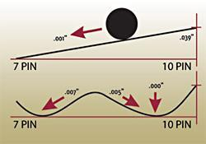
Topography is defined as the graphical representation of surface features indicating relative positions and elevations. It’s a known fact that changes in topography adversely affect the ball path and ball motion (rate of energy depletion). When topographical features are randomly different on a bowling lane, so is ball motion.

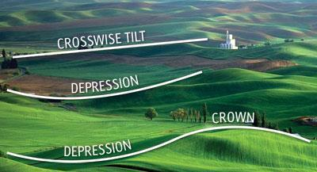

Another variable is Slope per Board™. Each board has a specific slope, calculated from the crosswise tilt, crowns, and depressions. The degree of this slope has a proportional effect on the ball path and can also influence the rate of energy depletion of the bowling ball. I.e. deplete energy sooner or later.
For example, a board with a 2/1000” slope will affect the ball twice as much as a board with a 1/1000” slope. Bowlers throw balls on different boards and each ball is only affected by the slope of the board it’s on. The other slopes don’t matter to that ball because quite simply, it’s not on them.

Sheet5
Lengthwise Level Graph
Although this is not a required specification for existing centers, it has been adopted by the USBC, the specification governing body of tenpins. See USBC form EQ-09101, page 4, and dated 12/08 for this specification. Considering front-to-back level has a critical effect on consistent lane to lane ball reaction, we measure at each leveler.


3-D Contour Graph
The 3D graph is a visual aid showing the highs (crowns) and lows (depressions) of each bowling lane surface. The data was multiplied by a factor of four to make differences more obvious when viewing the graph.

Sheet6
Kegel LaneMap™ Graph
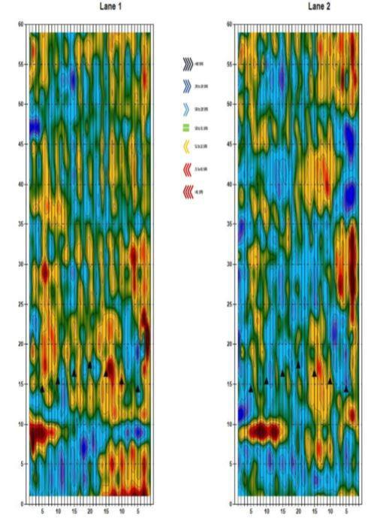
The revolutionary Kegel LaneMap™ graph shows the slope per board and is the gravitational influence on the “canvas” (lane) prior to the application of “paint” (lane conditioner). Gravity and friction are separate forces on a bowling ball but gravity problems cannot be fixed with friction solutions.
Since the lanes are generally oiled identically, differences between lanes in ball reaction will be a function of differences in gravitational forces “under” the conditioner. In order for two lanes to play the same, they must not only be oiled the same, but they also must have similar gravitational influences in comparable places.
The black and dark blue areas on the LaneMap™ graph are very strong gravitational influences to the right while light blue areas are less, but still substantial influences to the right.

The maroon and red areas are very strong gravity influences to the left, while orange areas are less but still substantial influences to the left.

Green represents areas of very little gravity influence. The bottom of the graph is the foul line and the top of the graph is right before the pins.

