Sheet1
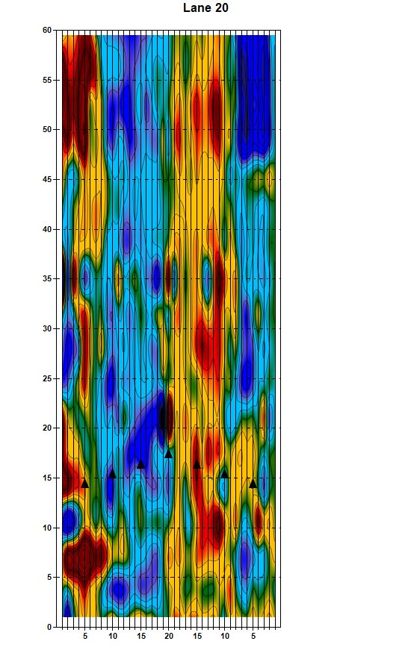
 | q
Lane 10

