HomePage
 | Excel sheets to prepare input data for the Water Management Data Model (WaMDaM)
 | Then you can use the WaMDaM Wizard software to load all these sheets data into the WaMDaM SQLite Database
 |  | WaMDaM V1.04 December 2018

To organize your water management data in WaMDaM like a numeric data value for a reservoir capacity
as it must have the following hierarchical contextual metadata elements from top to bottom
1) a dataset or model name (e.g., US Dams) 2) an object type (e.g., reservoir), attribute (e.g., capacity), 3) attribte data type (e.g., numeric value), attribute unit (e.g., cubic meter)
4) a network (e.g., Bear River Watershed Dams), 5) scenario (e.g., existing dams), 6) node instance of the ObjectType (e.g., Hyrum Reservoir), 7) the source of the data,
8) the method used to report/generate the data, 9) the person involved in the source or method, 10) the organization that the person belongs to,
and 11) the data values themselves (100,000)

You may choose to register a few selected fields among these contexual metadata against controlled vocabulary terms to
allow you to relate and compare synonmous terms from different datasets in database based on the controlled term
You may view the existing CV terms or submit suggestions for new ones online @ |  |  | vocabulary.wamdam.org

The spreadsheets in this workbook are organized starting from independent tables like Organizaton&People and they end with the actual data values

Before Beginning:
** Macros must be allowed for this template to work. Please accept any security warnings and allow Macros to run.
** Save early and often! Make sure on the first save that you give your file a unique name!
** Check below for the date the controlled vocabularies were last updated. If the have not been updated recently, click the "Update Controlled Vocabularies" button to updated them.
You can do this any time the vocabularies seem out of date, especially after submitting new terms and having them accepted. Be aware that updating all of the vocbularies can take a minute or so.

Do not change the names or order of sheets or columns in this entire workbook.
The WaMDaM Data Loader Wizard only works if these names and orders are preserved as provided in this template workbook.
Instructions to use this work and import your data into a WaMDaM SQLite database
1. Enter your data in order in the four steps below by clicking at the hyperlinks in each step in sequence
2. Register your terms against controlled vocabulary (CV) as you go in each step where applicable. CV columns are indicated in purple
3. Use the WaMDaM Wizard software to import all the data in this workbook into a SQLite database

You can access and download the WaMDaM materials and Wizard @ |  |  | wamdam.org

Step 0 | Click on the button to update controlled vocabulary (CV) and register your native terms as you go in each step where applicable. CV columns are indicated in purple
Controlld Vocabs |  |  |  | CVs last updated | 12/13/18

Step 1 | Define the metadata of of people, organizations, sources, methods that contributed to your data
Metadata | 1.1_Organizations and People | 1.2_Sources&Methods

Step 2 | Enter your data to define the Objects and their Attributes for your model or dataset
Dataset Structure | 2.1_Datasets&ObjectTypes | 2.2_Attributes

Step 3 | Enter your data to define the network, scenario, nodes, and links that describe your data in space
Networks | 3.1_Networks and Scenarios | 3.2_Nodes | 3.3_Links

Step 4 | Enter the actual data values for each attribute of your node or link instances
DataValues | 4_NumericValues | 4_SeasonalNumericValues | 4_CategoricalValues | 4_TimeSeries | 4_TimeSeriesValues | 4_MultiAttributeSeries | 4_ElectronicFiles | 4_FreeText

What is WaMDaM?
WaMDaM is a consistent information model (like a standard for a database) to help scientists and practitioners like you to consistently organize, relate, query, and compare all of your water management datasets (input and output of models) in a single database. Think of WaMDaM as a repository of water management data (purple cylinder) and a translator between numerous data sources on the left and different models on the right (see flowchart below). WaMDaM translates two aspects of the data: the syntax (i.e., structure) and semantics (terminology). WaMDaM will speed the time to find, organize, synthesize, and comapre data from different data sources, and prepare data for modeling.

WaMDaM schema |  | http://schema.wamdam.org/diagrams/01_WaMDaM.html
Copyright and licenses |  | Click here
All info and software about WaMDaM |  | wamdam.org

Citation
Adel Abdallah, David E. Rosenberg (2014)."WaMDaM: A Data Model to Organize and Synthesize Water Management Data."
International Environmental Modelling and Software Society (iEMSs) 7th Intl. Congress on Env. Modelling and Software, San Diego, CA, USA, POSTER

Authors and designers
Adel M. Abdallah and David Rosenberg, 2013-2018
Dept. of Civil & Env. Engineering and Utah Water Research Lab Utah State University amabdallah@aggiemail.usu.edu
Utah State University

Credit and disclaimer
©2018 WaMDaM | This material is based upon work supported by the National Science Foundation (NSF) under Grants 1135482 (CI-Water) and 1208732 (iUtah).
Any opinions, findings, and conclusions or recommendations expressed in this material are those of the author(s) and do not necessarily reflect the views of the NSF.

Conceptual_Design
Go back to Homepage

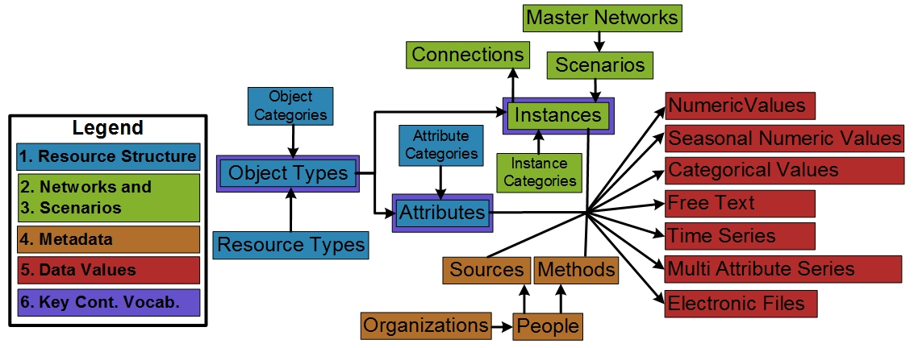

 | Figure: Conceptual diagram of the water management information model concepts and their relationships.

