Sheet2
渠道
default | 0
IOS0019;IOS0019_1 | 0
AND0117_HHW_16;AND0117_HHW_12;AND0117_HHW_20;AND0117_HHW_21;AND0117_HHW_22;AND0117_HHW_13;AND0117_HHW_11;AND0117_HHW_9;AND0117_HHW_15;AND0117_HHW_5;AND0117_HHW_10;AND0117_HHW_14;AND0117_HHW_17;AND0117_HHW_18;AND0117_HHW_19;AND0117;AND0117_HHW_25;AND0052;AND0058;AND0052_TF_2;AND0117_HHW_24 | #VALUE!
AND0147 | 0
AND0111 | 1
AND0026 | 0
IOS0019;IOS0019_1;AND0117_HHW_16;AND0117_HHW_12;AND0117_HHW_20;AND0117_HHW_21;AND0117_HHW_22;AND0117_HHW_13;AND0117_HHW_11;AND0117_HHW_9;AND0117_HHW_15;AND0117_HHW_5;AND0117_HHW_10;AND0117_HHW_14;AND0117_HHW_17;AND0117_HHW_18;AND0117_HHW_19;AND0117;AND0147;AND0117_HHW_25;AND0052;AND0058;AND0052_TF_2;AND0117_HHW_24 | #VALUE!

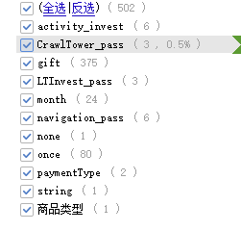

IF(OR(F7="month",F7="navigation_pass"),0,1 |  | once
 |  | activity_invest
 |  | navigation_pass
 |  | LTInvest_pass
 |  | CrawlTower_pass

