Sheet2
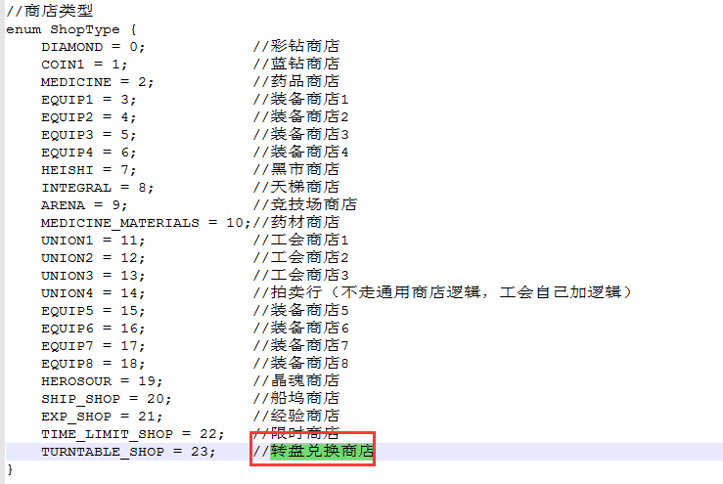

TURNTABLE_SHOP

