RL & AlphaGo
Reinforcement
Learning

MDP
{S, A, P, R, γ}
Value
V(s), Q(s,a)
Bellman Equation
Policy
P = $π$(a|s)

Richard Sutton
(University of Alberta)
Evaluation /
Control
Evaluation
(MDP/Observation + Policy -> Value)
Control
(MDP/Observation -> Value* + Policy*)
David Silver
(UCL, Deep Mind)

Planning /
Reinforcement Learning

Policy Evaluation
Policy iteration
Value iteration
Model-based
{S, A, P, R, γ}
-> Dynamic Planning

Sample-based planning
(e.g. MCTS)

Model-free
{S, A, γ}, can observe Transition and Reward
-> Reinforcement Learning
* Monte-Carlo(Q(s,a)) + ε-greedy
* TD(λ) (Q(s,a), SARSA, Q-learning) + ε-greedy (eligibility)
Monte-Carlo
TD(λ)

Exploitation vs. Exploration
Value function -> V(s), Q(s,a)
(DQN)

Function Approximation

Policy function -> P = π (a|s)
（Policy Gradient)

AlphaGo

Go problem settings
(Game Theory)
Minimax search
$$O(b^{d})$$
Alpha-Beta pruning
(Deep Blue, Chess, Kasparov)
$$O(b^{d/2})$$
Patrick Winston (MIT)

Core features
Training
(NN)
Play
(MCTS)
NN architecture &
Feature engineering

AlphaGo versions

SL Rollout policy NN
SL policy NN
RL policy NN (policy gradient)
RL value NN
Expand after threshold
Reduce Breadth -> SL Policy NN
Reduce Depth -> Value NN + Rollout policy NN
Common CNN w/o pooling
Handcrafted feature
AlphaGo Fan

Geoffrey Hinton (University of Toronto)
Yann Lecun (NYU)
Li Feifei (Stanford)
He Kaiming (Facebook)

AlphaGo Zero
One RL NN for both policy and value (policy iteration)
Always expand
Reduce Breadth / Reduce Depth -> same NN
Do not use Rollout to evaluate
ResNet
Raw position history

David Silver (Deep Mind)
Aja Huang (Deep Mind)
Demis Hassabis (Deep Mind)
Fan Hui (Deep Mind)

AlphaGo Master
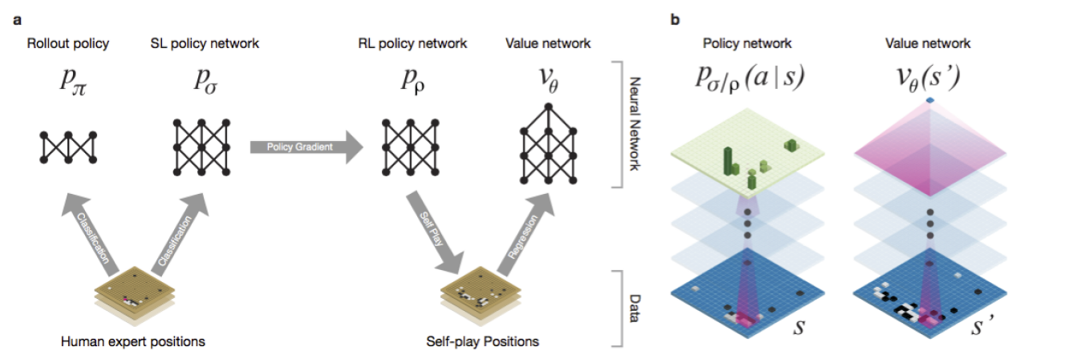

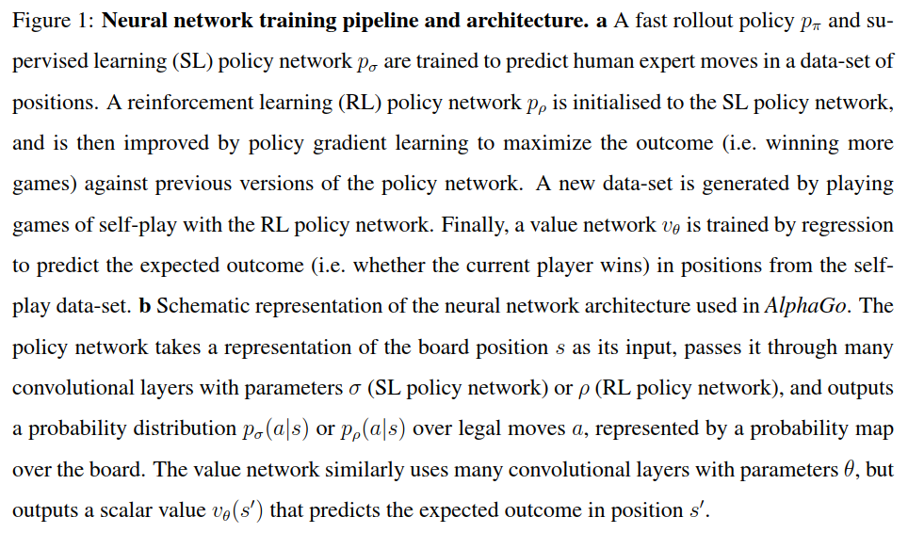

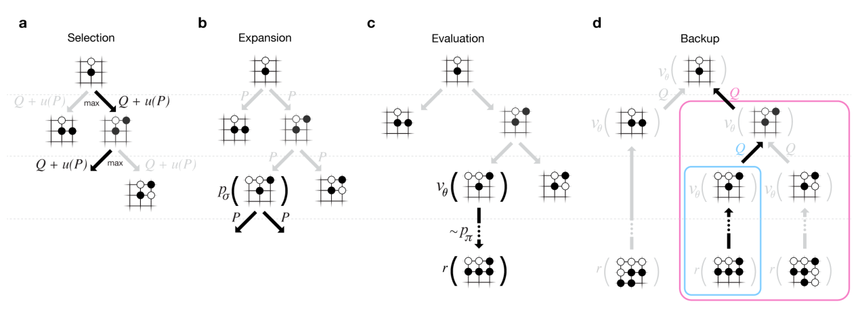

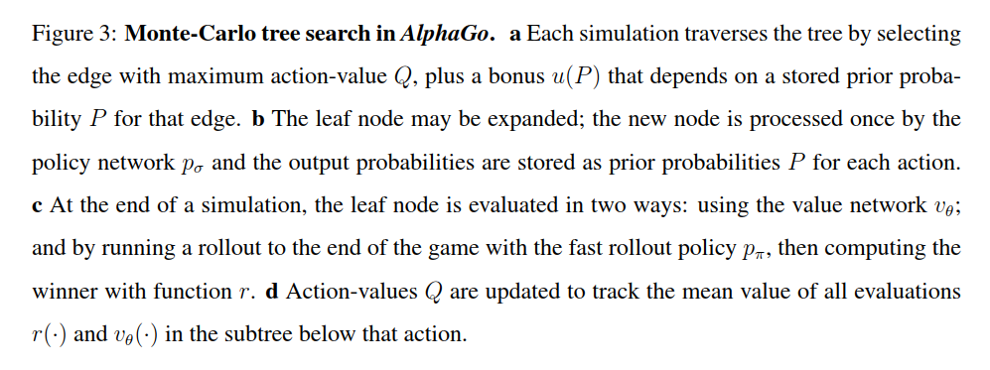

AlphaGo Zero
