Overall process
Single neuron
Architecture
Set up data and the loss
Learning
Pre-check of learning process
Learning
Babysitting the learning process
Learning
Parameter updates
Evaluation

Loss function
First-order(SGD), momentum

Biology analogy
Aritechture
(fully connected)
Data preprocessing
Gradient checking

Train/val accuracy
Annealing the learning rate
Model Ensembles

Single neuron as a linear classifier
feed-forward computation
Weight initialization
Sanity checks

Weights: Update ratio
Second-order method

Activation functions
Back Propagation
Regularization

Activation/Gradient distributions per layer
Per-parameter adaptive learning rates (Adagrad, RMSProp)
Representational power
Loss function

set number of layers and their sizes
Visualization
Hyperparameter optimization

SVM Softmax
CIFAR-10 data loading
SVM Classifier
(Compute loss and gradient)
Train and choose model
Stochastic Gradient Descent (SGD)
Test
(measure generalization error,
the error of the model)

load image data
(32 * 32 * 3 = 3072)
svm_loss_naive() (x_dev, y_dev, learning_rate=5e-6, reg=0)
(compute loss and gradient by nested loop,
sanity check)
svm = LinearSVM()
(self.W = None)

best_svm.predict(x_test)

split into train, validation, test sets, and a small dev set out of train set
SGD
svm.train()
(x_train, y_train, learning rate, regularization strength, num_iters)
loop over svm_loss_vectorized()

gradient check
(compare analytic gradient with numerical gradient)

Data preprocessing

reshape image data into rows

svm.predict(x_train)
svm. predict(x_val)
svm_loss_vectorized()
(x_dev, y_dev, learning_rate=5e-6, reg=0)
(compute loss and gradient in vectorized way)

subtract the mean image
Optimize Hyperparameter
learning_rates = [1e-7, 5e-5] regularization_strengths = [2.5e4, 5e4]
Run validation w/ various hyperparameters several times and choose the best svm model instance
(need some luck)

loss, gradient difference check
(naive vs. vectorized)
append bias dimension

Fully Connected Neural Networks
Backward Propagation - Step 2
dL0/dA = (C0 - 1) * W2[:,0] + C1 *W2[:, 1] + C2 * W2[:, 2]
dA/dW1[:0] = X (IF A >= 0), 0 (IF A < 0)
grads['W1'] = dot(X.T, dot(scores*, W2.T) * A*) + W1
Backward Propagation - Step 1
dL0/dW2[:,0] = A0 * (C0 - 1) + W2[:,0]
dL0/dW2[:,1] = A1 * C1 + W2[:,1]
scores[np.arange(0, scores.shape[0]), y] -= 1
grads['W2'] = dot(Activation.T, scores) + W2
 |  |  |  |  |  |  | grads['W1'] (D * H | 5 * 4) |  |  |  |  |  |  |  |  |  |  | grads['W2'] (H * C | 4 * 3)
 |  |  |  |  |  |  |  | H0 | H1 | H2 | H3 |  |  |  |  |  |  |  | C0 | C1 | C2
 |  |  |  |  |  |  | W1[0] |  |  |  |  |  |  |  |  |  |  | W2[0]
 |  |  |  |  |  |  | W1[1] |  |  |  |  |  |  |  |  |  |  | W2[1]
 |  |  |  |  |  |  | W1[2] |  |  |  |  |  |  |  |  |  |  | W2[2]
 |  |  |  |  |  |  | W1[3] |  |  |  |  |  |  |  |  |  |  | W2[3]
 |  |  |  |  |  |  | W1[4]
 |  |  |  |  |  |  |  |  |  |  |  |  |  |  |  |  |  |  |  |  |  |  |  |  |  | y (1 * N)
 |  |  |  |  |  |  |  |  |  |  |  |  |  |  |  |  |  |  |  |  |  |  |  |  |  |  | Class
 |  |  |  |  |  |  |  |  |  |  |  |  |  |  |  |  |  |  |  |  |  |  |  |  |  | y(1) | 0
 |  |  |  |  |  |  |  |  |  |  |  |  |  |  |  |  |  |  |  |  |  |  |  |  |  | y(2) | 1
 |  |  |  |  |  |  |  |  |  |  |  |  |  |  |  |  |  |  |  |  |  |  |  |  |  | …
 |  |  |  |  |  |  |  |  |  |  |  |  |  |  |  |  |  |  |  |  |  |  |  |  |  | y(N) | 0

Initialize Neural Networks - Step 2
Initialize W2 and b2 with small random numbers
Forward feed - Step 2
Output = Softmax(Activation * (W2+b2))
Input (N * D | N * 5) |  |  |  |  |  |  | W1 (D * H | 5 * 4) |  |  |  |  | Activation ( N * H | N * 4) |  |  |  |  |  | W2 (H * C | 4 * 3) |  |  |  | scores (N * C | N * 3) (Softmax scores)
 | X0 | X1 | X2 | X3 | X4 |  |  | H0 | H1 | H2 | H3 |  | A0 | A1 | A2 | A3 |  |  | C0 | C1 | C2 |  | C0 | C1 | C2
X(1) |  |  |  |  |  | 1 | W1[0] |  |  |  |  | X(1) |  |  |  |  | 1 | W2[0] |  |  |  | X(1)
X(2) |  |  |  |  |  | 1 | W1[1] |  |  |  |  | X(2) |  |  |  |  | 1 | W2[1] |  |  |  | X(2)
… |  |  |  |  |  | … | W1[2] |  |  |  |  | … |  |  |  |  | … | W2[2] |  |  |  | …
X(N) |  |  |  |  |  | 1 | W1[3] |  |  |  |  | X(N) |  |  |  |  | 1 | W2[3] |  |  |  | X(N)
 |  |  |  |  |  |  | W1[4]
Initialize Neural Networks - Step 1
Initialize W1 and b1 with small random numbers
Forward feed - Step 1
Activation = max(Input * (W1+b1), 0)
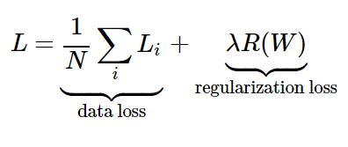
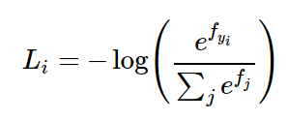
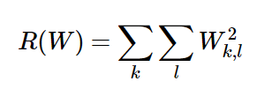
Compute Loss
Note: compute L2 regularization for all Weight elements in W1 and W2
 |  |  |  |  |  |  | b1 (1* H | 1 * 4) |  |  |  |  |  |  |  |  |  |  | b2 (1 * C | 1 * 3)
 |  |  |  |  |  |  |  | H0 | H1 | H2 | H3 |  |  |  |  |  |  |  | C0 | C1 | C2
 |  |  |  |  |  |  | b1 |  |  |  |  |  |  |  |  |  |  | b1

Input layer
(D=5)
Hidden layer
(H=4)
Output layer
(C=3)

 |  | i = 1,2,3,…,N
$$X_{0}^{(i)}$$
Max(ΣWX + b1, 0)
(Relu)
X0
W1[0,0]

A0
W2[0, 0]
W1[1,0]
$$X_{1}^{(i)}$$
ΣAW+b2
X1
S0

W2[1,0]
W1[2,0]
A1
$$X_{2}^{(i)}$$
Softmax
X2
C0

W1[3,0]
W2[2,0]
S1

$$X_{3}^{(i)}$$
A2
X3
LOSS = ΣLi
C1
W1[4,0]
W2[3,0]
S2
$$X_{4}^{(i)}$$
X4
A3

b1[0]
b2[0]

-1
C2
-1

Neural Networks
Motivation

Universal approximation theorem

Neuron
Linear Regression
(weight, bias)
Activation function
(non-linearity, Sigmoid, ReLU)

Neuron Network
(Fully Connected)

Forward pass
Weight initialization
(Batch Normalization)
Loss function
(SVM, Softmax)
Regularization
(L2, dropout)

Sanity check
Backward propagation
gradient

Early stopping

Gradient check

Train model
Update rule
(SGD, Momentum, Adam)
Learning rate decay
Overfitting
(Bias-Variance dilemma)
Hyperparameter tuning
(Learning rate, Regularization)

CNN
Motivation
Feature engineering

Image processing
Convolution
(Filter, Kernel)
Filter examples
(Gaussian, Sobel)

Convolutional
Neural Network

INPUT
(N, C, H, W)
Fourier transform*
(Frequency domain)

CONV
(F, C, FH, FW)
Zero padding

Spatial Batch Normalization

ReLU

POOLING
Max pool

Fully connected layer

LOSS

RNN
熟读唐诗三百首，不会作诗也会吟
1) Forward pass
- word embedding (vocabulary table, vocabulary weight matrix)
- compute activation step by step (so called Recurrent NN)
- all nodes on the same layer share the same weight and bias
- can be used for image captioning (CNN image features as h0)
- In image caption case, T is the longest caption in training samples
- In common time series case, T is a fixed number, e.g. T=25
2) Backward pass
- Update all weights and bias, including vocabulary weight matrix
3) Test (Sample)
- No need to do the recurrent computing as in the training phase
- Always sample the word with largest probablity as the input of the next step
Andrej Kapathy's blog
http://karpathy.github.io/2015/05/21/rnn-effectiveness/

My github
https://github.com/WangYuanMike/CS231n

我
爱
吴
彦
祖
<End>
 | Target word
 | (N, T)

3.9
0.1
-0.2
0.4
-0.8
3.5
-2.5
2.3
0.9
2.1
-1.0
0.2
0.3
0.2
0.5
-3.0
1.5
0.8
-1.5
0.3
0.3
0.4
-2.0
4.5
2.5
4.0
0.9
1.9
0.7
0.6
0.2
-1.8
-3.5
2.5
-1.3
0.9
......

 | Output layer
 | (N, T, V) | V = 9
 | affline + Softmax loss
 | out = x.reshape(N * T, H).dot(w).reshape(N, T, V) + b
 | x (N, T, H)
 | w (N, H, V)
 | b (V, )
 | out (N, T, V)

b
1.3
-2.0
3.0
3.0
1.0
2.5
1.8
2.8
3.9
2.3
-1.0
-2.0
......
 |  |  |  |  |  | Vocabulary of V words (V = 9)
 |  |  |  |  | W (H, V) | Word | Pinyin | Index
 | Hidden layer |  |  |  |  | 爱 | ai | 0
 | (N, T, H) | H = 3 |  |  |  | 的 | de | 1
 | RNN step forward: |  |  |  |  | 很 | hen | 2
 | next_h = np.tanh(np.dot(x, Wx) + np.dot(prev_h, Wh) + b) |  |  |  |  | 是 | shi | 3
 | X (N, D) |  |  |  |  | 我 | wo | 4
CNN image feature
(N, X)
 | prev_h (N, H) |  |  | Wh (H, H) |  | 吴 | wu | 5
h0
 | Wx (D, H) |  | W_proj (X, H) |  |  | 彦 | yan | 6
 | Wh (H, H) |  |  |  |  | 真 | zhen | 7
b_proj
 | b (H, ) |  |  |  | Wx (D, H) | 祖 | zu | 8
b
0.457 0.486 0.514 0.543
0.571 0.600 0.629 0.657
......
0.000 0.029 0.057 0.086
0.686 0.714 0.743 0.771

 | Word embedding layer |  |  |  |  | Vocabulary weight matrix (V = 9, D = 4)
 | (N, T, D) | D = 4 |  |  |  |  |  |  | D0 | D1 | D2 | D3
 | out = W[x,:] |  |  |  |  | 爱 | ai | 0 | 0.000 | 0.029 | 0.057 | 0.086
 | X (N, T) |  |  |  |  | 的 | de | 1 | 0.114 | 0.143 | 0.171 | 0.200
 | W (V, D) |  |  |  |  | 很 | hen | 2 | 0.229 | 0.257 | 0.286 | 0.314
 | out (N, T, D) |  |  |  |  | 是 | shi | 3 | 0.343 | 0.371 | 0.400 | 0.429
 |  |  |  |  |  | 我 | wo | 4 | 0.457 | 0.486 | 0.514 | 0.543
<Start>
我
爱
吴
......
 |  |  |  |  |  | 吴 | wu | 5 | 0.571 | 0.600 | 0.629 | 0.657
 | Input word |  |  |  |  | 彦 | yan | 6 | 0.686 | 0.714 | 0.743 | 0.771
 | (N, T) | T = 13 |  |  |  | 真 | zhen | 7 | 0.800 | 0.829 | 0.857 | 0.886
 |  |  |  |  |  | 祖 | zu | 8 | 0.914 | 0.943 | 0.971 | 1.000

<START>我爱吴彦祖<END><NULL><NULL><NULL><NULL><NULL><NULL>
 |  |  |  |  |  | W = np.linspace(0, 1, num=V*D).reshape(V, D)

<START>我是真的真的很爱吴彦祖<END>

。。。 (这是为了照顾女性观众，吴彦祖，别误会) 。。。

LSTM
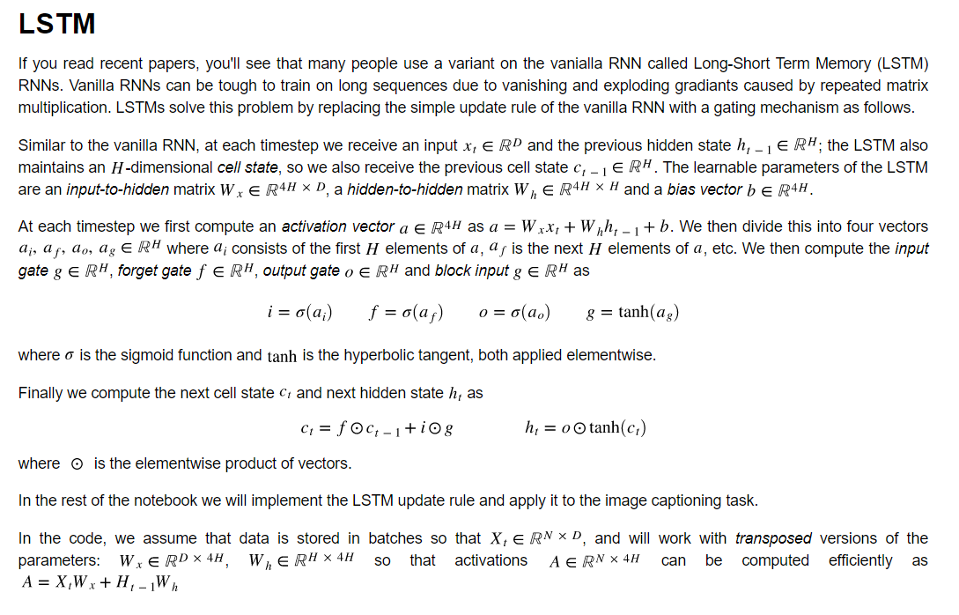
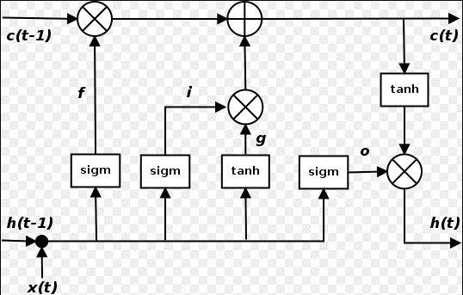
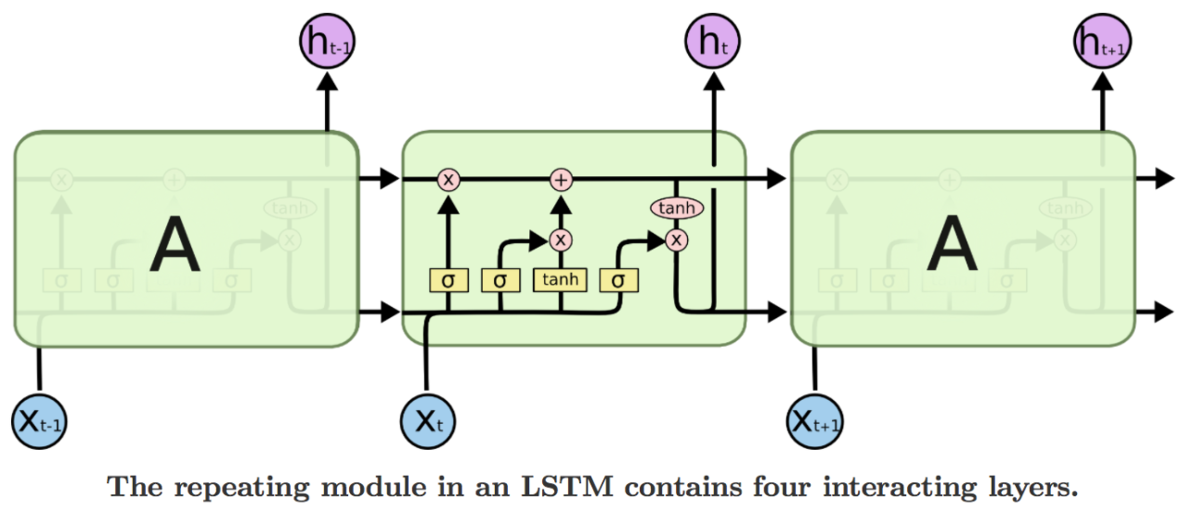
Challenge of long term dependency (Ian Goodfellow's deep learning text book)
http://www.deeplearningbook.org/contents/rnn.html

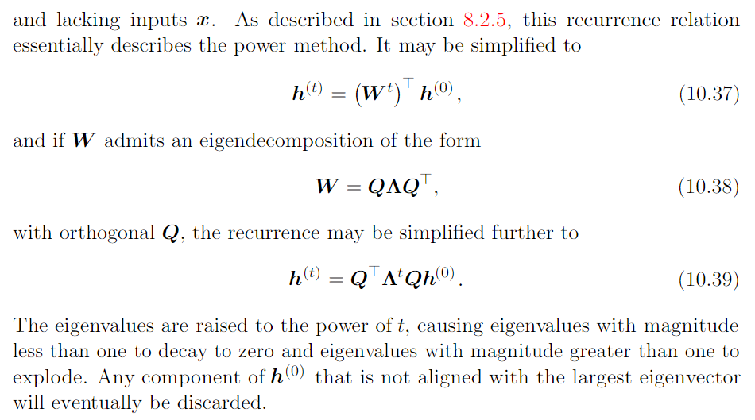

十年生死两茫茫，不思量，自难忘
1) Cell
- only have simple linear addition, therefore not easy to lose long term info
2) Gates
- f (forget gate): control whether to forget previous cell state
- i (input gate): control whether to input previous h state to next cell state
- g (input): control how much we would like to input previous h state into next cell state
- o (output gate): control whether to use previous h state in the output for next h state
3) Get good empirical result. Did not see solid mathematics support.
4) Check Andrej's blog to gain more intuition and explanation of LSTM

Colah's blog
http://colah.github.io/posts/2015-08-Understanding-LSTMs/

GAN
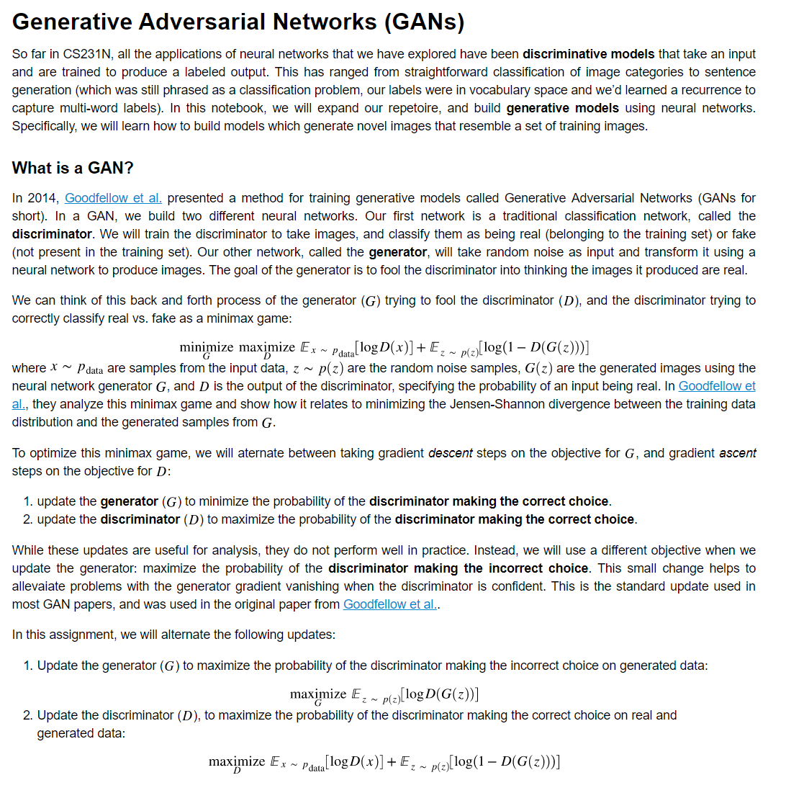
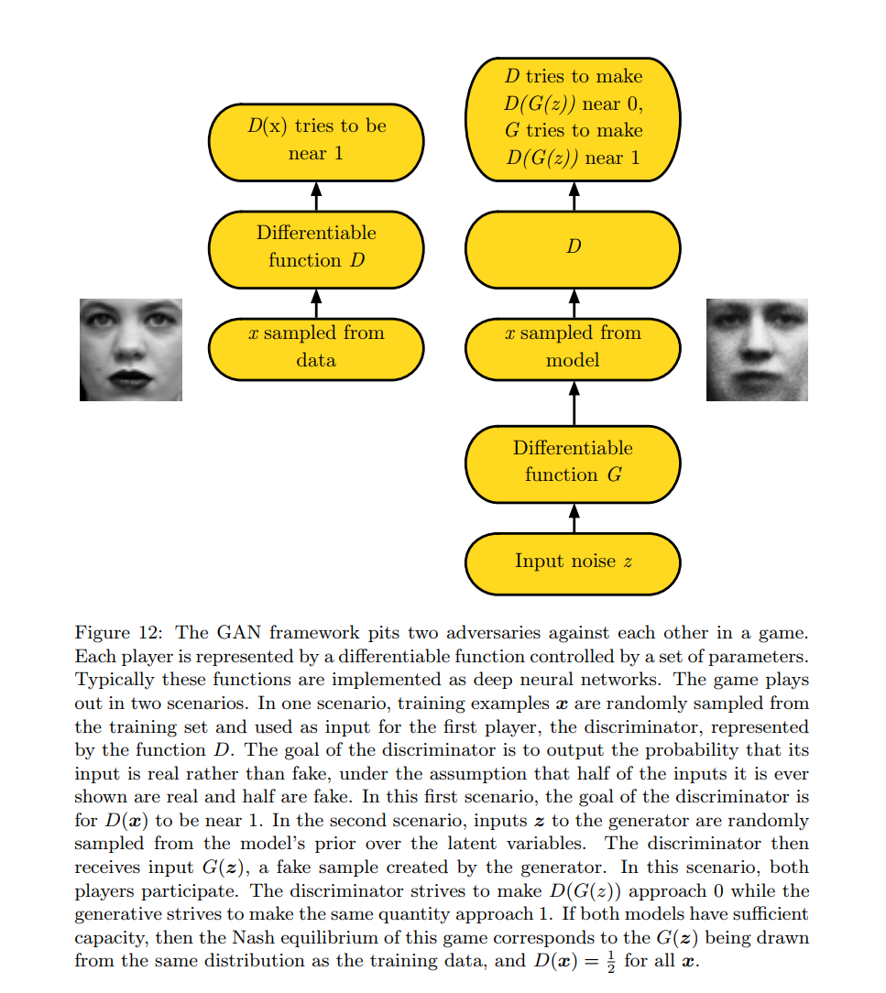
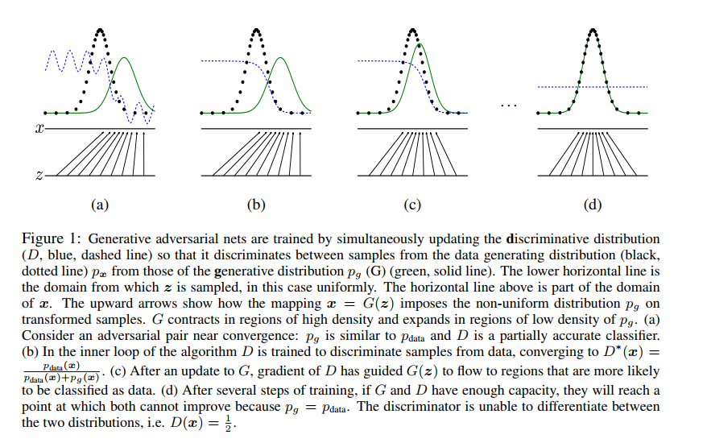
Ian's GAN paper
https://arxiv.org/pdf/1406.2661.pdf
https://arxiv.org/pdf/1701.00160.pdf

