RL & AlphaGo
Glance at AlphaGo Master and AlphaGo Zero

Reinforcement
Learning

MDP
{S, A, P, R, γ}
Value
V(s), Q(s,a)
Bellman Equation
Policy
P = $π$(a|s)

Richard Sutton
(University of Alberta)
Evaluation /
Control
Evaluation
(MDP/Observation + Policy -> Value)
Control
(MDP/Observation -> Value* + Policy*)
David Silver
(Deep Mind, UCL)

Planning /
Reinforcement Learning

Policy Evaluation
Policy iteration
Value iteration
Model-based
{S, A, P, R, γ}
-> Dynamic Planning

Sample-based planning
(e.g. MCTS)

Model-free
{S, A, γ}, can observe State transition and Reward
-> Reinforcement Learning
V(s)
Monte-Carlo(Q(s,a)) + ε-greedy
TD(λ) + ε-greedy (eligibility)
Q(s, a)
SARSA, Q-learning
Monte-Carlo
TD(λ)

Exploitation vs. Exploration
Value function -> V(s), Q(s,a)
(Linear function, NN, DQN)

Function Approximation

Policy function -> P = π (a|s)
(Linear function, NN)

AlphaGo

Go problem settings
(Game Theory)
Minimax search
$$O(b^{d})$$
Alpha-Beta pruning
(Deep Blue, Chess, Kasparov)
$$O(b^{d/2})$$
Patrick Winston (MIT)

Core features
Training pipeline
Play
(MCTS)
NN architecture &
Feature engineering

AlphaGo versions

SL Rollout policy NN
SL policy NN
RL policy NN (policy gradient)
RL value NN
Expand after threshold
Reduce Breath -> SL Policy NN
Reduce Depth -> Value NN + Rollout policy NN
Common CNN w/o pooling
Handcrafted feature
AlphaGo Master

AlphaGo Zero
One RL NN for both policy and value (policy iteration)
Always expand
Reduce Breath / Reduce Depth -> same NN
ResNet
Raw position history
Geoffrey Hinton
(University of Toronto)
Yann Lecun (NYU)
Li Feifei (Stanford)
He Kaiming (Facebook)

David Silver
(Deep Mind, UCL)

AlphaGo Master
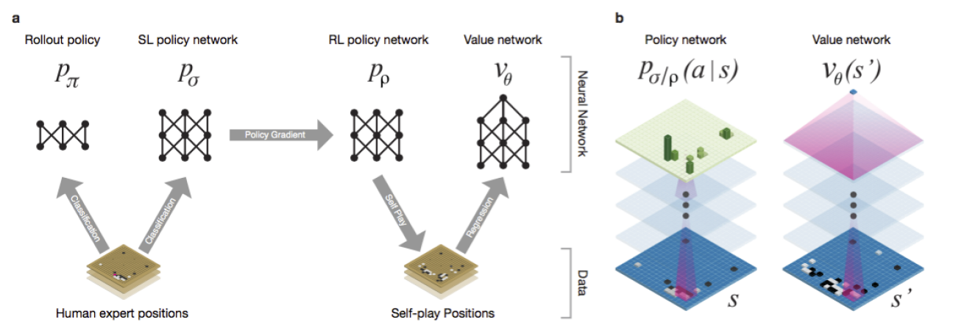

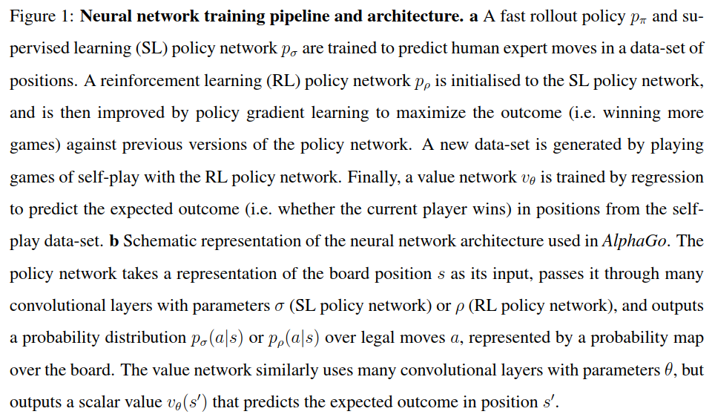

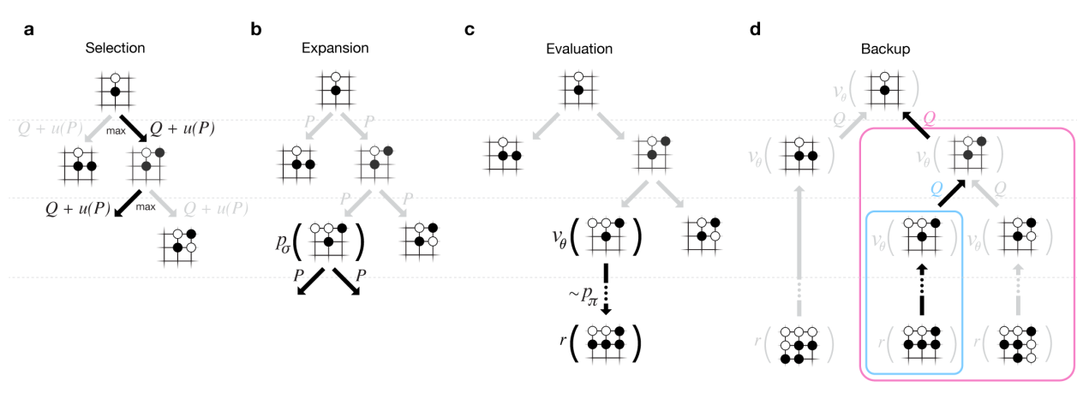

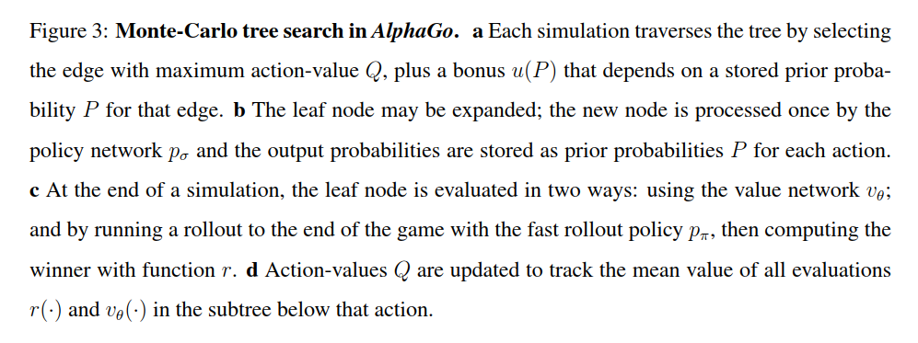

AlphaGo Zero
