project
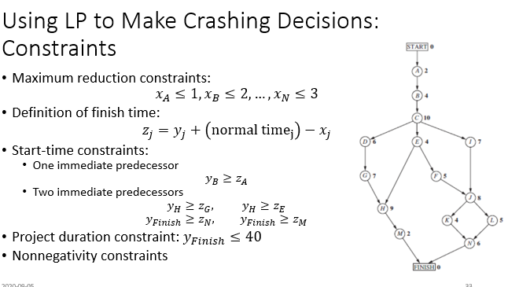
 |  |  |  |  | Maximum | Crash Cost
 | Time |  | Cost |  | Time | per week | Start | Time | Finish
Activity | Normal | Crash | Normal | Crash | Reduction | saved | Time | Reduction | Time
A | 2 | 1 | $180,000 | $280,000 | 1 | $100,000 | 0 | 0 | 2
B | 4 | 2 | $320,000 | $420,000 | 2 | $50,000 | 2 | 0 | 6
C | 10 | 7 | $620,000 | $860,000 | 3 | $80,000 | 6 | 0 | 16
D | 6 | 4 | $260,000 | $340,000 | 2 | $40,000 | 16 | 0 | 22
E | 4 | 3 | $410,000 | $570,000 | 1 | $160,000 | 16 | 0 | 20
F | 5 | 3 | $180,000 | $260,000 | 2 | $40,000 | 20 | 2 | 23
G | 7 | 4 | $900,000 | $1,020,000 | 3 | $40,000 | 22 | 0 | 29
H | 9 | 6 | $200,000 | $380,000 | 3 | $60,000 | 29 | 0 | 38
I | 7 | 5 | $210,000 | $270,000 | 2 | $30,000 | 16 | 0 | 23
J | 8 | 6 | $430,000 | $490,000 | 2 | $30,000 | 23 | 2 | 29
K | 4 | 3 | $160,000 | $200,000 | 1 | $40,000 | 30 | 0 | 34
L | 5 | 3 | $250,000 | $350,000 | 2 | $50,000 | 29 | 0 | 34
M | 2 | 1 | $100,000 | $200,000 | 1 | $100,000 | 38 | 0 | 40
N | 6 | 3 | $330,000 | $510,000 | 3 | $60,000 | 34 | 0 | 40

 |  |  |  |  |  |  |  |  | Max Time
 |  |  |  |  |  | Project Finish Time | 40 | <= | 40

 |  |  |  |  |  | Total cost | $4,690,000

