Horizons Dashboard
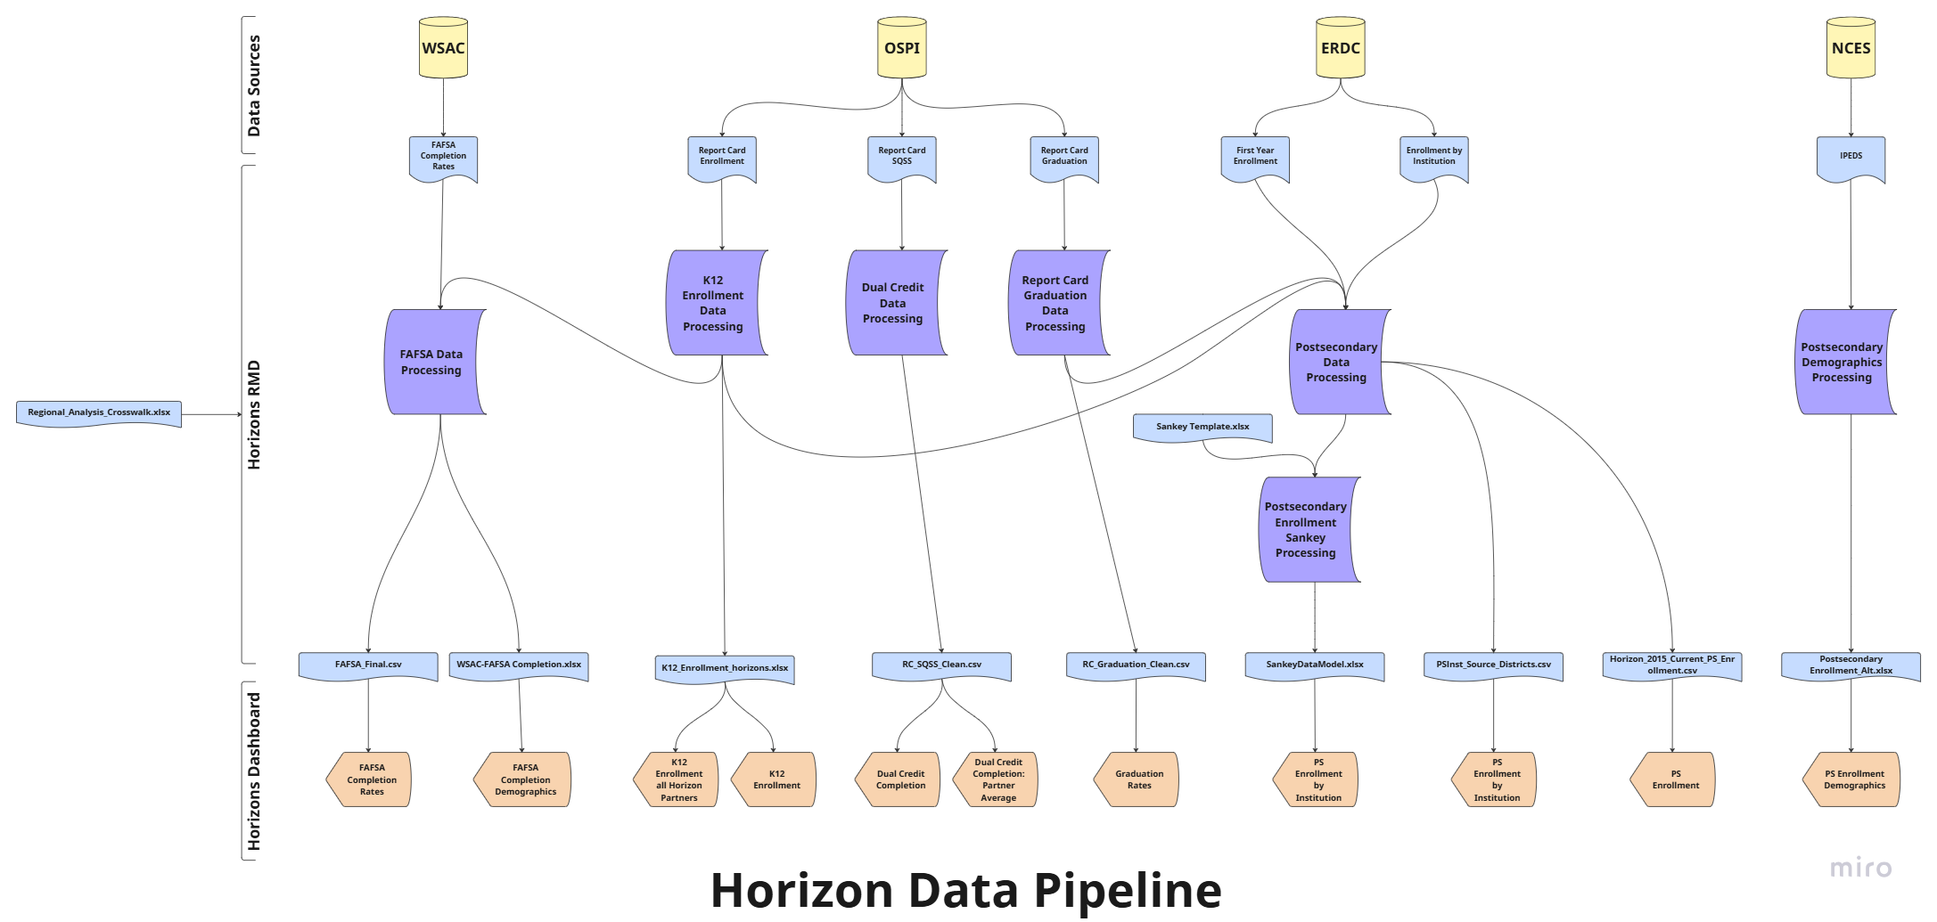
Link to download raw data | Data Last Upated (at time of export) | Avail updates? | Raw data source notes | Hand cleaning instructions | Input into data processing | Data processing overview | Data processing output/Viz source | Dashboard Workbooks
https://washingtonstem.box.com/s/yc2zq6zfdb5xtwaivbkrn7zjddyhlhhr | 2025-05-13 |  |  | Manually update as needed via adhoc requests. | /Horizons/1.Data/Cleaned_Data/Regional_Analysis_Crosswalk.xlsx sheets="School District Names","Horizon","PS_Region". | Used throughout script to aggregate and filter to only HRP.
https://data.wa.gov/education/Report-Card-Enrollment-from-2014-15-to-Current-Yea/rxjk-6ieq/about_data | 2025-06-18 |  |  |  | /Horizons/1.Data/Raw_Data/YYYY_Exports/RC_Enrollment.csv | K12 ENROLLMENT DATA PROCESSING: Crosswalks to Horizons partners. Filters to relevant aggregation. Cleans column names as needed. Splits out 12th graders to be used in FAFSA DATA PROCESSING: Multiplies WSAC FAFSA completion rate by OSPI enrollment of 12th graders to estimate number of FAFSA completers. Additional Notes: ERDC counts all graduates in a given year, this can include any students that took 4,5,6,7 years to graduate high school, but only looks at the year they graduated. OSPI uses a 9th grade cohort, then provides an updated total number of graduates for that cohort each subsequent year. We typically use the 5-year graduating cohort from OSPI to better reflect the ERDC graduate count, due to ERDC’s 1.5 year delay in reporting on a given graduating class. | /Horizons/1.Data/Dashboard_Files/K12_Enrollment_horizons.xlsx | K12 Enrollment, K12 Enrollment all Horizon Partners
https://wsac.wa.gov/sap-dashboard | 2025-07-07 |  | WASTEM receives custom data file of HRP (excluding Insight) from WSAC |  | /Horizons/1.Data/Raw_Data/YYYY_Exports/FAFSA Completion by Subgroup Report for Horizons Partnerships.xlsx sheet = "FAFSA Completion by Subgroup Re" |  | /Horizons/1.Data/Dashboard_Files/FAFSA_Final.csv | FAFSA Completion Rates
consolidated prior years internal file | 2025-07-23 |  |  |  | /Horizons/1.Data/Cleaned_Data/FAFSA10yrs.csv |  | /Horizons/1.Data/Dashboard_Files/WSAC-FAFSA Completion.xlsx | FAFSA Completion Demographics
https://data.wa.gov/browse?q=report+card+graduation&sortBy=relevance&pageSize=20&page=1 | 5/5/2025 |  |  |  | /Horizons/1.Data/Raw_Data/YYYY_Exports/RC_Graduation.csv | REPORT CARD GRADUATION DATA PROCESSING: We've consolidated the 2014-15 to 2021-22 graduation file with the 2022-23 and 2023-24 files. In that consolidated file, we create CohortYearTTL based on the start of the SchoolYear to align to five year cohort. We use the midpoint for any suppressed graduation rates. POSTSECONDARY DATA PROCESSING: To get the OSPI-reported number of high school graduates related to the 2022-23 (for example) postsec enrollment rate we would need to use the 2023-24 OSPI graduation file. In the 2023-24 file the 5 year cohort graduation rate reflects students from the class of 2022-23 that required an extra year to complete, in addition to the on-time graduates from 2022-23. We use the total enrolled 12th graders from the K12 Enrollment Data Processing step to replace any suppressed number of graduates. We multiply the % of graduates (from the first year enrollment file) by the graduation rate (from the graduation file) to calculate the cohort enrollment rate. We then multiply that cohort enrollment rate by the % of PS enrollment students attending institution (from the enrollment by institution file, using the midpoint of suppressed rates). and the final cohort (from the report card graduation consolidated file) to calculate the number of enrollees. The values in the table on the PS Enrollment tab display the cohort enrollment rate which considers non-HS graduations. The black text on the PS Enrollment by Institution tab dashboard displays the Sum([Enrollees])/Max([Final Cohort]). | /Horizons/1.Data/Dashboard_Files/RC_Graduation_Clean.csv | Graduation Rates
https://data.wa.gov/education/High-School-Graduate-Outcomes-First-Year-Enrollmen/7ma7-qs6m/about_data | 2/12/2025 |  |  |  | /Horizons/1.Data/Raw_Data/YYYY_Exports/First_Year_Enrollment.csv |  | /Horizons/1.Data/Dashboard_Files/PSInst_Source_Districts.csv | PS Enrollment by Institution
https://data.wa.gov/education/High-School-Graduate-Outcomes-Enrollment-by-Instit/tsxw-5hpt/about_data | 2/12/2025 |  |  |  | /Horizons/1.Data/Raw_Data/YYYY_Exports/Enrollment_by_Institution.csv |  | /Horizons/1.Data/Dashboard_Files/Horizon_2015_Current_PS_Enrollment.csv | PS Enrollment
 | 2024-05-07 |  |  |  | /Horizons/1.Data/Cleaned_Data/Sankey Template.xlsx | POSTSECONDARY ENROLLMENT SANKEY PROCESSING: Uses created enrollee count from above process and calculates the number of students not enrolled. Fromats data to align to sankey graphic. | /Horizons/1.Data/Dashboard_Files/SankeyDataModel.xlsx | PS Enrollment by Institution Graphic
https://data.wa.gov/browse?q=Report+Card+SQSS&sortBy=relevance&pageSize=20 | 5/5/2025 |  |  |  | /Horizons/1.Data/Raw_Data/YYYY_Exports/RC_SQSS.csv | DUAL CREDIT DATA PROCESSING: Crosswalks to Horizons partners. Filters to relevanted aggregation. Cleans column names as needed & joins newest data with prior iteration. | /Horizons/1.Data/Dashboard_Files/RC_SQSS_Clean.csv | Dual Credit Completion, Dual Credit Completion: Partner Average
https://nces.ed.gov/ipeds/datacenter/CDS.aspx?sid=30ef727a-63d8-40ce-a1f1-e7dad2233c1e&rtid=5 | fall 2023 (NO UPDATE FOR MAY 2025) | Cycle: https://nces.ed.gov/ipeds/datacenter/InstitutionByName.aspx?goToReportId=5&sid=30ef727a-63d8-40ce-a1f1-e7dad2233c1e&rtid=5 | Select year. Fall Enrollment > Race/ethnicity, gender, attendance status, and level of student: Fall 20XX. (undergrad total of all students- select based off prev. file columns)) |  | /Horizons/1.Data/Cleaned_Data/2023_IPEDS_long.csv | POSTSECONDARY DEMOGRAPHICS DATA PROCESSING: Crosswalks IPEDS student demogrpaphic data to institutions apart of each Horizon partnership. | /Horizons/1.Data/Dashboard_Files/Postsecondary Enrollment_Alt.xlsx | PS Enrollment Demographics

