AnotherExample
Another example: | source: | https://www.researchgate.net/publication/314563199 | Process time | Drilling | Milling | Grinding | Sequence of operation for each component
 |  |  | C1 | 1 |  | 1 |  | End | <= | Start
Consider a small ﬁrm that produces a speciﬁc equipment with three equally important components. |  |  | C2 |  | 1 | 1 |  | 2 | <= | 3
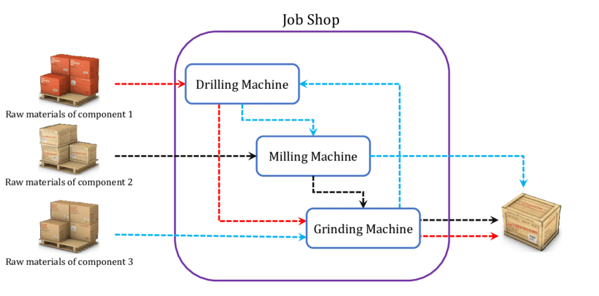
 |  |  | C3 | 1 | 1 | 2 |  | 4 | <= | 4
 |  |  |  |  |  |  |  | 1 | <= | 2
 |  |  | Start time | Drilling | Milling | Grinding |  | 3 | <= | 4
 |  |  | C1 | 1 |  | 3 |  | 2 | <= | 2
 |  |  | C2 |  | 0 | 2 |  | 3 | <= | 3
 |  |  | C3 | 2 | 3 | 0 |  | 4 | <= | 4

 |  |  | End time | Drilling | Milling | Grinding | Components order for each machine
 |  |  | C1 | 2 |  | 4 |  | Start | >= | End - M * y | End | M | 500 | Sum of y pairs
 |  |  | C2 |  | 1 | 3 |  | 1 | >= | -497 | 3 | y1 | 1 | 1
 |  |  | C3 | 3 | 4 | 2 |  | 2 | >= | 2 | 2 | y2 | 0 | 1
 |  |  |  |  |  |  |  | 0 | >= | -496 | 4 | y3 | 1 | 1
 |  |  | Total time: | 4 |  |  |  | 3 | >= | 1 | 1 | y4 | 0 | 1
Given the sequence of operations required for each component and processing times for each operation. |  |  |  |  |  |  |  | 3 | >= | 3 | 3 | y5 | 0 | 1
Minimize the overall time to complete all 3 components. |  |  |  |  |  |  |  | 2 | >= | -496 | 4 | y6 | 1 | 1
 |  |  |  |  |  |  |  | 2 | >= | 2 | 2 | y7 | 0 | 1
 |  |  |  |  |  |  |  | 0 | >= | -497 | 3 | y8 | 1 | 1
 |  |  |  |  |  |  |  | 3 | >= | 2 | 2 | y9 | 0 | 1
 |  |  |  |  |  |  |  | 0 | >= | -496 | 4 | y10 | 1 | 1

