Normal Percentiles
% | HCp | Standard Error | Coefficient of Variance | Lower 95% CI | Upper 95% CI
1 | 8.1414 | 5.1477 | 0.6323 | 3.227 | 22.7803
2 | 11.0167 | 6.178 | 0.5608 | 4.6477 | 28.4341
3 | 13.3473 | 6.9355 | 0.5196 | 5.7775 | 32.7121
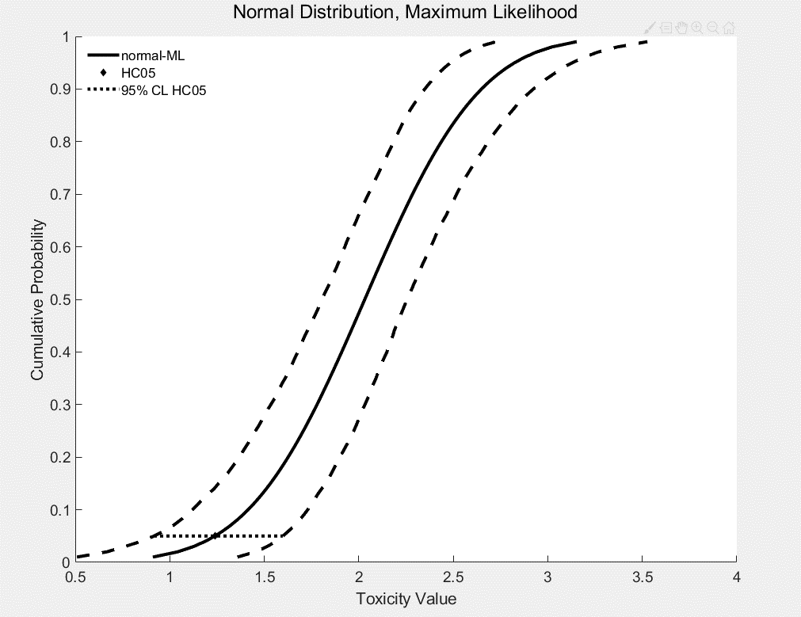
4 | 15.4201 | 7.5671 | 0.4907 | 7.0635 | 36.5052
5 | 17.3414 | 8.1251 | 0.4685 | 8.245 | 39.6661
6 | 19.1642 | 8.6346 | 0.4506 | 9.3434 | 42.6457
7 | 20.9194 | 9.1102 | 0.4355 | 10.4262 | 45.7582
8 | 22.627 | 9.5611 | 0.4226 | 11.3516 | 48.4518
9 | 24.3007 | 9.9933 | 0.4112 | 12.2975 | 51.1052
10 | 25.9506 | 10.4116 | 0.4012 | 13.1725 | 53.6414
11 | 27.5843 | 10.8191 | 0.3922 | 14.0415 | 56.0826
12 | 29.2077 | 11.2187 | 0.3841 | 14.9075 | 58.4793
13 | 30.8258 | 11.6122 | 0.3767 | 15.9769 | 60.7707
14 | 32.4425 | 12.0016 | 0.3699 | 17.1781 | 63.684
15 | 34.0613 | 12.3881 | 0.3637 | 18.098 | 66.5244
16 | 35.6852 | 12.7732 | 0.3579 | 19.2354 | 69.4616
17 | 37.3167 | 13.1579 | 0.3526 | 20.2984 | 71.862
18 | 38.9583 | 13.5432 | 0.3476 | 21.2626 | 74.2519
19 | 40.612 | 13.9299 | 0.343 | 22.3056 | 76.6353
20 | 42.2799 | 14.319 | 0.3387 | 23.2234 | 79.261
21 | 43.9639 | 14.7111 | 0.3346 | 24.2719 | 82.353
22 | 45.6656 | 15.107 | 0.3308 | 25.272 | 85.2539
23 | 47.3868 | 15.5073 | 0.3272 | 26.3525 | 88.3169
24 | 49.1292 | 15.9128 | 0.3239 | 27.3883 | 91.4811
25 | 50.8943 | 16.3242 | 0.3207 | 28.4092 | 94.0652
26 | 52.6837 | 16.7419 | 0.3178 | 29.5897 | 96.7997
27 | 54.4991 | 17.1667 | 0.315 | 30.6551 | 99.2848
28 | 56.3419 | 17.5993 | 0.3124 | 31.7383 | 101.7055
29 | 58.2137 | 18.0402 | 0.3099 | 32.9234 | 104.5879
30 | 60.1162 | 18.4901 | 0.3076 | 34.2598 | 107.7553
31 | 62.051 | 18.9497 | 0.3054 | 35.6292 | 110.9775
32 | 64.0198 | 19.4196 | 0.3033 | 36.8929 | 113.771
33 | 66.0242 | 19.9006 | 0.3014 | 38.1082 | 116.0288
34 | 68.066 | 20.3934 | 0.2996 | 39.2597 | 119.7783
35 | 70.1471 | 20.8986 | 0.2979 | 40.7752 | 123.3233
36 | 72.2692 | 21.4171 | 0.2964 | 42.2427 | 126.0567
37 | 74.4344 | 21.9496 | 0.2949 | 43.5066 | 128.8237
38 | 76.6446 | 22.4971 | 0.2935 | 44.7968 | 132.6759
39 | 78.902 | 23.0604 | 0.2923 | 46.1145 | 136.7318
40 | 81.2088 | 23.6403 | 0.2911 | 47.5235 | 140.881
41 | 83.5672 | 24.2379 | 0.29 | 48.8375 | 143.4061
42 | 85.9798 | 24.8541 | 0.2891 | 50.2456 | 146.1831
43 | 88.4491 | 25.4901 | 0.2882 | 51.7337 | 151.2471
44 | 90.9778 | 26.147 | 0.2874 | 53.4153 | 153.8282
45 | 93.5686 | 26.8259 | 0.2867 | 54.7511 | 157.9391
46 | 96.2247 | 27.5282 | 0.2861 | 56.8223 | 162.1463
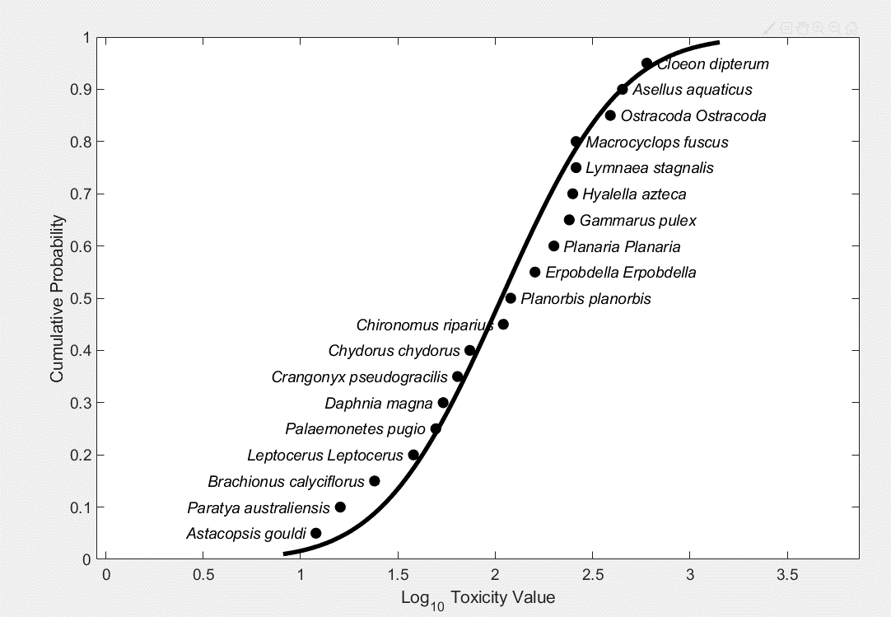
47 | 98.9491 | 28.2552 | 0.2856 | 58.6664 | 166.4544
48 | 101.7454 | 29.0083 | 0.2851 | 60.502 | 170.8686
49 | 104.617 | 29.789 | 0.2847 | 62.1637 | 175.3941
50 | 107.5677 | 30.5991 | 0.2845 | 63.87 | 180.0364
51 | 110.6017 | 31.4402 | 0.2843 | 65.6971 | 184.9669
52 | 113.7232 | 32.3143 | 0.2841 | 67.8365 | 191.0312
53 | 116.937 | 33.2234 | 0.2841 | 70.0483 | 195.925
54 | 120.2479 | 34.1696 | 0.2842 | 71.7261 | 202.1522
55 | 123.6613 | 35.1553 | 0.2843 | 73.8606 | 208.0549
56 | 127.1829 | 36.183 | 0.2845 | 76.0788 | 213.4426
57 | 130.8189 | 37.2554 | 0.2848 | 78.1215 | 219.5504
58 | 134.5759 | 38.3756 | 0.2852 | 80.2285 | 226.421
59 | 138.4611 | 39.5467 | 0.2856 | 82.1997 | 233.5438
60 | 142.4823 | 40.7722 | 0.2862 | 84.3954 | 240.4538
61 | 146.6479 | 42.056 | 0.2868 | 86.4154 | 247.6482
62 | 150.9671 | 43.4023 | 0.2875 | 88.8385 | 254.4353
63 | 155.4499 | 44.8155 | 0.2883 | 91.5273 | 260.8914
64 | 160.1071 | 46.3008 | 0.2892 | 94.4535 | 269.9126
65 | 164.9508 | 47.8636 | 0.2902 | 97.1422 | 279.7544
66 | 169.9939 | 49.5102 | 0.2912 | 99.7213 | 290.0637
67 | 175.251 | 51.2471 | 0.2924 | 102.7224 | 298.9627
68 | 180.738 | 53.0821 | 0.2937 | 105.8521 | 308.5334
69 | 186.4725 | 55.0233 | 0.2951 | 109.0109 | 319.2493
70 | 192.474 | 57.0802 | 0.2966 | 112.3627 | 329.1028
71 | 198.7644 | 59.2632 | 0.2982 | 115.9834 | 339.8849
72 | 205.368 | 61.5842 | 0.2999 | 119.3632 | 352.3761
73 | 212.3122 | 64.0565 | 0.3017 | 123.1531 | 363.8648
74 | 219.6279 | 66.6952 | 0.3037 | 127.1377 | 378.9803
75 | 227.3499 | 69.5177 | 0.3058 | 131.1325 | 394.2524
76 | 235.5181 | 72.5437 | 0.308 | 134.8186 | 409.9233
77 | 244.1778 | 75.7962 | 0.3104 | 139.7648 | 426.5993
78 | 253.3814 | 79.3014 | 0.313 | 143.8528 | 447.691
79 | 263.1891 | 83.0905 | 0.3157 | 148.6058 | 464.8344
80 | 273.6715 | 87.1995 | 0.3186 | 153.474 | 484.3996
81 | 284.911 | 91.6715 | 0.3218 | 158.4588 | 506.6759
82 | 297.0053 | 96.5576 | 0.3251 | 162.8077 | 530.9838
83 | 310.0706 | 101.9196 | 0.3287 | 167.9508 | 558.4148
84 | 324.2472 | 107.8325 | 0.3326 | 173.3009 | 583.4937
85 | 339.7056 | 114.3887 | 0.3367 | 179.7571 | 617.0543
86 | 356.6562 | 121.7032 | 0.3412 | 186.9414 | 652.0282
87 | 375.3619 | 129.9216 | 0.3461 | 194.9087 | 686.7069
88 | 396.1564 | 139.231 | 0.3515 | 203.3507 | 732.3204
89 | 419.4717 | 149.8769 | 0.3573 | 212.6826 | 780.2518
90 | 445.8785 | 162.1878 | 0.3637 | 223.4431 | 838.846
91 | 476.1509 | 176.6166 | 0.3709 | 235.1644 | 908.2482
92 | 511.3714 | 193.8066 | 0.379 | 248.8708 | 990.1668
93 | 553.1127 | 214.7094 | 0.3882 | 264.563 | 1.09E+03
94 | 603.7714 | 240.804 | 0.3988 | 282.9185 | 1.18E+03
95 | 667.2352 | 274.5434 | 0.4115 | 305.4126 | 1.35E+03
96 | 750.3707 | 320.3729 | 0.427 | 332.3861 | 1.55E+03
97 | 866.9023 | 387.4535 | 0.4469 | 371.5185 | 1.83E+03
98 | 1.05E+03 | 499.0095 | 0.4751 | 426.0099 | 2.34E+03

Logistic Percentiles
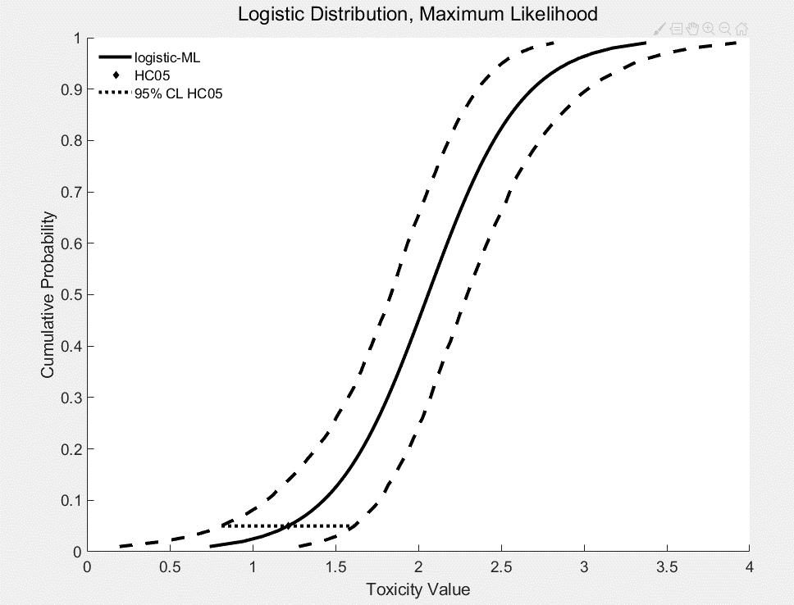
% | HCp | Standard Error | Coefficient of Variance | Lower 95% CI | Upper 95% CI
1 | 5.5037 | 4.5643 | 0.8293 | 1.5695 | 18.9819
2 | 8.7565 | 5.9751 | 0.6824 | 2.8909 | 26.0519
3 | 11.5223 | 6.9946 | 0.607 | 4.2037 | 31.9357
4 | 14.0283 | 7.8257 | 0.5579 | 5.3785 | 36.7225
5 | 16.3679 | 8.5437 | 0.522 | 6.4491 | 41.1466
6 | 18.5913 | 9.1857 | 0.4941 | 7.4821 | 44.2204
7 | 20.7291 | 9.7735 | 0.4715 | 8.8225 | 48.0421
8 | 22.8019 | 10.3209 | 0.4526 | 9.8706 | 51.3679
9 | 24.8244 | 10.8373 | 0.4366 | 11.1098 | 55.1128
10 | 26.8077 | 11.3298 | 0.4226 | 12.1175 | 58.4352
11 | 28.7604 | 11.8033 | 0.4104 | 13.268 | 61.5397
12 | 30.6892 | 12.2619 | 0.3996 | 14.121 | 63.5671
13 | 32.5998 | 12.7088 | 0.3898 | 15.3175 | 65.8547
14 | 34.497 | 13.1467 | 0.3811 | 16.5299 | 69.1418
15 | 36.3847 | 13.5777 | 0.3732 | 17.7594 | 72.5207
16 | 38.2665 | 14.0037 | 0.366 | 19.0073 | 75.0422
17 | 40.1456 | 14.4263 | 0.3593 | 20.2319 | 77.9905
18 | 42.0246 | 14.847 | 0.3533 | 21.385 | 81.1826
19 | 43.9062 | 15.267 | 0.3477 | 22.7576 | 84.3976
20 | 45.7928 | 15.6875 | 0.3426 | 23.8712 | 87.6053
21 | 47.6864 | 16.1096 | 0.3378 | 25.2732 | 90.5324
22 | 49.5892 | 16.5344 | 0.3334 | 26.947 | 93.2301
23 | 51.5032 | 16.9627 | 0.3294 | 28.3568 | 96.5632
24 | 53.4302 | 17.3954 | 0.3256 | 29.7241 | 99.4974
25 | 55.3721 | 17.8335 | 0.3221 | 30.7872 | 102.0341
26 | 57.3306 | 18.2778 | 0.3188 | 31.8589 | 105.9666
27 | 59.3075 | 18.7292 | 0.3158 | 33.199 | 108.8621
28 | 61.3047 | 19.1884 | 0.313 | 34.7003 | 111.3913
29 | 63.3238 | 19.6563 | 0.3104 | 36.1954 | 115.7432
30 | 65.3666 | 20.1338 | 0.308 | 37.7201 | 118.4601
31 | 67.4348 | 20.6216 | 0.3058 | 39.2942 | 121.1876
32 | 69.5304 | 21.1207 | 0.3038 | 40.8574 | 123.9282
33 | 71.655 | 21.632 | 0.3019 | 42.0946 | 127.3669
34 | 73.8107 | 22.1563 | 0.3002 | 43.3496 | 130.2857
35 | 75.9993 | 22.6946 | 0.2986 | 45.0191 | 133.8781
36 | 78.2228 | 23.2478 | 0.2972 | 46.2506 | 137.5411
37 | 80.4834 | 23.817 | 0.2959 | 47.5002 | 140.8761
38 | 82.7831 | 24.4032 | 0.2948 | 48.8954 | 143.9589
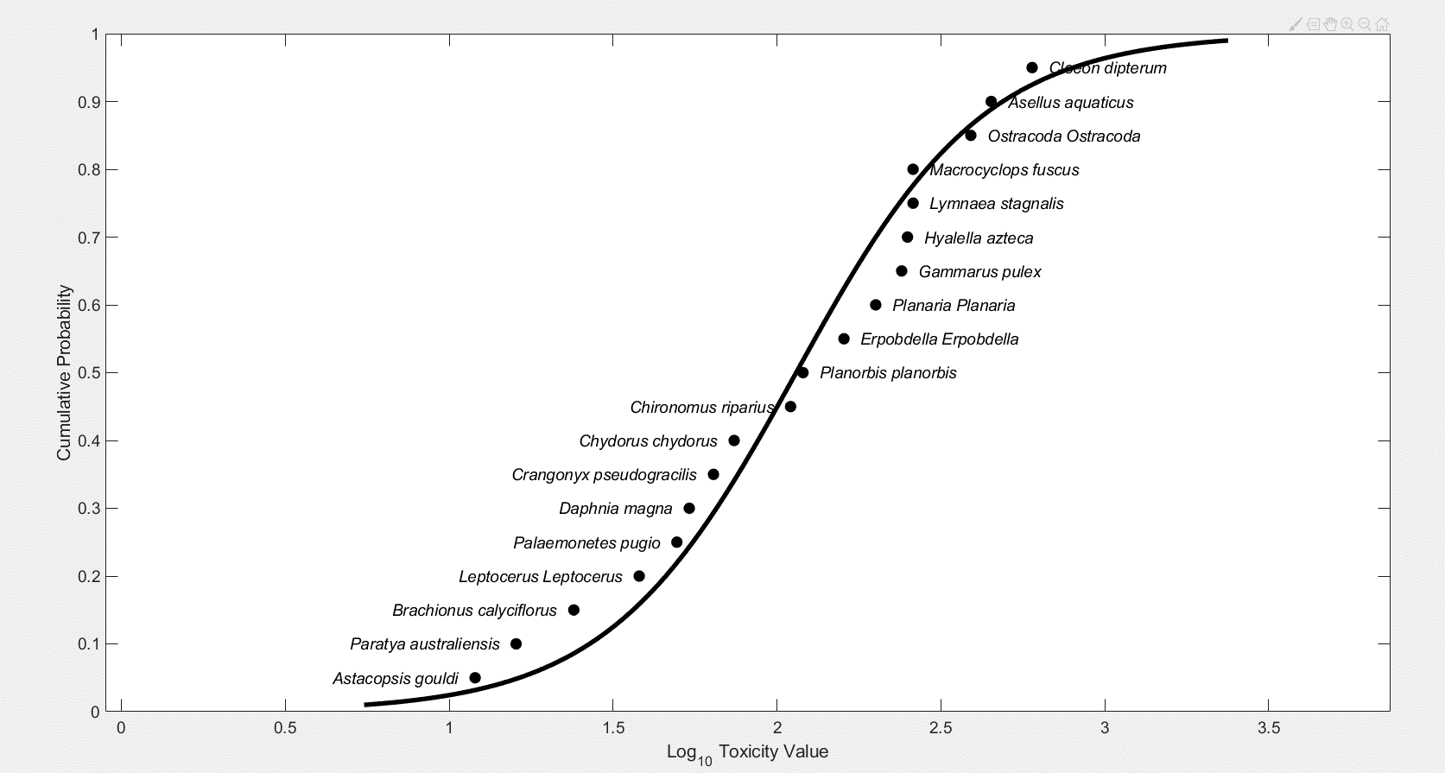
39 | 85.1242 | 25.0076 | 0.2938 | 50.3002 | 147.1198
40 | 87.509 | 25.6312 | 0.2929 | 52.0128 | 151.8293
41 | 89.94 | 26.2753 | 0.2921 | 53.428 | 156.721
42 | 92.4197 | 26.9413 | 0.2915 | 55.0217 | 160.6004
43 | 94.951 | 27.6304 | 0.291 | 56.4743 | 164.8977
44 | 97.5365 | 28.3441 | 0.2906 | 58.0532 | 169.097
45 | 100.1793 | 29.0839 | 0.2903 | 59.6 | 173.211
46 | 102.8827 | 29.8516 | 0.2902 | 61.6081 | 177.3127
47 | 105.6499 | 30.6488 | 0.2901 | 63.3464 | 182.04
48 | 108.4847 | 31.4775 | 0.2902 | 64.924 | 186.8814
49 | 111.3908 | 32.3396 | 0.2903 | 66.5382 | 192.0041
50 | 114.3723 | 33.2373 | 0.2906 | 68.1912 | 197.2477
51 | 117.4337 | 34.173 | 0.291 | 69.8853 | 202.391
52 | 120.5795 | 35.1491 | 0.2915 | 71.6229 | 208.173
53 | 123.8148 | 36.1685 | 0.2921 | 73.3315 | 213.872
54 | 127.1451 | 37.2339 | 0.2928 | 75.0094 | 218.9594
55 | 130.5762 | 38.3486 | 0.2937 | 76.7314 | 225.4939
56 | 134.1142 | 39.5162 | 0.2946 | 78.5 | 232.034
57 | 137.7662 | 40.7403 | 0.2957 | 80.4643 | 238.4806
58 | 141.5394 | 42.0251 | 0.2969 | 82.1897 | 244.7955
59 | 145.4418 | 43.3752 | 0.2982 | 84.1174 | 252.0411
60 | 149.4821 | 44.7956 | 0.2997 | 86.1013 | 259.7457
61 | 153.67 | 46.2916 | 0.3012 | 88.4256 | 268.039
62 | 158.0158 | 47.8694 | 0.3029 | 90.8349 | 276.2434
63 | 162.5308 | 49.5357 | 0.3048 | 93.0509 | 283.8965
64 | 167.2278 | 51.2978 | 0.3068 | 96.0702 | 293.9934
65 | 172.1204 | 53.1641 | 0.3089 | 98.9886 | 304.6987
66 | 177.224 | 55.1437 | 0.3112 | 101.6367 | 315.7512
67 | 182.5556 | 57.2469 | 0.3136 | 104.3952 | 327.7744
68 | 188.134 | 59.4854 | 0.3162 | 107.273 | 337.8478
69 | 193.9803 | 61.8722 | 0.319 | 110.2663 | 346.8157
70 | 200.118 | 64.422 | 0.3219 | 113.3397 | 356.1891
71 | 206.5737 | 67.1518 | 0.3251 | 115.5207 | 366.9994
72 | 213.3773 | 70.0806 | 0.3284 | 118.8273 | 378.8593
73 | 220.5627 | 73.2306 | 0.332 | 123.7846 | 393.2094
74 | 228.1685 | 76.6269 | 0.3358 | 127.4814 | 410.1369
75 | 236.2389 | 80.2991 | 0.3399 | 130.8033 | 428.2492
76 | 244.8247 | 84.2813 | 0.3443 | 134.5382 | 445.7213
77 | 253.9849 | 88.6136 | 0.3489 | 138.8567 | 468.6025
78 | 263.7877 | 93.3434 | 0.3539 | 143.1463 | 490.5988
79 | 274.3136 | 98.5271 | 0.3592 | 147.8065 | 515.6773
80 | 285.6571 | 104.2319 | 0.3649 | 152.5566 | 536.3388
81 | 297.931 | 110.5395 | 0.371 | 157.5661 | 566.1781
82 | 311.2706 | 117.5492 | 0.3776 | 162.6348 | 599.1729
83 | 325.84 | 125.3839 | 0.3848 | 168.2647 | 635.6855
84 | 341.84 | 134.1966 | 0.3926 | 174.3737 | 677.9562
85 | 359.52 | 144.1807 | 0.401 | 181.9274 | 722.0987
86 | 379.1934 | 155.5847 | 0.4103 | 190.3104 | 773.4019
87 | 401.2607 | 168.7325 | 0.4205 | 198.6003 | 832.0947
88 | 426.2421 | 184.0554 | 0.4318 | 207.5464 | 891.961
89 | 454.8281 | 202.1398 | 0.4444 | 217.4218 | 958.8119
90 | 487.9572 | 223.8045 | 0.4587 | 229.5591 | 1.05E+03
91 | 526.9419 | 250.2294 | 0.4749 | 240.602 | 1.16E+03
92 | 573.6821 | 283.1785 | 0.4936 | 256.3053 | 1.29E+03
93 | 631.0473 | 325.4149 | 0.5157 | 273.5947 | 1.49E+03
94 | 703.61 | 381.5269 | 0.5422 | 293.8347 | 1.72E+03
95 | 799.1857 | 459.7402 | 0.5753 | 319.1065 | 1.98E+03
96 | 932.4755 | 576.4317 | 0.6182 | 351.8075 | 2.45E+03
97 | 1.14E+03 | 769.6158 | 0.6779 | 403.4929 | 3.14E+03
98 | 1.49E+03 | 1.15E+03 | 0.7716 | 481.401 | 4.51E+03

Triangular Percentiles
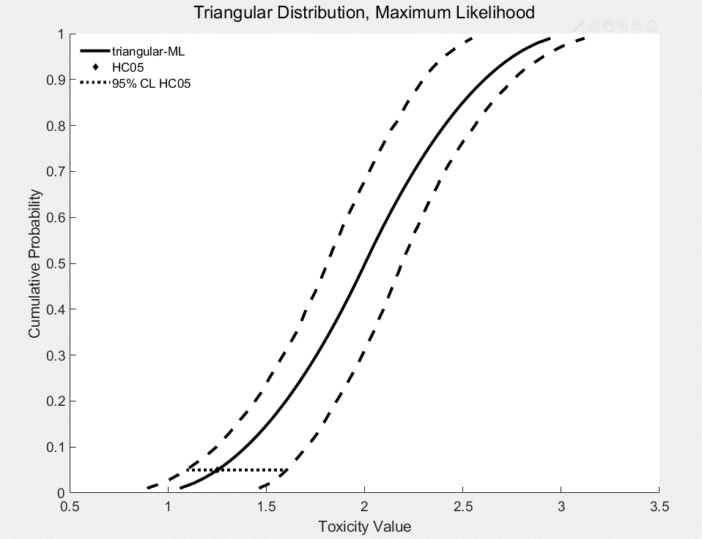
% | HCp | Standard Error | Coefficient of Variance | Lower 95% CI | Upper 95% CI
1 | 11.4952 | 5.5433 | 0.4822 | 7.8261 | 29.0188
2 | 13.3298 | 6.0483 | 0.4537 | 9.1307 | 32.6576
3 | 14.9338 | 6.4661 | 0.433 | 10.2885 | 35.4059
4 | 16.435 | 6.8408 | 0.4162 | 11.3601 | 37.9235
5 | 17.8822 | 7.1891 | 0.402 | 12.42 | 40.1332
6 | 19.3 | 7.5197 | 0.3896 | 13.3699 | 42.2414
7 | 20.7027 | 7.8378 | 0.3786 | 14.4352 | 44.2778
8 | 22.0998 | 8.1469 | 0.3686 | 15.5036 | 46.3889
9 | 23.4978 | 8.4492 | 0.3596 | 16.5766 | 48.4746
10 | 24.9013 | 8.7466 | 0.3513 | 17.6249 | 50.4983
11 | 26.3139 | 9.0404 | 0.3436 | 18.5096 | 53.0453
12 | 27.7384 | 9.3317 | 0.3364 | 19.4961 | 55.3645
13 | 29.1771 | 9.6214 | 0.3298 | 20.4897 | 57.5648
14 | 30.6319 | 9.9102 | 0.3235 | 21.401 | 59.4098
15 | 32.1043 | 10.1988 | 0.3177 | 22.4356 | 61.4427
16 | 33.5956 | 10.4877 | 0.3122 | 23.4133 | 63.5813
17 | 35.1072 | 10.7775 | 0.307 | 24.4964 | 65.4666
18 | 36.6399 | 11.0685 | 0.3021 | 25.6532 | 67.8865
19 | 38.1948 | 11.3612 | 0.2975 | 26.7219 | 69.8002
20 | 39.7727 | 11.6561 | 0.2931 | 27.7614 | 72.1005
21 | 41.3744 | 11.9533 | 0.2889 | 28.8456 | 74.5182
22 | 43.0006 | 12.2534 | 0.285 | 29.9729 | 76.9573
23 | 44.652 | 12.5565 | 0.2812 | 30.9611 | 79.4186
24 | 46.3292 | 12.8631 | 0.2776 | 31.8405 | 81.9032
25 | 48.0329 | 13.1734 | 0.2743 | 32.7865 | 84.4119
26 | 49.7637 | 13.4877 | 0.271 | 33.8989 | 86.9872
27 | 51.522 | 13.8062 | 0.268 | 35.1754 | 89.7101
28 | 53.3085 | 14.1294 | 0.265 | 36.2835 | 92.3245
29 | 55.1237 | 14.4574 | 0.2623 | 37.3034 | 94.7727
30 | 56.968 | 14.7905 | 0.2596 | 38.5631 | 97.3422
31 | 58.842 | 15.129 | 0.2571 | 39.8337 | 99.8602
32 | 60.7463 | 15.4732 | 0.2547 | 41.086 | 102.3216
33 | 62.6811 | 15.8232 | 0.2524 | 42.3772 | 105.1956
34 | 64.6471 | 16.1795 | 0.2503 | 43.6886 | 108.1052
35 | 66.6447 | 16.5421 | 0.2482 | 45.0206 | 110.9742
36 | 68.6744 | 16.9114 | 0.2463 | 46.3216 | 113.7907
37 | 70.7366 | 17.2877 | 0.2444 | 47.3509 | 116.345
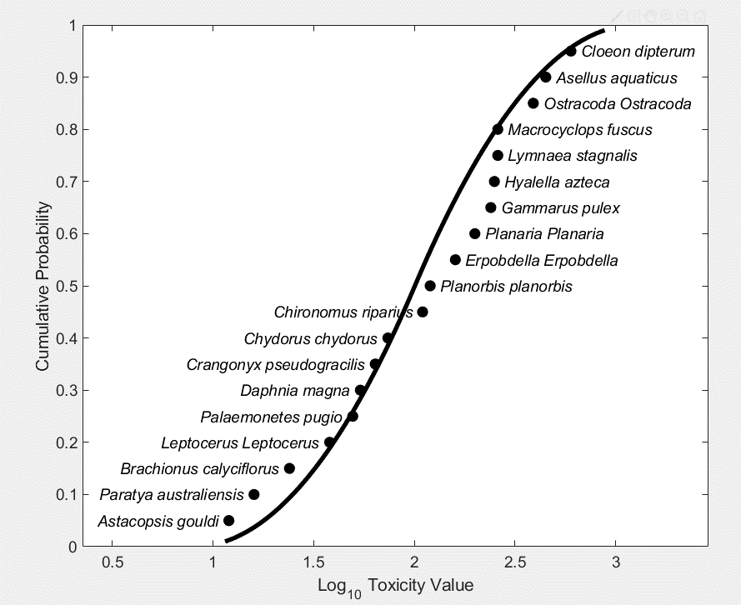
38 | 72.8318 | 17.6712 | 0.2426 | 48.3888 | 118.5884
39 | 74.9605 | 18.0621 | 0.241 | 49.4354 | 121.7473
40 | 77.123 | 18.4608 | 0.2394 | 50.4909 | 124.9486
41 | 79.32 | 18.8674 | 0.2379 | 51.9529 | 128.0966
42 | 81.5517 | 19.2823 | 0.2364 | 53.4417 | 130.6431
43 | 83.8187 | 19.7056 | 0.2351 | 54.9548 | 133.1045
44 | 86.1213 | 20.1377 | 0.2338 | 56.4667 | 136.0309
45 | 88.4602 | 20.5787 | 0.2326 | 57.5432 | 139.1981
46 | 90.8357 | 21.029 | 0.2315 | 59.1644 | 142.0631
47 | 93.2482 | 21.4889 | 0.2304 | 60.5627 | 145.1737
48 | 95.6983 | 21.9585 | 0.2295 | 61.9119 | 148.5441
49 | 98.1863 | 22.4381 | 0.2285 | 63.2767 | 151.6143
50 | 100.7128 | 22.928 | 0.2277 | 64.6573 | 154.8895
51 | 103.3043 | 23.4336 | 0.2268 | 66.0681 | 158.2354
52 | 105.9901 | 23.9609 | 0.2261 | 67.5245 | 161.6891
53 | 108.775 | 24.5112 | 0.2253 | 68.8903 | 165.8723
54 | 111.664 | 25.0859 | 0.2247 | 70.5738 | 169.8436
55 | 114.6625 | 25.6866 | 0.224 | 72.2568 | 173.3128
56 | 117.7765 | 26.315 | 0.2234 | 74.3893 | 176.8929
57 | 121.0121 | 26.9727 | 0.2229 | 75.889 | 180.8499
58 | 124.376 | 27.6618 | 0.2224 | 77.4443 | 186.5287
59 | 127.8754 | 28.3844 | 0.222 | 79.4419 | 190.7003
60 | 131.518 | 29.1426 | 0.2216 | 81.5165 | 194.9942
61 | 135.3122 | 29.939 | 0.2213 | 83.6724 | 200.3479
62 | 139.267 | 30.7762 | 0.221 | 85.9143 | 205.4108
63 | 143.3921 | 31.6572 | 0.2208 | 88.2471 | 210.4814
64 | 147.6979 | 32.585 | 0.2206 | 90.6242 | 216.3455
65 | 152.1961 | 33.5632 | 0.2205 | 92.579 | 222.6306
66 | 156.899 | 34.5955 | 0.2205 | 94.911 | 229.1927
67 | 161.8202 | 35.6861 | 0.2205 | 97.6106 | 235.7651
68 | 166.9744 | 36.8395 | 0.2206 | 100.43 | 241.2617
69 | 172.3779 | 38.0608 | 0.2208 | 103.2945 | 248.3445
70 | 178.0485 | 39.3554 | 0.221 | 105.9142 | 255.7555
71 | 184.0057 | 40.7296 | 0.2213 | 108.646 | 263.518
72 | 190.2712 | 42.1901 | 0.2217 | 111.4977 | 272.327
73 | 196.8687 | 43.7446 | 0.2222 | 114.2657 | 282.464
74 | 203.8248 | 45.4014 | 0.2227 | 117.6867 | 292.0213
75 | 211.1692 | 47.17 | 0.2234 | 121.2796 | 300.985
76 | 218.9347 | 49.0611 | 0.2241 | 124.8092 | 311.3961
77 | 227.1584 | 51.0868 | 0.2249 | 128.2687 | 323.0109
78 | 235.8823 | 53.2607 | 0.2258 | 131.9033 | 336.7257
79 | 245.1535 | 55.5983 | 0.2268 | 135.9508 | 350.572
80 | 255.0261 | 58.1174 | 0.2279 | 141.3324 | 364.3718
81 | 265.5616 | 60.8387 | 0.2291 | 147.0715 | 376.6533
82 | 276.8312 | 63.7857 | 0.2304 | 152.3398 | 390.7399
83 | 288.9174 | 66.9864 | 0.2319 | 156.1568 | 407.8561
84 | 301.9163 | 70.4732 | 0.2334 | 160.1878 | 425.9732
85 | 315.9415 | 74.2849 | 0.2351 | 165.1977 | 444.9255
86 | 331.1279 | 78.4678 | 0.237 | 171.3923 | 465.7188
87 | 347.6379 | 83.0777 | 0.239 | 177.7807 | 489.4634
88 | 365.6689 | 88.1834 | 0.2412 | 184.733 | 517.0626
89 | 385.4647 | 93.87 | 0.2435 | 191.4052 | 543.6162
90 | 407.3315 | 100.2453 | 0.2461 | 198.6465 | 570.574
91 | 431.6608 | 107.448 | 0.2489 | 206.5555 | 602.7668
92 | 458.9658 | 115.6611 | 0.252 | 216.073 | 642.0747
93 | 489.9388 | 125.1334 | 0.2554 | 226.7928 | 690.9789
94 | 525.5483 | 136.2151 | 0.2592 | 238.9033 | 747.6785
95 | 567.2149 | 149.4241 | 0.2634 | 253.7434 | 811.6686
96 | 617.1612 | 165.5763 | 0.2683 | 273.2095 | 891.7899
97 | 679.2026 | 186.0836 | 0.274 | 293.1465 | 983.8254
98 | 760.9314 | 213.7781 | 0.2809 | 319.0323 | 1.11E+03

Gumbel Percentiles
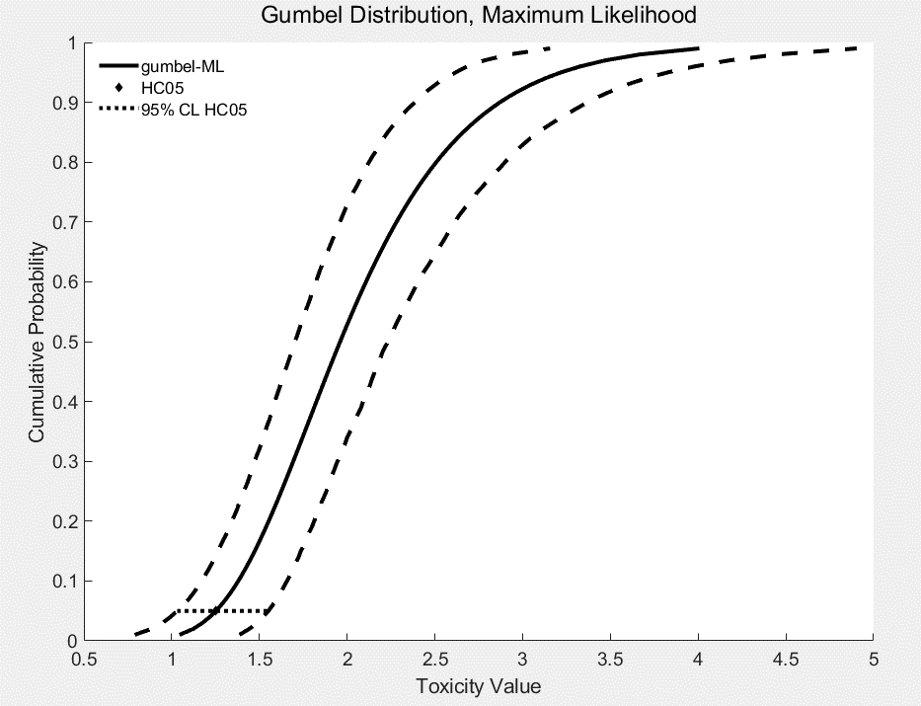
% | HCp (hazardous conc, fig has log10) | Standard Error | Coefficient of Variance | Lower 95% CI | Upper 95% CI
1 | 11.08 | 4.6599 | 0.4206 | 6.1561 | 24.3013
2 | 13.29 | 5.1992 | 0.3913 | 7.6767 | 27.6938
3 | 15.01 | 5.6089 | 0.3738 | 8.8942 | 30.7772
4 | 16.51 | 5.9623 | 0.3612 | 9.8557 | 33.0514
5 | 17.88 | 6.285 | 0.3515 | 10.7486 | 35.644
6 | 19.18 | 6.5895 | 0.3436 | 11.6877 | 37.6779
7 | 20.42 | 6.8829 | 0.3371 | 12.5434 | 39.8016
8 | 21.62 | 7.1697 | 0.3316 | 13.3248 | 41.8478
9 | 22.80 | 7.4533 | 0.3268 | 14.0745 | 43.5144
10 | 23.97 | 7.7358 | 0.3227 | 14.8154 | 45.4279
11 | 25.12 | 8.0191 | 0.3192 | 15.5512 | 47.3665
12 | 26.27 | 8.3049 | 0.3161 | 16.2852 | 49.0865
13 | 27.42 | 8.5942 | 0.3134 | 16.9971 | 50.9201
14 | 28.58 | 8.8882 | 0.311 | 17.7575 | 52.879
15 | 29.74 | 9.188 | 0.309 | 18.3975 | 54.4499
16 | 30.90 | 9.4944 | 0.3072 | 19.0768 | 56.8626
17 | 32.08 | 9.8084 | 0.3057 | 19.808 | 58.3186
18 | 33.28 | 10.1308 | 0.3044 | 20.6509 | 60.5132
19 | 34.49 | 10.4624 | 0.3034 | 21.3069 | 62.93
20 | 35.71 | 10.804 | 0.3025 | 22.0573 | 64.8808
21 | 36.96 | 11.1564 | 0.3019 | 22.8296 | 66.8538
22 | 38.22 | 11.5206 | 0.3014 | 23.6153 | 68.8517
23 | 39.51 | 11.8973 | 0.3011 | 24.2284 | 71.0245
24 | 40.83 | 12.2874 | 0.301 | 24.9059 | 73.6871
25 | 42.17 | 12.6919 | 0.301 | 25.7442 | 76.1939
26 | 43.53 | 13.1116 | 0.3012 | 26.682 | 77.7683
27 | 44.93 | 13.5476 | 0.3015 | 27.466 | 80.2296
28 | 46.37 | 14.0008 | 0.302 | 28.2207 | 83.0108
29 | 47.83 | 14.4724 | 0.3026 | 28.9901 | 85.4589
30 | 49.33 | 14.9636 | 0.3033 | 29.7752 | 88.0613
31 | 50.87 | 15.4755 | 0.3042 | 30.5769 | 92.1619
32 | 52.45 | 16.0094 | 0.3052 | 31.5733 | 93.8951
33 | 54.08 | 16.5667 | 0.3064 | 32.4707 | 97.538
34 | 55.74 | 17.1488 | 0.3076 | 33.124 | 100.1383
35 | 57.46 | 17.7573 | 0.309 | 34.1347 | 104.1111
36 | 59.23 | 18.3938 | 0.3106 | 35.0126 | 107.3685
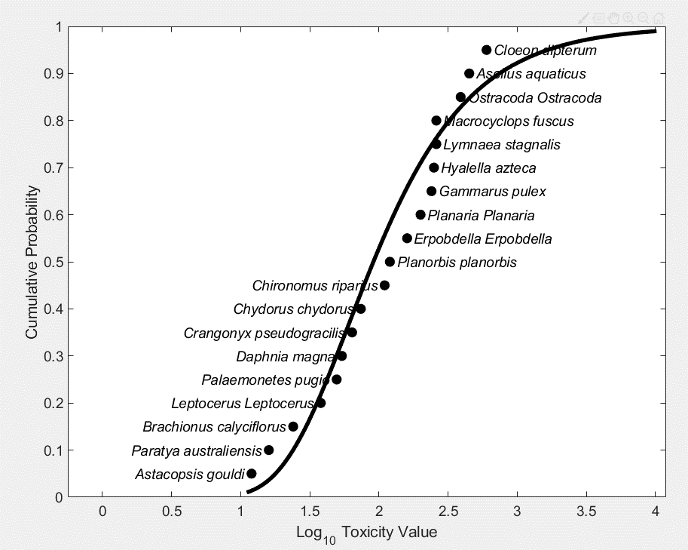
37 | 61.05 | 19.0602 | 0.3122 | 36.1017 | 111.5771
38 | 62.92 | 19.7582 | 0.314 | 36.9861 | 115.6633
39 | 64.86 | 20.49 | 0.3159 | 37.72 | 120.3471
40 | 66.86 | 21.2578 | 0.318 | 38.7223 | 123.1047
41 | 68.92 | 22.0639 | 0.3201 | 39.7537 | 127.2322
42 | 71.06 | 22.9108 | 0.3224 | 40.8765 | 132.3861
43 | 73.26 | 23.8013 | 0.3249 | 41.8956 | 135.9627
44 | 75.55 | 24.7385 | 0.3274 | 43.0389 | 139.652
45 | 77.92 | 25.7255 | 0.3301 | 44.2039 | 143.9873
46 | 80.38 | 26.7659 | 0.333 | 45.4071 | 148.9859
47 | 82.93 | 27.8635 | 0.336 | 46.651 | 154.1911
48 | 85.59 | 29.0224 | 0.3391 | 47.9064 | 157.6695
49 | 88.35 | 30.2472 | 0.3424 | 48.722 | 163.6705
50 | 91.22 | 31.5429 | 0.3458 | 50.4029 | 170.9186
51 | 94.21 | 32.9149 | 0.3494 | 51.8945 | 177.3599
52 | 97.33 | 34.3692 | 0.3531 | 53.2656 | 183.8206
53 | 100.58 | 35.9124 | 0.357 | 54.6875 | 190.5864
54 | 103.99 | 37.5517 | 0.3611 | 56.1636 | 198.2402
55 | 107.55 | 39.2952 | 0.3654 | 57.7662 | 206.5737
56 | 111.27 | 41.1516 | 0.3698 | 59.518 | 215.3665
57 | 115.18 | 43.1309 | 0.3745 | 61.2313 | 224.6557
58 | 119.28 | 45.2438 | 0.3793 | 62.8625 | 233.9886
59 | 123.59 | 47.5027 | 0.3844 | 64.5836 | 243.612
60 | 128.13 | 49.921 | 0.3896 | 66.3794 | 253.7876
61 | 132.91 | 52.5141 | 0.3951 | 68.2315 | 264.5624
62 | 137.95 | 55.2991 | 0.4009 | 70.1948 | 278.4377
63 | 143.28 | 58.2953 | 0.4069 | 72.4194 | 293.4297
64 | 148.92 | 61.5245 | 0.4131 | 74.3605 | 307.6228
65 | 154.89 | 65.0115 | 0.4197 | 77.267 | 322.8009
66 | 161.24 | 68.7844 | 0.4266 | 79.8164 | 339.0632
67 | 168.00 | 72.8756 | 0.4338 | 82.457 | 356.5221
68 | 175.20 | 77.3219 | 0.4413 | 85.2741 | 372.8127
69 | 182.89 | 82.1661 | 0.4493 | 88.207 | 390.4928
70 | 191.12 | 87.4572 | 0.4576 | 91.0211 | 412.6784
71 | 199.95 | 93.2527 | 0.4664 | 94.0021 | 432.3536
72 | 209.45 | 99.6194 | 0.4756 | 97.1665 | 459.022
73 | 219.70 | 106.6359 | 0.4854 | 100.5332 | 489.1181
74 | 230.78 | 114.3953 | 0.4957 | 104.124 | 517.2371
75 | 242.79 | 123.0078 | 0.5066 | 108.6104 | 553.7466
76 | 255.87 | 132.6058 | 0.5182 | 113.5241 | 595.0074
77 | 270.16 | 143.3485 | 0.5306 | 118.1528 | 634.5217
78 | 285.83 | 155.4297 | 0.5438 | 122.8968 | 684.7911
79 | 303.07 | 169.0865 | 0.5579 | 127.4118 | 741.2757
80 | 322.15 | 184.6124 | 0.5731 | 133.2833 | 793.8676
81 | 343.36 | 202.3744 | 0.5894 | 139.6928 | 854.9394
82 | 367.08 | 222.8357 | 0.6071 | 147.0305 | 927.7361
83 | 393.76 | 246.5896 | 0.6262 | 154.0071 | 1.01E+03
84 | 423.98 | 274.4057 | 0.6472 | 161.4806 | 1.11E+03
85 | 458.49 | 307.2981 | 0.6702 | 170.3359 | 1.23E+03
86 | 498.25 | 346.6272 | 0.6957 | 181.1772 | 1.38E+03
87 | 544.50 | 394.2542 | 0.7241 | 193.7902 | 1.56E+03
88 | 598.96 | 452.7845 | 0.7559 | 207.4254 | 1.79E+03
89 | 663.96 | 525.9632 | 0.7922 | 223.5889 | 2.04E+03
90 | 742.80 | 619.3443 | 0.8338 | 243.5029 | 2.35E+03
91 | 840.31 | 741.4737 | 0.8824 | 264.0556 | 2.74E+03
92 | 963.80 | 906.1035 | 0.9401 | 288.6344 | 3.27E+03
93 | 1124.90 | 1.14E+03 | 1.0104 | 319.9856 | 3.96E+03
94 | 1343.40 | 1.48E+03 | 1.0985 | 358.0662 | 5.03E+03
95 | 1655.40 | 2.01E+03 | 1.2134 | 416.2478 | 6.73E+03
96 | 2134.50 | 2.93E+03 | 1.3724 | 483.5965 | 9.58E+03
97 | 2957.10 | 4.77E+03 | 1.6124 | 605.0861 | 1.51E+04
98 | 4670.60 | 9.50E+03 | 2.0349 | 842.252 | 2.85E+04

 | 1.04
 | 1.12
 | 1.18
 | 1.22
 | 1.25
 | 1.28
 | 1.31
 | 1.33
 | 1.36
 | 1.38
 | 1.40
 | 1.42
 | 1.44
 | 1.46
 | 1.47
 | 1.49
 | 1.51
 | 1.52
 | 1.54
 | 1.55
 | 1.57
 | 1.58
 | 1.60
 | 1.61
 | 1.62
 | 1.64
 | 1.65
 | 1.67
 | 1.68
 | 1.69
 | 1.71
 | 1.72
 | 1.73
 | 1.75
 | 1.76
 | 1.77
 | 1.79
 | 1.80
 | 1.81
 | 1.83
 | 1.84
 | 1.85
 | 1.86
 | 1.88
 | 1.89
 | 1.91
 | 1.92
 | 1.93
 | 1.95
 | 1.96
 | 1.97
 | 1.99
 | 2.00
 | 2.02
 | 2.03
 | 2.05
 | 2.06
 | 2.08
 | 2.09
 | 2.11
 | 2.12
 | 2.14
 | 2.16
 | 2.17
 | 2.19
 | 2.21
 | 2.23
 | 2.24
 | 2.26
 | 2.28
 | 2.30
 | 2.32
 | 2.34
 | 2.36
 | 2.39
 | 2.41
 | 2.43
 | 2.46
 | 2.48
 | 2.51
 | 2.54
 | 2.56
 | 2.60
 | 2.63
 | 2.66
 | 2.70
 | 2.74
 | 2.78
 | 2.82
 | 2.87
 | 2.92
 | 2.98
 | 3.05
 | 3.13
 | 3.22
 | 3.33
 | 3.47
 | 3.67

Weibull Percentiles
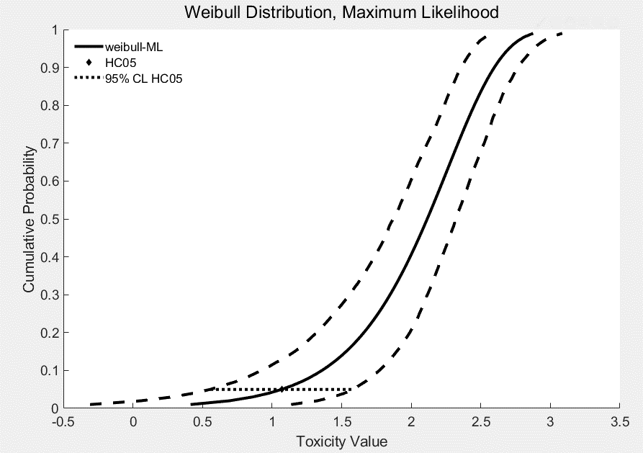
% | HCp | Standard Error | Coefficient of Variance | Lower 95% CI | Upper 95% CI
1 | 2.5949 | 3.7292 | 1.4371 | 0.4913 | 13.6943
2 | 4.9502 | 5.5147 | 1.114 | 1.1456 | 21.1609
3 | 7.2371 | 6.9255 | 0.9569 | 1.9099 | 27.3091
4 | 9.4888 | 8.134 | 0.8572 | 2.7355 | 33.1263
5 | 11.7204 | 9.2099 | 0.7858 | 3.5922 | 37.9716
6 | 13.9411 | 10.1898 | 0.7309 | 4.4219 | 42.1326
7 | 16.1566 | 11.096 | 0.6868 | 5.4352 | 46.4966
8 | 18.3712 | 11.9433 | 0.6501 | 6.4421 | 50.8694
9 | 20.5882 | 12.7423 | 0.6189 | 7.3525 | 54.7758
10 | 22.8102 | 13.5008 | 0.5919 | 8.3373 | 58.9716
11 | 25.0393 | 14.2246 | 0.5681 | 9.4879 | 62.893
12 | 27.2774 | 14.9184 | 0.5469 | 10.5529 | 67.1248
13 | 29.5259 | 15.5862 | 0.5279 | 11.8712 | 70.9579
14 | 31.7864 | 16.2308 | 0.5106 | 13.2084 | 74.7243
15 | 34.0602 | 16.8551 | 0.4949 | 14.5364 | 78.5294
16 | 36.3484 | 17.4612 | 0.4804 | 15.8579 | 82.5869
17 | 38.6522 | 18.051 | 0.467 | 17.0504 | 86.2465
18 | 40.9727 | 18.6262 | 0.4546 | 18.2646 | 89.7412
19 | 43.3108 | 19.1883 | 0.443 | 19.5006 | 93.8138
20 | 45.6676 | 19.7385 | 0.4322 | 20.9539 | 97.661
21 | 48.044 | 20.2781 | 0.4221 | 22.2672 | 101.0533
22 | 50.4411 | 20.8082 | 0.4125 | 23.6051 | 104.4198
23 | 52.8597 | 21.3296 | 0.4035 | 24.9677 | 108.0071
24 | 55.3008 | 21.8433 | 0.395 | 26.3557 | 111.7511
25 | 57.7653 | 22.3501 | 0.3869 | 27.8416 | 114.3976
26 | 60.2543 | 22.8508 | 0.3792 | 29.4189 | 117.6925
27 | 62.7687 | 23.3461 | 0.3719 | 31.0328 | 120.9761
28 | 65.3094 | 23.8368 | 0.365 | 32.6371 | 123.7974
29 | 67.8776 | 24.3235 | 0.3583 | 34.3175 | 127.0083
30 | 70.4741 | 24.8068 | 0.352 | 36.036 | 130.7819
31 | 73.1001 | 25.2873 | 0.3459 | 37.7936 | 134.343
32 | 75.7567 | 25.7656 | 0.3401 | 39.3419 | 138.0248
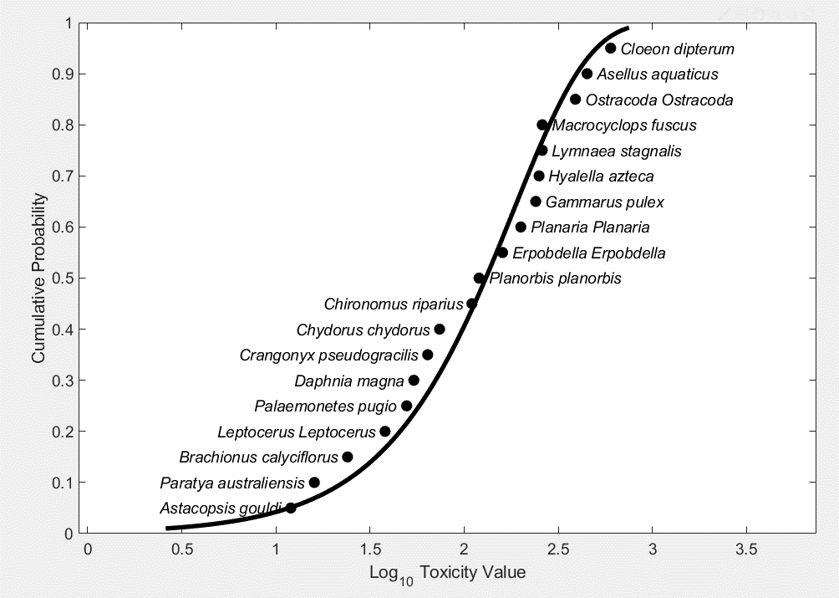
33 | 78.4449 | 26.2424 | 0.3345 | 41.3376 | 141.6994
34 | 81.1659 | 26.7182 | 0.3292 | 42.95 | 144.9352
35 | 83.9209 | 27.1935 | 0.324 | 44.6914 | 148.1744
36 | 86.7112 | 27.669 | 0.3191 | 46.8017 | 151.6902
37 | 89.538 | 28.1451 | 0.3143 | 48.6676 | 155.4249
38 | 92.4026 | 28.6225 | 0.3098 | 50.5462 | 158.9486
39 | 95.3065 | 29.1018 | 0.3053 | 52.4625 | 162.9231
40 | 98.251 | 29.5835 | 0.3011 | 54.3991 | 166.8296
41 | 101.2377 | 30.0682 | 0.297 | 56.413 | 170.7044
42 | 104.2682 | 30.5565 | 0.2931 | 58.4505 | 174.8638
43 | 107.344 | 31.049 | 0.2892 | 60.53 | 179.2182
44 | 110.467 | 31.5465 | 0.2856 | 62.4584 | 183.6196
45 | 113.6389 | 32.0494 | 0.282 | 64.4044 | 187.6485
46 | 116.8617 | 32.5586 | 0.2786 | 66.3862 | 191.6656
47 | 120.1373 | 33.0746 | 0.2753 | 67.9716 | 196.2519
48 | 123.4679 | 33.5984 | 0.2721 | 69.4213 | 201.1402
49 | 126.8557 | 34.1305 | 0.269 | 71.5347 | 205.1331
50 | 130.3031 | 34.6719 | 0.2661 | 74.3232 | 209.1662
51 | 133.8125 | 35.2234 | 0.2632 | 76.9672 | 213.2576
52 | 137.3865 | 35.7859 | 0.2605 | 79.7943 | 218.6641
53 | 141.0281 | 36.3602 | 0.2578 | 81.7531 | 224.1655
54 | 144.7402 | 36.9475 | 0.2553 | 83.7459 | 229.766
55 | 148.5259 | 37.5488 | 0.2528 | 86.1084 | 234.9694
56 | 152.3886 | 38.1652 | 0.2504 | 88.7989 | 239.9921
57 | 156.3319 | 38.7979 | 0.2482 | 91.5594 | 245.0965
58 | 160.3597 | 39.4482 | 0.246 | 94.144 | 251.687
59 | 164.476 | 40.1174 | 0.2439 | 96.8003 | 257.1423
60 | 168.6854 | 40.8071 | 0.2419 | 99.1157 | 262.6992
61 | 172.9926 | 41.5187 | 0.24 | 101.6894 | 268.363
62 | 177.4026 | 42.2541 | 0.2382 | 104.3256 | 274.1397
63 | 181.921 | 43.0149 | 0.2364 | 107.0277 | 280.7173
64 | 186.5537 | 43.8033 | 0.2348 | 109.7994 | 287.8649
65 | 191.3073 | 44.6213 | 0.2332 | 112.7659 | 295.199
66 | 196.1887 | 45.4713 | 0.2318 | 116.3936 | 302.7302
67 | 201.2056 | 46.3558 | 0.2304 | 119.6228 | 310.4704
68 | 206.3663 | 47.2777 | 0.2291 | 123.0489 | 318.1001
69 | 211.6799 | 48.24 | 0.2279 | 126.7958 | 324.8955
70 | 217.1565 | 49.246 | 0.2268 | 130.6754 | 334.6613
71 | 222.807 | 50.2994 | 0.2258 | 134.6967 | 342.3437
72 | 228.6435 | 51.4045 | 0.2248 | 138.8697 | 349.5152
73 | 234.6797 | 52.5657 | 0.224 | 143.292 | 357.4137
74 | 240.9304 | 53.7881 | 0.2233 | 147.7168 | 365.8031
75 | 247.4124 | 55.0775 | 0.2226 | 152.0478 | 373.9708
76 | 254.1445 | 56.4402 | 0.2221 | 155.878 | 380.7511
77 | 261.1478 | 57.8837 | 0.2217 | 160.0228 | 388.8205
78 | 268.4463 | 59.4161 | 0.2213 | 164.1033 | 402.0705
79 | 276.0671 | 61.0469 | 0.2211 | 168.561 | 414.491
80 | 284.0416 | 62.787 | 0.221 | 172.924 | 423.9818
81 | 292.4057 | 64.6491 | 0.2211 | 177.1093 | 434.4772
82 | 301.2012 | 66.6479 | 0.2213 | 181.3076 | 445.614
83 | 310.477 | 68.8008 | 0.2216 | 186.0903 | 455.9821
84 | 320.2908 | 71.1284 | 0.2221 | 190.9657 | 471.8433
85 | 330.7115 | 73.6555 | 0.2227 | 196.5176 | 486.2158
86 | 341.8222 | 76.4122 | 0.2235 | 203.232 | 506.1194
87 | 353.724 | 79.4356 | 0.2246 | 208.8038 | 526.4612
88 | 366.5427 | 82.7718 | 0.2258 | 214.1943 | 543.6219
89 | 380.4363 | 86.4797 | 0.2273 | 220.3258 | 561.3777
90 | 395.6081 | 90.6355 | 0.2291 | 227.6268 | 580.6665
91 | 412.3251 | 95.3405 | 0.2312 | 237.3533 | 609.2564
92 | 430.9484 | 100.7332 | 0.2337 | 246.2959 | 641.8778
93 | 451.9833 | 107.0096 | 0.2368 | 256.3213 | 677.5866
94 | 476.1682 | 114.4604 | 0.2404 | 267.7547 | 710.7218
95 | 504.6454 | 123.5416 | 0.2448 | 278.6362 | 753.5049
96 | 539.323 | 135.0288 | 0.2504 | 294.4582 | 816.0501
97 | 583.7665 | 150.4009 | 0.2576 | 311.1527 | 891.56
98 | 645.9484 | 173.0486 | 0.2679 | 339.7096 | 1.01E+03

Burr Percentiles
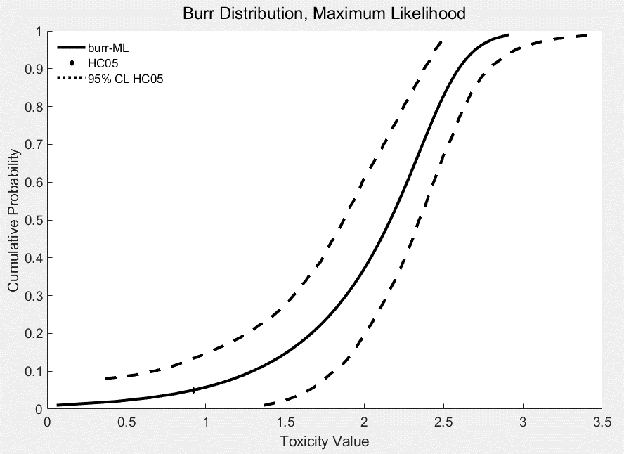
% | HCp | Standard Error | Coefficient of Variance | Lower 95% CI | Upper 95% CI
1 | 1.1498 | 7.279 | 6.331 | 0 | 23.2636
2 | 2.7052 | 9.0001 | 3.327 | 0 | 30.3144
3 | 4.4624 | 10.381 | 2.3263 | 0 | 35.2908
4 | 6.365 | 11.5441 | 1.8137 | 0 | 40.263
5 | 8.3834 | 12.566 | 1.4989 | 0 | 44.879
6 | 10.4994 | 13.4951 | 1.2853 | 0 | 49.0664
7 | 12.7001 | 14.334 | 1.1287 | 0 | 53.8489
8 | 14.9759 | 15.0627 | 1.0058 | 2.3223 | 56.5561
9 | 17.3196 | 15.738 | 0.9087 | 3.5687 | 60.0151
10 | 19.7253 | 16.4003 | 0.8314 | 4.6778 | 64.1806
11 | 22.1882 | 17.0725 | 0.7694 | 5.8645 | 68.7866
12 | 24.7043 | 17.7186 | 0.7172 | 6.8695 | 73.6383
13 | 27.2702 | 18.3521 | 0.673 | 7.8688 | 77.5637
14 | 29.8829 | 18.9626 | 0.6346 | 9.1561 | 80.9306
15 | 32.5401 | 19.5525 | 0.6009 | 10.4007 | 85.5993
16 | 35.2393 | 20.1241 | 0.5711 | 11.82 | 87.897
17 | 37.9788 | 20.6796 | 0.5445 | 13.358 | 91.1434
18 | 40.7567 | 21.2208 | 0.5207 | 14.9455 | 94.1591
19 | 43.5715 | 21.7495 | 0.4992 | 16.6725 | 98.3441
20 | 46.4219 | 22.2673 | 0.4797 | 18.2275 | 101.8408
21 | 49.3066 | 22.7758 | 0.4619 | 20.0187 | 104.8345
22 | 52.2246 | 23.2763 | 0.4457 | 21.4504 | 108.6901
23 | 55.1749 | 23.7704 | 0.4308 | 23.41 | 112.4724
24 | 58.1566 | 24.2592 | 0.4171 | 25.4815 | 116.2354
25 | 61.169 | 24.744 | 0.4045 | 27.1544 | 120.1264
26 | 64.2113 | 25.2261 | 0.3929 | 28.9377 | 123.4479
27 | 67.2831 | 25.7065 | 0.3821 | 30.8064 | 127.479
28 | 70.3838 | 26.1864 | 0.3721 | 32.853 | 131.4164
29 | 73.5131 | 26.6669 | 0.3628 | 34.073 | 135.703
30 | 76.6704 | 27.1489 | 0.3541 | 35.688 | 139.7967
31 | 79.8557 | 27.6333 | 0.346 | 37.5826 | 142.2147
32 | 83.0687 | 28.1212 | 0.3385 | 39.233 | 146.6676
33 | 86.3093 | 28.6134 | 0.3315 | 40.9124 | 151.2563
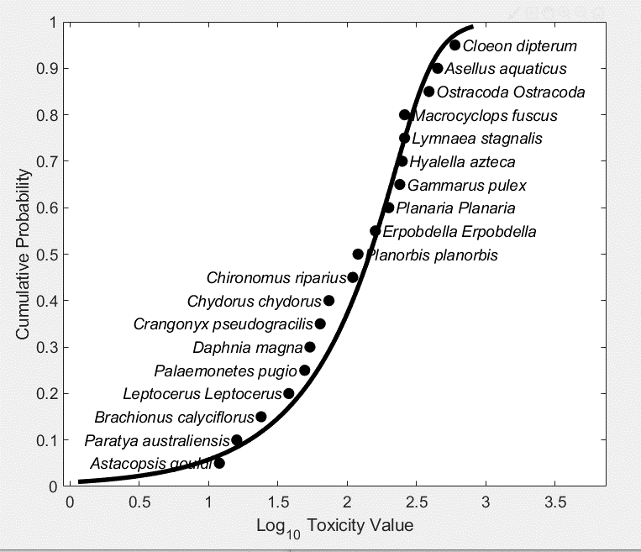
34 | 89.5775 | 29.1108 | 0.325 | 42.9301 | 155.8451
35 | 92.8732 | 29.6141 | 0.3189 | 44.4805 | 159.8208
36 | 96.1965 | 30.1241 | 0.3132 | 46.3949 | 164.1866
37 | 99.5477 | 30.6415 | 0.3078 | 48.6823 | 168.2791
38 | 102.9269 | 31.167 | 0.3028 | 50.5775 | 172.2832
39 | 106.3346 | 31.7012 | 0.2981 | 53.139 | 176.2909
40 | 109.771 | 32.2446 | 0.2937 | 54.7816 | 180.3815
41 | 113.2367 | 32.7978 | 0.2896 | 56.4758 | 184.4622
42 | 116.7322 | 33.3613 | 0.2858 | 58.2245 | 188.9159
43 | 120.2582 | 33.9355 | 0.2822 | 59.7797 | 193.1441
44 | 123.8155 | 34.5209 | 0.2788 | 61.5991 | 197.4831
45 | 127.4047 | 35.1176 | 0.2756 | 63.7153 | 201.8818
46 | 131.027 | 35.7261 | 0.2727 | 65.7371 | 205.6491
47 | 134.6834 | 36.3466 | 0.2699 | 67.9034 | 209.472
48 | 138.3749 | 36.9794 | 0.2672 | 70.0533 | 213.354
49 | 142.1029 | 37.6245 | 0.2648 | 72.2848 | 217.2992
50 | 145.8688 | 38.2821 | 0.2624 | 74.3143 | 221.3408
51 | 149.6741 | 38.9524 | 0.2602 | 75.8286 | 227.649
52 | 153.5205 | 39.6354 | 0.2582 | 77.3821 | 234.1521
53 | 157.4098 | 40.331 | 0.2562 | 79.663 | 238.7438
54 | 161.3441 | 41.0394 | 0.2544 | 82.5889 | 243.3373
55 | 165.3255 | 41.7605 | 0.2526 | 85.5433 | 247.9324
56 | 169.3565 | 42.4942 | 0.2509 | 87.8114 | 252.5291
57 | 173.4395 | 43.2405 | 0.2493 | 90.15 | 257.1275
58 | 177.5775 | 43.9994 | 0.2478 | 92.5637 | 261.9061
59 | 181.7736 | 44.7706 | 0.2463 | 94.9651 | 267.5469
60 | 186.031 | 45.5543 | 0.2449 | 97.1437 | 273.7392
61 | 190.3536 | 46.3503 | 0.2435 | 99.4624 | 279.4451
62 | 194.7452 | 47.1586 | 0.2422 | 102.8767 | 285.6109
63 | 199.2103 | 47.9793 | 0.2408 | 106.1526 | 292.0854
64 | 203.7538 | 48.8124 | 0.2396 | 109.6843 | 297.7653
65 | 208.3808 | 49.6582 | 0.2383 | 113.5926 | 303.4678
66 | 213.0972 | 50.5169 | 0.2371 | 117.0311 | 309.1932
67 | 217.9094 | 51.389 | 0.2358 | 120.9134 | 314.9423
68 | 222.8244 | 52.2751 | 0.2346 | 124.9391 | 321.7394
69 | 227.85 | 53.1761 | 0.2334 | 129.1193 | 330.7032
70 | 232.9949 | 54.0933 | 0.2322 | 132.4764 | 339.4495
71 | 238.2686 | 55.0282 | 0.231 | 137.2662 | 348.1518
72 | 243.682 | 55.9829 | 0.2297 | 140.6086 | 357.3748
73 | 249.247 | 56.9602 | 0.2285 | 144.4771 | 365.0001
74 | 254.9772 | 57.9636 | 0.2273 | 148.3049 | 372.3199
75 | 260.8878 | 58.9978 | 0.2261 | 153.7615 | 381.0853
76 | 266.9961 | 60.0686 | 0.225 | 159.0304 | 387.827
77 | 273.3219 | 61.1836 | 0.2239 | 163.4182 | 396.3416
78 | 279.8876 | 62.3528 | 0.2228 | 167.7128 | 406.6262
79 | 286.7194 | 63.5887 | 0.2218 | 172.2674 | 416.7369
80 | 293.8474 | 64.9078 | 0.2209 | 177.1134 | 428.3098
81 | 301.3068 | 66.3312 | 0.2201 | 182.2878 | 442.2239
82 | 309.1391 | 67.8867 | 0.2196 | 189.9835 | 452.3338
83 | 317.3936 | 69.6106 | 0.2193 | 194.2309 | 465.4932
84 | 326.1291 | 71.5505 | 0.2194 | 200.2664 | 478.517
85 | 335.4173 | 73.7699 | 0.2199 | 206.2392 | 491.671
86 | 345.3458 | 76.3535 | 0.2211 | 212.9951 | 514.3085
87 | 356.0236 | 79.4159 | 0.2231 | 220.1178 | 532.4603
88 | 367.5886 | 83.1134 | 0.2261 | 226.5764 | 552.3773
89 | 380.218 | 87.6628 | 0.2306 | 232.4845 | 581.691
90 | 394.1449 | 93.3693 | 0.2369 | 238.4243 | 610.4479
91 | 409.6837 | 100.6734 | 0.2457 | 247.0003 | 646.4002
92 | 427.2718 | 110.2288 | 0.258 | 257.3237 | 699.8773
93 | 447.5411 | 123.0467 | 0.2749 | 264.4184 | 755.2566
94 | 471.4491 | 140.7776 | 0.2986 | 274.5132 | 819.2945
95 | 500.5408 | 166.3269 | 0.3323 | 279.9082 | 896.8623
96 | 537.5307 | 205.3804 | 0.3821 | 291.6488 | 1.03E+03
97 | 587.8172 | 270.953 | 0.4609 | 303.5467 | 1.26E+03
98 | 664.5104 | 401.5087 | 0.6042 | 312.5271 | 1.67E+03

