Bugs
ID: | ts001
Summary: | Unable to remove product from cart from main page
Environment: | Windows 10, Google Chrome (64-bit)
Severity: | Medium
Priority: | High
Screenshot | 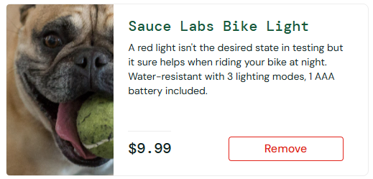
Assignee: | Osadchy P A
Steps to reproduce: | 1. Open https://www.saucedemo.com/
 | 2. Login as problem user
 | 3. Go to any product in the Catalog that can be added to the cart
 | 4. Try to use button "Remove"
 | 5.
 | 6.
 | 7.
Actual Result: | Button just not working

Expectected Result: | The choosen product is removed from the cart

Notes:

ID: | ts002
Summary: | Incorrectly working "Last name" field in cart page
Environment: | Windows 10, Google Chrome (64-bit)
Severity: | High
Priority: | High
Screenshot
Assignee: | Osadchy P A
Steps to reproduce: | 1. Open https://www.saucedemo.com/
 | 2. Login as problem user
 | 3. Add to cart anything
 | 4. Go to the cart page
 | 5. Push checkout button
 | 6. Try to fill second field

Actual Result: | if you write in Last Name field, the First Name field will be show the last letter entered

Expectected Result: | All the fields are working correctly

Notes:

ID: | ts003
Summary: | "About" button doesn't work in burger menu
Environment: | Windows 10, Google Chrome (64-bit)
Severity: | Medium
Priority: | High
Screenshot
Assignee: | Osadchy P A
Steps to reproduce: | 1. Open https://www.saucedemo.com/
 | 2. Login as problem user
 | 3. Open burger menu on the left.
 | 4. Press Button "About"

Actual Result: | we get an error

Expectected Result: | should show "About" page

Notes:

