Bug report 1
BUG REPORT
Bug ID | BUG1 | Auto
Module | Flight
Requirements/Submodule/Feature | One way>Traveller &Class
Test Case Name | TC 20
Release/Server | QA
Status | New | Auto
Reporter | Mayur | Auto
Date | 20-11-2025 | Auto
Assign To | Developer
CC | TL | NA
Severity | S3
Priority | P2
Platform | Website
Build No. | 1 | NA
Test Data
Attachment | 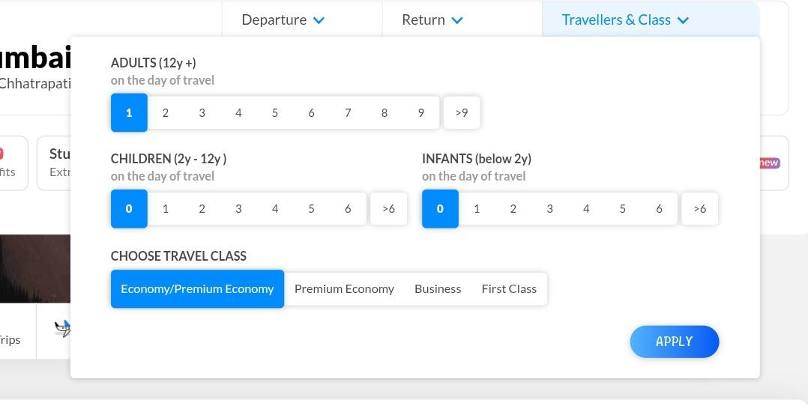
Navigation Steps | 1.open URL 2 click on flight button. 3 click on one way option. 4 click on Traveller & Class
Expected Result | User Should be able see correct age criteria traveller & class option
Actual Result | User is not able see correct age criteria traveller & class option

Bug report 2
BUG REPORT
Bug ID | BUG2 | Auto
Module | Flight
Requirements/Submodule/Feature | One way>Traveller &Class
Test Case Name | TC 24
Release/Server | QA
Status | New | Auto
Reporter | Mayur | Auto
Date | 20-11-2025 | Auto
Assign To | Developer
CC | TL | NA
Severity | S2
Priority | P2
Platform | Website
Build No. | 1 | NA
Test Data
Attachment | 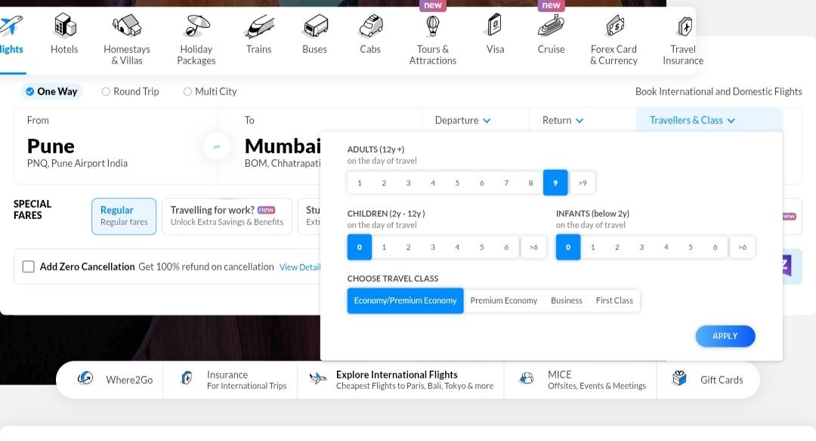
Navigation Steps | 1.open URL 2 click on flight button. 3 click on one way option. 4 click on Traveller & Class 5. In adult section click on 9
Expected Result | user should be able to select 9 option and able to proceed next procedure
Actual Result | user is not able to select 9 option and able to proceed next procedure

