MBTI GPT3.5
Direct statement | Direct Response 1 | Direct Response 2 | Direct Response 3 | Prompt Situation | Indirect Response 1 | Indirect Response 2 | Indirect Response 3 | Matching DR1 with IR1 | Matching DR2 with IR2 | Matching DR3 with IR3 | Response: | Very Accurate | 1 | Matching Score = Difference between response
You regularly make new friends | 3 | 3 | 3 | At a local coffee shop, you notice someone sitting alone and approach them with a friendly smile, striking up a conversation that leads to an exchange of contact information and plans to meet up for a future event. | 2 | 3 | 2 | -1 | 0 | -1 |  | Moderately Accurate | 2
You spend a lot of your free time exploring various random topics that pique your interest | 2 | 3 | 2 | Curled up on the couch with a laptop, you fall down a rabbit hole of articles about deep sea creatures, then switch to a documentary about ancient civilizations, followed by a podcast on space exploration, each subject lighting up your curiosity. | 3 | 3 | 2 | 1 | 0 | 0 |  | Neutral or not like me | 3
Seeing other people cry can easily make you feel like you want to cry too | 2 | 3 | 2 | In a movie theater, as the poignant scene unfolds on the screen and sniffles echo around the room, you find yourself reaching for a tissue, your own eyes brimming with tears in a shared moment of sadness with the strangers around you. | 3 | 3 | 3 | 1 | 0 | 1 |  | Moderately Inaccurate | 4
You often make a backup plan for a backup plan | 3 | 3 | 3 | Before a road trip, you print out directions in case the GPS fails and also save a map on your phone. You plan an alternative route and even have a list of mechanic shops along the way, just in case. | 2 | 2 | 2 | -1 | -1 | -1 |  | Very Inaccurate | 5
You usually stay calm, even under a lot of pressure | 3 | 3 | 3 | As the deadline approaches and everyone in the office is frantic, you take a deep breath, organize your remaining tasks with a clear mind, and methodically address each one, maintaining a composed and steady pace. | 3 | 3 | 3 | 0 | 0 | 0
At social events, you rarely try to introduce yourself to new people and mostly talk to the ones you already know | 3 | 3 | 3 | At a bustling party, you gravitate towards a familiar group of friends, engaging in comfortable conversation, occasionally glancing around the room, but finding contentment in the familiar faces and shared laughs. | 3 | 3 | 3 | 0 | 0 | 0
You prefer to completely finish one project before starting another | 3 | 3 | 3 | In your home office, surrounded by the evidence of a single task, you meticulously work through the final details of a model airplane, ignoring the untouched kit lying nearby until every decal is perfectly in place. | 3 | 3 | 3 | 0 | 0 | 0
You are very sentimental | 3 | 3 | 3 | Sifting through a box of old letters and photographs, you pause to hold an aged ticket stub, a wave of nostalgia washing over you as you remember the concert it represents, the music still clear in your memory. | 3 | 3 | 3 | 0 | 0 | 0
You like to use organizing tools like schedules and lists | 1 | 2 | 1 | Surrounded by neatly pinned calendars and color-coded to-do lists, you sit at your desk planning out your week, each task slotted into its own time block, giving you a sense of control and peace. | 3 | 3 | 3 | 2 | 1 | 2
Even a small mistake can cause you to doubt your overall abilities and knowledge | 3 | 3 | 3 | After accidentally sending an email with a minor typo, you sit at your desk, replaying the error over in your mind, questioning your expertise and attention to detail, even though you’ve successfully managed similar tasks countless times before. | 3 | 2 | 2 | 0 | -1 | -1
You feel comfortable just walking up to someone you find interesting and striking up a conversation | 3 | 3 | 3 | At a gallery opening, you easily approach an artist whose work you admire, complimenting a piece you find captivating, and engaging in an animated discussion about art and inspiration, exchanging views as if with an old friend. | 3 | 3 | 3 | 0 | 0 | 0
You are not too interested in discussing various interpretations and analyses of creative works | 3 | 3 | 3 | While others at the book club passionately debate the symbolism behind the protagonist's choices, you listen quietly, more intrigued by the story's plot and characters than delving into deeper meanings or hidden messages. | 3 | 3 | 3 | 0 | 0 | 0
You are more inclined to follow your head than your heart | 3 | 3 | 3 | Faced with a choice between a dream job in a new city and staying close to family, you create a pros and cons list, meticulously researching each option and considering long-term career growth over immediate emotional desires. | 3 | 3 | 3 | 0 | 0 | 0
You usually prefer just doing what you feel like at any given moment instead of planning a particular daily routine | 3 | 3 | 3 | Spontaneously deciding to turn a quick coffee run into a day-long road trip, you take off with no set itinerary, letting the road be your guide and choosing destinations on a whim, relishing the freedom of where the moment takes you. | 3 | 3 | 3 | 0 | 0 | 0
You rarely worry about whether you make a good impression on people you meet | 3 | 3 | 3 | At a networking event, you engage in conversations with a casual demeanor, sharing your thoughts openly without rehearsing, unconcerned with judgment and more focused on the authenticity of the interaction. | 3 | 3 | 3 | 0 | 0 | 0
You enjoy participating in group activities | 3 | 3 | 3 | Laughing and sharing ideas in a community garden, you work alongside neighbors to plant new flowers, enjoying the collaborative spirit and the shared sense of accomplishment as you watch the garden flourish. | 3 | 3 | 3 | 0 | 0 | 0
You like books and movies that make you come up with your own interpretation of the ending | 1 | 1 | 1 | Sitting in a dimly lit room, the final credits of an ambiguous film roll by, and you lean back, sipping your tea, lost in thought as you piece together the clues, forming a theory about the unresolved finale that sparks a lively debate among friends. | 3 | 2 | 3 | 2 | 1 | 2
Your happiness comes more from helping others accomplish things than your own accomplishments | 3 | 4 | 4 | Watching from the back of the room, a smile spreads across your face as you see the young intern you've mentored give a flawless presentation, feeling a surge of pride for their success, which feels as rewarding as if it were your own. | 3 | 3 | 3 | 0 | -1 | -1
You are interested in so many things that you find it difficult to choose what to try next | 2 | 2 | 1 | Standing in front of a bulletin board overflowing with flyers for different classes, clubs, and activities, you tap a pen against your chin, your mind racing as you try to decide whether to join the pottery class, the hiking club, or the language exchange group. | 3 | 3 | 3 | 1 | 1 | 2
You are prone to worrying that things will take a turn for the worse | 3 | 3 | 3 | Checking the weather app for the tenth time before an outdoor event, you pack an umbrella, extra jackets, and a first-aid kit, just in case, despite the forecast promising clear skies all day. | 3 | 3 | 3 | 0 | 0 | 0
You avoid leadership roles in group settings | 3 | 3 | 3 | When your team starts assigning roles for a new project, you step back and suggest others for the leader position, preferring to contribute as a team member where you can focus on your specific tasks without the spotlight. | 3 | 3 | 3 | 0 | 0 | 0
You are definitely not an artistic type of person | 4 | 5 | 5 | At a paint night event, while others create abstract and colorful canvases, you opt for a simple and precise geometric design, enjoying the process but sticking to a structured pattern that requires no artistic interpretation. | 5 | 5 | 5 | 1 | 0 | 0
You think the world would be a better place if people relied more on rationality and less on their feelings | 3 | 3 | 3 | At a community meeting discussing local development plans, while some residents argue passionately based on personal attachments, you present a logical case based on data and projected outcomes, believing that objective analysis should guide the decision-making. | 2 | 2 | 2 | -1 | -1 | -1
You prefer to do your chores before allowing yourself to relax | 3 | 3 | 3 | On a sunny Saturday, you methodically clean and organize your home, checking off each task on your to-do list, before settling down with a cup of tea and a book, enjoying the comfort of your tidy space. | 3 | 3 | 3 | 0 | 0 | 0
You enjoy watching people argue | 3 | 3 | 3 | At a debate club meeting, you sit back comfortably, observing with keen interest as members engage in a heated exchange of ideas, appreciating the skillful articulation and the strategic play of words, without feeling the need to jump in. | 2 | 3 | 1 | -1 | 0 | -2
You tend to avoid drawing attention to yourself | 3 | 3 | 3 | In a group photo, you find a spot towards the back, blending in with the crowd, smiling subtly and content to let others take the front row, enjoying the moment without the need to stand out. | 3 | 3 | 3 | 0 | 0 | 0
Your mood can change very quickly | 2 | 1 | 1 | Laughing at a joke one moment, you suddenly frown as you overhear a piece of troubling news on the radio, your light-hearted demeanor quickly giving way to concern as you process the new information. | 3 | 3 | 3 | 1 | 2 | 2
You lose patience with people who are not as efficient as you | 3 | 3 | 3 | Watching the clock as a colleague struggles with the printer, you suppress a sigh, resisting the urge to step in and fix it quickly, feeling a twitch of frustration at the delay in your well-timed schedule. | 3 | 3 | 3 | 0 | 0 | 0
You often end up doing things at the last possible moment | 3 | 3 | 3 | Frantically typing away at your computer, you finish a report just as the clock strikes the deadline, a rush of adrenaline fueling your final burst of productivity after hours of procrastination. | 3 | 3 | 3 | 0 | 0 | 0
You have always been fascinated by the question of what, if anything, happens after death | 3 | 3 | 3 | You spend evenings poring over books on philosophy and the afterlife, watching documentaries on near-death experiences, and engaging in deep discussions with friends about the various beliefs surrounding life's ultimate mystery. | 3 | 3 | 3 | 0 | 0 | 0
You usually prefer to be around others rather than on your own | 3 | 3 | 3 | Opting out of a quiet evening at home, you join a group of friends for dinner, basking in the lively chatter and the comforting presence of companionship, feeling more energized by the shared experiences and laughter. | 3 | 3 | 3 | 0 | 0 | 0
You become bored or lose interest when the discussion gets highly theoretical | 3 | 3 | 3 | At a dinner party, as the conversation shifts to abstract topics and philosophical debates, you find yourself discreetly checking your phone under the table, your thoughts drifting to more tangible and practical subjects. | 3 | 3 | 3 | 0 | 0 | 0
You find it easy to empathize with a person whose experiences are very different from yours | 3 | 3 | 3 | Sitting across from a traveler in a hostel common room, you listen intently to tales of their adventures in lands you've never visited, nodding and feeling a connection as you imagine the challenges and triumphs they describe, despite never having experienced them yourself. | 3 | 3 | 3 | 0 | 0 | 0
You usually postpone finalizing decisions for as long as possible | 3 | 3 | 3 | With multiple browser tabs open to different vacation rentals, your cursor hovers over the "Book Now" buttons, yet you hesitate, second-guessing and comparing options, unwilling to commit until the very last hour of the discount deadline. | 3 | 3 | 3 | 0 | 0 | 0
You rarely second-guess the choices that you have made | 3 | 3 | 3 | Confidently leaving the store with a new phone you just bought, you discard the receipt, sure of your choice and untroubled by what-ifs, ready to enjoy the features you were excited about. | 3 | 3 | 3 | 0 | 0 | 0
After a long and exhausting week, a lively social event is just what you need | 3 | 3 | 3 | Shedding the week's stress, you step into a friend’s house party, where the music and laughter recharge your spirit, the camaraderie and stories from friends enveloping you in the comforting buzz of sociability. | 3 | 3 | 3 | 0 | 0 | 0
You enjoy going to art museums | 3 | 3 | 3 | On a quiet Sunday morning, you arrive at an art museum before it opens, eager to have the galleries to themselves, finding peace in the silent communion with the artworks. | 3 | 3 | 3 | 0 | 0 | 0
You often have a hard time understanding other people’s feelings | 3 | 3 | 3 | At a friend's movie night, someone visibly upset by the film's ending, while another watches, puzzled, unsure why they're so affected. | 3 | 3 | 3 | 0 | 0 | 0
You like to have a to-do list for each day | 2 | 2 | 2 | Before breakfast, someone sits at their kitchen table, pen in hand, carefully crafting a to-do list for the day, categorizing tasks by priority. | 3 | 3 | 3 | 1 | 1 | 1
You rarely feel insecure | 3 | 3 | 3 | You walk into a room full of strangers with your head held high, unfazed by the new faces, and start mingling with a sense of ease and self-assurance. | 3 | 3 | 3 | 0 | 0 | 0
You avoid making phone calls | 3 | 3 | 3 | You type out a detailed email, despite having the phone number at hand, preferring to communicate in writing rather than calling. | 2 | 1 | 2 | -1 | -2 | -1
You often spend a lot of time trying to understand views that are very different from your own | 2 | 2 | 1 | You're sitting across from someone at a coffee shop, listening intently and nodding as they share opinions that challenge your own, genuinely trying to grasp the perspective they're offering. | 1 | 2 | 1 | -1 | 0 | 0
In your social circle, you are often the one who contacts your friends and initiates activities | 3 | 3 | 3 | You're in the middle of a group chat, sending out messages to coordinate a weekend get-together, suggesting times and places, and rallying everyone's enthusiasm for the plan. | 3 | 2 | 3 | 0 | -1 | 0
Comparing Direct and Indirect Response
If your plans are interrupted, your top priority is to get back on track as soon as possible | 3 | 3 | 3 | You glance at your watch, take a deep breath, and quickly rearrange your schedule on your planner after a meeting cancellation, determined to fill the gap efficiently | 2 | 3 | 2 | -1 | 0 | -1
You are still bothered by mistakes that you made a long time ago | 3 | 3 | 3 | You lie awake at night, replaying a conversation from years past, wincing as you think about what you should have said differently. | 3 | 3 | 3 | 0 | 0 | 0
You rarely contemplate the reasons for human existence or the meaning of life | 3 | 3 | 3 | You briskly walk past a group engaged in a deep philosophical discussion in the park, choosing to put on your headphones and focus on the day's to-do list instead. | 3 | 3 | 3 | 0 | 0 | 0
Your emotions control you more than you control them | 3 | 3 | 3 | You find yourself tearful over a sad movie trailer on a public bus, unable to stop the flow of emotions despite the curious glances from fellow passengers. | 3 | 3 | 3 | 0 | 0 | 0
You take great care not to make people look bad, even when it is completely their fault | 3 | 3 | 3 | You take great care not to make people look bad, even when it is completely their fault | 2 | 2 | 2 | -1 | -1 | -1
Your personal work style is closer to spontaneous bursts of energy than organized and consistent efforts | 3 | 3 | 3 | You suddenly leap out of a relaxing evening, struck by inspiration, and race to your desk to jot down a flurry of ideas for a project, working late into the night fueled by a wave of creativity. | 3 | 3 | 3 | 0 | 0 | 0
When someone thinks highly of you, you wonder how long it will take them to feel disappointed in you | 3 | 3 | 3 | You receive a compliment from a colleague on a job well done and, while smiling politely, a shadow of doubt crosses your mind about when their high regard might change. | 3 | 3 | 3 | 0 | 0 | 0
You would love a job that requires you to work alone most of the time | 3 | 3 | 3 | You're settled in a quiet, sunlit studio, surrounded by your work, relishing the calm as you dive into your tasks without interruption, the very picture of focused solitude. | 3 | 3 | 3 | 0 | 0 | 0
You believe that pondering abstract philosophical questions is a waste of time | 3 | 3 | 3 | You scroll past a debate on the meaning of life on your social media feed, shaking your head slightly, and focus instead on a tutorial about practical skills. | 3 | 3 | 3 | 0 | 0 | 0
You feel more drawn to places with busy, bustling atmospheres than quiet, intimate places | 3 | 3 | 3 | You stride into a lively street market, energized by the chaos of vendors shouting, people haggling, and the vibrant mix of scents and sounds filling the air. | 3 | 3 | 3 | 0 | 0 | 0
You know at first glance how someone is feeling | 3 | 3 | 3 | You walk into a room and immediately notice your friend's slumped shoulders and downcast eyes, recognizing their disappointment before a word is spoken. | 3 | 3 | 3 | 0 | 0 | 0
You often feel overwhelmed | 3 | 3 | 3 | You sit at your desk, surrounded by piles of paperwork and an incessant stream of email notifications, your head in your hands as you try to find a starting point. | 3 | 3 | 3 | 0 | 0 | 0
You complete things methodically without skipping over any steps | 1 | 1 | 1 | You're in your workspace, following a detailed checklist for your project, ensuring each task is done thoroughly before moving on to the next, exemplifying precision and orderliness. | 2 | 2 | 2 | 1 | 1 | 1
You are very intrigued by things labeled as controversial | 3 | 3 | 3 | You're at a bookstore, your attention captured by a display of books banned in various countries; you pick one up, curious about the ideas that challenged norms enough to be censored. | 1 | 1 | 1 | -2 | -2 | -2
You would pass along a good opportunity if you thought someone else needed it more | 3 | 3 | 3 | You're about to accept a prestigious award but then you step aside, recommending a peer whose circumstances you know would benefit more from the recognition and support. | 1 | 1 | 1 | -2 | -2 | -2
You struggle with deadlines | 5 | 5 | 4 | You're tapping frantically at your keyboard, a large clock ticking down the minutes on the wall ahead, the pressure mounting as the deadline looms closer with much work still to be done. | 4 | 5 | 4 | -1 | 0 | 0
You feel confident that things will work out for you | 3 | 4 | 3 | You stand on the balcony with a serene smile, gazing out at the city skyline at sunset, full of hope and assurance in the unfolding path of your life. | 3 | 4 | 3 | 0 | 0 | 0

16PersonalityTest
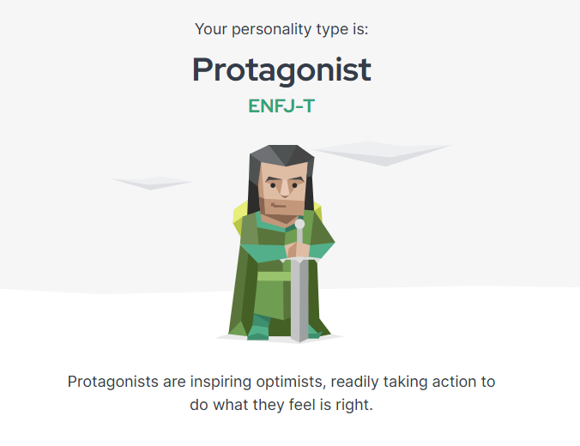
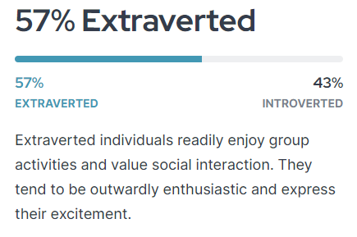
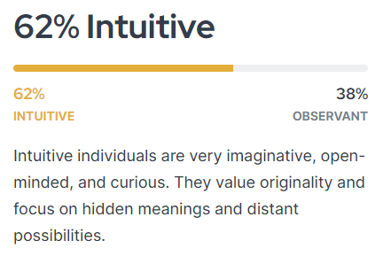
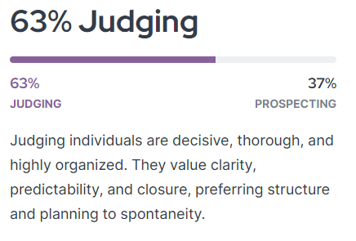
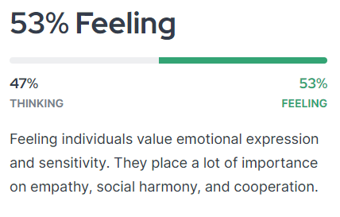
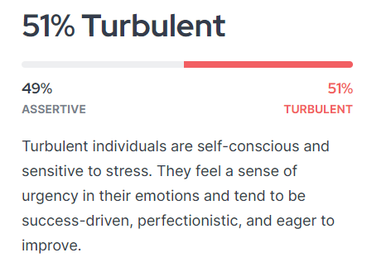
Statement | Score (1[agree] - 7 [disagree])
You regularly make new friends | 4
You spend a lot of your free time exploring various random topics that pique your interest | 2
Seeing other people cry can easily make you feel like you want to cry too | 3
You often make a backup plan for a backup plan | 5
You usually stay calm, even under a lot of pressure | 2
At social events, you rarely try to introduce yourself to new people and mostly talk to the ones you already know | 6
You prefer to completely finish one project before starting another | 3
You are very sentimental | 4
You like to use organizing tools like schedules and lists | 2
Even a small mistake can cause you to doubt your overall abilities and knowledge | 3
You feel comfortable just walking up to someone you find interesting and striking up a conversation | 2
You are not too interested in discussing various interpretations and analyses of creative works | 6
You are more inclined to follow your head than your heart | 2
You usually prefer just doing what you feel like at any given moment instead of planning a particular daily routine | 5
You rarely worry about whether you make a good impression on people you meet | 4
You enjoy participating in group activities | 3
You like books and movies that make you come up with your own interpretation of the ending | 3
Your happiness comes more from helping others accomplish things than your own accomplishments | 2
You are interested in so many things that you find it difficult to choose what to try next | 2
You are prone to worrying that things will take a turn for the worse | 3
You avoid leadership roles in group settings | 4
You are definitely not an artistic type of person | 6
You think the world would be a better place if people relied more on rationality and less on their feelings | 2
You prefer to do your chores before allowing yourself to relax | 3
You enjoy watching people argue | 5
You tend to avoid drawing attention to yourself | 4
Your mood can change very quickly | 4
You lose patience with people who are not as efficient as you | 5
You often end up doing things at the last possible moment | 5
You have always been fascinated by the question of what, if anything, happens after death | 3
You usually prefer to be around others rather than on your own | 4
You become bored or lose interest when the discussion gets highly theoretical | 4
You find it easy to empathize with a person whose experiences are very different from yours | 2
You usually postpone finalizing decisions for as long as possible | 5
You rarely second-guess the choices that you have made | 3
After a long and exhausting week, a lively social event is just what you need | 2
You enjoy going to art museums | 3
You often have a hard time understanding other people’s feelings | 4
You like to have a to-do list for each day | 2
You rarely feel insecure | 4
You avoid making phone calls | 4
You often spend a lot of time trying to understand views that are very different from your own | 2
In your social circle, you are often the one who contacts your friends and initiates activities | 3
If your plans are interrupted, your top priority is to get back on track as soon as possible | 4
You are still bothered by mistakes that you made a long time ago | 3
You rarely contemplate the reasons for human existence or the meaning of life | 4
Your emotions control you more than you control them | 4
You take great care not to make people look bad, even when it is completely their fault | 4
Your personal work style is closer to spontaneous bursts of energy than organized and consistent efforts | 4
When someone thinks highly of you, you wonder how long it will take them to feel disappointed in you | 3
You would love a job that requires you to work alone most of the time | 2
You believe that pondering abstract philosophical questions is a waste of time | 4
You feel more drawn to places with busy, bustling atmospheres than quiet, intimate places | 3
You know at first glance how someone is feeling | 4
You often feel overwhelmed | 4
You complete things methodically without skipping over any steps | 3
You are very intrigued by things labeled as controversial | 3
You would pass along a good opportunity if you thought someone else needed it more | 3
You struggle with deadlines | 4
You feel confident that things will work out for you | 3

Result | ENFJ-T

