Sheet2
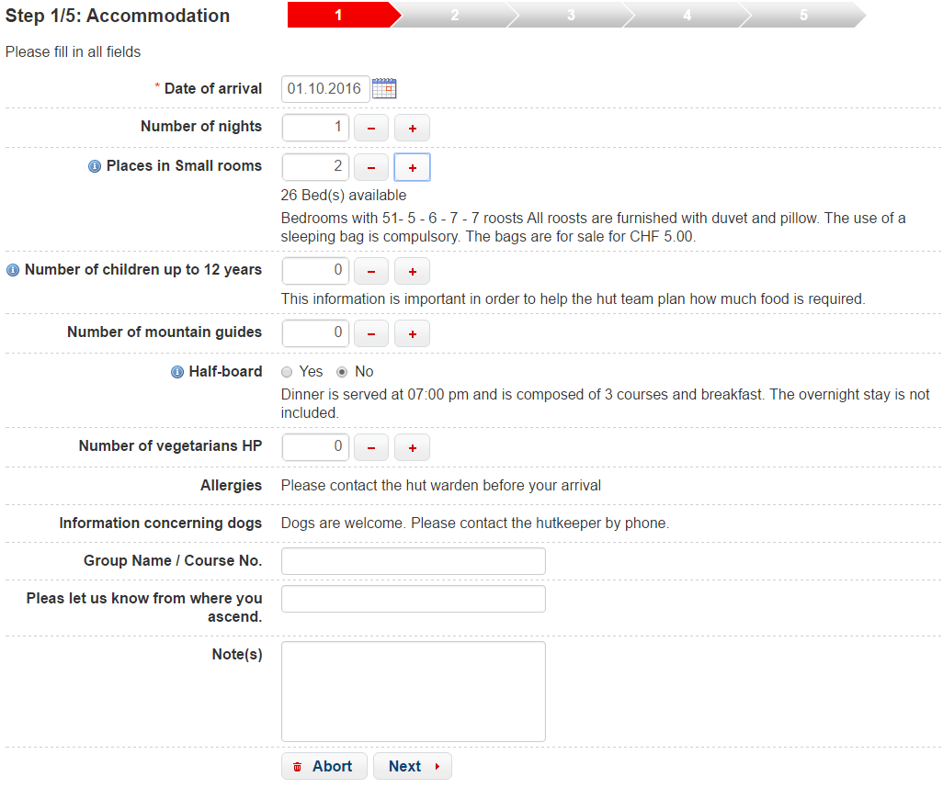
<on-start>
 | reservationAction.getFavicon()
 | reservationAction.getTenantLanguages(hut_id)
 |  | query
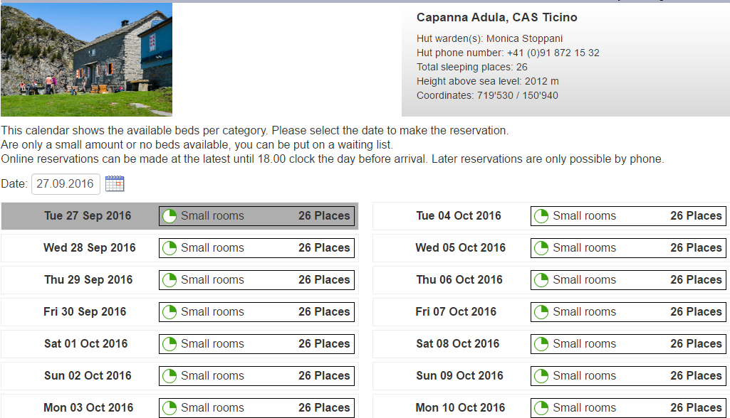

<decision-state id="checkCreateOrEditReservation">
 | <if test="reservation_id != null" then="editReservation" else="createReservation" />
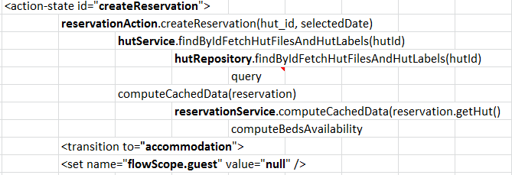

<action-state id="createReservation"> |  |  |  |  | 111
 | reservationAction.createReservation(hut_id, selectedDate)
 |  | hutService.findByIdFetchHutFilesAndHutLabels(hutId)
 |  |  | hutRepository.findByIdFetchHutFilesAndHutLabels(hutId)
 |  |  |  | query
 |  | computeCachedData(reservation)
 |  |  | reservationService.computeCachedData(reservation.getHut()
 |  |  |  | computeBedsAvailability
 | <transition to="accommodation">
 | <set name="flowScope.guest" value="null" />

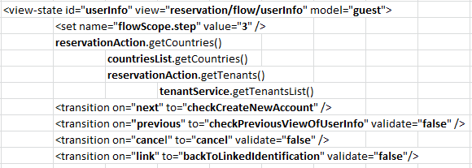
<action-state id="editReservation">
 | reservationAction.editReservation(reservation_id)
 |  | reservationService.editReservation(reservationId)
 |  |  | repository().findByIdFetchBookings(reservationId, ReservationStatusEnum.Tentative)
 |  |  |  | query
 |  | hutService.findByIdFetchHutFilesAndHutLabels(reservation_id)
 |  |  | hutRepository.findByIdFetchHutFilesAndHutLabels(hutId)
 |  |  |  | query
 | <transition to="accommodation">
 | <set name="flowScope.guest" value="reservation.guest" />
 | <set name="flowScope.guest.confirmEmail" value="reservation.guest.email" />

<action-state id="resetBooking">
 | reservationAction.resetBooking(reservation)
 | <transition to="accommodation" />

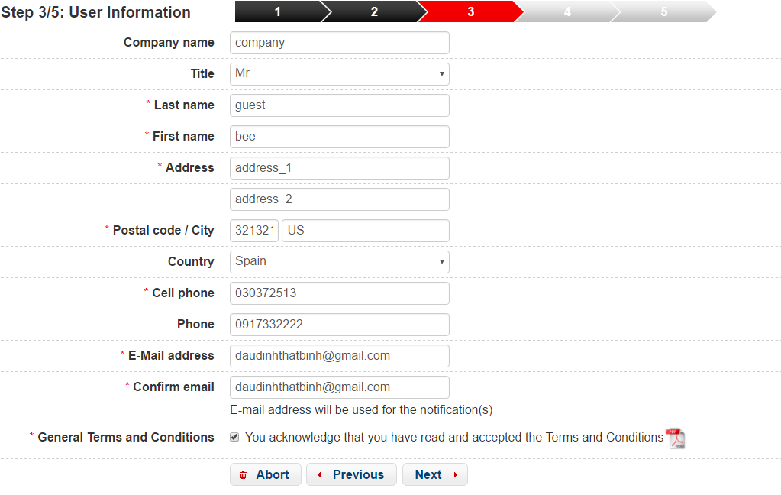
<view-state id="accommodation" model="reservation" view="reservation/flow/accommodation">
 | <set name="flowScope.step" value="1" />
 | <set name="viewScope.maxBookingNights" value="reservationAction.getMaxBookingNights()" />
 | <set name="viewScope.maxIntervalDate" value="reservationAction.getMaxIntervalDate()" />
 | <transition on="next" to="preBooking">
 |  | <set name="flowScope.waitingListMode" value="reservation.waitingListMode" />
 | <transition on="cancel" to="cancel" validate="false" />

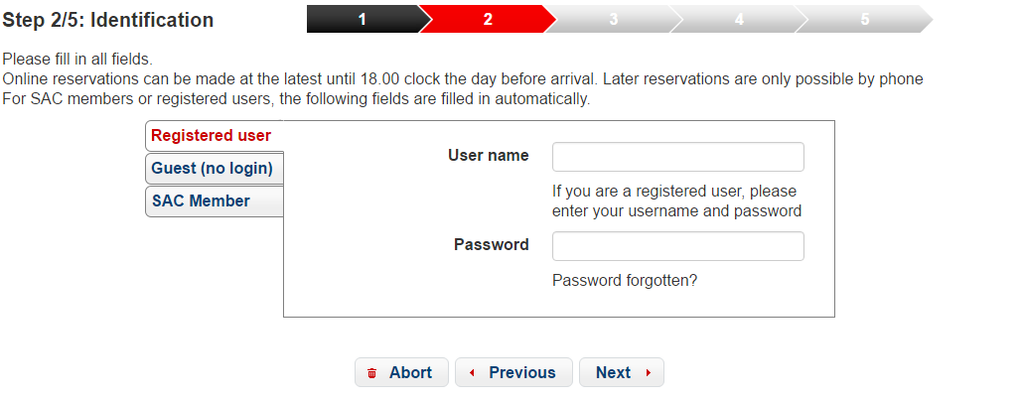
<action-state id="preBooking">
 | reservationAction.preBooking(reservation, messageContext)
 |  | reservationService.generateReservationNumber()
 |  |  | repository().generateReservationNumber() |  |  |  |  | 333
 |  |  |  | query
 | <transition on-exception="ch.sac.hrs.exception.OverBookingException" to="accommodation" />
 | <transition to="checkNeedsIdentification" /> |  |  |  |  |  |  |  |  | 101

 |  |  |  |  |  |  | 222
<decision-state id="checkNeedsIdentification">
 | reservationAction.checkNeedsIdentification(guest, currentUser)
 |  | then="identification" else="loadUserInfo"

<action-state id="loadUserInfo">
 | reservationAction.loadUserInfo(reservation, guest)
 | <transition to="userInfo" />

<view-state id="identification" view="reservation/flow/identification" model="login">
 | <set name="flowScope.step" value="2" />
 | <set name="flashScope.resetPasswordSacLink" value="reservationAction.getResetPasswordSacLink()" />
 | <transition on="next" to="login" />
 | <transition on="previous" to="resetBooking" validate="false" />
 | <transition on="cancel" to="cancel" validate="false" />
 | <transition on="forgottenPassword" to="resetPassword" validate="false" />

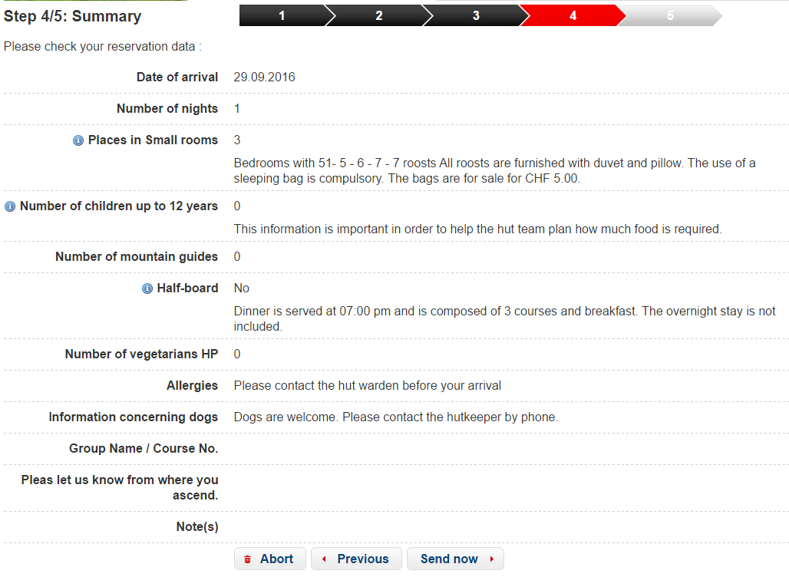
<view-state id="resetPassword" view="common/resetPassword">
 | <set name="flowScope.step" value="null" /> |  |  |  |  | 444
 | <transition on="previous" to="identification" validate="false" />

 |  |  |  |  |  |  |  |  | 333
<action-state id="login">
 | reservationAction.login(flowScope.reservation.hut, login, guest, messageContext)
 |  | result="flowScope.user"
 | <transition to="userInfo">
 |  | <set name="flowScope.guest" value="user.guest" />
 | <transition to="identification" on-exception="ch.sac.hrs.exception.InvalidUserException" />

<view-state id="userInfo" view="reservation/flow/userInfo" model="guest">
 | <set name="flowScope.step" value="3" />
 | reservationAction.getCountries()
 |  | countriesList.getCountries()
 |  | reservationAction.getTenants()
 |  |  | tenantService.getTenantsList()
 | <transition on="next" to="checkCreateNewAccount" />
 | <transition on="previous" to="checkPreviousViewOfUserInfo" validate="false" />
 | <transition on="cancel" to="cancel" validate="false" />
 | <transition on="link" to="backToLinkedIdentification" validate="false"/>

<action-state id="backToLinkedIdentification">
 | reservationAction.setLinkedLoginDetails(login, guest)
 |  | guestService.findByGuestEmail(guest.getEmail())
 |  |  | QueryCriteria
 | <transition to="identification" />

<decision-state id="checkPreviousViewOfUserInfo">
 | reservationAction.checkNeedsIdentification(guest, currentUser)
 |  | then="backToIdentification" else="resetBooking"

<action-state id="backToIdentification">
 | reservationAction.resetLoginDetails(login)
 |  | resetLogin(login, null)
 | <transition to="identification" />

<decision-state id="checkCreateNewAccount">
 | <if test="guest.savePersonalData"
 |  | then="userAccount" else="summary"

<view-state id="userAccount" view="reservation/flow/userAccount" model="user">
 | <set name="flowScope.step" value="3" />
 | <set name="flowScope.user.username" value="guest.email" />
 | <transition on="next" to="saveUserInfo" validate="true" />
 | <transition on="previous" to="userInfo" validate="false" />
 | <transition on="cancel" to="cancel" validate="false" />

<action-state id="saveUserInfo">
 | reservationAction.saveUserData(guest, user, reservation.hut)
 |  | mailService.sendHrsApplicationMessage(user, plainPassword,
 |  |  | HrsWebUtils.buildFullLink(LoginController.GUEST_LOGIN), hut)

 | <transition to="summary">
 | <set name="guest.savePersonalData" value="false"></set>

<view-state id="summary" view="reservation/flow/summary">
 | <set name="flowScope.step" value="4" />
 | <transition on="previous" to="userInfo" validate="false" />
 | <transition on="next" to="saveReservation" />
 | <transition on="cancel" to="cancel" />

<action-state id="saveReservation">
 | reservationAction.saveReservation(reservation, guest)
 |  | reservationService.submitReservation(reservation, guest)
 |  |  | reservationRepository.decreaseDatesOverlapping(result.getGuest(), result.getArrivalDate(),
 |  |  |  | DateUtils.addDays(result.getArrivalDate(), result.getNumOfNights() - 1),
 | <transition to="checkMustConfirmReservation" />
 | <transition to="resetBooking" on-exception="ch.sac.hrs.exception.BookingRequestExpiredException">
 | <set name="flashScope.requestExpired" value="true" />

<decision-state id="checkMustConfirmReservation">
 | <if test="reservationAction.checkMustConfirmReservations(reservation)"
 |  | then="confirmation" else="reservationDetail"

<view-state id="confirmation" view="reservation/flow/confirmation">
 | <set name="flowScope.step" value="5" />
 |  | reservationAction.getHutById(hut_id
 |  |  | hutService.findById(hutId)
 |  | reservationAction.getCountriesListFromExistingHuts()
 |  |  | hutService.getCountriesListFromExistingHuts()
 |  | <transition to="guestReservations" on-exception="ch.sac.hrs.exception.HrsRTException" />
 |  | <transition on="finish" to="success" />

<action-state id="success">
 | reservationAction.finishBooking()
 | <transition on="guestReservations" to="guestReservations" />
 | <transition on="adminReservations" to="adminReservations" />
 | <transition on="hutCalendar" to="hutCalendar" />

<decision-state id="cancel">
 | <if test="reservation_id != null"
 |  | then="checkCancelEditReservation" else="deleteReservation"

<action-state id="deleteReservation">
 | <evaluate expression="reservationAction.cancelReservation(reservation)" />
 |  | reservationService.delete(reservation)
 | <transition to="finishDeleteReservation" />

<decision-state id="finishDeleteReservation">
 | <if test="currentUser == null" />
 |  | then="hutCalendar" else="checkCancelEditReservation"

<decision-state id="checkCancelEditReservation">
 | <if test="reservationAction.isGuest(currentUser)" />
 |  | then="guestReservations" else="adminReservations"

<end-state id="hutCalendar" view="externalRedirect:reservation/calendar?hut_id=#{reservation.hut.id}&amp;header=#{header}" />
<end-state id="guestReservations" view="externalRedirect:guest/reservations" />
<end-state id="adminReservations" view="externalRedirect:admin/reservations" />
<end-state id="reservationDetail" view="externalRedirect:reservation/detail?id=#{reservation.reservationPublicId}&amp;header=#{header}" />

<exception-handler bean="reservationFlowExceptionHandler" />

Sheet3
Environment |  |  |  |  |  | DataBase
CPU | Intel(R) Core(TM) i3 CPU 3.07GHz |  |  |  |  | table | 1
Memory | 8GB |  |  |  |  | columns | 34
JVM | -Xms3g -Xmx4g |  |  |  |  | records | 1000000+
Server Tomcat | v7.0
SQL Serever 2008 R2 | 10.50.4042.0

Sheet3!B251 | Spring MVC

 | Unit | Average | 1st | 2nd | 3rd | 4th | 5th | 6th | 7th | 8th | 9th | 10th | 11th | 12th | 13th | 14th | 15th
GetDataForOnePage | ms | 413.14 | 113.85 | 251.28 | 219.34 | 289.73 | 288.14 | 340.33 | 394.93 | 396.35 | 442.14 | 500.11 | 524.77 | 568.06 | 599.04 | 624.46 | 644.64
GetWatchForOnePage | ms | 448.81 | 62.64 | 169.30 | 226.59 | 248.91 | 309.30 | 367.67 | 392.66 | 457.30 | 511.32 | 556.05 | 618.12 | 614.84 | 661.88 | 760.34 | 775.22
GetJewelryForOnePage | ms | 425.41 | 55.62 | 155.32 | 194.92 | 246.27 | 287.33 | 341.39 | 414.47 | 423.79 | 488.28 | 500.86 | 542.75 | 621.54 | 647.01 | 697.37 | 764.24
SearchProduct | ms | 965.69 | 1285.55 | 760.91 | 664.92 | 478.25 | 673.29 | 665.45 | 1376.24 | 659.91 | 955.73 | 954.24 | 978.26 | 952.01 | 1323.68 | 1403.55 | 1353.42
AddNewProduct | ms | 85.54 | 270.64 | 44.50 | 40.70 | 58.84 | 57.69 | 55.08 | 235.22 | 50.89 | 41.55 | 51.04 | 38.45 | 158.90 | 79.67 | 44.48 | 55.48
UpdateProduct | ms | 77.83 | 392.55 | 38.58 | 53.80 | 85.81 | 54.55 | 56.32 | 89.56 | 57.45 | 46.19 | 36.73 | 37.31 | 50.79 | 59.00 | 60.02 | 48.84
RemoveAProduct | ms | 57.24 | 120.23 | 58.99 | 39.65 | 40.42 | 48.60 | 35.89 | 103.44 | 56.60 | 45.41 | 67.77 | 51.40 | 36.95 | 35.01 | 64.40 | 53.93

 |  |  |  |  | cpu |  |  |  |  |  |  |  |  |  | cpu | #DIV/0!
 |  |  |  |  | memory |  |  |  |  |  |  |  |  |  | memory | 1209.6 | 1215 | 1199 | 1055 | 1272 | 1307
 |  |  |  |  | thread |  |  |  | 665600 |  |  |  |  |  | thread | #DIV/0!
 |  |  |  |  |  |  |  |  |  |  |  |  |  |  |  |  |  |  |  |  | 1307.9127726 |  | 1024
 |  |  | 185603 |  |  |  |  |  |  |  |  |  |  |  |  |  |  |  |  |  | 354 | 443 | 3.1900311526
 |  |  | 142.77153846 | 1003 |  |  |  |  |  |  |  |  |  |  |  | 0.37 |  |  |  | 410 | 764 | 764 | 321
 |  |  |  |  |  |  |  |  |  |  |  |  | 16
 |  |  |  |  |  |  |  |  |  |  |  |  |  |  |  |  |  |  |  |  | Time-1st |  |  |  |  | Time-2nd |  |  |  |  | Time-3th |  |  |  |  | Time-4th |  |  |  |  | Time-5th |  |  |  |  | Time-6th
 | thinking time |  |  | Client throughput |  | per minute |  |  |  | Actual throughput |  | per minut |  | Average Reponse Time (s) | 90% (s) | min (ms) | max (s) | % CPU | Memory Used | Thread | t.put | response | 90% | min | max | t.put | response | 90% | min | max | t.put | response | 90% | min | max | t.put | response | 90% | min | max | t.put | response | 90% | min | max | t.put | response | 90% | min | max
 | 3-5s |  |  | 1 |  | 60 |  |  |  | 0.16 |  | 9 |  | 0.6 | 1.1 | 30.7 | 1.8 | 4.8 | 353 | 51 | 0.12666666667 | 1824 | 2794 | 137 | 4818 | 0.155 | 545 | 513 | 12 | 2271 | 0.17333333333 | 347 | 489 | 16 | 498 | 0.15166666667 | 594 | 1705 | 8 | 2224 | 0.165 | 224 | 487 | 5 | 367 | 0.16666666667 | 327 | 487 | 6 | 918
 |  |  |  | 5 |  | 300 |  |  |  | 0.64 |  | 38 |  | 0.9 | 2.5 | 4.7 | 4.3 | 5.4 | 358 | 51 | 0.575 | 1467 | 4032 | 6 | 5882 | 0.62166666667 | 1195 | 4182 | 5 | 7196 | 0.58333333333 | 1203 | 4107 | 6 | 5405 | 0.69833333333 | 427 | 917 | 3 | 2176 | 0.63166666667 | 478 | 1064 | 3 | 2587 | 0.705 | 366 | 545 | 5 | 2400
 |  |  |  | 10 |  | 600 |  |  |  | 1.08 |  | 65 |  | 1.2 | 3.8 | 4.0 | 8.1 | 9 | 377 | 53 | 1 | 1605 | 5699 | 5 | 10182 | 0.89333333333 | 2063 | 6094 | 4 | 17314 | 1.2 | 1017 | 4244 | 7 | 6054 | 1.1 | 545 | 1510 | 3 | 3902 | 1.2 | 576 | 1457 | 1 | 3114
 |  |  |  | 20 |  | 1200 |  |  |  | 1.98 |  | 119 |  | 1.9 | 6.4 | 3.7 | 14.0 | 12.2 | 424 | 62 | 1.6 | 3160 | 12136 | 4 | 22849 | 1.5 | 3457 | 11747 | 7 | 25358 | 1.8 | 2466 | 9112 | 5 | 19564 | 2.3 | 772 | 1853 | 2 | 5967 | 2.3 | 722 | 1853 | 2 | 5967 | 2.4 | 762 | 1989 | 2 | 4581
 |  |  |  | 50 |  | 3000 |  |  |  | 3.10 |  | 186 |  | 6.3 | 21.3 | 2.7 | 56.8 | 27.2 | 546 | 94 | 2.3 | 9670 | 34583 | 4 | 86429 | 2.3 | 8676 | 31542 | 2 | 82587 | 2.2 | 9111 | 36738 | 4 | 81231 | 4 | 3115 | 7259 | 2 | 29530 | 3.5 | 4350 | 10589 | 2 | 37832 | 4.3 | 2998 | 7069 | 2 | 23145
 |  |  |  | 80 |  | 4800 |  |  |  | 3.78 |  | 227 |  | 10.3 | 31.2 | 2.7 | 85.8 | 17.8 | 858 | 123 | 2.1 | 21909 | 84929 | 3 | 169390 | 3.9 | 8472 | 22207 | 4 | 98510 | 4.6 | 7068 | 18758 | 3 | 57938 | 3.9 | 8153 | 21936 | 3 | 57799 | 4.2 | 7781 | 17491 | 1 | 65844 | 4 | 8518 | 21897 | 2 | 65226
 |  |  |  | 100 |  | 6000 |  |  |  | 4.07 |  | 244 |  | 12.3 | 35.7 | 2.5 | 117.0 | 20.3 | 915 | 146 | 2.7 | 21890 | 80712 | 4 | 193653 | 3.7 | 12406 | 25267 | 2 | 154229 | 4.4 | 9648 | 37695 | 3 | 122146 | 4.7 | 9491 | 23322 | 2 | 67850 | 4.8 | 8969 | 19028 | 2 | 70859 | 4.1 | 11270 | 28467 | 2 | 93003
 |  |  |  | 125 |  | 7500 |  |  |  | 4.07 |  | 244 |  | 18.2 | 51.4 | 2.3 | 139.5 | 48.7 | 958 | 170 | 2.3 | 36379 | 136784 | 3 | 307007 | 3.8 | 14798 | 32804 | 4 | 10936 | 3.5 | 20513 | 54781 | 2 | 208710 | 5 | 11654 | 25141 | 2 | 98657 | 4.8 | 13346 | 28941 | 1 | 100326 | 5 | 12744 | 29744 | 2 | 111101
 |  |  |  | 150 |  | 9000 |  |  |  | 4.23 |  | 254 |  | 22.2 | 59.9 | 3.2 | 190.2 | 42.7 | 1042 | 193 | 2.2 | 47501 | 161415 | 3 | 410237 | 4.7 | 16127 | 34536 | 3 | 134329 | 4.4 | 19212 | 44686 | 3 | 146170 | 4.7 | 16319 | 39076 | 5 | 178742 | 4.8 | 17001 | 38285 | 2 | 136484 | 4.6 | 17283 | 41122 | 3 | 135210
 |  |  |  | 200 |  | 12000 |  |  |  | 4.70 |  | 282 |  | 27.3 | 73.9 | 2.5 | 221.8 | 32.5 | 1063 | 243 | 2.8 | 49699 | 191687 | 3 | 429483 | 4.7 | 23190 | 51930 | 3 | 176705 | 5.5 | 20079 | 42318 | 1 | 167701 | 5.2 | 22683 | 54015 | 3 | 172039 | 5.4 | 22104 | 45243 | 2 | 186362 | 4.6 | 26220 | 58496 | 3 | 198499
 |  |  |  | 300 |  | 18000 |  |  |  | 4.87 |  | 292 |  | 43.0 | 97.5 | 3.2 | 299.9 | 45 | 1117 | 342 | 3.3 | 66906 | 184190 | 4 | 546197 | 4.7 | 41757 | 90733 | 5 | 267510 | 5.4 | 37123 | 76597 | 3 | 245605 | 5.3 | 36958 | 73960 | 3 | 201190 | 5.3 | 37583 | 76479 | 2 | 257159 | 5.2 | 37943 | 83225 | 2 | 281752
 |  |  |  | 400 |  | 24000 |  |  |  | 4.12 |  | 247 |  | 70.2 | 201.9 | 2.2 | 622.9 | 41.5 | 1209 | 446 | 2.9 | 101536 | 334715 | 2 | 1031468 | 4 | 71143 | 183517 | 2 | 552826 | 4.1 | 71089 | 203376 | 3 | 655248 | 4.6 | 60565 | 163687 | 2 | 463946 | 4.5 | 58265 | 159226 | 2 | 444337 | 4.6 | 58635 | 166615 | 2 | 589773
 |  |  |  | 500 |  | 30000 |  |  |  | 3.97 |  | 238 |  | 90.0 | 248.3 | 2.2 | 751.1 | 45.5 | 1226 | 546 | 3.2 | 114890 | 316021 | 3 | 1227782 | 4.3 | 80922 | 227454 | 2 | 724072 | 3.4 | 109039 | 324513 | 2 | 897675 | 4 | 79806 | 209554 | 2 | 768940 | 4.7 | 72620 | 185946 | 2 | 81005 | 4.2 | 82646 | 226380 | 2 | 806892
 |  |  |  | 800 |  | 48000 |  |  |  | 4.95 |  | 297 |  | 113.7 | 344.7 | 2.0 | 1208.7 | 38 | 1287 | 842 | 4.1 | 144564 | 406065 | 2 | 1469701 | 5.3 | 104317 | 295270 | 2 | 1088564 | 5.3 | 104690 | 298195 | 2 | 1126027 | 5.1 | 105177 | 446595 | 2 | 1169227 | 5.1 | 111157 | 339591 | 2 | 1051499 | 4.8 | 112540 | 282503 | 2 | 1347086

Spring MVC Server - Actual throughput - per minute
Spring MVC Server - Average Reponse Time - second
Spring MVC Server - 90% Response Time And Max Response Time - second
Spring MVC Server - Percent CPU - %
Spring MVC Server - Memory Used - MB
Spring MVC Server - Thread

Sheet3!B251 | Play framework

MySQL
 | Unit | Average | 1st | 2nd | 3rd | 4th | 5th | 6th | 7th | 8th | 9th | 10th | 11th | 12th | 13th | 14th | 15th
GetDataForOnePage | ms | 1545.42 | 79.94 | 368.99 | 587.21 | 782.47 | 997.75 | 1150.30 | 1470.39 | 1627.55 | 1755.73 | 1998.37 | 2120.14 | 2286.73 | 2424.31 | 2693.03 | 2838.41
GetWatchForOnePage | ms | 1680.27 | 87.92 | 505.88 | 690.99 | 872.56 | 1065.53 | 1328.43 | 1453.38 | 1689.25 | 1878.14 | 2161.89 | 2246.12 | 2521.84 | 2680.62 | 2873.27 | 3148.21
GetJewelryForOnePage | ms | 1675.24 | 50.94 | 229.76 | 662.81 | 845.27 | 1171.63 | 1299.44 | 1492.04 | 1687.92 | 1932.08 | 2199.39 | 2297.35 | 2516.15 | 2715.69 | 2931.61 | 3096.54
SearchProduct | ms | 1102.53 | 944.81 | 899.45 | 749.85 | 929.64 | 900.81 | 1295.44 | 1374.30 | 935.09 | 1906.86 | 1410.66 | 1548.99 | 1225.55 | 1170.36 | 1163.60 | 82.48
AddNewProduct | ms | 152.76 | 508.14 | 93.24 | 304.26 | 88.99 | 88.17 | 94.46 | 101.01 | 298.67 | 77.66 | 90.35 | 171.89 | 90.22 | 89.87 | 90.34 | 104.17
UpdateProduct | ms | 146.14 | 319.69 | 133.28 | 93.60 | 123.80 | 33.47 | 34.45 | 232.34 | 31.58 | 582.17 | 140.29 | 36.46 | 211.43 | 34.09 | 151.90 | 33.60
RemoveAProduct | ms | 178.87 | 313.30 | 46.80 | 402.85 | 166.72 | 188.45 | 34.25 | 83.12 | 280.02 | 147.28 | 231.92 | 138.04 | 152.40 | 196.52 | 164.04 | 137.38

SQL Server 2008
 | Unit | Average | 1st | 2nd | 3rd | 4th | 5th | 6th | 7th | 8th | 9th | 10th | 11th | 12th | 13th | 14th | 15th
GetDataForOnePage | ms | 422.56 | 44.36 | 77.38 | 135.89 | 372.83 | 306.50 | 394.15 | 349.49 | 430.36 | 395.33 | 460.45 | 498.87 | 677.98 | 678.37 | 760.99 | 755.52
GetWatchForOnePage | ms | 461.61 | 37.87 | 195.15 | 208.31 | 278.25 | 281.29 | 321.94 | 363.68 | 485.59 | 597.54 | 560.41 | 635.57 | 666.75 | 734.77 | 778.42 | 778.55
GetJewelryForOnePage | ms | 393.83 | 36.15 | 131.49 | 174.39 | 212.99 | 277.43 | 318.20 | 344.96 | 403.47 | 418.50 | 515.48 | 534.02 | 563.77 | 595.28 | 638.83 | 742.54
SearchProduct | ms | 922.49 | 557.28 | 603.13 | 646.36 | 561.75 | 493.31 | 640.28 | 863.05 | 926.21 | 911.17 | 1045.67 | 980.79 | 1489.24 | 1471.96 | 1324.12 | 1323.06
AddNewProduct | ms | 271.09 | 1841.00 | 112.89 | 511.24 | 98.89 | 108.20 | 104.76 | 115.75 | 74.80 | 80.66 | 290.77 | 253.85 | 59.41 | 98.41 | 249.02 | 66.67
UpdateProduct | ms | 135.52 | 684.74 | 62.28 | 93.61 | 65.80 | 74.14 | 94.76 | 74.63 | 80.87 | 191.84 | 97.12 | 83.53 | 82.78 | 108.67 | 137.61 | 100.41
RemoveAProduct | ms | 96.59 | 96.79 | 73.91 | 73.25 | 83.85 | 150.76 | 238.82 | 85.58 | 95.57 | 80.32 | 87.81 | 71.83 | 82.06 | 39.57 | 114.77 | 73.99

 | thinking time |  |  | Client throughput |  | per minute |  |  |  | Actual throughput |  | per minut |  | reponse | min | max | CPU | Memory | Thread | t.put | response | min | max | t.put | response | min | max | t.put | response | min | max | t.put | response | min | max | t.put | response | min | max | t.put | response | min | max | t.put | response | min | max | t.put | response | min | max | t.put | response | min | max | t.put | response | min | max
 | 3-5s |  |  | 1 |  | 60 |  |  |  | 0.13791666667 |  | 8 |  | 1.4 | 63.5 | 2.6 | 3.4 | 571 | 51 | 0.14166666667 | 1266 | 54 | 2466 | 0.13833333333 | 1585 | 39 | 2851 | 0.13333333333 | 1146 | 84 | 2527 | 0.13833333333 | 1440 | 77 | 2467
 |  |  |  | 5 |  | 300 |  |  |  | 0.405 |  | 24 |  | 4.5 | 89.75 | 13.5 | 4.8 | 590 | 55 | 0.42833333333 | 4101 | 105 | 11796 | 0.45333333333 | 3445 | 99 | 10771 | 0.39333333333 | 4493 | 44 | 14257 | 0.345 | 5905 | 111 | 17249
 |  |  |  | 10 |  | 600 |  |  |  | 0.57888888889 |  | 35 |  | 8.5 | 98 | 24.2 | 4.8 | 637 | 57 | 0.55666666667 | 8669 | 51 | 26739 | 0.565 | 8896 | 119 | 27915 | 0.615 | 7824 | 124 | 17906
 |  |  |  | 20 |  | 1200 |  |  |  | 0.63041666667 |  | 38 |  | 21.0 | 98.75 | 70.6 | 4.2 | 731 | 57 | 0.65166666667 | 20621 | 130 | 65402 | 0.62333333333 | 21050 | 10 | 72376 | 0.62833333333 | 21882 | 115 | 70486 | 0.61833333333 | 20589 | 140 | 74232
 |  |  |  | 50 |  | 3000 |  |  |  | 0.67277777778 |  | 40 |  | 56.3 | 70.333333333 | 223.7 | 11.3 | 854 | 57 | 0.66333333333 | 56667 | 155 | 183871 | 0.67 | 56304 | 32 | 219582 | 0.685 | 55838 | 24 | 267648
 |  |  |  | 80 |  | 4800 |  |  |  | 0.70333333333 |  | 42 |  | 87.9 | 29 | 393.3 | 9.1 | 854 | 57 | 0.67666666667 | 90924 | 13 | 339637 | 0.71 | 89595 | 37 | 318047 | 0.72333333333 | 83177 | 37 | 522203
 |  |  |  | 100 |  | 6000 |  |  |  | 0.67333333333 |  | 40 |  | 115.4 | 49 | 581.8 |  |  |  | 0.67333333333 | 115361 | 49 | 581833
 |  |  |  |  |  | 0 |  |  |  | #DIV/0! |  | #DIV/0! |  | #DIV/0! | #DIV/0! | #DIV/0!

Actual throughput
Response Time

 |  |  |  |  | cpu |  |  |  |  |  |  |  |  |  | cpu | 24.0 | 24
 |  |  |  |  | memory |  |  |  |  |  |  |  |  |  | memory | 1048.0 | 1049 | 1070 | 1015 | 1024 | 1074 | 1056
 |  |  |  |  | thread |  |  |  | 665600 |  |  |  |  |  | thread | 59.0 | 58 | 60 | 59
 |  |  |  |  |  |  |  |  |  |  |  |  |  | 9:15:00 |  |  |  |  |  |  | 1056.4507042 |  | 1024
 |  |  | 185603 |  |  |  |  |  |  |  |  |  |  |  |  |  |  |  |  |  | 407 | 416 | 3.6056338028
 |  |  | 142.77153846 | 1003 |  |  |  |  |  |  |  |  |  |  |  | 0.37 |  |  |  | 293 | 700 | 700 | 284

 |  |  |  |  |  |  |  |  |  |  |  |  |  |  |  |  |  |  |  |  | Time-1st |  |  |  |  | Time-2nd |  |  |  |  | Time-3th |  |  |  |  | Time-4th |  |  |  |  | Time-5th |  |  |  |  | Time-6th
 | thinking time |  |  | Client throughput |  | per minute |  |  |  | Actual throughput |  | per minut |  | Average Reponse Time (s) | 90% (s) | min (ms) | max (s) | % CPU | Memory Used | Thread | t.put | response | 90% | min | max | t.put | response | 90% | min | max | t.put | response | 90% | min | max | t.put | response | 90% | min | max | t.put | response | 90% | min | max | t.put | response | 90% | min | max
 | 3-5s |  |  | 1 |  | 60 |  |  |  | 0.15 |  | 9 |  | 0.7 | 1.0 | 14.3 | 2.2 | 2.7 | 533 | 51 | 0.14 | 1218 |  | 19 | 4305 | 0.14333333333 | 746 |  | 33 | 2860 | 0.15833333333 | 640 |  | 16 | 2307 | 0.15333333333 | 749 | 1695 | 8 | 2117 | 0.15833333333 | 265 | 442 | 3 | 508 | 0.16 | 360 | 797 | 7 | 1125
 |  |  |  | 5 |  | 300 |  |  |  | 0.64 |  | 39 |  | 0.8 | 2.7 | 7.7 | 4.9 | 6.2 | 564 | 55 | 0.61666666667 | 1220 | 4396 | 10 | 6692 | 0.58166666667 | 1077 | 3304 | 18 | 7740 | 0.63333333333 | 1222 | 3722 | 9 | 6547 | 0.705 | 480 | 1424 | 3 | 2978 | 0.66166666667 | 549 | 1806 | 3 | 2801 | 0.65333333333 | 519 | 1497 | 3 | 2897
 |  |  |  | 10 |  | 600 |  |  |  | 1.10 |  | 66 |  | 1.1 | 3.6 | 4.8 | 7.6 | 6 | 619 | 57 | 1.1 | 1482 | 5096 | 7 | 10992 | 1.1 | 1594 | 4868 | 5 | 13014 | 1 | 1416 | 5046 | 9 | 9075 | 1.1 | 716 | 2671 | 2 | 3627 | 1.1 | 829 | 2291 | 3 | 3787 | 1.2 | 711 | 1862 | 3 | 5028
 |  |  |  | 20 |  | 1200 |  |  |  | 1.87 |  | 112 |  | 2.1 | 6.3 | 5.2 | 16.6 | 11.4 | 672 | 58 | 2 | 2161 | 6137 | 5 | 17349 | 1.8 | 2286 | 7877 | 6 | 17336 | 1.7 | 2661 | 8571 | 5 | 18164 | 1.8 | 2714 | 8732 | 5 | 17914 | 1.9 | 1549 | 4012 | 6 | 18167 | 2 | 957 | 2545 | 4 | 10393
 |  |  |  | 50 |  | 3000 |  |  |  | 3.38 |  | 203 |  | 6.5 | 16.0 | 4.5 | 37.3 | 19.6 | 850 | 58 | 2.4 | 10072 | 24134 | 5 | 64470 | 2.4 | 10760 | 27358 | 4 | 46503 | 3.2 | 6723 | 16639 | 6 | 40400 | 3.5 | 5416 | 12094 | 4 | 30886 | 4.4 | 2873 | 8155 | 3 | 20451 | 4.4 | 3199 | 7366 | 5 | 21228
 |  |  |  | 80 |  | 4800 |  |  |  | 4.00 |  | 240 |  | 10.4 | 26.2 | 4.0 | 59.1 | 18.1 | 871 | 57 | 3 | 15484 | 41509 | 6 | 103706 | 4.3 | 8986 | 23442 | 4 | 57436 | 4.1 | 10441 | 25110 | 4 | 43467 | 4.3 | 9091 | 23223 | 3 | 38244 | 4.6 | 7965 | 17727 | 3 | 52883 | 3.7 | 10620
 |  |  |  | 100 |  | 6000 |  |  |  | 3.98 |  | 239 |  | 13.1 | 36.5 | 3.5 | 75.5 | 19.2 | 905 | 57 | 2.8 | 24484 | 55187 | 6 | 107922 | 3.3 | 15439 | 45222 | 3 | 96122 | 3.6 | 16486 | 41906 | 3 | 99863 | 4.5 | 11557 | 25549 | 4 | 46663 | 4.9 | 10 | 24780 | 2 | 45306 | 4.8 | 10341 | 26152 | 3 | 57280
 |  |  |  | 125 |  | 7500 |  |  |  | 4.58 |  | 275 |  | 16.6 | 40.1 | 4.3 | 75.9 | 24.3 | 954 | 58 | 3.2 | 27054 | 66333 | 7 | 129093 | 4.7 | 16464 | 35990 | 5 | 53527 | 4.7 | 15093 | 34432 | 4 | 68076 | 4.8 | 14990 | 36653 | 4 | 68430 | 5.1 | 12360 | 35961 | 3 | 83300 | 5 | 13839 | 30943 | 3 | 52696
 |  |  |  | 150 |  | 9000 |  |  |  | 4.40 |  | 264 |  | 23.0 | 60.4 | 4.2 | 122.5 | 22.1 | 966 | 57 | 2.5 | 44766 | 103397 | 8 | 191914 | 4.7 | 18780 | 48477 | 3 | 104357 | 5.2 | 17099 | 46454 | 4 | 88879 | 4.8 | 17931 | 56715 | 3 | 122895 | 4.7 | 18693 | 43538 | 4 | 90162 | 4.5 | 20702 | 63892 | 3 | 137052
 |  |  |  | 200 |  | 12000 |  |  |  | 4.63 |  | 278 |  | 29.5 | 74.9 | 4.0 | 155.2 | 22.3 | 991 | 57 | 3.7 | 38356 | 111361 | 7 | 265455 | 4.2 | 32961 | 84783 | 4 | 173122 | 5.1 | 25106 | 62465 | 3 | 125321 | 4.9 | 27653 | 55915 | 4 | 93943 | 4.7 | 27930 | 75669 | 3 | 159311 | 5.2 | 24880 | 59195 | 3 | 114019
 |  |  |  | 300 |  | 18000 |  |  |  | 5.02 |  | 301 |  | 41.9 | 115.1 | 3.5 | 227.3 | 26 | 1002 | 57 | 4 | 56284 | 153452 | 6 | 337931 | 5.2 | 40343 | 119702 | 4 | 252083 | 5.3 | 38627 | 100914 | 4 | 164282 | 5 | 41863 | 101420 | 2 | 185495 | 5.3 | 37507 | 106185 | 3 | 216139 | 5.3 | 36778 | 108937 | 2 | 208123
 |  |  |  | 400 |  | 24000 |  |  |  | 5.27 |  | 316 |  | 54.4 | 138.7 | 3.0 | 275.1 | 28 | 980 | 58 | 4.4 | 67302 | 196259 | 3 | 373601 | 5.5 | 50851 | 136128 | 3 | 284397 | 5.1 | 58016 | 124938 | 3 | 217404 | 5.4 | 52291 | 126121 | 3 | 257905 | 5.6 | 49266 | 126394 | 3 | 262484 | 5.6 | 48431 | 122239 | 3 | 254558
 |  |  |  | 500 |  | 30000 |  |  |  | 5.03 |  | 302 |  | 71.0 | 199.3 | 3.2 | 412.3 | 23 | 1003 | 58 | 4.2 | 84516 | 240201 | 6 | 512858 | 4.8 | 73394 | 214752 | 3 | 450602 | 5.1 | 71209 | 183607 | 3 | 367421 | 5.2 | 66874 | 194795 | 2 | 372877 | 5.2 | 67772 | 199943 | 3 | 450034 | 5.7 | 62191 | 162788 | 2 | 320289
 |  |  |  | 800 |  | 48000 |  |  |  | 4.60 |  | 276 |  | 130.5 | 301.9 | 3.5 | 535.7 | 24 | 1048 | 59 | 4.4 | 135896 | 306474 | 6 | 575494 | 4.8 | 122066 | 302745 | 3 | 555174 | 4.3 | 144598 | 313937 | 3 | 420595 | 4.9 | 119495 | 284464 | 2 | 591378

Play Server - Average Reponse Time - second
Play Server - 90% Response Time And Max Response Time - second
Play Server - Percent CPU - %
Play Server - Memory Used - MB
Play Server - Thread
Play Server - Actual throughput - per minute

Sheet3!B10 | Comparison
Sheet3!B94
API ServerResponse Time - second

 | Play | Spring MVC
 | Average | Average | Unit
GetDataForOnePage | 422.56 | 413.14 | ms
GetWatchForOnePage | 461.61 | 448.81 | ms
GetJewelryForOnePage | 393.83 | 425.41 | ms
SearchProduct | 922.49 | 965.69 | ms
AddNewProduct | 271.09 | 85.54 | ms
UpdateProduct | 135.52 | 77.83 | ms
RemoveAProduct | 96.59 | 57.24 | ms

 | Client throughput |  | per minute |  | per minut | per minut | Average Reponse Time (s) | Average Reponse Time (s) | 90% (s) | 90% (s) | min (ms) | min (ms) | max (s) | max (s) | % CPU | % CPU | Memory Used | Memory Used | Thread | Thread
 | 1 |  | 60 |  | 9 | 9 | 0.7 | 0.6 | 1.0 | 1.1 | 14.3 | 30.7 | 2.2 | 1.8 | 2.7 | 4.8 | 533 | 353 | 51 | 51
 | 5 |  | 300 |  | 39 | 38 | 0.8 | 0.9 | 2.7 | 2.5 | 7.7 | 4.7 | 4.9 | 4.3 | 6.2 | 5.4 | 564 | 358 | 55 | 51
 | 10 |  | 600 |  | 66 | 65 | 1.1 | 1.2 | 3.6 | 3.8 | 4.8 | 4.0 | 7.6 | 8.1 | 6 | 9 | 619 | 377 | 57 | 53
 | 20 |  | 1200 |  | 112 | 119 | 2.1 | 1.9 | 6.3 | 6.4 | 5.2 | 3.7 | 16.6 | 14.0 | 11.4 | 12.2 | 672 | 424 | 58 | 62
 | 50 |  | 3000 |  | 203 | 186 | 6.5 | 6.3 | 16.0 | 21.3 | 4.5 | 2.7 | 37.3 | 56.8 | 19.6 | 27.2 | 850 | 546 | 58 | 94
 | 80 |  | 4800 |  | 240 | 227 | 10.4 | 10.3 | 26.2 | 31.2 | 4.0 | 2.7 | 59.1 | 85.8 | 18.1 | 17.8 | 871 | 858 | 57 | 123
 | 100 |  | 6000 |  | 239 | 244 | 13.1 | 12.3 | 36.5 | 35.7 | 3.5 | 2.5 | 75.5 | 117.0 | 19.2 | 20.3 | 905 | 915 | 57 | 146
 | 125 |  | 7500 |  | 275 | 244 | 16.6 | 18.2 | 40.1 | 51.4 | 4.3 | 2.3 | 75.9 | 139.5 | 24.3 | 48.7 | 954 | 958 | 58 | 170
 | 150 |  | 9000 |  | 264 | 254 | 23.0 | 22.2 | 60.4 | 59.9 | 4.2 | 3.2 | 122.5 | 190.2 | 22.1 | 42.7 | 966 | 1042 | 57 | 193
 | 200 |  | 12000 |  | 278 | 282 | 29.5 | 27.3 | 74.9 | 73.9 | 4.0 | 2.5 | 155.2 | 221.8 | 22.3 | 32.5 | 991 | 1063 | 57 | 243
 | 300 |  | 18000 |  | 301 | 292 | 41.9 | 43.0 | 115.1 | 97.5 | 3.5 | 3.2 | 227.3 | 299.9 | 26 | 45 | 1002 | 1117 | 57 | 342
 | 400 |  | 24000 |  | 316 | 247 | 54.4 | 70.2 | 138.7 | 201.9 | 3.0 | 2.2 | 275.1 | 622.9 | 28 | 41.5 | 980 | 1209 | 58 | 446
 | 500 |  | 30000 |  | 302 | 238 | 71.0 | 90.0 | 199.3 | 248.3 | 3.2 | 2.2 | 412.3 | 751.1 | 23 | 45.5 | 1003 | 1226 | 58 | 546
 | 800 |  | 48000 |  | 276 | 297 | 130.5 | 113.7 | 301.9 | 344.7 | 3.5 | 2.0 | 535.7 | 1208.7 | 24 | 38 | 1048 | 1287 | 59 | 842

Actual throughput - per minute
Average Reponse Time - second
90% Response Time
Maximum Response Time
CPU - %
Memory Used - MB
Thread
 | Play | SpringMVC
1 | 51 | 51
5 | 55 | 51
10 | 57 | 53
20 | 58 | 62
50 | 58 | 94
80 | 57 | 123
100 | 57 | 146
125 | 58 | 170
150 | 57 | 193
200 | 57 | 243
300 | 57 | 342
400 | 58 | 446
500 | 58 | 546
800 | 59 | 842

