HOME
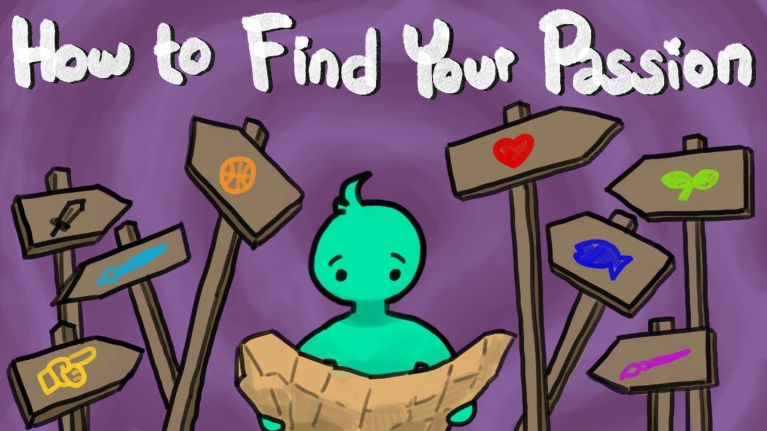




Learn More
About Us
Login
Sign Up










IF INTERESTED, CLICK THE THUMBNAILS BELOW

SIGN UP
Sign Up

First Name
Last Name
Phone Number
Email Address
Password
Confirm Password

I agree to the Terms and Conditions.

Get Started

Log in with Google
Log in with Facebook

LOGIN

Login

Username

Password

Forgot Password?
Not yet a member? Sign Up Now!

\

ABOUT US
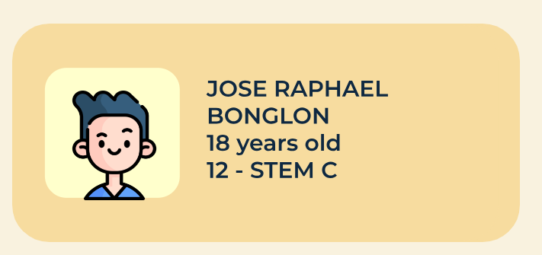
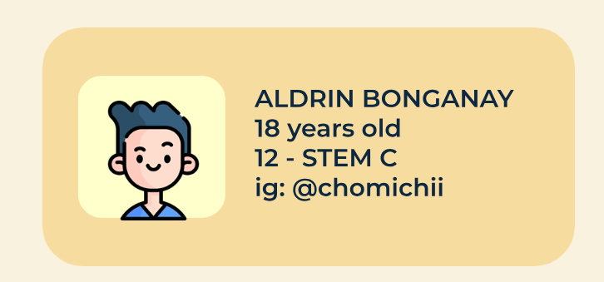
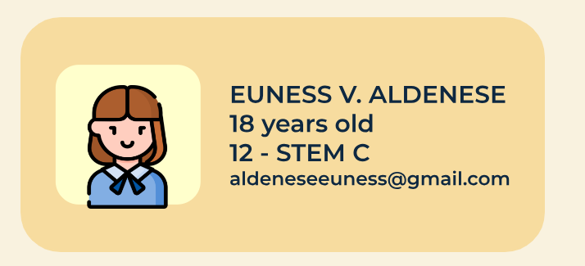
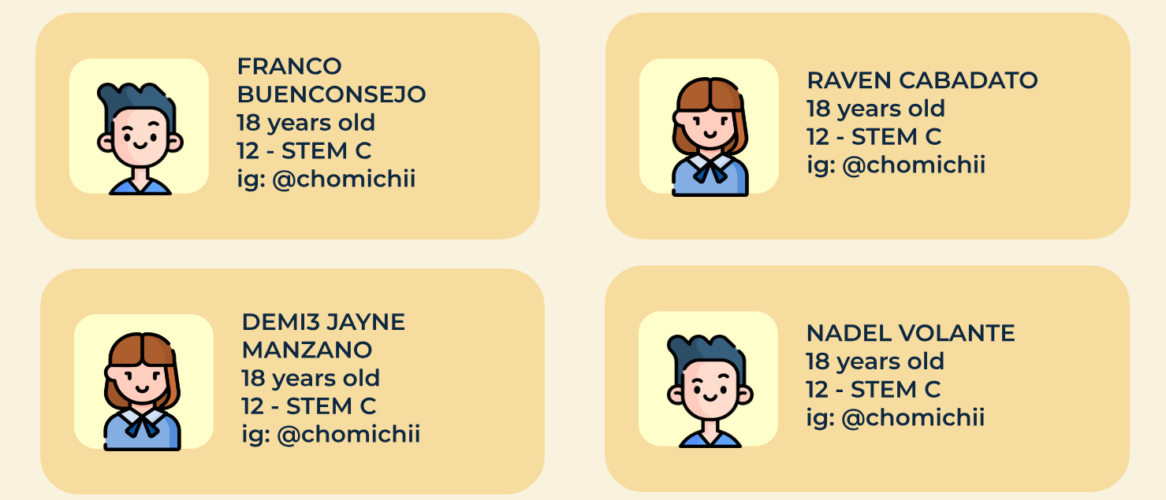
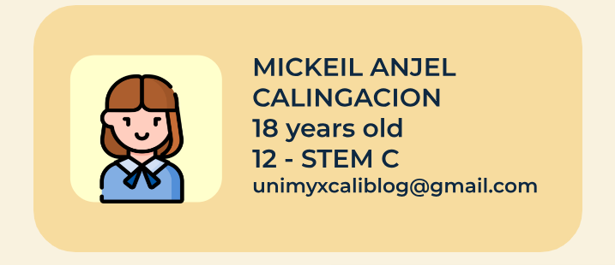
About Us

