Sheet1
ID | SMILES | ROMol | 3DMol | QED | MW | ALOGP | HBA | HBD | PSA | ROTB | AROM | ALERTS | Num Ring | Num Ar Ring | Num ArHetcy | Num Hetcy | Num Hetatm | Num Spiro | Frac Sp3 | MR | NPR1 | NPR2 | Geometry
C13H17N3O | C#CCCCCNC(=O)Nc1cc(C)ccn1 | 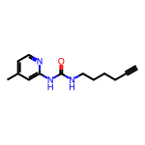 | 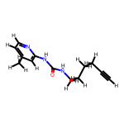 | 0.6032586671 | 231.299 | 2.31502 | 2 | 2 | 54.02 | 5 | 1 | 2 | 1 | 1 | 1 | 1 | 4 | 0 | 0.38461538462 | 68.6794 | 0.18678326214198687 | 0.9348202957468338 | Balanced
C13H17N3O | C#CCCCCNC(=O)Nc1ccc(C)cn1 | 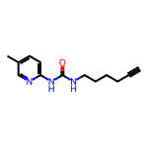 | 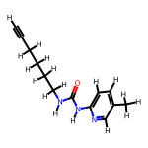 | 0.6032586671 | 231.299 | 2.31502 | 2 | 2 | 54.02 | 5 | 1 | 2 | 1 | 1 | 1 | 1 | 4 | 0 | 0.38461538462 | 68.6794 | 0.12852306051739887 | 0.9296110918666223 | Balanced
C12H14FN3O | C#CCCCCNC(=O)Nc1ccc(F)cn1 | 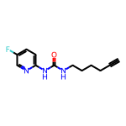 | 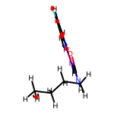 | 0.60656235544 | 235.262 | 2.1457 | 2 | 2 | 54.02 | 5 | 1 | 2 | 1 | 1 | 1 | 1 | 5 | 0 | 0.33333333333 | 63.9004 | 0.08636443908898878 | 0.9602341866747692 | Balanced
C13H17N3O | C#CC(C)(CC)NC(=O)Nc1cccc(C)n1 | 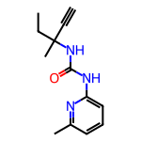 | 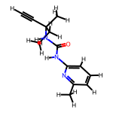 | 0.78425480827 | 231.299 | 2.31342 | 2 | 2 | 54.02 | 3 | 1 | 1 | 1 | 1 | 1 | 1 | 4 | 0 | 0.38461538462 | 68.6574 | 0.14203623664872775 | 0.9563730479770651 | Balanced
C12H14FN3O | C#CC(C)(CC)NC(=O)Nc1ccc(F)cn1 | 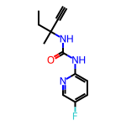 | 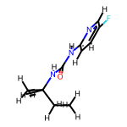 | 0.78854618301 | 235.262 | 2.1441 | 2 | 2 | 54.02 | 3 | 1 | 1 | 1 | 1 | 1 | 1 | 5 | 0 | 0.33333333333 | 63.8784 | 0.11321502175661013 | 0.9745824610902518 | Balanced
C11H13N3O2 | C#CC(CO)NC(=O)Nc1cccc(C)n1 | 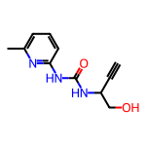 | 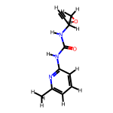 | 0.64817506996 | 219.244 | 0.50562 | 3 | 3 | 74.25 | 3 | 1 | 1 | 1 | 1 | 1 | 1 | 5 | 0 | 0.27272727273 | 60.8352 | 0.14203921350203214 | 0.9752869212906791 | Balanced
C12H15N3O2 | C#CCC(CO)NC(=O)Nc1cccc(C)n1 | 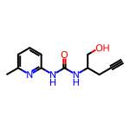 | 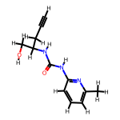 | 0.67620550442 | 233.271 | 0.89572 | 3 | 3 | 74.25 | 4 | 1 | 1 | 1 | 1 | 1 | 1 | 5 | 0 | 0.33333333333 | 65.4522 | 0.16389752891271464 | 0.9303352465045698 | Balanced
C18H22N2O4S | C#CCOc1ccccc1CN(CC1CN(S(C)(=O)=O)C1)C(=O)C=C | 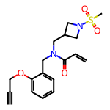 | 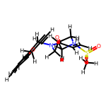 | 0.51314379945 | 362.451 | 1.1046 | 4 | 0 | 66.92 | 8 | 1 | 2 | 2 | 1 | 0 | 1 | 7 | 0 | 0.38888888889 | 96.2908 | 0.3535501013830519 | 0.7920406399015937 | Balanced
C21H23FN2O2 | C#CCC1(C(=O)NCc2ccc(CNC(=O)C=C)cc2F)CC=CCC1 | 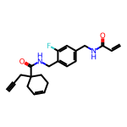 | 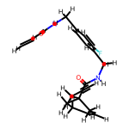 | 0.44925659933 | 354.425 | 2.9939 | 2 | 2 | 58.2 | 7 | 1 | 3 | 2 | 1 | 0 | 0 | 5 | 0 | 0.33333333333 | 99.1644 | 0.3738279615197599 | 0.8594669042700942 | Balanced
C23H25N3O3 | C#CCOc1ccc(N(C(=O)C=C)C(C(=O)NC(C)(C)C)c2cccnc2)cc1 | 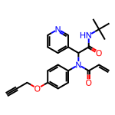 | 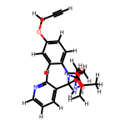 | 0.5808611207 | 391.471 | 3.2686 | 4 | 1 | 71.53 | 7 | 2 | 2 | 2 | 2 | 1 | 1 | 6 | 0 | 0.26086956522 | 113.3267 | 0.47575238485311067 | 0.9949442733733869 | Balanced
C17H20F3N3O | C#CCn1cc(N(CC2CCC(C(F)(F)F)CC2)C(=O)C=C)cn1 | 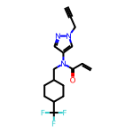 | 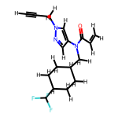 | 0.60905014878 | 339.361 | 3.404 | 2 | 0 | 38.13 | 5 | 1 | 2 | 2 | 1 | 1 | 1 | 7 | 0 | 0.52941176471 | 85.113 | 0.3750049228722309 | 0.7228008228243018 | Disc-like
C16H20ClN3O | C#C[C@H]1CC[C@H](N(Cc2c(Cl)cnn2C)C(=O)C=C)CC1 | 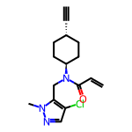 | 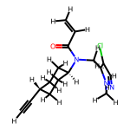 | 0.63354448857 | 305.809 | 2.7801 | 2 | 0 | 38.13 | 4 | 1 | 2 | 2 | 1 | 1 | 1 | 5 | 0 | 0.5 | 83.544 | 0.3524556436397863 | 0.7660576267715047 | Balanced
C16H19N3O2S | C#CCCNC(=O)c1csc(C2CCN(C(=O)C=C)CC2)n1 | 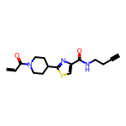 | 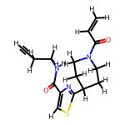 | 0.51150053131 | 317.414 | 1.7882 | 3 | 1 | 62.3 | 5 | 1 | 3 | 2 | 1 | 1 | 2 | 6 | 0 | 0.4375 | 86.6492 | 0.29615083671947195 | 0.7663849170095771 | Balanced
C15H20N2O2 | C#CCCNC(=O)C1C(C2CC2)CCN1C(=O)C=C | 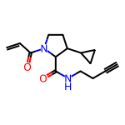 | 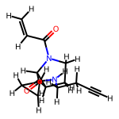 | 0.45418719628 | 260.337 | 0.939 | 2 | 1 | 49.41 | 5 | 0 | 3 | 2 | 0 | 0 | 1 | 4 | 0 | 0.6 | 72.9887 | 0.4875224825934918 | 0.7684658456356487 | Balanced
C15H18N4O2 | C#CCCNC(=O)c1cnn2c1CN(C(=O)C=C)C(C)C2 | 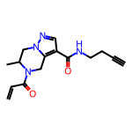 | 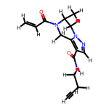 | 0.49926108563 | 286.335 | 0.5529 | 3 | 1 | 67.23 | 4 | 1 | 3 | 2 | 1 | 1 | 2 | 6 | 0 | 0.4 | 78.2192 | 0.2835560838481472 | 0.8215042440607366 | Balanced
C16H19N3O3 | C#CCCNC(=O)c1conc1C1CCN(C(=O)C=C)CC1 | 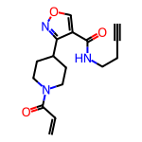 | 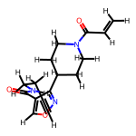 | 0.50544467198 | 301.346 | 1.3197 | 4 | 1 | 75.44 | 5 | 1 | 3 | 2 | 1 | 1 | 2 | 6 | 0 | 0.4375 | 81.0382 | 0.2512682225768357 | 0.8708471523414455 | Balanced
C16H19N3O3 | C#CCCNC(=O)c1coc(C2CCN(C(=O)C=C)CC2)n1 | 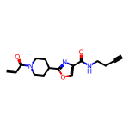 | 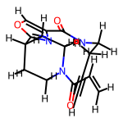 | 0.50544467198 | 301.346 | 1.3197 | 4 | 1 | 75.44 | 5 | 1 | 3 | 2 | 1 | 1 | 2 | 6 | 0 | 0.4375 | 81.0382 | 0.18809085552072108 | 0.8943804159386186 | Balanced
C14H18N4O2 | C#CCCNC(=O)c1cnn(CC(C)NC(=O)C=C)c1 | 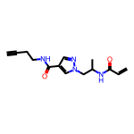 | 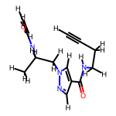 | 0.42715456588 | 274.324 | 0.3269 | 3 | 2 | 76.02 | 7 | 1 | 3 | 1 | 1 | 1 | 1 | 6 | 0 | 0.35714285714 | 75.8119 | 0.20280908217900195 | 0.8910615057793336 | Balanced
C7H4Cl2N2 | C#CCc1c(Cl)ncnc1Cl | 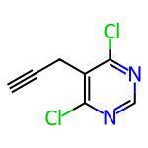 | 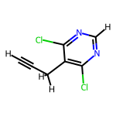 | 0.49560230409 | 187.029 | 1.9591 | 2 | 0 | 25.78 | 1 | 1 | 2 | 1 | 1 | 1 | 1 | 4 | 0 | 0.14285714286 | 44.589 | 0.46161328632154575 | 0.6569785813307717 | Disc-like
C8H6ClN3O | C#CCNC(=O)c1ccc(Cl)nn1 | 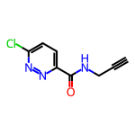 | 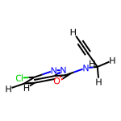 | 0.69936421474 | 195.609 | 0.493 | 3 | 1 | 54.88 | 2 | 1 | 1 | 1 | 1 | 1 | 1 | 5 | 0 | 0.125 | 48.2082 | 0.12651675977193616 | 0.875691197302778 | Balanced
C10H9N3O2S | C#CCN(C)S(=O)(=O)c1ccc(C#N)nc1 | 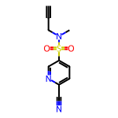 | 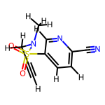 | 0.70169232157 | 235.268 | 0.20698 | 4 | 0 | 74.06 | 3 | 1 | 1 | 1 | 1 | 1 | 1 | 6 | 0 | 0.2 | 57.6008 | 0.30967575204441544 | 0.8825170749315505 | Balanced
C13H13ClN2O | C#CCN(CC1CC1)C(=O)c1ccc(Cl)nc1 | 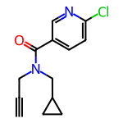 | 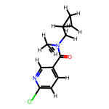 | 0.6047633952 | 248.713 | 2.2204 | 2 | 0 | 33.2 | 4 | 1 | 2 | 2 | 1 | 1 | 1 | 4 | 0 | 0.38461538462 | 66.7075 | 0.20713115144590366 | 0.9007719152154585 | Balanced
C14H11ClN2O2 | C#CCN(Cc1ccco1)C(=O)c1ccc(Cl)nc1 | 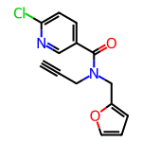 | 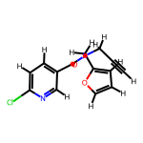 | 0.6359023292 | 274.707 | 2.6036 | 3 | 0 | 46.34 | 4 | 2 | 2 | 2 | 2 | 2 | 2 | 5 | 0 | 0.14285714286 | 71.5285 | 0.21011414855528238 | 0.9260093889930574 | Balanced
C18H26N4OS | C#CCCN1CCN(C(=O)c2c(C)nc(C(C)C)nc2SC)CC1 | 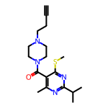 | 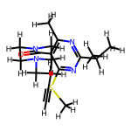 | 0.46547822417 | 346.5 | 2.41142 | 5 | 0 | 49.33 | 5 | 1 | 3 | 2 | 1 | 1 | 2 | 6 | 0 | 0.61111111111 | 98.4325 | 0.27818489576047994 | 0.9072266560062026 | Balanced
C17H19ClN4O2 | C#CCNC(=O)CN1CCN(C(=O)C=Cc2ccnc(Cl)c2)CC1 | 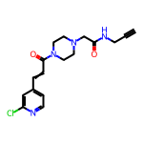 | 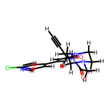 | 0.48261867412 | 346.818 | 0.6418 | 4 | 1 | 65.54 | 5 | 1 | 3 | 2 | 1 | 1 | 2 | 7 | 0 | 0.35294117647 | 93.1437 | 0.13550780589995925 | 0.9187530388066059 | Balanced
C9H8ClN3OS | C#CCNC(=O)c1nc(SC)ncc1Cl |  |  | 0.49117008034 | 241.703 | 1.2149 | 4 | 1 | 54.88 | 3 | 1 | 3 | 1 | 1 | 1 | 1 | 6 | 0 | 0.22222222222 | 59.9892 | 0.3887962452115789 | 0.6165524690314926 | Disc-like
C14H10Cl2N2O2 | C#CCN(Cc1ccco1)C(=O)c1nc(Cl)ccc1Cl |  |  | 0.64313558876 | 309.152 | 3.257 | 3 | 0 | 46.34 | 4 | 2 | 2 | 2 | 2 | 2 | 2 | 6 | 0 | 0.14285714286 | 76.5385 | 0.43181571927968604 | 0.7960944419250299 | Balanced
C15H11ClN2O2 | C#CCC(OC(=O)c1cccnc1Cl)c1ccccn1 |  |  | 0.49234860482 | 286.718 | 3.0514 | 4 | 0 | 52.08 | 4 | 2 | 3 | 2 | 2 | 2 | 2 | 5 | 0 | 0.13333333333 | 75.0905 | 0.3487038994557447 | 0.9005874391536025 | Balanced
C15H17Cl2N3O | C#CCCN1CCC(NC(=O)c2nc(Cl)ccc2Cl)CC1 |  |  | 0.68329941348 | 326.227 | 2.6059 | 3 | 1 | 45.23 | 4 | 1 | 2 | 2 | 1 | 1 | 2 | 6 | 0 | 0.46666666667 | 84.6352 | 0.18407780602465953 | 0.85592322556966 | Balanced
C15H20ClN3O2S | C#CC(C)(C)N1CCN(S(=O)(=O)c2ccc(C)nc2Cl)CC1 |  |  | 0.62073817843 | 341.864 | 1.76152 | 4 | 0 | 53.51 | 3 | 1 | 2 | 2 | 1 | 1 | 2 | 7 | 0 | 0.53333333333 | 87.2278 | 0.2819108316744049 | 0.9269979724436878 | Balanced
C7H6N2O | C#CCn1ccnc1C=O |  |  | 0.43121719822 | 134.138 | 0.3288 | 2 | 0 | 34.89 | 2 | 1 | 2 | 1 | 1 | 1 | 1 | 3 | 0 | 0.14285714286 | 36.4475 | 0.4596420161933872 | 0.6767788437600096 | Disc-like
C9H12O2 | C#CCC1(C=O)CCOCC1 |  |  | 0.43569270028 | 152.193 | 1.0054 | 2 | 0 | 26.3 | 2 | 0 | 2 | 1 | 0 | 0 | 1 | 2 | 0 | 0.66666666667 | 42 | 0.39452114614161093 | 0.9251644729671806 | Balanced
C10H11NO | C#CCn1c(C)cc(C=O)c1C |  |  | 0.47618984301 | 161.204 | 1.55064 | 1 | 0 | 22 | 2 | 1 | 2 | 1 | 1 | 1 | 1 | 2 | 0 | 0.3 | 48.1265 | 0.3555081908486594 | 0.7625292119797605 | Balanced
C10H7ClO2 | C#CCOc1cccc(Cl)c1C=O |  |  | 0.54464643471 | 194.617 | 2.1645 | 2 | 0 | 26.3 | 3 | 1 | 2 | 1 | 1 | 0 | 0 | 3 | 0 | 0.1 | 51.1675 | 0.23251411718041892 | 0.7831814637530696 | Balanced
C11H9ClO3 | C#CCOc1c(Cl)cc(C=O)cc1OC |  |  | 0.58095370549 | 224.643 | 2.1731 | 3 | 0 | 35.53 | 4 | 1 | 2 | 1 | 1 | 0 | 0 | 4 | 0 | 0.18181818182 | 57.7195 | 0.33905256659512717 | 0.686752409567628 | Disc-like
C14H10O2 | C#CCOc1ccc2ccccc2c1C=O |  |  | 0.57473171283 | 210.232 | 2.6643 | 2 | 0 | 26.3 | 3 | 2 | 2 | 2 | 2 | 0 | 0 | 2 | 0 | 0.071428571429 | 63.6635 | 0.209306388572289 | 0.799645309751172 | Balanced
C12H11BrO3 | C#CCOc1cc(Br)c(C=O)cc1OCC |  |  | 0.61534781859 | 283.121 | 2.6723 | 3 | 0 | 35.53 | 5 | 1 | 2 | 1 | 1 | 0 | 0 | 4 | 0 | 0.25 | 65.0265 | 0.34729420017441065 | 0.6565901928145846 | Disc-like
C12H10BrNO3 | C#CCNC(=O)COc1ccc(Br)cc1C=O |  |  | 0.65968515872 | 296.12 | 1.3898 | 3 | 1 | 55.4 | 5 | 1 | 2 | 1 | 1 | 0 | 0 | 5 | 0 | 0.16666666667 | 66.8672 | 0.1366118291931183 | 0.8647814044144875 | Balanced
C9H7NO2 | C#CCn1cccc(C=O)c1=O |  |  | 0.46175906297 | 161.16 | 0.294 | 2 | 0 | 39.07 | 2 | 1 | 2 | 1 | 1 | 1 | 1 | 3 | 0 | 0.11111111111 | 44.9225 | 0.2899039287194868 | 0.8284111327233972 | Balanced
C12H17NO4 | C#CC1(C=O)COCCN1C(=O)OC(C)(C)C |  |  | 0.50201887523 | 239.271 | 0.8246 | 4 | 0 | 55.84 | 1 | 0 | 2 | 1 | 0 | 0 | 1 | 5 | 0 | 0.66666666667 | 61.387 | 0.3129849071204391 | 0.8567141972869197 | Balanced
C13H13FN2O5S | C#CCC1COCCN1C(=O)c1cncc(OS(=O)(=O)F)c1 |  |  | 0.59222033763 | 328.321 | 0.539 | 6 | 0 | 85.8 | 4 | 1 | 2 | 2 | 1 | 1 | 2 | 9 | 0 | 0.38461538462 | 73.9863 | 0.3016950449917419 | 0.8566226006984143 | Balanced
C12H11FN2O5S | C#CC1COCCN1C(=O)c1cncc(OS(=O)(=O)F)c1 |  |  | 0.58296711486 | 314.294 | 0.1489 | 6 | 0 | 85.8 | 3 | 1 | 2 | 2 | 1 | 1 | 2 | 9 | 0 | 0.33333333333 | 69.3693 | 0.270445648188512 | 0.8857991742196866 | Balanced
C12H13FN2O4S | C#CCN(C(=O)c1cncc(OS(=O)(=O)F)c1)C(C)C |  |  | 0.60219022921 | 300.311 | 1.1585 | 5 | 0 | 76.57 | 5 | 1 | 2 | 1 | 1 | 1 | 1 | 8 | 0 | 0.33333333333 | 69.8983 | 0.27721061668101105 | 0.9108390346940278 | Balanced
C13H13FN2O5S | C#CCN(C(=O)c1cncc(OS(=O)(=O)F)c1)C1CCOC1 |  |  | 0.57914835567 | 328.321 | 0.539 | 6 | 0 | 85.8 | 5 | 1 | 2 | 2 | 1 | 1 | 2 | 9 | 0 | 0.38461538462 | 73.9863 | 0.4771622095944512 | 0.8840964286111219 | Balanced
C14H15FN2O5S | C#CCN(C(=O)Nc1ccc(OS(=O)(=O)F)cc1)C1CCOC1 |  |  | 0.64796098813 | 342.348 | 1.5357 | 5 | 1 | 84.94 | 5 | 1 | 2 | 2 | 1 | 0 | 1 | 9 | 0 | 0.35714285714 | 80.8795 | 0.12604589574241729 | 0.9219384935948683 | Balanced
C14H15NO2 | C#CCCCOc1cccc(N2CCC2=O)c1 |  |  | 0.43993466538 | 229.279 | 2.2155 | 2 | 0 | 29.54 | 5 | 1 | 3 | 2 | 1 | 0 | 1 | 3 | 0 | 0.35714285714 | 66.974 | 0.17282825420724263 | 0.8616903023116391 | Balanced
C8H13BO2 | C#CB1OC(C)(C)C(C)(C)O1 |  |  | 0.38377456507 | 152.002 | 1.251 | 2 | 0 | 18.46 | 0 | 0 | 2 | 1 | 0 | 0 | 1 | 3 | 0 | 0.75 | 44.915
C15H16BNO3 | C#CCN(C(=O)c1ccc2c(c1)B(O)OC2)C1CCC1 |  |  | 0.64303392744 | 269.109 | 0.5322 | 3 | 1 | 49.77 | 3 | 1 | 2 | 3 | 1 | 0 | 1 | 5 | 0 | 0.4 | 76.3463
C17H28BNO4 | C#CCN(CC(=C)B1OC(C)(C)C(C)(C)O1)C(=O)OC(C)(C)C |  |  | 0.58975526209 | 321.226 | 3.0443 | 4 | 0 | 48 | 4 | 0 | 2 | 1 | 0 | 0 | 1 | 6 | 0 | 0.70588235294 | 91.862
C13H14ClNO | C#CCN(Cc1ccc(C)cc1)C(=O)CCl |  |  | 0.57887280872 | 235.714 | 2.19562 | 1 | 0 | 20.31 | 4 | 1 | 2 | 1 | 1 | 0 | 0 | 3 | 0 | 0.30769230769 | 66.149 | 0.3442403980387978 | 0.841372903875234 | Balanced
C15H14ClF2NO3 | C#CCCOC(=O)CC(NC(=O)CCl)c1ccc(F)cc1F |  |  | 0.36136786906 | 329.73 | 2.3175 | 3 | 1 | 55.4 | 7 | 1 | 4 | 1 | 1 | 0 | 0 | 7 | 0 | 0.33333333333 | 76.9877 | 0.41459167428977667 | 0.8067518315844311 | Balanced
C11H8Cl2FNO | C#CC(NC(=O)CCl)c1ccc(Cl)cc1F |  |  | 0.65621258141 | 260.095 | 2.5084 | 1 | 1 | 29.1 | 3 | 1 | 2 | 1 | 1 | 0 | 0 | 5 | 0 | 0.18181818182 | 61.8467 | 0.289452291341008 | 0.9080288393945888 | Balanced
C10H14ClNO2 | C#CCC1(NC(=O)CCl)CCOCC1 |  |  | 0.56168223161 | 215.68 | 0.9139 | 2 | 1 | 38.33 | 3 | 0 | 2 | 1 | 0 | 0 | 1 | 4 | 0 | 0.7 | 55.0967 | 0.5176208944775127 | 0.8153267364974435 | Balanced
C17H20ClNO2 | C#CCC(CO)N(Cc1cccc(C2CC2)c1)C(=O)CCl |  |  | 0.62100299676 | 305.805 | 2.5156 | 2 | 1 | 40.54 | 7 | 1 | 2 | 2 | 1 | 0 | 0 | 4 | 0 | 0.47058823529 | 84.0108 | 0.38829760838477567 | 0.7552652680178717 | Balanced
C17H17Cl3N2O2 | C#CCN(C(=O)c1cc(Cl)ccc1Cl)C1CCN(C(=O)CCl)CC1 |  |  | 0.58736235428 | 387.694 | 3.2986 | 2 | 0 | 40.62 | 4 | 1 | 2 | 2 | 1 | 0 | 1 | 7 | 0 | 0.41176470588 | 96.6535 | 0.23468323233067917 | 0.9084647760742924 | Balanced
C20H22ClFN2O2 | C#CCC1(C(=O)NCc2ccc(CNC(=O)CCl)cc2F)CC=CCC1 |  |  | 0.43631534748 | 376.859 | 3.0467 | 2 | 2 | 58.2 | 7 | 1 | 3 | 2 | 1 | 0 | 0 | 6 | 0 | 0.4 | 99.6874 | 0.3061485193011729 | 0.9473330691534274 | Balanced
C13H12ClFN2O2 | C#CCCNC(=O)c1ccc(F)cc1NC(=O)CCl |  |  | 0.49107621858 | 282.702 | 1.7561 | 2 | 2 | 58.2 | 5 | 1 | 3 | 1 | 1 | 0 | 0 | 6 | 0 | 0.23076923077 | 71.5329 | 0.3803812257333512 | 0.6833619621889213 | Disc-like
C16H17ClN2O2 | C#CCCNC(=O)C1Cc2ccccc2CN1C(=O)CCl |  |  | 0.51802117582 | 304.777 | 1.3182 | 2 | 1 | 49.41 | 4 | 1 | 3 | 2 | 1 | 0 | 1 | 5 | 0 | 0.375 | 81.6637 | 0.5520555210153347 | 0.7824482668625723 | Balanced
C17H18ClN3O2 | C#CCCNC(=O)C(Cc1c[nH]c2ccccc12)NC(=O)CCl |  |  | 0.40917835142 | 331.803 | 1.5735 | 2 | 3 | 73.99 | 7 | 2 | 3 | 2 | 2 | 1 | 1 | 6 | 0 | 0.29411764706 | 91.1131 | 0.5647095646947046 | 0.805775281267671 | Balanced
C16H16N2O2S | C#CCOc1ccc(C(=O)NC2(C#N)CCSCC2)cc1 |  |  | 0.86613088306 | 300.383 | 2.21778 | 4 | 1 | 62.12 | 4 | 1 | 1 | 2 | 1 | 0 | 1 | 5 | 0 | 0.375 | 83.1392 | 0.09695378347911167 | 0.9670731619466465 | Balanced
C16H16N2O2S | C#CCSc1cccc(C(=O)NC2(C#N)CCOCC2)c1 |  |  | 0.68389920227 | 300.383 | 2.21448 | 4 | 1 | 62.12 | 4 | 1 | 2 | 2 | 1 | 0 | 1 | 5 | 0 | 0.375 | 81.8622 | 0.23026655438391883 | 0.8692154123343608 | Balanced
C15H16N2O2 | C#CCOc1ccc(C(=O)NC(C#N)CCC)cc1 |  |  | 0.79291310241 | 256.305 | 2.12068 | 3 | 1 | 62.12 | 6 | 1 | 1 | 1 | 1 | 0 | 0 | 4 | 0 | 0.33333333333 | 72.5452 | 0.14175602105070456 | 0.9596137873285217 | Balanced
C15H15N3O3S | C#CCNS(=O)(=O)c1ccc(C(=O)N(CC#N)C2CC2)cc1 |  |  | 0.61832755396 | 317.37 | 0.72628 | 4 | 1 | 90.27 | 6 | 1 | 2 | 2 | 1 | 0 | 0 | 7 | 0 | 0.33333333333 | 80.135 | 0.21140997421616334 | 0.903779150451274 | Balanced
C17H19N3O2 | C#CCOc1ccc(C(=O)NC2(C#N)CCN(C)CC2)cc1 |  |  | 0.85361499507 | 297.358 | 1.41638 | 4 | 1 | 65.36 | 4 | 1 | 1 | 2 | 1 | 0 | 1 | 5 | 0 | 0.41176470588 | 83.3112 | 0.13146663732517475 | 0.9391216939934574 | Balanced
C19H13FN2O2 | C#CCOc1ccccc1C=C(C#N)C(=O)Nc1ccccc1F |  |  | 0.52172396516 | 320.323 | 3.38338 | 3 | 1 | 62.12 | 5 | 2 | 3 | 2 | 2 | 0 | 0 | 5 | 0 | 0.052631578947 | 89.3897 | 0.21633310569585448 | 0.8245866321842636 | Balanced
C18H15N3O3S | C#CCOc1ccc(C=C(C#N)C(=O)Nc2nccs2)cc1OCC |  |  | 0.46964736564 | 353.403 | 3.09948 | 5 | 1 | 84.24 | 7 | 2 | 3 | 2 | 2 | 1 | 1 | 7 | 0 | 0.16666666667 | 96.2727 | 0.15477291354108794 | 0.9267331622654685 | Balanced
C16H14ClNO4 | C#CCOc1c(Cl)cc(C=C(C#N)C(=O)OCC)cc1OC |  |  | 0.34889131024 | 319.744 | 2.83068 | 5 | 0 | 68.55 | 6 | 1 | 4 | 1 | 1 | 0 | 0 | 6 | 0 | 0.25 | 82.555 | 0.20316810079723924 | 0.8603953871779652 | Balanced
C11H12ClNO | C#CCn1c(C)cc(C(=O)CCl)c1C |  |  | 0.4249408009 | 209.676 | 2.15964 | 1 | 0 | 22 | 3 | 1 | 3 | 1 | 1 | 1 | 1 | 3 | 0 | 0.36363636364 | 57.7895 | 0.25304600504050045 | 0.8679716308339387 | Balanced
C5H5FO2S | C#CC1(S(=O)(=O)F)CC1 |  |  | 0.39942638084 | 148.158 | 0.4515 | 2 | 0 | 34.14 | 1 | 0 | 2 | 1 | 0 | 0 | 0 | 4 | 0 | 0.6 | 30.8258 | 0.5014651869491147 | 0.7926915566228688 | Balanced
C9H9FN2O2S | C#CCN(Cc1cccnc1)S(=O)(=O)F |  |  | 0.56362598466 | 228.248 | 0.7311 | 3 | 0 | 50.27 | 4 | 1 | 2 | 1 | 1 | 1 | 1 | 6 | 0 | 0.22222222222 | 53.5078 | 0.38174317505183697 | 0.8242555012112371 | Balanced
C18H22N2O5S | C#CCNC(=O)COC(=O)[C@@H](NS(=O)(=O)C=Cc1ccccc1)C(C)C |  |  | 0.49092951388 | 378.45 | 0.8939 | 5 | 2 | 101.57 | 9 | 1 | 2 | 1 | 1 | 0 | 0 | 8 | 0 | 0.33333333333 | 98.9592 | 0.2167825920600498 | 0.8664995635261714 | Balanced
C11H10ClNO2S | C#CCNS(=O)(=O)C=Cc1ccc(Cl)cc1 |  |  | 0.83518167591 | 255.726 | 1.8633 | 2 | 1 | 46.17 | 4 | 1 | 1 | 1 | 1 | 0 | 0 | 5 | 0 | 0.090909090909 | 66.2415 | 0.1848828584505725 | 0.8864483364192787 | Balanced
C20H22N4O5S | C#CCC1NC(=O)N(CC(=O)N2CCN(S(=O)(=O)C=Cc3ccccc3)CC2)C1=O |  |  | 0.50796037057 | 430.486 | 0.075 | 5 | 1 | 107.1 | 6 | 1 | 2 | 3 | 1 | 0 | 2 | 10 | 0 | 0.35 | 110.0315 | 0.2285570483748127 | 0.8688724942719886 | Balanced
C15H16FNO3S | C#CCN(C1CCOC1)S(=O)(=O)C=Cc1ccc(F)cc1 |  |  | 0.77995534719 | 309.362 | 1.8503 | 3 | 0 | 46.61 | 5 | 1 | 1 | 2 | 1 | 0 | 1 | 6 | 0 | 0.33333333333 | 79.1168 | 0.32475732702812565 | 0.8956863070167498 | Balanced
C15H15FN2O3S | C#CCN1CCN(S(=O)(=O)C=Cc2ccc(F)cc2)CC1=O |  |  | 0.77419972526 | 322.361 | 0.9036 | 3 | 0 | 57.69 | 4 | 1 | 1 | 2 | 1 | 0 | 1 | 7 | 0 | 0.26666666667 | 81.3398 | 0.4091648390266323 | 0.7438063170693247 | Disc-like
C18H22N2O3S | C#CC1CCCN(C(=O)C(C)NS(=O)(=O)C=Cc2ccccc2)C1 |  |  | 0.82746665725 | 346.452 | 1.837 | 3 | 1 | 66.48 | 5 | 1 | 1 | 2 | 1 | 0 | 1 | 6 | 0 | 0.38888888889 | 95.1305 | 0.3204033254740374 | 0.8550370293436469 | Balanced

