Sheet1
ID | SMILES | ROMol | 3DMol | Fragment | 3DFragment | QED | MW | ALOGP | HBA | HBD | PSA | ROTB | AROM | ALERTS | Num Ring | Num Ar Ring | Num ArHetcy | Num Hetcy | Num Hetatm | Num Spiro | Frac Sp3 | MR | NPR1 | NPR2 | Geometry
C13H17N3O | C#CCCCCNC(=O)Nc1cc(C)ccn1 | 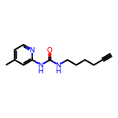 | <rdkit.Chem.rdchem.Mol object at 0x7f61ac80f4c0> | 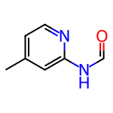 | 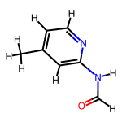 | 0.61504053871 | 136.154 | 0.95832 | 2 | 1 | 41.99 | 2 | 1 | 1 | 1 | 1 | 1 | 1 | 3 | 0 | 0.14285714286 | 38.6607 | 0.30105665296 | 0.70383384043 | Disc-like
C13H17N3O | C#CCCCCNC(=O)Nc1ccc(C)cn1 | 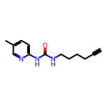 | <rdkit.Chem.rdchem.Mol object at 0x7f61ac80f610> | 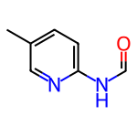 | 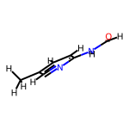 | 0.61504053871 | 136.154 | 0.95832 | 2 | 1 | 41.99 | 2 | 1 | 1 | 1 | 1 | 1 | 1 | 3 | 0 | 0.14285714286 | 38.6607 | 0.1618801109 | 0.84237779725 | Balanced
C12H14FN3O | C#CCCCCNC(=O)Nc1ccc(F)cn1 | 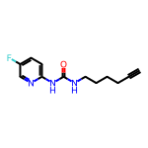 | <rdkit.Chem.rdchem.Mol object at 0x7f61ac80f5a0> | 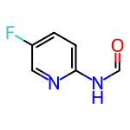 | 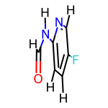 | 0.61680177723 | 140.117 | 0.789 | 2 | 1 | 41.99 | 2 | 1 | 1 | 1 | 1 | 1 | 1 | 4 | 0 | 0 | 33.8817 | 0.15433009606 | 0.84566990406 | Balanced
C18H22N2O4S | C#CCOc1ccccc1CN(CC1CN(S(C)(=O)=O)C1)C(=O)C=C | 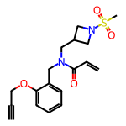 | <rdkit.Chem.rdchem.Mol object at 0x7f61ac80f680> | 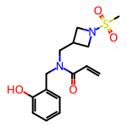 | 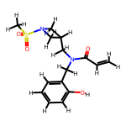 | 0.78521872626 | 324.402 | 0.7982 | 4 | 1 | 77.92 | 6 | 1 | 1 | 2 | 1 | 0 | 1 | 7 | 0 | 0.4 | 83.6276 | 0.3292554289 | 0.74699082071 | Disc-like
C21H23FN2O2 | C#CCC1(C(=O)NCc2ccc(CNC(=O)C=C)cc2F)CC=CCC1 | 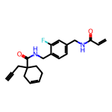 | <rdkit.Chem.rdchem.Mol object at 0x7f61ac80f6f0> | 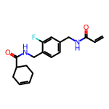 | 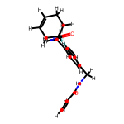 | 0.62591443191 | 316.376 | 2.6004 | 2 | 2 | 58.2 | 6 | 1 | 2 | 2 | 1 | 0 | 0 | 5 | 0 | 0.33333333333 | 86.7714 | 0.18023813897 | 0.93463460843 | Balanced

