Sheet1
SMILES | ROMol | 3DMol | QED | MW | ALOGP | HBA | HBD | PSA | ROTB | AROM | ALERTS | Num Ring | Num Ar Ring | Num ArHetcy | Num Hetcy | Num Hetatm | Num Spiro | Frac Sp3 | MR | NPR1 | NPR2 | Geometry
O=C1O[C@@H](CNC(=O)C)CN1c3cc(F)c(N2CCOCC2)cc3 | 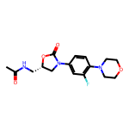 | 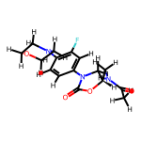 | 0.89159738875 | 337.351 | 1.1236 | 5 | 1 | 71.11 | 4 | 1 | 0 | 3 | 1 | 0 | 2 | 8 | 0 | 0.5 | 85.7307 | 0.088179860133 | 0.95468918675 | Balanced
OC(=O)C1CCCN(C1)C(=O)C1(CC1)C1=CC=CC(Br)=C1 | 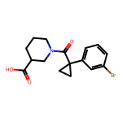 | 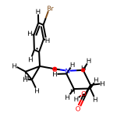 | 0.91021955828 | 352.228 | 2.8039 | 3 | 1 | 57.61 | 3 | 1 | 0 | 3 | 1 | 0 | 1 | 5 | 0 | 0.5 | 81.9938 | 0.35602157029 | 0.91651257521 | Balanced

