Sheet1
Catalog ID | SMILES | ROMol | 3DMol | Fragment | 3DFragment | QED | Num Ring | Num Ar Ring | Num ArHetcy | Num Hetcy | Num Hetatm | Num Spiro | Frac Sp3 | MR | NPR1 | NPR2 | Geometry
Z4286026204 | C#CCCC1(CCC(=O)Nc2ccc(-c3nnc4n3CCCCC4)cc2)N=N1 | 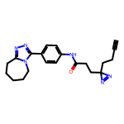 | 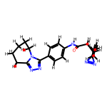 | 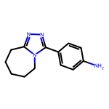 | 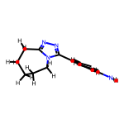 | 0.76153410957 | 3 | 2 | 1 | 2 | 4 | 0 | 0.38461538462 | 67.4254 | 0.19481236562 | 0.89637290002 | Rod-like
Z4237289563 | C#CCCC1(CCOc2cnccc2C#N)N=N1 | 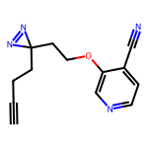 | 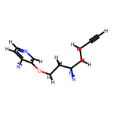 | 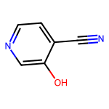 | 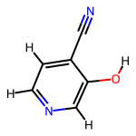 | 0.54669913363 | 1 | 1 | 1 | 1 | 3 | 0 | 0 | 30.6168 | 0.33930973632 | 0.66069026368 | Disc-like
Z4494132694 | C#CCCC1(CCNC(=O)C2CCC(NC(=O)C(C)n3cccn3)CC2)N=N1 | 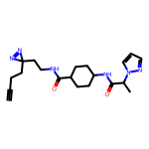 | 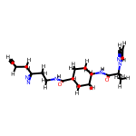 | 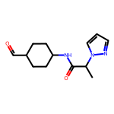 | 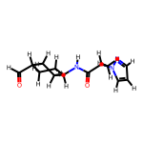 | 0.81841784786 | 2 | 1 | 1 | 1 | 5 | 0 | 0.61538461538 | 66.8907 | 0.1412285812 | 0.94634656464 | Rod-like
Z4286355089 | C#CCCC1(CCC(=O)N(CCC)Cc2nc3cc(Cl)ccc3c(=O)[nH]2)N=N1 | 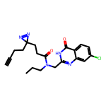 | 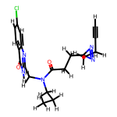 | 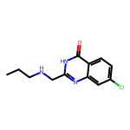 | 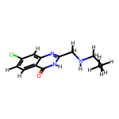 | 0.81832919145 | 2 | 2 | 1 | 1 | 5 | 0 | 0.33333333333 | 69.3714 | 0.22843594277 | 0.83234420719 | Rod-like
Z4294409992 | C#CCCC1(CCC(=O)N2CC(c3nc(COC)n[nH]3)C(C3CC3)C2)N=N1 | 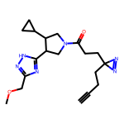 | 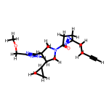 | 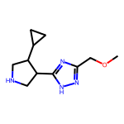 | 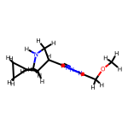 | 0.78545784771 | 3 | 1 | 1 | 2 | 5 | 0 | 0.81818181818 | 58.9204 | 0.16820728672 | 0.93502743509 | Rod-like
Z4912335753 | C#CCCC1(CCC(=O)N=c2sccn2Cc2cc(C(C)=O)ccc2OCC)N=N1 | 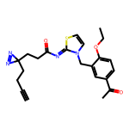 | 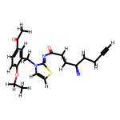 | 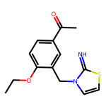 | 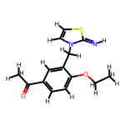 | 0.853580829 | 2 | 2 | 1 | 1 | 5 | 0 | 0.28571428571 | 74.8812 | 0.34444874847 | 0.74818186042 | Disc-like
Z4225923992 | C#CCCC1(CCNC(=O)CCc2nc(=O)c3c4c(sc3[nH]2)CCC4)N=N1 | 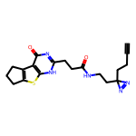 | 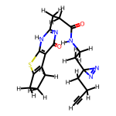 | 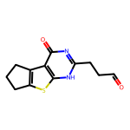 | 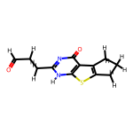 | 0.83919351096 | 3 | 2 | 2 | 2 | 5 | 0 | 0.41666666667 | 66.6507 | 0.16634615057 | 0.86262765938 | Rod-like
Z2866903580 | C#CCCC1(CCC(=O)N(C)C[C@@H]2C[C@H](F)CN2c2ccncn2)N=N1 | 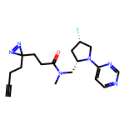 | 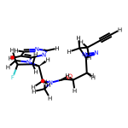 | 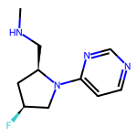 | 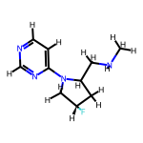 | 0.79343214895 | 2 | 1 | 1 | 2 | 5 | 0 | 0.6 | 56.6057 | 0.39859239669 | 0.69397283878 | Disc-like
Z4912343964 | C#CCCC1(CCC(=O)NC(C)c2nc(-c3ccccc3OC)no2)N=N1 | 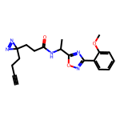 | 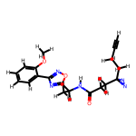 | 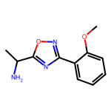 | 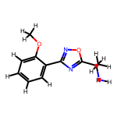 | 0.85096234103 | 2 | 2 | 1 | 1 | 5 | 0 | 0.27272727273 | 58.8884 | 0.2300210849 | 0.82088334094 | Rod-like
Z3337874066 | C#CCCC1(CCC(=O)N(Cc2nc(C3CCCCCC3)no2)C2CC2)N=N1 | 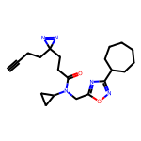 | 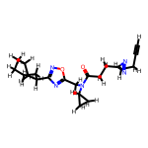 | 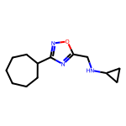 | 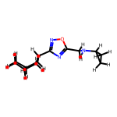 | 0.81523257388 | 3 | 1 | 1 | 1 | 4 | 0 | 0.84615384615 | 64.6027 | 0.14159144201 | 0.95652950366 | Rod-like
Z4225927285 | C#CCCC1(CCNC(=O)c2cc(C)nc3c2c(C)nn3C(C)(C)C)N=N1 | 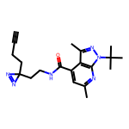 | 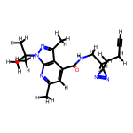 | 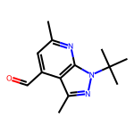 | 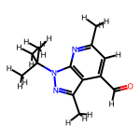 | 0.70869324827 | 2 | 2 | 2 | 2 | 4 | 0 | 0.46153846154 | 67.3855 | 0.36108790784 | 0.6998674332 | Disc-like
Z4494034846 | C#CCCC1(CCNC(=O)C2(NC(=O)Cc3c[nH]c4ccccc34)CCCC2)N=N1 | 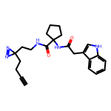 | 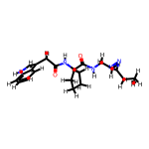 | 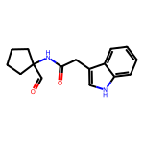 | 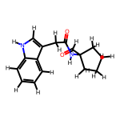 | 0.8376056646 | 3 | 2 | 1 | 1 | 4 | 0 | 0.375 | 77.4084 | 0.31557744405 | 0.8999089684 | Rod-like
Z3410166682 | C#CCCC1(CCC(=O)NCC2OCCN(CC)C2c2cnn(C)c2)N=N1 | 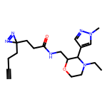 | 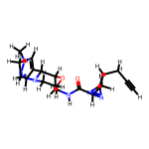 |  |  | 0.79326927609 | 2 | 1 | 1 | 2 | 5 | 0 | 0.72727272727 | 61.9904 | 0.40767482612 | 0.78911867599 | Balanced
Z4282860172 | C#CCCC1(CCC(=O)N2CC3CC2C3c2ocnc2C(N)=O)N=N1 |  |  |  |  | 0.68394509792 | 4 | 1 | 1 | 3 | 5 | 0 | 0.55555555556 | 47.6596 | 0.38505858218 | 0.75793648005 | Balanced
Z3337873017 | C#CCCC1(CCC(=O)N2CCCCC2c2nc(-c3cccc(F)c3)c[nH]2)N=N1 |  |  |  |  | 0.85344036078 | 3 | 2 | 1 | 2 | 4 | 0 | 0.35714285714 | 68.5764 | 0.12687856568 | 0.92996729469 | Rod-like
Z2902137041 | C#CCCC1(CCC(=O)N2CCC(O)(c3cn(C(C)C)nn3)C2)N=N1 |  |  |  |  | 0.70075126964 | 2 | 1 | 1 | 2 | 5 | 0 | 0.77777777778 | 51.7905 | 0.19095718232 | 0.96241398154 | Rod-like
Z3433405047 | C#CCCC1(CCNC(=O)c2cnc(OC3CCOCC3)c(Cl)c2)N=N1 |  |  |  |  | 0.76080921676 | 2 | 1 | 1 | 2 | 5 | 0 | 0.45454545455 | 59.1035 | 0.22043421493 | 0.8634129849 | Rod-like
Z4294363270 | C#CCCC1(CCC(=O)NC2CN(c3nccn4nc(C)cc34)C2)N=N1 |  |  |  |  | 0.71820000277 | 3 | 2 | 2 | 3 | 5 | 0 | 0.4 | 57.9124 | 0.2836724276 | 0.74266532649 | Disc-like
Z4912389450 | C#CCCC1(CCC(=O)NCC2(c3ccncc3)CN(C(=O)OC(C)(C)C)C2)N=N1 |  |  |  |  | 0.87823722037 | 2 | 1 | 1 | 2 | 5 | 0 | 0.57142857143 | 72.7764 | 0.22447765573 | 0.87768889117 | Rod-like

