Sheet1
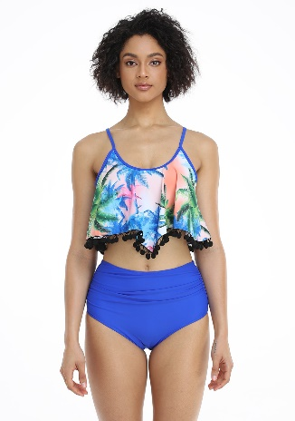 | SKU | UPC
 | Liora20-Sapphire-S | 600977591916

 | Liora20-Sapphire-M | 600977591909

 | Liora20-Sapphire-L | 600977591893

 | Liora20-Sapphire-XL | 600977591886

 | Liora20-Sapphire-2XL | 600977591879

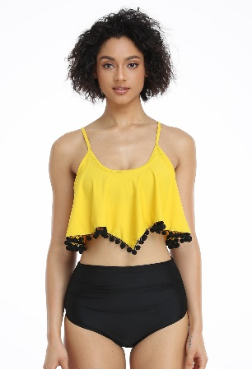 | SKU | UPC
 | Liora20-Yellow-S | 600977591862

 | Liora20-Yellow-M | 600977591855

 | Liora20-Yellow-L | 600977591848

 | Liora20-Yellow-XL | 600977591831

 | Liora20-Yellow-2XL | 600977591824

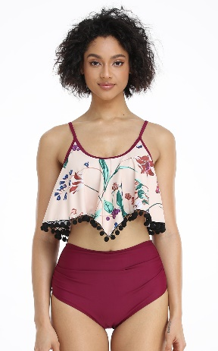 | SKU | UPC
 | Liora20-Red-S | 600977591817

 | Liora20-Red-M | 600977591800

 | Liora20-Red-L | 600977591794

 | Liora20-Red-XL | 600977591787

 | Liora20-Red-2XL | 600977591770

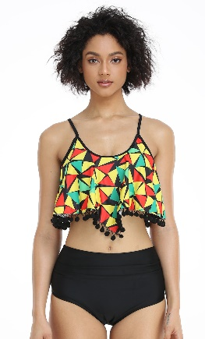 | SKU | UPC
 | Liora20-Green-S | 600977591763

 | Liora20-Green-M | 600977591756

 | Liora20-Green-L | 600977591749

 | Liora20-Green-XL | 600977591732

 | Liora20-Green-2XL | 600977591725

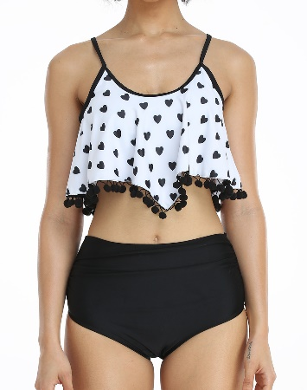 | SKU | UPC
 | Liora20-White-S | 600977591718

 | Liora20-White-M | 600977591701

 | Liora20-White-L | 600977591695

 | Liora20-White-XL | 600977591688

 | Liora20-White-2XL | 600977591671

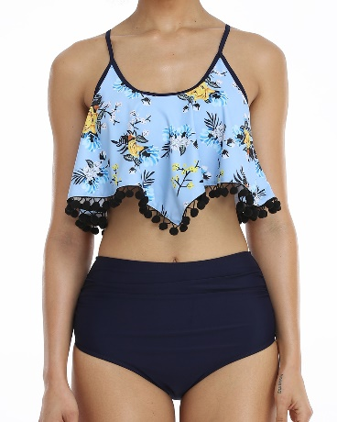 | SKU | UPC
 | Liora20-Blue-S | 600977591671

 | Liora20-Blue-M | 600977591664

 | Liora20-Blue-L | 600977591657

 | Liora20-Blue-XL | 600977591640

 | Liora20-Blue-2XL | 600977591633

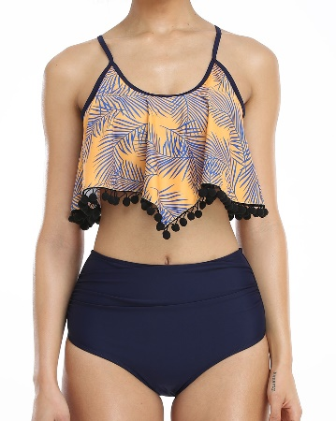 | SKU | UPC
 | Liora20-Orange-S | 600977591626

 | Liora20-Orange-M | 600977591619

 | Liora20-Orange-L | 600977591602

 | Liora20-Orange-XL | 600977591596

 | Liora20-Orange-2XL | 600977591589

