SA_detail time
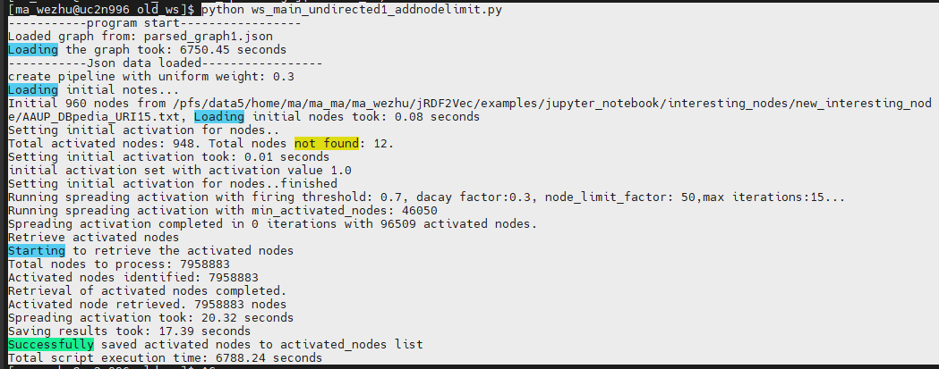
Dataset | 1.Loading the graph(s) | 2.Setting initial activation(s) | 3.spreading activation took (s) | 4. saving result(s) | total | sa in total
Cities | 5101.81 | 0.02 | 17.59 | 13.31 | 5132.73
Movies | 5101.81 | 0 | 16.43 | 16.07 | 5134.31
Albums | 5101.81 | 0.05 | 16.29 | 12.7 | 5130.85
AAUP | 5101.81 | 0.05 | 16.68 | 12.87 | 5131.41
Forbes | 5101.81 | 0 | 15.99 | 13.92 | 5131.72
KORE | 5101.81 | 0.03 | 16.39 | 13.83 | 5132.06 |  | 分开加在一起的大于最后的时间。相差不大就不计算了。原因有很多，可能是因为并行，或者是系统缓存加快了后续的执行速度，时间漂移
LP50 | 5101.81 | 0.04 | 17.93 | 14.31 | 5134.09
average ececutation time | 5101.81 | 0.027142857143 | 16.561666667 | 13.858571429 | 5132.18 | 30.447380952

 |  |  |  |  |  | AAUP

