Sheet2
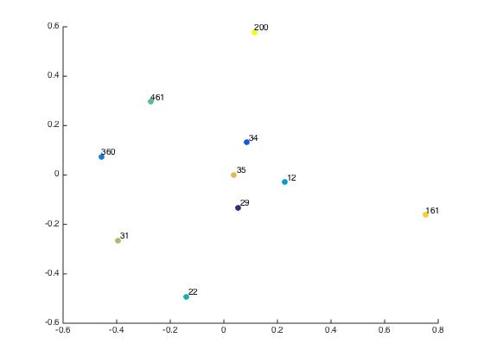

non normalized laplacian, threshold-28, alpha 1.8141e-04 | mission impossible | die hard 3 | tomorrow never dies | toy story | aladdin | antz | lion king | sixth sense | blair witch project | scream
mission impossible | 0 | 0.97893 | 1.0526 | 0.96374 | 1.0764 | 1.0235 | 1.0622 | 0.79427 | 1.1427 | 1.0962
die hard 3 | 0.97893 | 0 | 1.0529 | 0.9624 | 1.0752 | 1.0223 | 1.061 | 0.79482 | 1.1416 | 1.095 | %categories
tomorrow never dies | 1.0526 | 1.0529 | 0 | 1.0391 | 1.1443 | 1.0948 | 1.1309 | 0.88622 | 1.2069 | 1.163 | %29 mission impossible (1996(
toy story | 0.96374 | 0.9624 | 1.0391 | 0 | 1.0489 | 0.99431 | 1.0345 | 0.76698 | 1.1239 | 1.0765 | %34- die hard with a vengeance 1995
aladdin | 1.0764 | 1.0752 | 1.1443 | 1.0489 | 0 | 1.1035 | 1.1353 | 0.90648 | 1.2218 | 1.1784 | %360-tomorrow never dies 1997
antz | 1.0235 | 1.0223 | 1.0948 | 0.99431 | 1.1035 | 0 | 1.0898 | 0.84092 | 1.1755 | 1.1303
lion king | 1.0622 | 1.061 | 1.1309 | 1.0345 | 1.1353 | 1.0898 | 0 | 0.88942 | 1.2093 | 1.1654 | %12- toy story 1999
sixth sense | 0.79427 | 0.79482 | 0.88622 | 0.76698 | 0.90648 | 0.84092 | 0.88942 | 0 | 0.98162 | 0.92745 | %22 Aladdin 1992
blair witch project | 1.1427 | 1.1416 | 1.2069 | 1.1239 | 1.2218 | 1.1755 | 1.2093 | 0.98162 | 0 | 1.2334 | %461 Antz 1998
scream | 1.0962 | 1.095 | 1.163 | 1.0765 | 1.1784 | 1.1303 | 1.1654 | 0.92745 | 1.2334 | 0 | %31 lion king

 |  |  |  |  |  |  |  |  |  |  | %35 the sixth sense
intraclass/interclass ratio | 1.0023 |  |  |  |  |  |  |  |  |  | %161 blair witch project
 |  |  |  |  |  |  |  |  |  |  | %200 scream

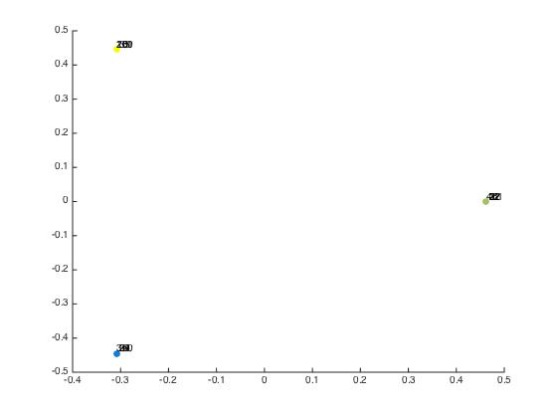

normalized laplacian, threshold-28, alpha 0.6 | mission impossible | die hard 3 | tomorrow never dies | toy story | aladdin | antz | lion king | sixth sense | blair witch project | scream
mission impossible | 0 | 0.88052 | 0.87737 | 0.88884 | 0.88984 | 0.88896 | 0.88953 | 0.8841 | 0.88643 | 0.88657
die hard 3 | 0.88052 | 0 | 0.87957 | 0.88879 | 0.88981 | 0.88891 | 0.8895 | 0.8871 | 0.88645 | 0.88648
tomorrow never dies | 0.87737 | 0.87957 | 0 | 0.8887 | 0.88967 | 0.88882 | 0.88936 | 0.88701 | 0.88631 | 0.8864
toy story | 0.88884 | 0.88879 | 0.8887 | 0 | 0.8765 | 0.87672 | 0.87709 | 0.88593 | 0.88773 | 0.88779
aladdin | 0.88984 | 0.88981 | 0.88967 | 0.8765 | 0 | 0.87611 | 0.86946 | 0.88959 | 0.88872 | 0.88885
antz | 0.88896 | 0.88891 | 0.88882 | 0.87672 | 0.87611 | 0 | 0.87659 | 0.8856 | 0.88784 | 0.88791
lion king | 0.88953 | 0.8895 | 0.88936 | 0.87709 | 0.86946 | 0.87659 | 0 | 0.88914 | 0.8884 | 0.88852
sixth sense | 0.8841 | 0.8871 | 0.88701 | 0.88593 | 0.88959 | 0.8856 | 0.88914 | 0 | 0.87621 | 0.88047
blair witch project | 0.88643 | 0.88645 | 0.88631 | 0.88773 | 0.88872 | 0.88784 | 0.8884 | 0.87621 | 0 | 0.87175
scream | 0.88657 | 0.88648 | 0.8864 | 0.88779 | 0.88885 | 0.88791 | 0.88852 | 0.88047 | 0.87175 | 0

intraclass/interclass ratio | 0.9871

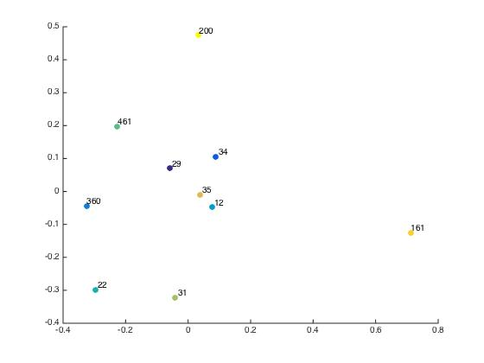

non normalized laplacian, threshold-28, alpha 4.5354e-04 | mission impossible | die hard 3 | tomorrow never dies | toy story | aladdin | antz | lion king | sixth sense | blair witch project | scream
mission impossible | 0 | 0.67025 | 0.76886 | 0.65547 | 0.8077 | 0.72848 | 0.78485 | 0.5194 | 0.92799 | 0.8395
die hard 3 | 0.67025 | 0 | 0.76977 | 0.65389 | 0.80641 | 0.72703 | 0.78353 | 0.51955 | 0.92696 | 0.83816
tomorrow never dies | 0.76886 | 0.76977 | 0 | 0.75845 | 0.89317 | 0.82233 | 0.87259 | 0.64627 | 1.0034 | 0.92207
toy story | 0.65547 | 0.65389 | 0.75845 | 0 | 0.77453 | 0.69282 | 0.75143 | 0.48687 | 0.91 | 0.8194
aladdin | 0.8077 | 0.80641 | 0.89317 | 0.77453 | 0 | 0.83469 | 0.87651 | 0.67965 | 1.025 | 0.94565
antz | 0.72848 | 0.72703 | 0.82233 | 0.69282 | 0.83469 | 0 | 0.81347 | 0.58137 | 0.96385 | 0.87886
lion king | 0.78485 | 0.78353 | 0.87259 | 0.75143 | 0.87651 | 0.81347 | 0 | 0.65215 | 1.0071 | 0.92618
sixth sense | 0.5194 | 0.51955 | 0.64627 | 0.48687 | 0.67965 | 0.58137 | 0.65215 | 0 | 0.816 | 0.71453
blair witch project | 0.92799 | 0.92696 | 1.0034 | 0.91 | 1.025 | 0.96385 | 1.0071 | 0.816 | 0 | 1.0394
scream | 0.8395 | 0.83816 | 0.92207 | 0.8194 | 0.94565 | 0.87886 | 0.92618 | 0.71453 | 1.0394 | 0

intraclass/interclass ratio | 0.9952

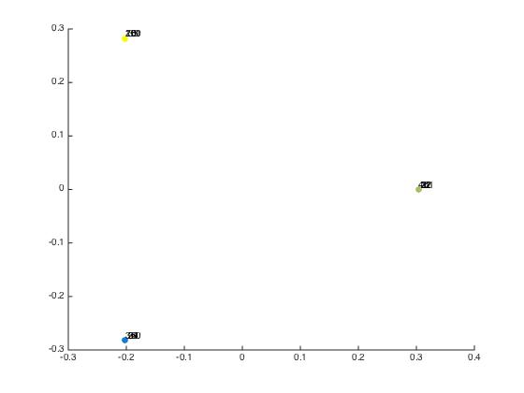
normalized laplacian, threshold-28, alpha 1.5 | mission impossible | die hard 3 | tomorrow never dies | toy story | aladdin | antz | lion king | sixth sense | blair witch project | scream
mission impossible | 0 | 0.56304 | 0.55952 | 0.57673 | 0.57874 | 0.57682 | 0.57809 | 0.56951 | 0.57086 | 0.57106
die hard 3 | 0.56304 | 0 | 0.56205 | 0.57659 | 0.57867 | 0.57669 | 0.57803 | 0.57307 | 0.57095 | 0.57093
tomorrow never dies | 0.55952 | 0.56205 | 0 | 0.57627 | 0.57811 | 0.5763 | 0.57747 | 0.57299 | 0.5703 | 0.57042
toy story | 0.57673 | 0.57659 | 0.57627 | 0 | 0.5588 | 0.55851 | 0.55931 | 0.57358 | 0.57429 | 0.57432
aladdin | 0.57874 | 0.57867 | 0.57811 | 0.5588 | 0 | 0.55834 | 0.55122 | 0.57908 | 0.57606 | 0.57627
antz | 0.57682 | 0.57669 | 0.5763 | 0.55851 | 0.55834 | 0 | 0.5588 | 0.57376 | 0.57426 | 0.57434
lion king | 0.57809 | 0.57803 | 0.57747 | 0.55931 | 0.55122 | 0.5588 | 0 | 0.57814 | 0.57543 | 0.57561
sixth sense | 0.56951 | 0.57307 | 0.57299 | 0.57358 | 0.57908 | 0.57376 | 0.57814 | 0 | 0.56103 | 0.56546
blair witch project | 0.57086 | 0.57095 | 0.5703 | 0.57429 | 0.57606 | 0.57426 | 0.57543 | 0.56103 | 0 | 0.55388
scream | 0.57106 | 0.57093 | 0.57042 | 0.57432 | 0.57627 | 0.57434 | 0.57561 | 0.56546 | 0.55388 | 0

intraclass/interclass ratio | 0.9725

Sheet1
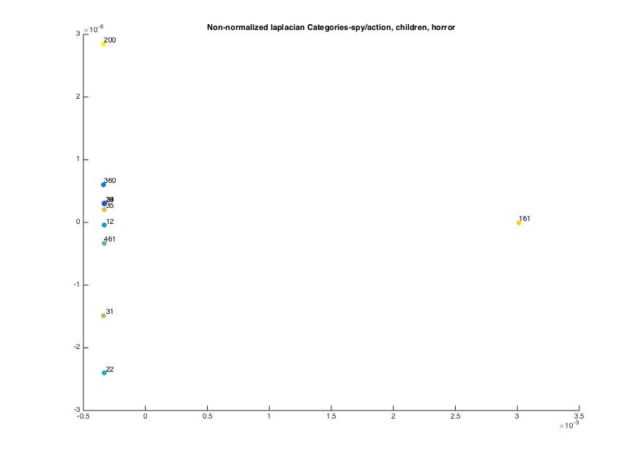
non normalized laplacian, threshold-28, alpha 0.6 | mission impossible | die hard 3 | tomorrow never dies | toy story | aladdin | antz | lion king | sixth sense | blair witch project | scream
mission impossible | 0 | 0.00097021 | 0.0013577 | 0.0010272 | 0.0018049 | 0.0012905 | 0.0016255 | 0.0007598 | 0.0030073 | 0.0018384
die hard 3 | 0.00097021 | 0 | 0.0013657 | 0.0010213 | 0.0018006 | 0.0012848 | 0.0016212 | 0.00076159 | 0.0030074 | 0.0018352
tomorrow never dies | 0.0013577 | 0.0013657 | 0 | 0.001438 | 0.0020686 | 0.0016372 | 0.0019138 | 0.0012614 | 0.0031735 | 0.0020952
toy story | 0.0010272 | 0.0010213 | 0.001438 | 0 | 0.0015632 | 0.0010717 | 0.001391 | 0.00072438 | 0.0029985 | 0.0018217
aladdin | 0.0018049 | 0.0018006 | 0.0020686 | 0.0015632 | 0 | 0.0016454 | 0.0017533 | 0.0016442 | 0.003348 | 0.0023494
antz | 0.0012905 | 0.0012848 | 0.0016372 | 0.0010717 | 0.0016454 | 0 | 0.0014992 | 0.0010614 | 0.0030995 | 0.0019817
lion king | 0.0016255 | 0.0016212 | 0.0019138 | 0.001391 | 0.0017533 | 0.0014992 | 0 | 0.0014459 | 0.0032542 | 0.0022143
sixth sense | 0.0007598 | 0.00076159 | 0.0012614 | 0.00072438 | 0.0016442 | 0.0010614 | 0.0014459 | 0 | 0.0029037 | 0.001682
blair witch project | 0.0030073 | 0.0030074 | 0.0031735 | 0.0029985 | 0.003348 | 0.0030995 | 0.0032542 | 0.0029037 | 0 | 0.0032323
scream | 0.0018384 | 0.0018352 | 0.0020952 | 0.0018217 | 0.0023494 | 0.0019817 | 0.0022143 | 0.001682 | 0.0032323 | 0

 |  |  |  |  |  |  |  |  |  |  | %categories
 |  |  |  |  |  |  |  |  |  |  | %29 mission impossible (1996(
 |  |  |  |  |  |  |  |  |  |  | %34- die hard with a vengeance 1995
 |  |  |  |  |  |  |  |  |  |  | %360-tomorrow never dies 1997

 |  |  |  |  |  |  |  |  |  |  | %12- toy story 1999
 |  |  |  |  |  |  |  |  |  |  | %22 Aladdin 1992
 |  |  |  |  |  |  |  |  |  |  | %461 Antz 1998
 |  |  |  |  |  |  |  |  |  |  | %31 lion king

 |  |  |  |  |  |  |  |  |  |  | %35 the sixth sense
 |  |  |  |  |  |  |  |  |  |  | %161 blair witch project
 |  |  |  |  |  |  |  |  |  |  | %200 scream

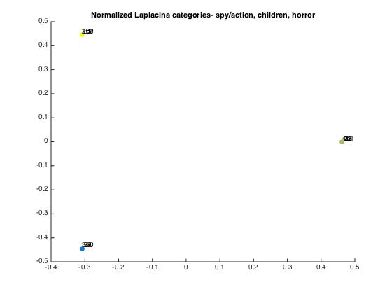
normalized laplacian, threshold-28, alpha 0.6 | mission impossible | die hard 3 | tomorrow never dies | toy story | aladdin | antz | lion king | sixth sense | blair witch project | scream
mission impossible | 0 | 0.88052 | 0.87737 | 0.88884 | 0.88984 | 0.88896 | 0.88953 | 0.8841 | 0.88643 | 0.88657
die hard 3 | 0.88052 | 0 | 0.87957 | 0.88879 | 0.88981 | 0.88891 | 0.8895 | 0.8871 | 0.88645 | 0.88648
tomorrow never dies | 0.87737 | 0.87957 | 0 | 0.8887 | 0.88967 | 0.88882 | 0.88936 | 0.88701 | 0.88631 | 0.8864
toy story | 0.88884 | 0.88879 | 0.8887 | 0 | 0.8765 | 0.87672 | 0.87709 | 0.88593 | 0.88773 | 0.88779
aladdin | 0.88984 | 0.88981 | 0.88967 | 0.8765 | 0 | 0.87611 | 0.86946 | 0.88959 | 0.88872 | 0.88885
antz | 0.88896 | 0.88891 | 0.88882 | 0.87672 | 0.87611 | 0 | 0.87659 | 0.8856 | 0.88784 | 0.88791
lion king | 0.88953 | 0.8895 | 0.88936 | 0.87709 | 0.86946 | 0.87659 | 0 | 0.88914 | 0.8884 | 0.88852
sixth sense | 0.8841 | 0.8871 | 0.88701 | 0.88593 | 0.88959 | 0.8856 | 0.88914 | 0 | 0.87621 | 0.88047
blair witch project | 0.88643 | 0.88645 | 0.88631 | 0.88773 | 0.88872 | 0.88784 | 0.8884 | 0.87621 | 0 | 0.87175
scream | 0.88657 | 0.88648 | 0.8864 | 0.88779 | 0.88885 | 0.88791 | 0.88852 | 0.88047 | 0.87175 | 0

