Sheet1
User rating network (parameter 0.3) threshold 0.42
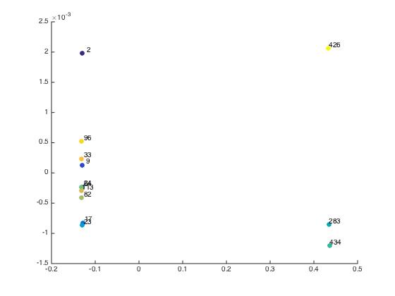
alpha=1.5 normalized laplacian | forrest gump | Star wars A | Star Wars B | Star Wars C | Matrix 1 | Matrix 2 | Matrix 3 | LOTR A | LOTR B | LOTR C | Godfather1 | Godfather 2 | Godfather 3
forrest gump | 0 | 0.56477 | 0.5648 | 0.56477 | 0.56474 | 0.56524 | 0.56642 | 0.56476 | 0.56476 | 0.56475 | 0.56477 | 0.5648 | 0.56513
Star wars A | 0.56477 | 0 | 0.56445 | 0.56407 | 0.5644 | 0.56633 | 0.56662 | 0.56434 | 0.56439 | 0.56437 | 0.56431 | 0.56441 | 0.56617
Star Wars B | 0.5648 | 0.56445 | 0 | 0.56442 | 0.56472 | 0.56524 | 0.56644 | 0.5647 | 0.5647 | 0.56469 | 0.56483 | 0.56484 | 0.56512
Star Wars C | 0.56477 | 0.56407 | 0.56442 | 0 | 0.56442 | 0.56631 | 0.56661 | 0.56436 | 0.56439 | 0.56437 | 0.56438 | 0.56442 | 0.56615
Matrix 1 | 0.56474 | 0.5644 | 0.56472 | 0.56442 | 0 | 0.56632 | 0.5666 | 0.56431 | 0.56437 | 0.56433 | 0.5644 | 0.56446 | 0.56616
Matrix 2 | 0.56524 | 0.56633 | 0.56524 | 0.56631 | 0.56632 | 0 | 0.56396 | 0.56637 | 0.56634 | 0.56637 | 0.56648 | 0.56642 | 0.56482
Matrix 3 | 0.56642 | 0.56662 | 0.56644 | 0.56661 | 0.5666 | 0.56396 | 0 | 0.56664 | 0.56662 | 0.56663 | 0.56672 | 0.56669 | 0.56485
LOTR A | 0.56476 | 0.56434 | 0.5647 | 0.56436 | 0.56431 | 0.56637 | 0.56664 | 0 | 0.56375 | 0.56368 | 0.5643 | 0.56437 | 0.56623
LOTR B | 0.56476 | 0.56439 | 0.5647 | 0.56439 | 0.56437 | 0.56634 | 0.56662 | 0.56375 | 0 | 0.56374 | 0.56438 | 0.56442 | 0.56619
LOTR C | 0.56475 | 0.56437 | 0.56469 | 0.56437 | 0.56433 | 0.56637 | 0.56663 | 0.56368 | 0.56374 | 0 | 0.56431 | 0.56437 | 0.56622
Godfather1 | 0.56477 | 0.56431 | 0.56483 | 0.56438 | 0.5644 | 0.56648 | 0.56672 | 0.5643 | 0.56438 | 0.56431 | 0 | 0.56363 | 0.56633
Godfather 2 | 0.5648 | 0.56441 | 0.56484 | 0.56442 | 0.56446 | 0.56642 | 0.56669 | 0.56437 | 0.56442 | 0.56437 | 0.56363 | 0 | 0.56531
Godfather 3 | 0.56513 | 0.56617 | 0.56512 | 0.56615 | 0.56616 | 0.56482 | 0.56485 | 0.56623 | 0.56619 | 0.56622 | 0.56633 | 0.56531 | 0

intraclass/interclass ratio | 0.9991

 |  |  |  |  |  |  |  |  |  |  |  |  |  |  | %9,17,24 star wars original
 |  |  |  |  |  |  |  |  |  |  |  |  |  |  | %23, 283, 434 Matrix
 |  |  |  |  |  |  |  |  |  |  |  |  |  |  | %64, 82, 113 LOTR
 |  |  |  |  |  |  |  |  |  |  |  |  |  |  | %33 96 426 godfather

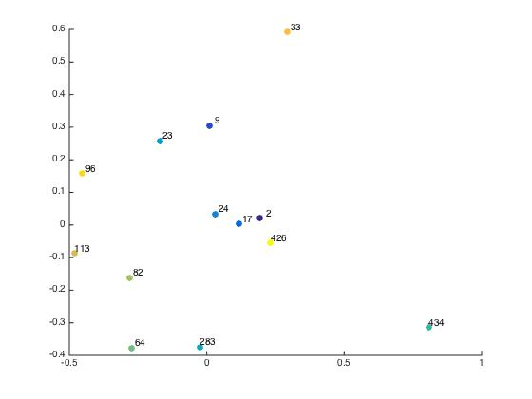

alpha=0.0085 non-normalized laplacian | forrest gump | Star wars A | Star Wars B | Star Wars C | Matrix 1 | Matrix 2 | Matrix 3 | LOTR A | LOTR B | LOTR C | Godfather1 | Godfather 2 | Godfather 3
forrest gump | 0 | 0.58114 | 0.53846 | 0.57514 | 0.58738 | 0.5934 | 0.66424 | 0.60821 | 0.59441 | 0.6085 | 0.6268 | 0.60978 | 0.56157
Star wars A | 0.58114 | 0 | 0.56946 | 0.60388 | 0.61591 | 0.62314 | 0.69024 | 0.63571 | 0.62258 | 0.63603 | 0.65347 | 0.63724 | 0.59277
Star Wars B | 0.53846 | 0.56946 | 0 | 0.5633 | 0.57612 | 0.58226 | 0.65428 | 0.5973 | 0.58324 | 0.5976 | 0.61634 | 0.59899 | 0.54979
Star Wars C | 0.57514 | 0.60388 | 0.5633 | 0 | 0.61026 | 0.6175 | 0.68515 | 0.63024 | 0.61698 | 0.63055 | 0.6482 | 0.63178 | 0.58684
Matrix 1 | 0.58738 | 0.61591 | 0.57612 | 0.61026 | 0 | 0.629 | 0.69553 | 0.6414 | 0.6284 | 0.64172 | 0.65914 | 0.64302 | 0.59892
Matrix 2 | 0.5934 | 0.62314 | 0.58226 | 0.6175 | 0.629 | 0 | 0.69763 | 0.64859 | 0.63559 | 0.64887 | 0.6662 | 0.65008 | 0.60306
Matrix 3 | 0.66424 | 0.69024 | 0.65428 | 0.68515 | 0.69553 | 0.69763 | 0 | 0.7133 | 0.7015 | 0.71356 | 0.72935 | 0.71467 | 0.67179
LOTR A | 0.60821 | 0.63571 | 0.5973 | 0.63024 | 0.6414 | 0.64859 | 0.7133 | 0 | 0.64724 | 0.66012 | 0.67762 | 0.66197 | 0.61945
LOTR B | 0.59441 | 0.62258 | 0.58324 | 0.61698 | 0.6284 | 0.63559 | 0.7015 | 0.64724 | 0 | 0.64752 | 0.66536 | 0.64937 | 0.60583
LOTR C | 0.6085 | 0.63603 | 0.5976 | 0.63055 | 0.64172 | 0.64887 | 0.71356 | 0.66012 | 0.64752 | 0 | 0.6779 | 0.66225 | 0.61975
Godfather1 | 0.6268 | 0.65347 | 0.61634 | 0.6482 | 0.65914 | 0.6662 | 0.72935 | 0.67762 | 0.66536 | 0.6779 | 0 | 0.6783 | 0.63785
Godfather 2 | 0.60978 | 0.63724 | 0.59899 | 0.63178 | 0.64302 | 0.65008 | 0.71467 | 0.66197 | 0.64937 | 0.66225 | 0.6783 | 0 | 0.62003
Godfather 3 | 0.56157 | 0.59277 | 0.54979 | 0.58684 | 0.59892 | 0.60306 | 0.67179 | 0.61945 | 0.60583 | 0.61975 | 0.63785 | 0.62003 | 0

intraclass/interclass ratio | 1.011

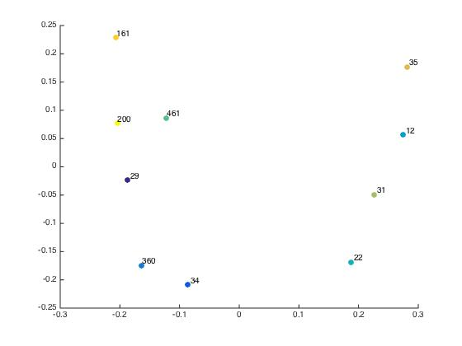
normalized laplacian alpha=1.5 | mission impossible | die hard 3 | tomorrow never dies | toy story | aladdin | antz | lion king | sixth sense | blair witch project | scream
mission impossible | 0 | 0.56489 | 0.56482 | 0.56544 | 0.56517 | 0.56492 | 0.56523 | 0.56561 | 0.55921 | 0.56489
die hard 3 | 0.56489 | 0 | 0.56484 | 0.56534 | 0.56507 | 0.56507 | 0.56515 | 0.56547 | 0.56686 | 0.56507
tomorrow never dies | 0.56482 | 0.56484 | 0 | 0.56545 | 0.56513 | 0.56501 | 0.56525 | 0.5664 | 0.56666 | 0.56501
toy story | 0.56544 | 0.56534 | 0.56545 | 0 | 0.56497 | 0.56528 | 0.56488 | 0.56482 | 0.56681 | 0.5653
aladdin | 0.56517 | 0.56507 | 0.56513 | 0.56497 | 0 | 0.56509 | 0.56478 | 0.56513 | 0.56691 | 0.56516
antz | 0.56492 | 0.56507 | 0.56501 | 0.56528 | 0.56509 | 0 | 0.56514 | 0.56546 | 0.5592 | 0.56489
lion king | 0.56523 | 0.56515 | 0.56525 | 0.56488 | 0.56478 | 0.56514 | 0 | 0.56502 | 0.56684 | 0.56522
sixth sense | 0.56561 | 0.56547 | 0.5664 | 0.56482 | 0.56513 | 0.56546 | 0.56502 | 0 | 0.56677 | 0.56547
blair witch project | 0.55921 | 0.56686 | 0.56666 | 0.56681 | 0.56691 | 0.5592 | 0.56684 | 0.56677 | 0 | 0.55847
scream | 0.56489 | 0.56507 | 0.56501 | 0.5653 | 0.56516 | 0.56489 | 0.56522 | 0.56547 | 0.55847 | 0

 |  |  |  |  |  |  |  |  |  |  |  |  |  | %categories
 |  |  |  |  |  |  |  |  |  |  |  |  |  | %29 mission impossible (1996(
 |  |  |  |  |  |  |  |  |  |  |  |  |  | %34- die hard with a vengeance 1995
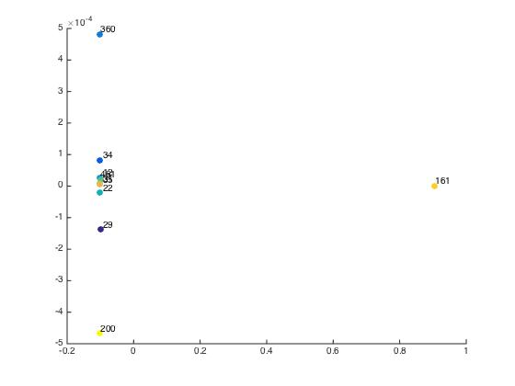
 |  |  |  |  |  |  |  |  |  |  |  |  |  | %360-tomorrow never dies 1997

non-normalized laplacian alpha=0.0085 | mission impossible | die hard 3 | tomorrow never dies | toy story | aladdin | antz | lion king | sixth sense | blair witch project | scream |  |  |  | %12- toy story 1999
mission impossible | 0 | 0.51942 | 0.54669 | 0.51604 | 0.50542 | 0.51722 | 0.50914 | 0.53747 | 0.99506 | 0.54381 |  |  |  | %22 Aladdin 1992
die hard 3 | 0.51942 | 0 | 0.53766 | 0.50633 | 0.49552 | 0.5076 | 0.49933 | 0.52811 | 0.99169 | 0.53467 |  |  |  | %461 Antz 1998
tomorrow never dies | 0.54669 | 0.53766 | 0 | 0.53445 | 0.52415 | 0.53547 | 0.52778 | 0.55596 | 1.0063 | 0.56121 |  |  |  | %31 lion king
toy story | 0.51604 | 0.50633 | 0.53445 | 0 | 0.49143 | 0.50385 | 0.49516 | 0.5239 | 0.98973 | 0.53118
aladdin | 0.50542 | 0.49552 | 0.52415 | 0.49143 | 0 | 0.49303 | 0.48421 | 0.51386 | 0.9843 | 0.52094 |  |  |  | %35 the sixth sense
antz | 0.51722 | 0.5076 | 0.53547 | 0.50385 | 0.49303 | 0 | 0.49685 | 0.52578 | 0.98893 | 0.53239 |  |  |  | %161 blair witch project
lion king | 0.50914 | 0.49933 | 0.52778 | 0.49516 | 0.48421 | 0.49685 | 0 | 0.51742 | 0.9862 | 0.52458 |  |  |  | %200 scream
sixth sense | 0.53747 | 0.52811 | 0.55596 | 0.5239 | 0.51386 | 0.52578 | 0.51742 | 0 | 1.0011 | 0.55205
blair witch project | 0.99506 | 0.99169 | 1.0063 | 0.98973 | 0.9843 | 0.98893 | 0.9862 | 1.0011 | 0 | 1.0028
scream | 0.54381 | 0.53467 | 0.56121 | 0.53118 | 0.52094 | 0.53239 | 0.52458 | 0.55205 | 1.0028 | 0

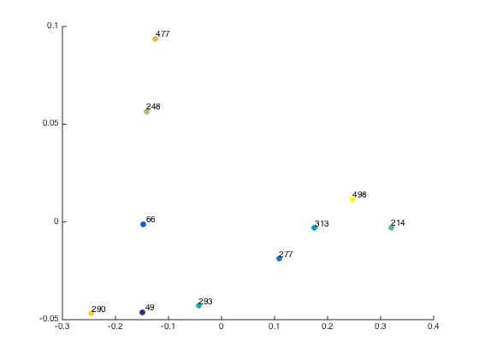

normalized laplacian alpha = 1.5 | terminator | die hard | robocop | lethal weapon | predator | Mission Impossible 2 | bourne identity | black hawk down | kill bill 2 | lethal weapon 3
terminator | 0 | 0.56472 | 0.56513 | 0.56527 | 0.56489 | 0.56677 | 0.56488 | 0.56488 | 0.56489 | 0.56642
die hard | 0.56472 | 0 | 0.56515 | 0.56522 | 0.56489 | 0.56675 | 0.56483 | 0.56488 | 0.56488 | 0.56557
robocop | 0.56513 | 0.56515 | 0 | 0.5648 | 0.56491 | 0.56508 | 0.56515 | 0.56513 | 0.5653 | 0.56495
lethal weapon | 0.56527 | 0.56522 | 0.5648 | 0 | 0.565 | 0.56486 | 0.5652 | 0.56519 | 0.56626 | 0.56444
predator | 0.56489 | 0.56489 | 0.56491 | 0.565 | 0 | 0.56552 | 0.56492 | 0.56491 | 0.56506 | 0.56525
Mission Impossible 2 | 0.56677 | 0.56675 | 0.56508 | 0.56486 | 0.56552 | 0 | 0.56672 | 0.56668 | 0.5669 | 0.56448
bourne identity | 0.56488 | 0.56483 | 0.56515 | 0.5652 | 0.56492 | 0.56672 | 0 | 0.56483 | 0.56493 | 0.56549
black hawk down | 0.56488 | 0.56488 | 0.56513 | 0.56519 | 0.56491 | 0.56668 | 0.56483 | 0 | 0.56497 | 0.56547
kill bill 2 | 0.56489 | 0.56488 | 0.5653 | 0.56626 | 0.56506 | 0.5669 | 0.56493 | 0.56497 | 0 | 0.56658
lethal weapon 3 | 0.56642 | 0.56557 | 0.56495 | 0.56444 | 0.56525 | 0.56448 | 0.56549 | 0.56547 | 0.56658 | 0

 |  |  |  |  |  |  |  |  |  |  |  |  |  | %action movies from 80s
intraclass/interclass ratio | 1.0001 |  |  |  |  |  |  |  |  |  |  |  |  | %49 the terminator (1984)
 |  |  |  |  |  |  |  |  |  |  |  |  |  | %66 die hard (1988)
 |  |  |  |  |  |  |  |  |  |  |  |  |  | %277 Robocop (1987)
 |  |  |  |  |  |  |  |  |  |  |  |  |  | %313 Lethal weapon (1987)
 |  |  |  |  |  |  |  |  |  |  |  |  |  | %293 predator (1987)

 |  |  |  |  |  |  |  |  |  |  |  |  |  | %action movies from 2000s
 |  |  |  |  |  |  |  |  |  |  |  |  |  | %214 mission impossible 2 (2000)
 |  |  |  |  |  |  |  |  |  |  |  |  |  | %248 the bourne identity (2002)
 |  |  |  |  |  |  |  |  |  |  |  |  |  | %477 black hawk down
 |  |  |  |  |  |  |  |  |  |  |  |  |  | %290 Kill bill 2
 |  |  |  |  |  |  |  |  |  |  |  |  |  | %498 lethal weapon 3

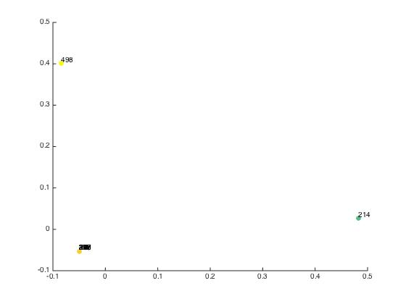
non-normalized laplacian alpha = 0.0085 | terminator | die hard | robocop | lethal weapon | predator | Mission Impossible 2 | bourne identity | black hawk down | kill bill 2 | lethal weapon 3
terminator | 0 | 0.50473 | 0.52748 | 0.52847 | 0.50307 | 0.63286 | 0.49687 | 0.50337 | 0.53562 | 0.5672
die hard | 0.50473 | 0 | 0.52593 | 0.52687 | 0.50144 | 0.63155 | 0.49518 | 0.50174 | 0.53408 | 0.56493
robocop | 0.52748 | 0.52593 | 0 | 0.54806 | 0.524 | 0.64821 | 0.51826 | 0.52448 | 0.55567 | 0.58458
lethal weapon | 0.52847 | 0.52687 | 0.54806 | 0 | 0.52497 | 0.64873 | 0.51919 | 0.52541 | 0.55743 | 0.58488
predator | 0.50307 | 0.50144 | 0.524 | 0.52497 | 0 | 0.629 | 0.49341 | 0.49995 | 0.53252 | 0.56306
Mission Impossible 2 | 0.63286 | 0.63155 | 0.64821 | 0.64873 | 0.629 | 0 | 0.62509 | 0.63028 | 0.65666 | 0.67943
bourne identity | 0.49687 | 0.49518 | 0.51826 | 0.51919 | 0.49341 | 0.62509 | 0 | 0.49364 | 0.52655 | 0.5577
black hawk down | 0.50337 | 0.50174 | 0.52448 | 0.52541 | 0.49995 | 0.63028 | 0.49364 | 0 | 0.53273 | 0.56351
kill bill 2 | 0.53562 | 0.53408 | 0.55567 | 0.55743 | 0.53252 | 0.65666 | 0.52655 | 0.53273 | 0 | 0.59361
lethal weapon 3 | 0.5672 | 0.56493 | 0.58458 | 0.58488 | 0.56306 | 0.67943 | 0.5577 | 0.56351 | 0.59361 | 0

intraclass/interclass ratio | 0.9996

