Sheet1
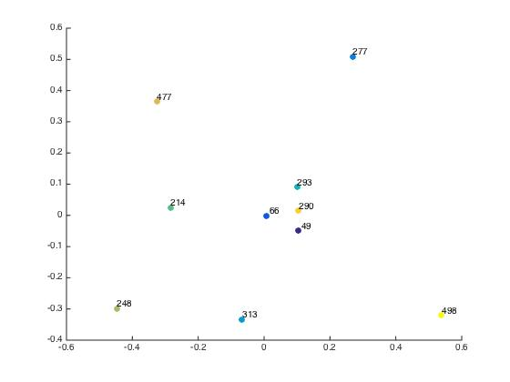
non normalized laplacian threshold 28 alpha 1.8141e-04 | terminator | die hard | robocop | lethal weapon | predator | Mission Impossible 2 | bourne identity | black hawk down | kill bill 2 | lethal weapon 3
terminator | 0 | 0.65572 | 0.94099 | 0.85781 | 0.77594 | 0.84737 | 0.91487 | 0.90234 | 0.73544 | 0.95469
die hard | 0.65572 | 0 | 0.85764 | 0.7627 | 0.67139 | 0.75136 | 0.82353 | 0.80999 | 0.62206 | 0.86738
robocop | 0.94099 | 0.85764 | 0 | 1.023 | 0.95217 | 1.0143 | 1.0693 | 1.0588 | 0.91961 | 1.1034
lethal weapon | 0.85781 | 0.7627 | 1.023 | 0 | 0.86951 | 0.93058 | 0.99041 | 0.98343 | 0.83505 | 1.0219
predator | 0.77594 | 0.67139 | 0.95217 | 0.86951 | 0 | 0.85912 | 0.92609 | 0.91407 | 0.74974 | 0.9653
Mission Impossible 2 | 0.84737 | 0.75136 | 1.0143 | 0.93058 | 0.85912 | 0 | 0.98053 | 0.97426 | 0.82434 | 1.0173
bourne identity | 0.91487 | 0.82353 | 1.0693 | 0.99041 | 0.92609 | 0.98053 | 0 | 1.0309 | 0.89064 | 1.0763
black hawk down | 0.90234 | 0.80999 | 1.0588 | 0.98343 | 0.91407 | 0.97426 | 1.0309 | 0 | 0.87744 | 1.0666
kill bill 2 | 0.73544 | 0.62206 | 0.91961 | 0.83505 | 0.74974 | 0.82434 | 0.89064 | 0.87744 | 0 | 0.9317
lethal weapon 3 | 0.95469 | 0.86738 | 1.1034 | 1.0219 | 0.9653 | 1.0173 | 1.0763 | 1.0666 | 0.9317 | 0

intraclass/interclass ratio | 0.9989

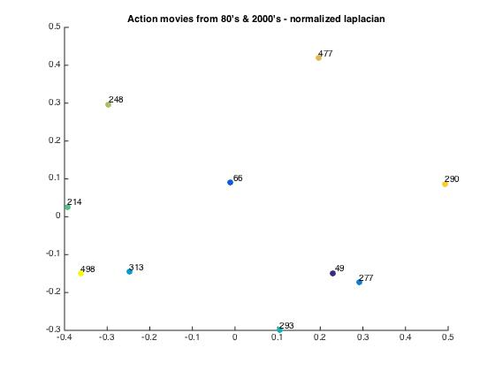

 |  |  |  |  |  |  |  |  |  |  | %action movies from 80s
normalized laplacian threshold 28 alpha 0.6 | terminator | die hard | robocop | lethal weapon | predator | Mission Impossible 2 | bourne identity | black hawk down | kill bill 2 | lethal weapon 3 | %49 the terminator (1984)
terminator | 0 | 0.88341 | 0.87925 | 0.88341 | 0.88123 | 0.88415 | 0.88636 | 0.88572 | 0.88363 | 0.88628 | %66 die hard (1988)
die hard | 0.88341 | 0 | 0.88176 | 0.88243 | 0.88301 | 0.88365 | 0.88258 | 0.88336 | 0.88419 | 0.88171 | %277 Robocop (1987)
robocop | 0.87925 | 0.88176 | 0 | 0.886 | 0.87977 | 0.88696 | 0.88628 | 0.88558 | 0.88166 | 0.88612 | %313 Lethal weapon (1987)
lethal weapon | 0.88341 | 0.88243 | 0.886 | 0 | 0.8831 | 0.88121 | 0.88146 | 0.8864 | 0.8865 | 0.87385 | %293 predator (1987)
predator | 0.88123 | 0.88301 | 0.87977 | 0.8831 | 0 | 0.88371 | 0.88632 | 0.88612 | 0.88375 | 0.88602
Mission Impossible 2 | 0.88415 | 0.88365 | 0.88696 | 0.88121 | 0.88371 | 0 | 0.88113 | 0.88723 | 0.88746 | 0.87987
bourne identity | 0.88636 | 0.88258 | 0.88628 | 0.88146 | 0.88632 | 0.88113 | 0 | 0.88587 | 0.88624 | 0.88563 | %action movies from 2000s
black hawk down | 0.88572 | 0.88336 | 0.88558 | 0.8864 | 0.88612 | 0.88723 | 0.88587 | 0 | 0.88527 | 0.88621 | %214 mission impossible 2 (2000)
kill bill 2 | 0.88363 | 0.88419 | 0.88166 | 0.8865 | 0.88375 | 0.88746 | 0.88624 | 0.88527 | 0 | 0.88646 | %248 the bourne identity (2002)
lethal weapon 3 | 0.88628 | 0.88171 | 0.88612 | 0.87385 | 0.88602 | 0.87987 | 0.88563 | 0.88621 | 0.88646 | 0 | %477 black hawk down
 |  |  |  |  |  |  |  |  |  |  | %290 Kill bill 2
 |  |  |  |  |  |  |  |  |  |  | %498 lethal weapon 3

intraclass/interclass ratio | 0.9995

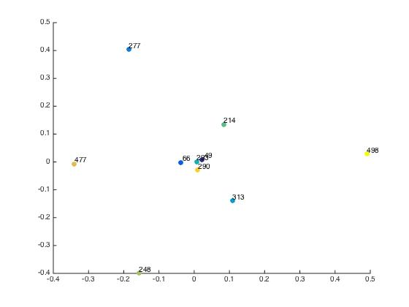
non normalized laplacian threshold 28 alpha 4.5354e-04 | terminator | die hard | robocop | lethal weapon | predator | Mission Impossible 2 | bourne identity | black hawk down | kill bill 2 | lethal weapon 3
terminator | 0 | 0.3734 | 0.65775 | 0.54866 | 0.46311 | 0.53689 | 0.61998 | 0.60268 | 0.42938 | 0.67743
die hard | 0.3734 | 0 | 0.60883 | 0.48468 | 0.38811 | 0.47172 | 0.561 | 0.54251 | 0.34381 | 0.62368
robocop | 0.65775 | 0.60883 | 0 | 0.73207 | 0.66623 | 0.72344 | 0.78561 | 0.77229 | 0.64426 | 0.83131
lethal weapon | 0.54866 | 0.48468 | 0.73207 | 0 | 0.55805 | 0.61564 | 0.68725 | 0.67852 | 0.53234 | 0.73174
predator | 0.46311 | 0.38811 | 0.66623 | 0.55805 | 0 | 0.54632 | 0.62868 | 0.6124 | 0.44277 | 0.68504
Mission Impossible 2 | 0.53689 | 0.47172 | 0.72344 | 0.61564 | 0.54632 | 0 | 0.67671 | 0.66904 | 0.52039 | 0.72833
bourne identity | 0.61998 | 0.561 | 0.78561 | 0.68725 | 0.62868 | 0.67671 | 0 | 0.73462 | 0.60253 | 0.79525
black hawk down | 0.60268 | 0.54251 | 0.77229 | 0.67852 | 0.6124 | 0.66904 | 0.73462 | 0 | 0.58387 | 0.78427
kill bill 2 | 0.42938 | 0.34381 | 0.64426 | 0.53234 | 0.44277 | 0.52039 | 0.60253 | 0.58387 | 0 | 0.66201
lethal weapon 3 | 0.67743 | 0.62368 | 0.83131 | 0.73174 | 0.68504 | 0.72833 | 0.79525 | 0.78427 | 0.66201 | 0

intraclass/interclass ratio | 0.9981

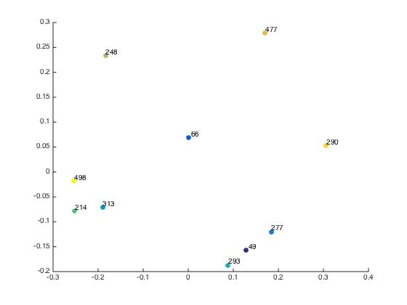

normalized laplacian threshold 28 alpha 1.5 | terminator | die hard | robocop | lethal weapon | predator | Mission Impossible 2 | bourne identity | black hawk down | kill bill 2 | lethal weapon 3
terminator | 0 | 0.56749 | 0.56196 | 0.5674 | 0.56343 | 0.56864 | 0.57073 | 0.56957 | 0.56708 | 0.57051
die hard | 0.56749 | 0 | 0.56722 | 0.56663 | 0.56687 | 0.56817 | 0.56753 | 0.56915 | 0.56861 | 0.56679
robocop | 0.56196 | 0.56722 | 0 | 0.56984 | 0.56267 | 0.57176 | 0.57025 | 0.56883 | 0.56503 | 0.56983
lethal weapon | 0.5674 | 0.56663 | 0.56984 | 0 | 0.56679 | 0.56388 | 0.56459 | 0.5708 | 0.57118 | 0.55582
predator | 0.56343 | 0.56687 | 0.56267 | 0.56679 | 0 | 0.56775 | 0.57064 | 0.57045 | 0.56759 | 0.56997
Mission Impossible 2 | 0.56864 | 0.56817 | 0.57176 | 0.56388 | 0.56775 | 0 | 0.56456 | 0.57264 | 0.5732 | 0.56287
bourne identity | 0.57073 | 0.56753 | 0.57025 | 0.56459 | 0.57064 | 0.56456 | 0 | 0.56954 | 0.57057 | 0.56884
black hawk down | 0.56957 | 0.56915 | 0.56883 | 0.5708 | 0.57045 | 0.57264 | 0.56954 | 0 | 0.56847 | 0.57018
kill bill 2 | 0.56708 | 0.56861 | 0.56503 | 0.57118 | 0.56759 | 0.5732 | 0.57057 | 0.56847 | 0 | 0.57107
lethal weapon 3 | 0.57051 | 0.56679 | 0.56983 | 0.55582 | 0.56997 | 0.56287 | 0.56884 | 0.57018 | 0.57107 | 0

intraclass/interclass ratio | 0.999

