Sheet1
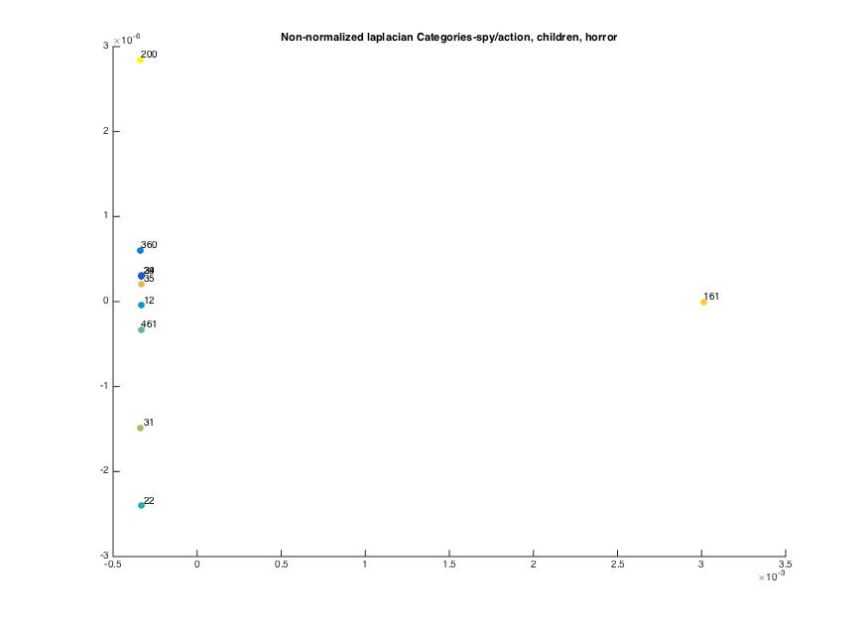
non normalized laplacian, threshold-28, alpha 0.6 | mission impossible | die hard 3 | tomorrow never dies | toy story | aladdin | antz | lion king | sixth sense | blair witch project | scream
mission impossible | 0 | 0.00097021 | 0.0013577 | 0.0010272 | 0.0018049 | 0.0012905 | 0.0016255 | 0.0007598 | 0.0030073 | 0.0018384
die hard 3 | 0.00097021 | 0 | 0.0013657 | 0.0010213 | 0.0018006 | 0.0012848 | 0.0016212 | 0.00076159 | 0.0030074 | 0.0018352
tomorrow never dies | 0.0013577 | 0.0013657 | 0 | 0.001438 | 0.0020686 | 0.0016372 | 0.0019138 | 0.0012614 | 0.0031735 | 0.0020952
toy story | 0.0010272 | 0.0010213 | 0.001438 | 0 | 0.0015632 | 0.0010717 | 0.001391 | 0.00072438 | 0.0029985 | 0.0018217
aladdin | 0.0018049 | 0.0018006 | 0.0020686 | 0.0015632 | 0 | 0.0016454 | 0.0017533 | 0.0016442 | 0.003348 | 0.0023494
antz | 0.0012905 | 0.0012848 | 0.0016372 | 0.0010717 | 0.0016454 | 0 | 0.0014992 | 0.0010614 | 0.0030995 | 0.0019817
lion king | 0.0016255 | 0.0016212 | 0.0019138 | 0.001391 | 0.0017533 | 0.0014992 | 0 | 0.0014459 | 0.0032542 | 0.0022143
sixth sense | 0.0007598 | 0.00076159 | 0.0012614 | 0.00072438 | 0.0016442 | 0.0010614 | 0.0014459 | 0 | 0.0029037 | 0.001682
blair witch project | 0.0030073 | 0.0030074 | 0.0031735 | 0.0029985 | 0.003348 | 0.0030995 | 0.0032542 | 0.0029037 | 0 | 0.0032323
scream | 0.0018384 | 0.0018352 | 0.0020952 | 0.0018217 | 0.0023494 | 0.0019817 | 0.0022143 | 0.001682 | 0.0032323 | 0

 |  |  |  |  |  |  |  |  |  |  | %categories
 |  |  |  |  |  |  |  |  |  |  | %29 mission impossible (1996(
 |  |  |  |  |  |  |  |  |  |  | %34- die hard with a vengeance 1995
 |  |  |  |  |  |  |  |  |  |  | %360-tomorrow never dies 1997

 |  |  |  |  |  |  |  |  |  |  | %12- toy story 1999
 |  |  |  |  |  |  |  |  |  |  | %22 Aladdin 1992
 |  |  |  |  |  |  |  |  |  |  | %461 Antz 1998
 |  |  |  |  |  |  |  |  |  |  | %31 lion king

 |  |  |  |  |  |  |  |  |  |  | %35 the sixth sense
 |  |  |  |  |  |  |  |  |  |  | %161 blair witch project
 |  |  |  |  |  |  |  |  |  |  | %200 scream

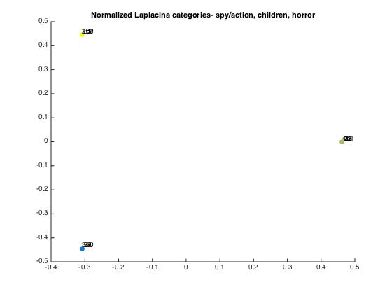
normalized laplacian, threshold-28, alpha 0.6 | mission impossible | die hard 3 | tomorrow never dies | toy story | aladdin | antz | lion king | sixth sense | blair witch project | scream
mission impossible | 0 | 0.88052 | 0.87737 | 0.88884 | 0.88984 | 0.88896 | 0.88953 | 0.8841 | 0.88643 | 0.88657
die hard 3 | 0.88052 | 0 | 0.87957 | 0.88879 | 0.88981 | 0.88891 | 0.8895 | 0.8871 | 0.88645 | 0.88648
tomorrow never dies | 0.87737 | 0.87957 | 0 | 0.8887 | 0.88967 | 0.88882 | 0.88936 | 0.88701 | 0.88631 | 0.8864
toy story | 0.88884 | 0.88879 | 0.8887 | 0 | 0.8765 | 0.87672 | 0.87709 | 0.88593 | 0.88773 | 0.88779
aladdin | 0.88984 | 0.88981 | 0.88967 | 0.8765 | 0 | 0.87611 | 0.86946 | 0.88959 | 0.88872 | 0.88885
antz | 0.88896 | 0.88891 | 0.88882 | 0.87672 | 0.87611 | 0 | 0.87659 | 0.8856 | 0.88784 | 0.88791
lion king | 0.88953 | 0.8895 | 0.88936 | 0.87709 | 0.86946 | 0.87659 | 0 | 0.88914 | 0.8884 | 0.88852
sixth sense | 0.8841 | 0.8871 | 0.88701 | 0.88593 | 0.88959 | 0.8856 | 0.88914 | 0 | 0.87621 | 0.88047
blair witch project | 0.88643 | 0.88645 | 0.88631 | 0.88773 | 0.88872 | 0.88784 | 0.8884 | 0.87621 | 0 | 0.87175
scream | 0.88657 | 0.88648 | 0.8864 | 0.88779 | 0.88885 | 0.88791 | 0.88852 | 0.88047 | 0.87175 | 0

