Sheet1
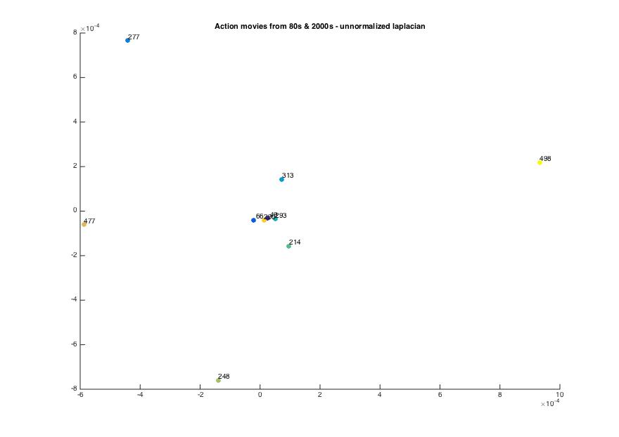
non normalized laplacian threshold 28 alpha 0.6 | terminator | die hard | robocop | lethal weapon | predator | Mission Impossible 2 | bourne identity | black hawk down | kill bill 2 | lethal weapon 3
terminator | 0 | 0.00040741 | 0.0010971 | 0.00072953 | 0.00052397 | 0.00071014 | 0.00095148 | 0.00087455 | 0.00048172 | 0.0012063
die hard | 0.00040741 | 0 | 0.0010679 | 0.00065642 | 0.0004363 | 0.00063836 | 0.00088669 | 0.00080818 | 0.0003603 | 0.001156
robocop | 0.0010971 | 0.0010679 | 0 | 0.0012274 | 0.0011052 | 0.0012161 | 0.0013753 | 0.0013276 | 0.0010991 | 0.0015562
lethal weapon | 0.00072953 | 0.00065642 | 0.0012274 | 0 | 0.00073731 | 0.00083221 | 0.0010442 | 0.0010269 | 0.00072409 | 0.0012335
predator | 0.00052397 | 0.0004363 | 0.0011052 | 0.00073731 | 0 | 0.00071571 | 0.00095938 | 0.00089286 | 0.00051177 | 0.0012076
Mission Impossible 2 | 0.00071014 | 0.00063836 | 0.0012161 | 0.00083221 | 0.00071571 | 0 | 0.0010221 | 0.0010168 | 0.00071103 | 0.0012389
bourne identity | 0.00095148 | 0.00088669 | 0.0013753 | 0.0010442 | 0.00095938 | 0.0010221 | 0 | 0.0011838 | 0.00093744 | 0.0014142
black hawk down | 0.00087455 | 0.00080818 | 0.0013276 | 0.0010269 | 0.00089286 | 0.0010168 | 0.0011838 | 0 | 0.00084487 | 0.0014074
kill bill 2 | 0.00048172 | 0.0003603 | 0.0010991 | 0.00072409 | 0.00051177 | 0.00071103 | 0.00093744 | 0.00084487 | 0 | 0.001204
lethal weapon 3 | 0.0012063 | 0.001156 | 0.0015562 | 0.0012335 | 0.0012076 | 0.0012389 | 0.0014142 | 0.0014074 | 0.001204 | 0

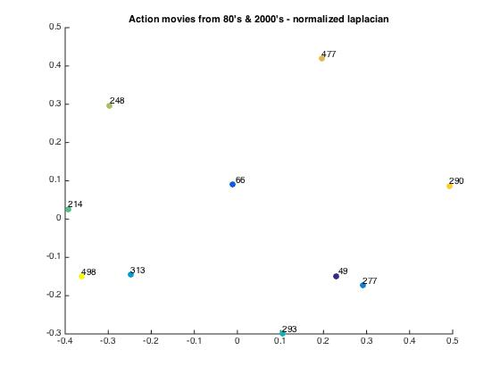
normalized laplacian threshold 28 alpha 0.6 | terminator | die hard | robocop | lethal weapon | predator | Mission Impossible 2 | bourne identity | black hawk down | kill bill 2 | lethal weapon 3
terminator | 0 | 0.88341 | 0.87925 | 0.88341 | 0.88123 | 0.88415 | 0.88636 | 0.88572 | 0.88363 | 0.88628
die hard | 0.88341 | 0 | 0.88176 | 0.88243 | 0.88301 | 0.88365 | 0.88258 | 0.88336 | 0.88419 | 0.88171
robocop | 0.87925 | 0.88176 | 0 | 0.886 | 0.87977 | 0.88696 | 0.88628 | 0.88558 | 0.88166 | 0.88612
lethal weapon | 0.88341 | 0.88243 | 0.886 | 0 | 0.8831 | 0.88121 | 0.88146 | 0.8864 | 0.8865 | 0.87385
predator | 0.88123 | 0.88301 | 0.87977 | 0.8831 | 0 | 0.88371 | 0.88632 | 0.88612 | 0.88375 | 0.88602
Mission Impossible 2 | 0.88415 | 0.88365 | 0.88696 | 0.88121 | 0.88371 | 0 | 0.88113 | 0.88723 | 0.88746 | 0.87987
bourne identity | 0.88636 | 0.88258 | 0.88628 | 0.88146 | 0.88632 | 0.88113 | 0 | 0.88587 | 0.88624 | 0.88563
black hawk down | 0.88572 | 0.88336 | 0.88558 | 0.8864 | 0.88612 | 0.88723 | 0.88587 | 0 | 0.88527 | 0.88621
kill bill 2 | 0.88363 | 0.88419 | 0.88166 | 0.8865 | 0.88375 | 0.88746 | 0.88624 | 0.88527 | 0 | 0.88646
lethal weapon 3 | 0.88628 | 0.88171 | 0.88612 | 0.87385 | 0.88602 | 0.87987 | 0.88563 | 0.88621 | 0.88646 | 0

