Q1
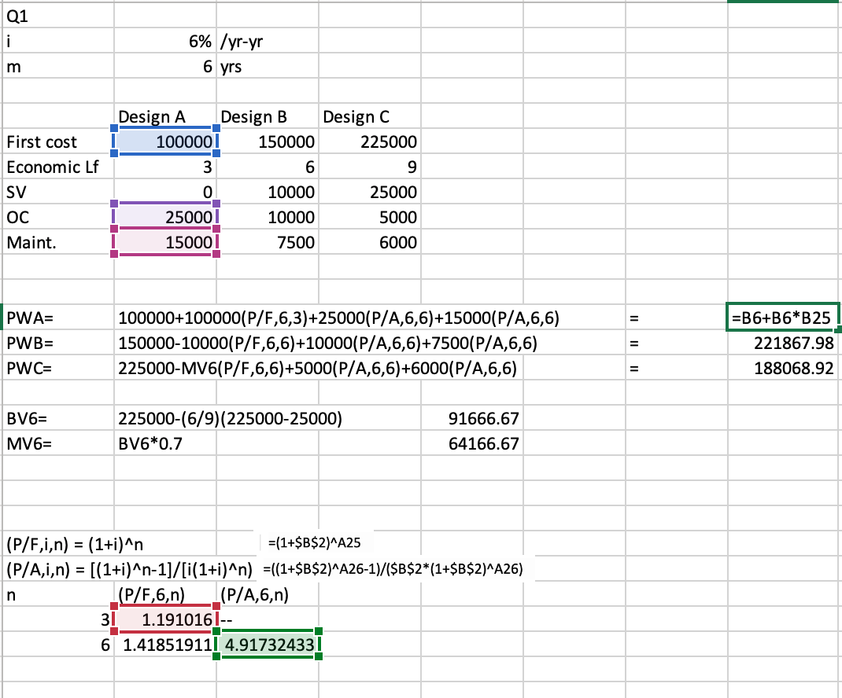
Q1
i | 6% | /yr-yr
m | 6 | yrs

 | Design A | Design B | Design C
First cost | 100000 | 150000 | 225000
Economic Lf | 3 | 6 | 9
SV | 0 | 10000 | 25000
OC/yr | 25000 | 10000 | 5000
Maint./yr | 15000 | 7500 | 6000

PWA= | 100000+100000(P/F,6,3)+25000(P/A,6,6)+15000(P/A,6,6) |  |  |  | = | 380654.90 | Sensitivity Analysis- determines the effect on the PW based on input variables
PWB= | 150000-10000(P/F,6,6)+10000(P/A,6,6)+7500(P/A,6,6) |  |  |  | = | 229003.57 | Cost-wise, choose Design B.
PWC= | 225000-MV6(P/F,6,6)+5000(P/A,6,6)+6000(P/A,6,6) |  |  |  | = | 233855.60 | Sensitivity: Design C may be a better choice because OC and Maint. Costs per year may not stay constant (may inflate, for example). In that case, Design C triumps because it has lower OC and Maint at t=0 and would therefore increase less. Other observations is that the first cost of Design C is higher, but it is still the second best option. Additionally, it is also more advantageous because SV is higher and economic life is higher.

BV6= | 225000-(6/9)(225000-25000) |  |  | 91666.67
MV6= | BV6*0.7 |  |  | 64166.67

 |  |  |  |  |  |  | Design B, the selected design assumed MV6=BV6*0.7. It's not a guarantee that the market to book ratio would always be constant. Market value usually exponentially decreases while Book value is a linear regression. As a result, for the prediction to work, the market value has to be not radically decreasing in the future (t=6-9). How would you know if market value is not radically decreasing in that timeframe, well, that's probably another type of qualitative or quantitative analysis.
(P/F,i,n) = (1+i)^(-n)
(P/A,i,n) = [(1+i)^n-1]/[i(1+i)^n)
n | (P/F,6,n) | (P/A,6,n)
3 | 0.83961928303 | --
6 | 0.70496054044 | 4.917324326

Q2
Q2
i | 6% | /yr-yr
m | 7 | yrs

 | Design X | Design Y
First cost | 300000 | 500000
Economic Lf | 7 | 7
SV | 15000 | 50000
OC/yr | 50000 | 25000
Maint./yr | 25000 | 10000

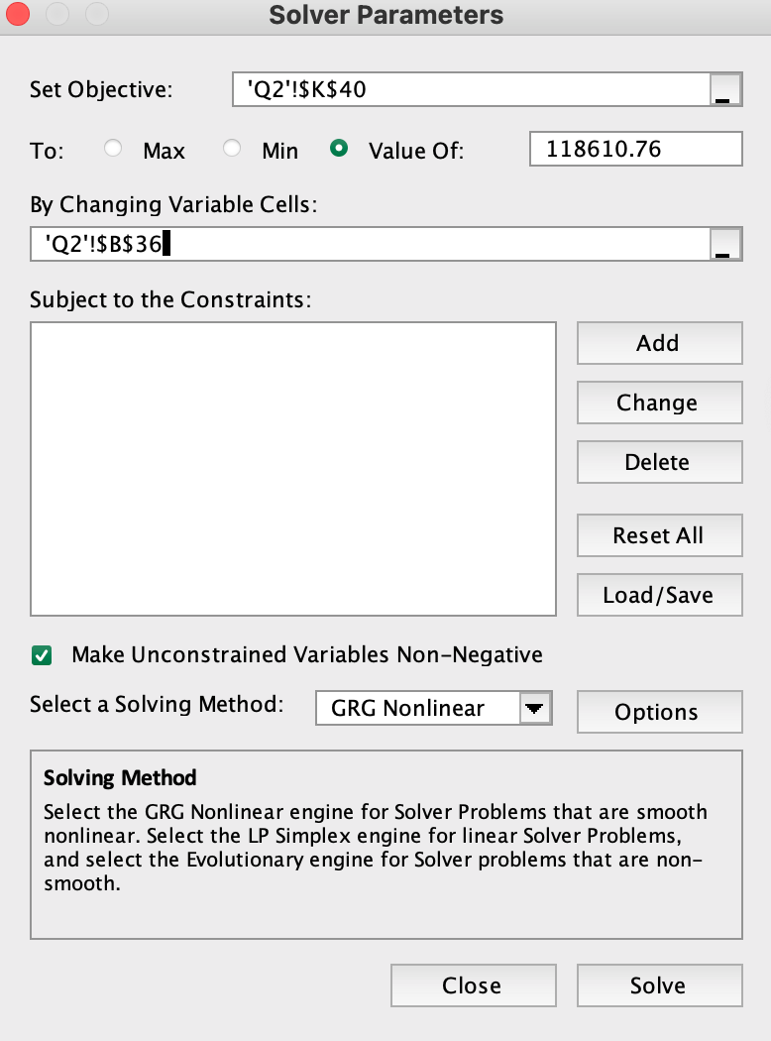
EUACX= | 300000(A/P,6,7)-15000(A/F,6,7)+[75000(P/F,6,1)+75000(P/F,6,2)+…+75000(P/F,6,7)]*(A/P,6,7) |  |  | = | 126953.48
EUACY= | 500000(A/P,6,7)-50000(A/F,6,7)+[35000(P/F,6,1)+35000(P/F,6,2)+…+35000(P/F,6,7)]*(A/P,6,7) |  |  | = | 118610.76
 |  |  |  | Design X>Design Y

(P/F,i,n) = (1+i)^(-n)
(A/P,i,n) = [i(1+i)^n]/ [(1+i)^n-1]
(A/F,i,n) = i/[(1+i)^n-1]
n | (P/F,6,n) | (A/P,6,n) | (A/F,6,n)
1 | 0.94339622642 | -- | --
2 | 0.88999644001 | -- | --
3 | 0.83961928303 | -- | --
4 | 0.79209366324 | -- | --
5 | 0.74725817287 | -- | --
6 | 0.70496054044 | -- | --
7 | 0.66505711362 | 0.17913501806 | 0.11913501806

What causes break even to occur
 | Design X | Design Y
First cost | 300000 | 500000
Economic Lf | 7 | 7
SV | 15000 | 50000
OC/yr | 41657.279852 | 25000
Maint./yr | 25000 | 10000

EUACX= | 300000(A/P,6,7)-15000(A/F,6,7)+[75000(P/F,6,1)+75000(P/F,6,2)+…+75000(P/F,6,7)]*(A/P,6,7) |  |  | = | 118610.76
EUACY= | 500000(A/P,6,7)-50000(A/F,6,7)+[35000(P/F,6,1)+35000(P/F,6,2)+…+35000(P/F,6,7)]*(A/P,6,7) |  |  | = | 118610.76

Q4
Q4
Tax Rate | 21%
MARR part a) | 10% | part b) | 20%
Economic lf | 6 | yrs
First Cost | 85000
SV @ t=4 | 30000
Savings/yr (before tax operating costs) | 32000 |  | 25280

Part a)
(P/F,i,n) = (1+i)^(-n)
n | (P/F,6,n) |  |  | Cash Flow | Part a) Net Cash Flow
0 | 1 |  | First Cost | $(85,000.00) | $(85,000.00)
1 | 0.90909090909 |  |  | $32,000.00 | $25,280.00
2 | 0.82644628099 |  |  | $32,000.00 | $25,280.00
3 | 0.7513148009 |  |  | $32,000.00 | $25,280.00
4 | 0.68301345537 |  | Salvaged + bought again (B7+B6-FirstCost; B6 and B7 taxed) | $(23,000.00) | $(23,000.00)
5 | 0.62092132306 |  |  | $32,000.00 | $25,280.00
6 | 0.56447393005 |  | Salvaged BV (P-D*2) + Saving | $89,500.00 | $70,705.00

Straight Line Depreciation: D=(First Cost-SV)/n= |  |  |  | 13750 | /yr | At yr 6, salvaged 2 years early, so used 85000-D*2
(set n=4)

Part a)
IRR = IRR(F19:F25) |  | 16%
IRR>MARR so this product is worth marketing/acceptable

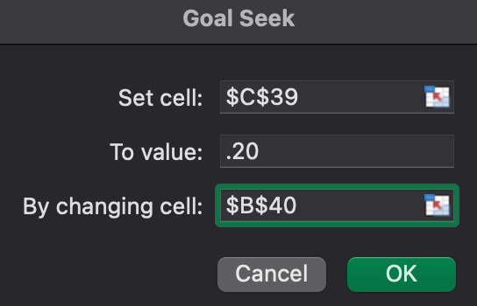
n | (P/F,6,n) |  |  | Cash Flow | Part b) After Tax
0 | 1 |  | First Cost | $(85,000.00) | $(85,000.00)
1 | 0.90909090909 |  | Savings | $35,295.82 | $27,883.70
2 | 0.82644628099 |  | Savings | $35,295.82 | $27,883.70
3 | 0.7513148009 |  | Savings | $35,295.82 | $27,883.70
4 | 0.68301345537 |  | Savings+ Salvaged + bought again | $(19,704.18) | $(19,704.18)
5 | 0.62092132306 |  | Savings | $35,295.82 | $27,883.70
6 | 0.56447393005 |  | Salvaged + Saving | $92,795.82 | $73,308.70

Part b)
IRR = IRR(G36:G42) |  | 20% | Objective: IRR = MARR
Savings/yr (before tax operating costs) | 35295.82

Q5
Q5
Tax rate | 21%
MARR | 10%
Economic lf | 6 | yrs

First Cost | 600000
OC/yr= 300000*12 | 3600000
SV (t=6) | 100000
Sales/copy = selling price-retailer cost=0.25-0.05= |  |  |  | 0.20
Variable cost/copy = ink paper cost-ad revenue = 0.10-0.05= |  |  |  | 0.05
25 weekdays in a month

How many copies per day must be sold to break even?
Break even: IRR=MARR
Let n = # of copies/day

Straight Line Depreciation: D=(First Cost-SV)/n= |  |  |  | 50000.00 | /yr
(set n = 10)
Revenue/copy = sales-variable cost |  |  | 0.15
Revenue/yr = 25 active days/month*12 months/yr*(Revenue/copy)*n copies/day |  |  | 3816433.4897
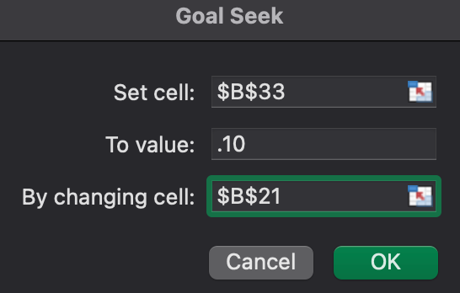
n (copies/day)= | 84810

n | Cash Flow | NCF (after tax)
0 | -600000 | -600000
1 | 216433.48972 | 170982.45688
2 | 216433.48972 | 170982.45688
3 | 216433.48972 | 170982.45688
4 | 216433.48972 | 170982.45688
5 | 216433.48972 | 170982.45688
6 | -83566.51028 | -83566.51028 | Salvaged BV (P-D*6) + Rev -OC-FirstCost
 | summation | 171345.77411

IRR | 10% | Note: Apparently IRR is not affected by depreciation so although it was calculated in this problem, it is never really used in NCF (after tax) except in the calculation of BV at t=6 where the press machine is salvaged early by 4 years

