Sheet1
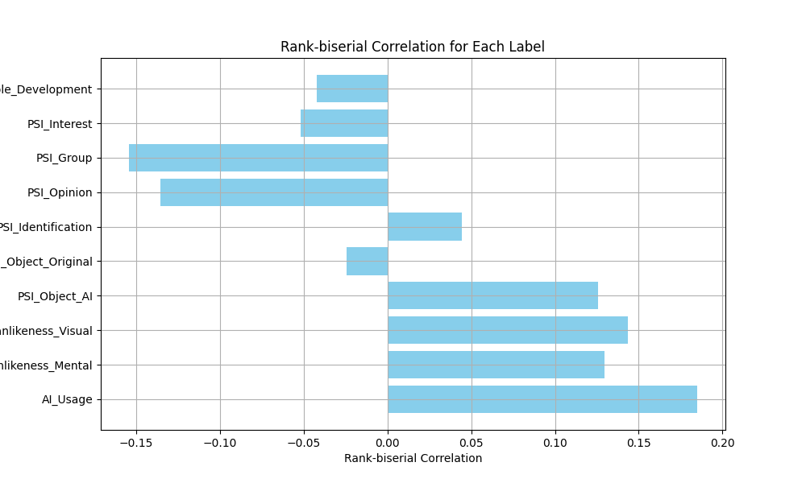
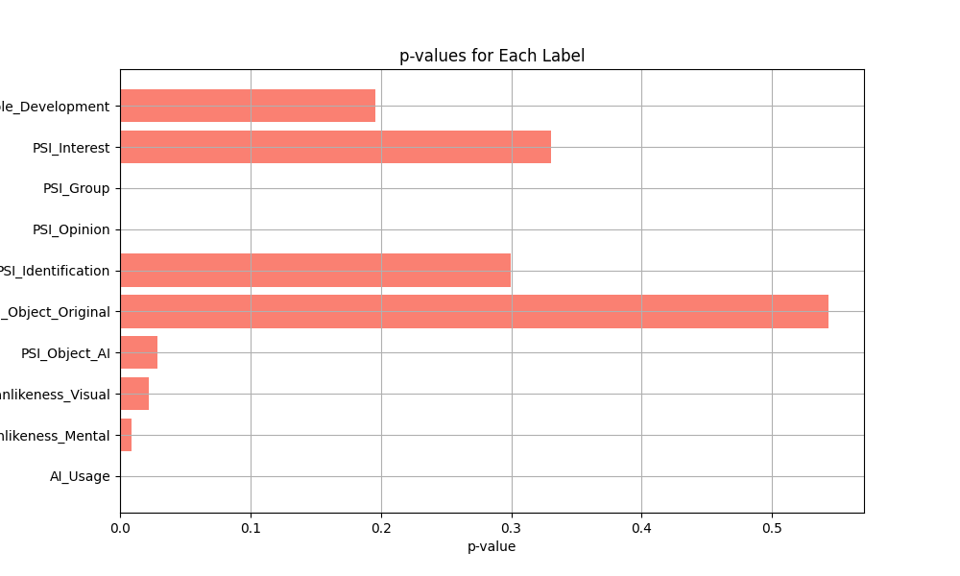
Label | Average Rank (Label=1) | Average Rank (Label=0) | Rank-biserial Correlation | p-value
AI_Usage | 743.16806723 | 625.55333912 | 0.1847835477 | 0.00088616288518
Humanlikeness_Mental | 709.12258065 | 626.53991031 | 0.12974496517 | 0.0087960659063
Humanlikeness_Visual | 721.09782609 | 629.7336726 | 0.1435414823 | 0.021807841083
PSI_Object_AI | 709.76363636 | 629.62650602 | 0.12590279708 | 0.028956539187
PSI_Object_Original | 624.07421875 | 639.70177165 | -0.024552321922 | 0.54333888595
PSI_Identification | 659.82882883 | 631.63619048 | 0.044293226006 | 0.29956897906
PSI_Opinion | 571.25401929 | 657.68990635 | -0.13579872279 | 0.00031062321942
PSI_Group | 553.19791667 | 651.37592593 | -0.15424667598 | 0.00064653120381
PSI_Interest | 607.02290076 | 639.94741455 | -0.051727437212 | 0.33086456416
AI_Principle_Development | 625.29624478 | 652.18953069 | -0.042251823883 | 0.1956853667

Sheet2
