Architecture
CAT411 FRAMEWORK ARCHITECTURE
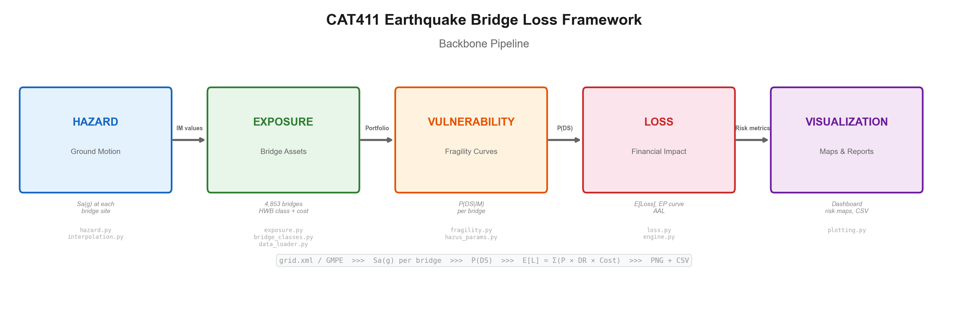
MODULE DEPENDENCY (5 LAYERS)
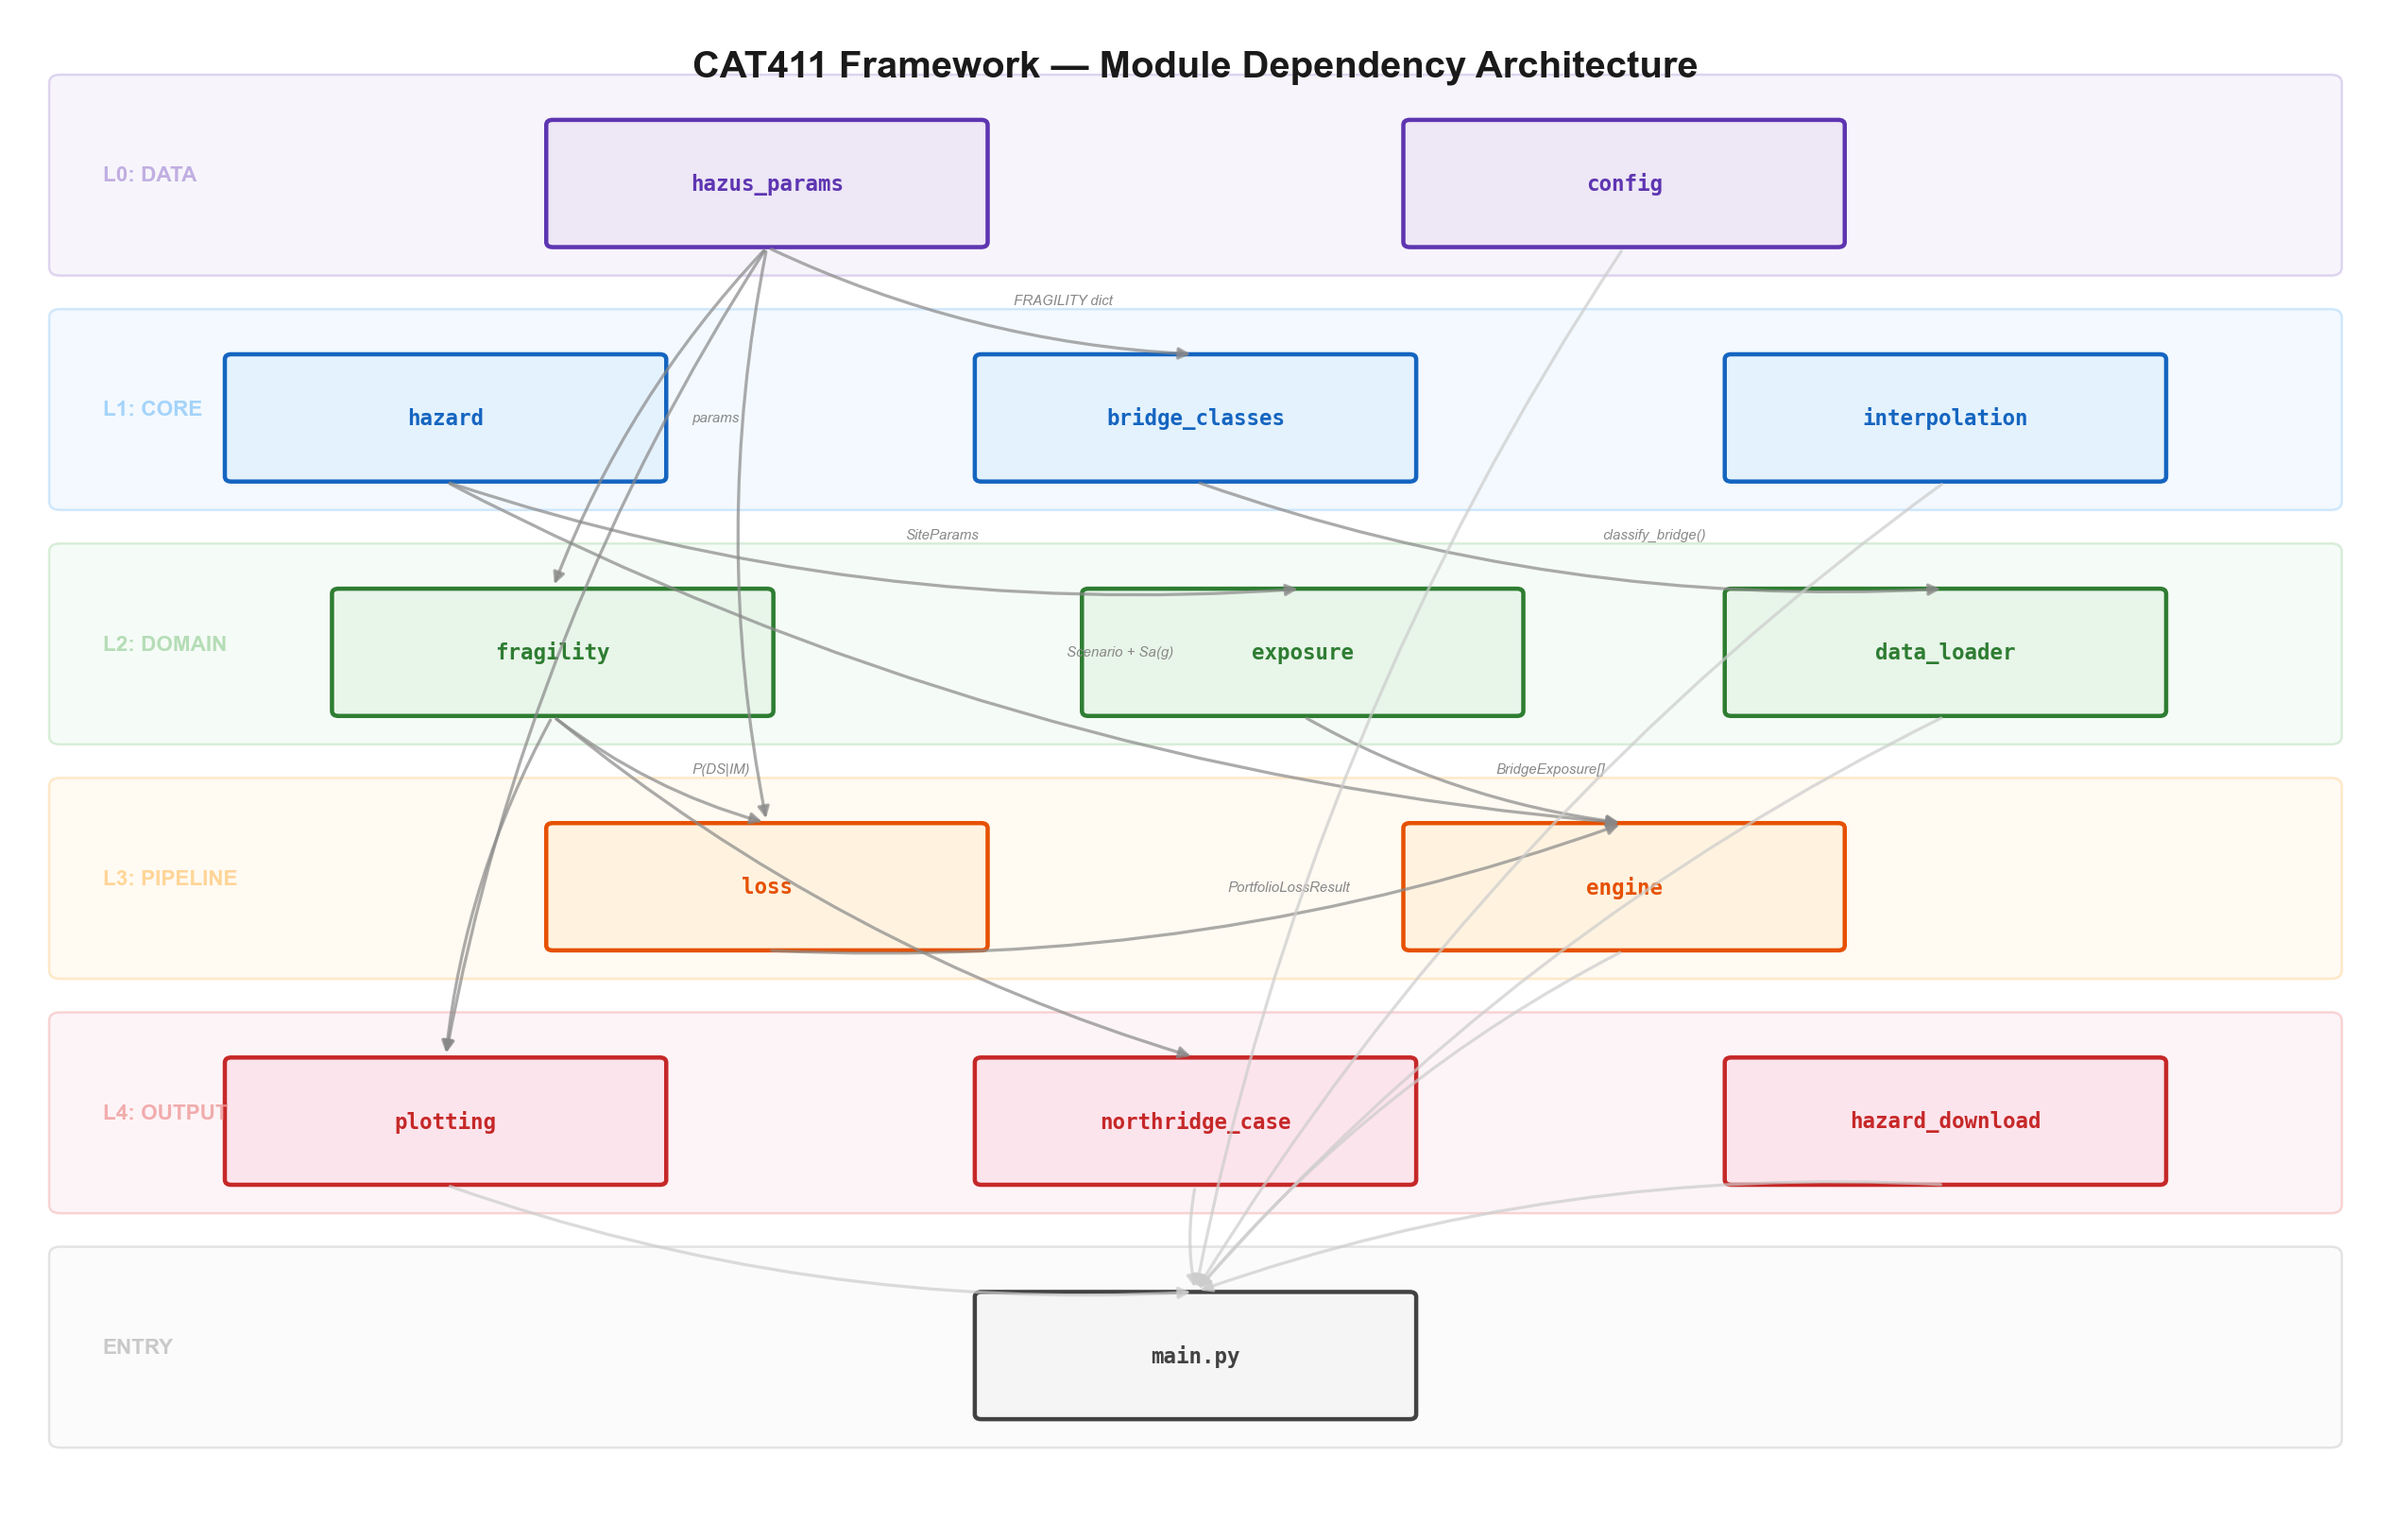
MODULE REFERENCE TABLE
Layer | Module | Role | Key API | Upstream | Downstream
L0 | hazus_params | Fragility parameters (14 HWB classes) | HAZUS_BRIDGE_FRAGILITY | — | bridge_classes, fragility, loss
L0 | config | YAML config loader | load_config(), AnalysisConfig | — | main
L1 | hazard | GMPE + ground motion fields | boore_atkinson_2008_sa10(), generate_ground_motion_fields() | — | engine, exposure
L1 | bridge_classes | NBI -> HWB classification | classify_bridge(), get_bridge_params() | hazus_params | data_loader
L1 | interpolation | Spatial interpolation (5 methods) | interpolate_im() | — | main
L2 | fragility | Fragility curves + skew modification | damage_state_probabilities(), apply_skew_modification() | hazus_params | loss, plotting, northridge_case
L2 | exposure | Portfolio + replacement cost | create_portfolio_from_nbi(), portfolio_to_sites() | hazard | engine
L2 | data_loader | Parse ShakeMap / NBI / stations | parse_shakemap_grid(), parse_nbi(), load_all() | bridge_classes | main
L3 | loss | Loss, EP curve, AAL | compute_portfolio_loss(), compute_ep_curve(), compute_aal() | fragility | engine
L3 | engine | Deterministic + probabilistic runner | run_deterministic(), run_probabilistic() | hazard, exposure, loss | main
L4 | plotting | 14+ visualizations | plot_analysis_summary(), plot_bridge_damage_map() | fragility | main
L4 | northridge_case | 1994 Northridge validation data | compare_predicted_vs_observed() | fragility | main
L4 | hazard_download | USGS data downloader | download_all_hazard_data() | — | main
Entry | main.py | CLI entry point (9 analysis modes) | run_data_analysis(), run_full_analysis() | ALL | (user)

