NMG_cal
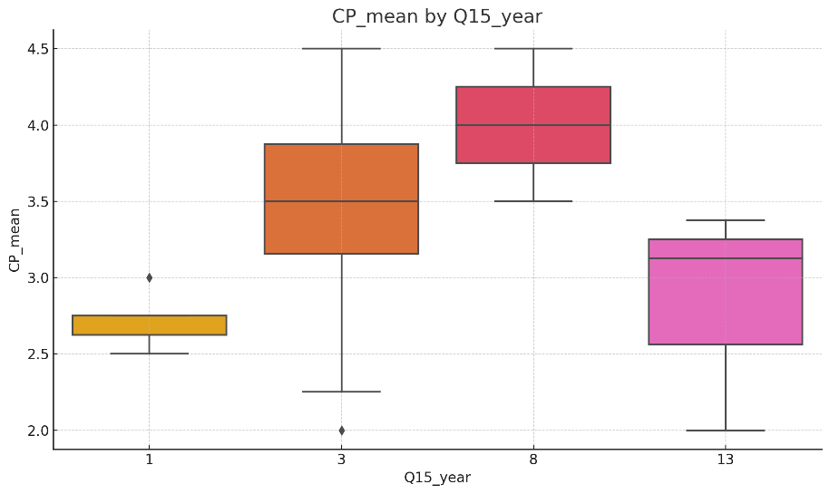
Q15 | Q15_year | SC_mean | PA_mean | TP_mean | CP_mean | SP_mean
1
2
2
2
1
1
3
1
2
4
2
2
4
2
2
 | TP_mean
1 | 3.3636363636
3 | 3.9090909091
3 | 4.0909090909
3 | 3.5454545455
1 | 3.7272727273
1 | 4.2727272727
8 | 4.9090909091
1 | 3.1818181818
3 | 2.7272727273
15 | 3.1818181818
3 | 3.9090909091
3 | 2.5454545455
15 | 3.1818181818
3 | 2.5454545455
3 | 3.9090909091
8 | 2.7272727273
3 | 4.5454545455
15 | 2.8181818182
3 | 2.3636363636
1 | 3.1818181818
8 | 4.4545454545
3 | 3.0909090909
3 | 3
3 | 2.5454545455
3 | 2.8181818182
3 | 3.9090909091
3 | 3.6363636364
3 | 3.9090909091
3 | 3.8181818182
15 | 3.3636363636
3 | 3.8181818182
3 | 3.4545454545
1 | 3.7272727273
3 | 2.4545454545
3 | 4.6363636364
3 | 2.9090909091
3 | 3.4545454545
1 | 4.2727272727
15 | 3.3636363636
3 | 3.4545454545
3 | 3.9090909091
15 | 4
8 | 3.9090909091
1 | 3.5454545455
1 | 3
8 | 4.8181818182
3 | 3.5454545455
3 | 1.9090909091
3 | 3.7272727273
3 | 3.2727272727
...
3
2
4
2
1
3
2
2
2
2
2
2
2
2
4
2
2
1
2
2
2
2
1
4
2
2
4
3
1
1
3
2
2
2
2
2
1
4
2
3
2
3
4
3
2
2
2
4
3
4
3
3
2
3
4
2
3
2
2
3
1
3
2
2
4
2
1
2
2
1
4
5
2
2
2
2
2
2
3
2
3
2
2
1
2
2
2
3
4
2
2
2
2
2
1
1
3
2
2
2
2
1
2
2
1
4
2
3
3
2
4
2
2
2
4
3
3
2
2
2
2
2
2
1
2
4
2
1
2
4
1
3
2
2
2
3
2
2
3
4
3
4
2
1
1
3
3
4
2
4
2
3
2
2
2
2
2
2

MG_cal
Q15 | Q15_year | SC_mean | PA_mean | TP_mean | CP_mean | SP_mean
2
3
1
2
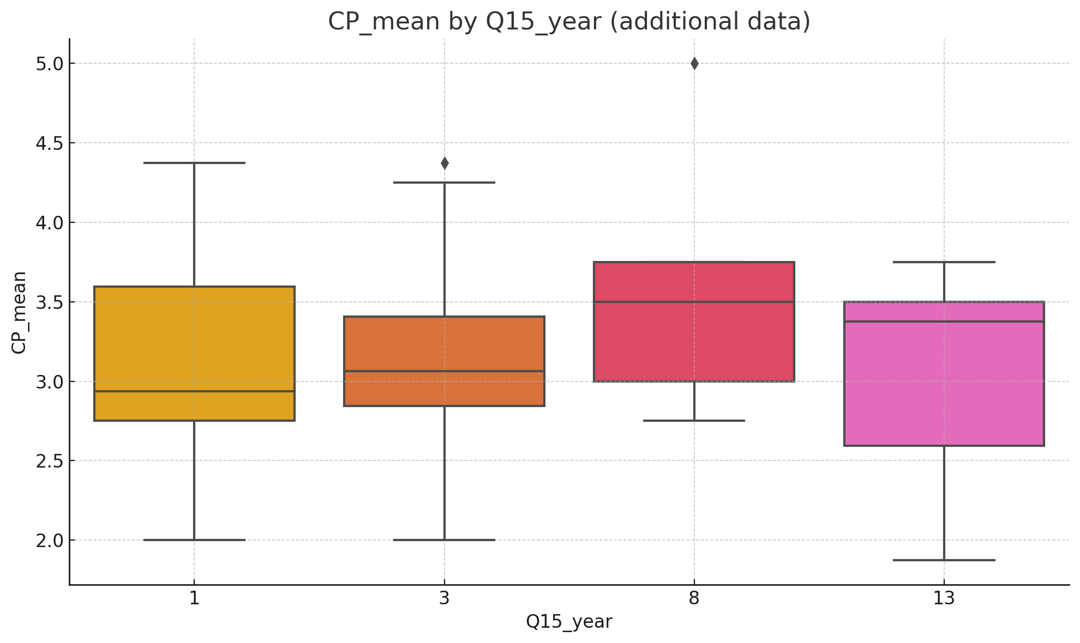
2
2
4
2
4
4
 | TP_mean
3 | 4.0909090909
8 | 3.4545454545
1 | 4
3 | 4
3 | 3.4545454545
3 | 4
15 | 4.0909090909
3 | 3.8181818182
15 | 3.0909090909
15 | 2.4545454545
15 | 3.3636363636
3 | 3.3636363636
3 | 3.5454545455
1 | 3.2727272727
8 | 3.9090909091
1 | 3.7272727273
15 | 3.9090909091
3 | 2.2727272727
3 | 3.6363636364
1 | 2.4545454545
3 | 2.6363636364
3 | 4
3 | 3.8181818182
3 | 3.3636363636
8 | 4.6363636364
3 | 2.0909090909
8 | 1.9090909091
15 | 2.9090909091
1 | 3.0909090909
3 | 2.9090909091
3 | 4.8181818182
3 | 2.6363636364
8 | 3.7272727273
3 | 4.1818181818
3 | 3.2727272727
3 | 3.2727272727
3 | 3.7272727273
3 | 4.0909090909
1 | 2.5454545455
4
2
2
1
3
1
4
2
2
1
2
2
2
2
3
2
3
4
1
2
2
2
3
2
2
2
2
2
1

