frequency
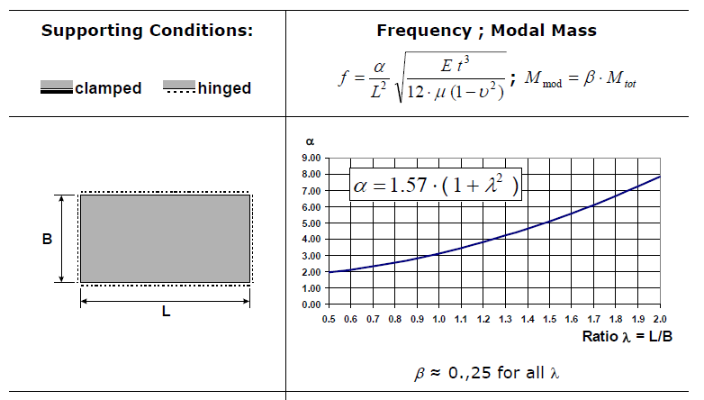
L | length | m | 7.5
B | width | m | 7.5
t | thickness | m | 0.154
E | E-Modulus | N/m^2 | 3.00E+10
mu | mass distribution | kg/m^2 | 369.6
v | poisson's ratio | - | 0.2

lamda | parameter | - | 1
alpha | parameter | - | 3.14

f | natural frequency | Hz | 8.9548148148

ksi1 | damping of 1st mode | - | 0.03
ksi2 | damping of 2nd mode | - | 0.03
f1 | natural frequancy of 1st mode | Hz | 45.67
f2 | natural frequancy of 2nd mode | Hz | 116.7

w1 | angular frequancy of 1st mode | rad/s | 286.95307298
w2 | angular frequancy of 2nd mode | rad/s | 733.24772535

alpha | mass coefficient of Reyleigh damping | - | 12.374486771
beta | stiffness coefficient of Reyleigh damping | - | 5.8811951626E-05

