Tabelle1
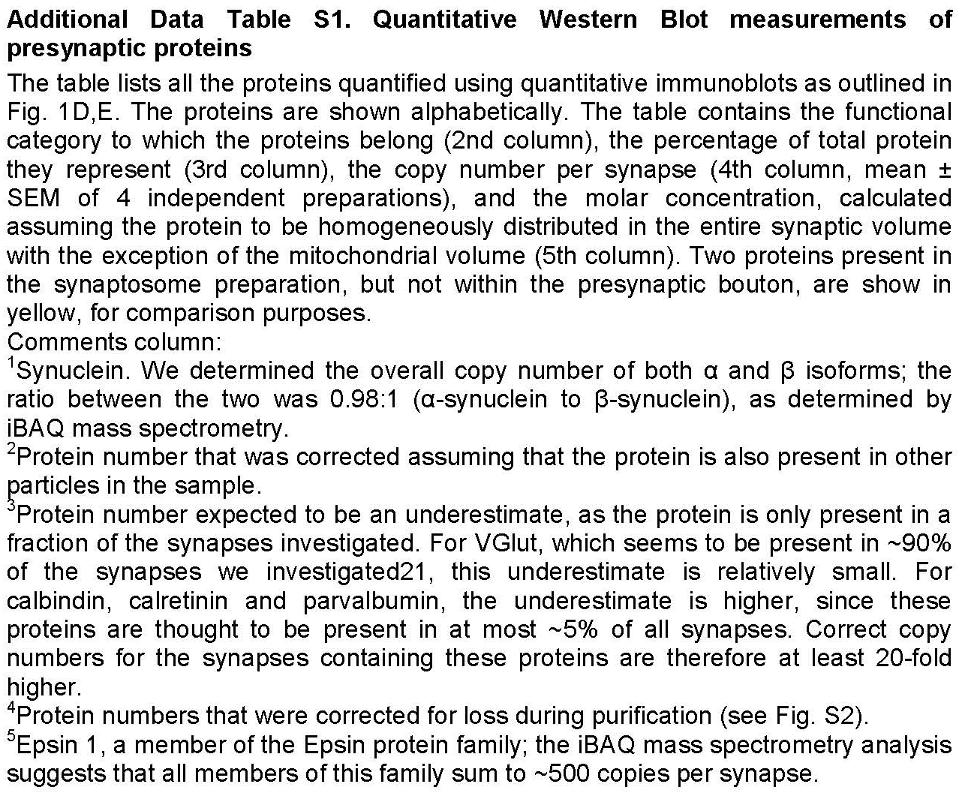
Protein | Category | Percent of total protein | Mean number | SEM number | Concentration [µM] | Comments
alpha/beta-Synuclein | Disease-related | 0.156 | 6525.67 | 345.48 | 43.57 | 1
alpha-SNAP | SNARE co-factor | 0.063 | 1150.70 | 46.62 | 7.68
Actin | Cytoskeleton | 2.141 | 22074.60 | 1909.62 | 147.39 | 2
Amphiphysin | Endocytosis | 0.148 | 1194.20 | 60.04 | 7.97
AP 180 | Endocytosis | 0.576 | 3736.40 | 207.63 | 24.95
AP 2 (µ1) | Endocytosis | 0.19 | 2324.70 | 81.99 | 15.52
APP | Disease-related | 0.899 | 6283.60 | 584.51 | 41.96
beta-secretase | Disease-related | 0.011 | 115.84 | 2.75 | 0.77
Calbindin | Calcium buffer | 0.015 | 296.88 | 13.22 | 1.98 | 3
CALM | Endocytosis | 0.00015 | 2.69 | 0.19 | 0.02 | 4
Calmodulin | Calcium sensor | 0.241 | 8659.90 | 445.47 | 57.82
Calretinin | Calcium buffer | 0.0191 | 369.24 | 5.49 | 2.47 | 3
Clathrin heavy chain | Endocytosis | 1.098 | 3472.47 | 174.65 | 23.19
Clathrin light chain | Endocytosis | 0.076 | 4554.06 | 296.74 | 30.41 | 4
Complexin 1 | SNARE co-factor | 0.028 | 1346.88 | 81.84 | 13.25
Complexin 2 | SNARE co-factor | 0.024 | 1141.32 | 67.65 | 11.31
CSP | SNARE co-factor | 0.0341 | 941.18 | 48.86 | 6.28
Doc2 A/B | Calcium sensor | 0.276 | 3696.50 | 164.19 | 24.68
Dynamin 1,2,3 | Endocytosis | 0.373 | 2326.40 | 83.87 | 15.53
Endophilin II, I, III | Endocytosis | 0.167 | 2524.40 | 67.27 | 16.86
Epsin 1 | Endocytosis | 0.0046 | 92.88 | 4.30 | 0.62 | 4.5
Hsc70 | Endocytosis | 0.96 | 8210.10 | 404.50 | 54.82
Intersectin 1 | Endocytosis | 0.701 | 3096.50 | 277.62 | 20.68
Munc13a | SNARE co-factor | 0.503 | 1551.30 | 53.18 | 10.36
Munc18a | SNARE co-factor | 0.474 | 4253.40 | 207.07 | 28.4
NSF | SNARE co-factor | 0.554 | 4064.70 | 213.02 | 27.14
Parvalbumin | Calcium buffer | 0.013 | 681.10 | 34.31 | 4.55 | 3
PIP K I gamma | Endocytosis | 0.038 | 465.72 | 18.86 | 3.11 | 4
Rab3 | Small GTPase | 0.776 | 18846.58 | 996.01 | 125.85
Rab5 | Small GTPase | 0.025 | 633.62 | 37.26 | 4.23
Rab7 | Small GTPase | 0.135 | 4457.20 | 319.80 | 29.76 | 4
SCAMP 1 | Secretory | 0.091 | 1459.50 | 115.53 | 9.75
Septin 5 | Cytoskeleton | 0.122 | 1726.20 | 64.38 | 11.53
SGIP | Endocytosis | 0.431 | 3037.04 | 142.50 | 20.28
SNAP 23 | SNARE | 0.01 | 265.61 | 17.75 | 1.77
SNAP 25 | SNARE | 1.027 | 26686.08 | 5287.39 | 178.18
SNAP 29 | SNARE | 0.0037 | 77.47 | 6.47 | 0.52
SV2 A | Vesicular | 0.45 | 3299.60 | 103.31 | 22.03
SV2 B | Vesicular | 0.168 | 1315.95 | 25.64 | 8.79
Synapsin Ia | Tethering | 0.806 | 6606.74 | 440.55 | 44.11
Synapsin Ib | Tethering | 0.932 | 8078.23 | 414.67 | 53.94
Synapsin IIa | Tethering | 0.169 | 1609.54 | 41.27 | 10.75
Synapsin IIb | Tethering | 0.617 | 7128.26 | 403.54 | 47.59
Synaptogyrin 1 | Vesicular | 0.079 | 1854.80 | 110.49 | 12.39
Synaptophysin | Vesicular | 0.53 | 9641.62 | 747.41 | 64.38
Synaptotagmin 1 | Calcium sensor | 0.808 | 10332.00 | 1079.20 | 68.99
Synaptotagmin 2 | Calcium sensor | 0.023 | 297.28 | 11.37 | 1.98
Synaptotagmin 7 | Calcium sensor | 0.014 | 182.64 | 3.54 | 1.22
Syndapin 1 | Endocytosis | 0.266 | 3201.00 | 131.28 | 21.37
Syntaxin 1 | SNARE | 1.099 | 20096.00 | 999.43 | 134.18
Syntaxin 6 | SNARE | 0.0058 | 121.67 | 8.96 | 0.81
Syntaxin 7 | SNARE | 0.0039 | 78.60 | 4.45 | 0.52
Syntaxin 12/13 | SNARE | 0.0082 | 157.83 | 3.49 | 1.05
Syntaxin 16 | SNARE | 0.0056 | 91.27 | 5.68 | 0.61
Tubulin | Cytoskeleton | 1.399 | 12056.00 | 615.30 | 80.5 | 2
VAMP 1 | SNARE | 0.082 | 3884.30 | 181.95 | 25.94
VAMP 2 | SNARE | 0.554 | 26448.00 | 661.62 | 176.59
VAMP 4 | SNARE | 0.0027 | 100.59 | 10.03 | 0.67
vATPase (a1) | Proton pump | 0.118 | 742.37 | 32.97 | 4.96
VDAC 1,2,3 | Mitochondrial | 1.982 | 14422.99 | 720.71 | 280.87 | 2
VGlut 1/2 | Transporter | 0.84 | 8254.10 | 224.30 | 55.11 | 3
Vti 1A | SNARE | 0.0022 | 50.55 | 2.51 | 0.34
Myelin basic protein | Myelin | 0.749 | N.A. | N.A. | N.A.
PSD-95 | Postsynapse | 0.916 | N.A. | N.A. | N.A.

