Blad1
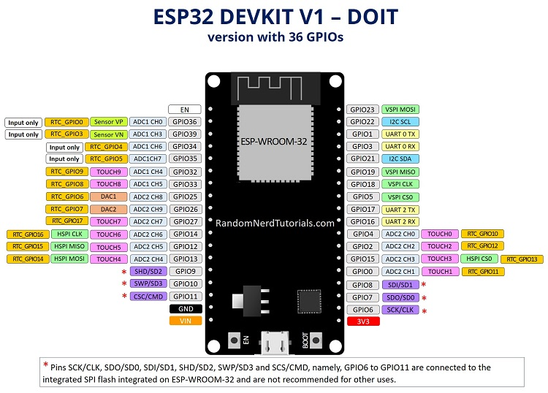
 |  |  |  |  | 4*4
 | GPIO | Input | Output | Notes
 | 0 | pulled up | OK | outputs PWM signal at boot
USB | 1 | TX pin | OK | debug output at boot
?? | 2 | OK | OK | connected to on-board LED
USB | 3 | OK | RX pin | HIGH at boot
 | 4 | OK | OK
 | 5 | OK | OK | outputs PWM signal at boot
 | 6 | x | x | connected to the integrated SPI flash
 | 7 | x | x | connected to the integrated SPI flash
 | 8 | x | x | connected to the integrated SPI flash
 | 9 | x | x | connected to the integrated SPI flash
 | 10 | x | x | connected to the integrated SPI flash
 | 11 | x | x | connected to the integrated SPI flash
 | 12 | OK | OK | boot fail if pulled high
 | 13 | OK | OK
 | 14 | OK | OK | outputs PWM signal at boot
 | 15 | OK | OK | outputs PWM signal at boot
 | 16 | OK | OK |  | PWM-M1
 | 17 | OK | OK |  | PWM-M2
 | 18 | OK | OK |  | PWM-M3
 | 19 | OK | OK |  | PWM-M4
 | 21 | OK | OK |  | SER
 | 22 | OK | OK |  | CLK
 | 23 | OK | OK |  | LATCH
 | 25 | OK | OK |  | ENABLE
 | 26 | OK | OK
 | 27 | OK | OK
 | 32 | OK | OK |  | RX1 | gaat naar TX BT
 | 33 | OK | OK |  | TX1 | gaat naar RX BT
I | 34 | OK |  | input only
I | 35 | OK |  | input only
I | 36 | OK |  | input only
I | 39 | OK |  | input only

