Bug Report
Bug Report
Bug ID | ModuleName | Description | TC_ID | Steps to replicate bug | Screenshot | Sevirity | Priority | Reported By | Assigned to | Notes
Bug_01 | Leave | Admin can apply for an exceeded leaves( more than the balance), when you login to the system by using the below data : UserName : Admin Password : admin123 | TC_16 | 1- login as admin who have entitlments 2- navigate to apply and insert the needed data 3- hit apply Make sure to login with the following data Username : admin Password : admin123 If it didn't work, try to signin other time | N/A | medium | High | Wessam | Developer A | Fake Bug !
Bug_02 | Leave | user can apply for an exceeded leave ( more than the balance), when you login to the system by using the below data : UserName : Applepie1 Password : Qwer@1234" | TC_17 | 1- login as user who have entitlments 2- navigate to apply and insert the needed data 3- hit apply | N/A | medium | High | Wessam | Developer A | Fake Bug !
Bug_03 | Recruitment | The correct form of the email is " admin@example.com " but it got saved successfully when i entered " test@testooo.123" | TC_19 | 1- Login as admin 2- Navigate to Recruitment 3- press add & fill all data but but with invalid email formula | 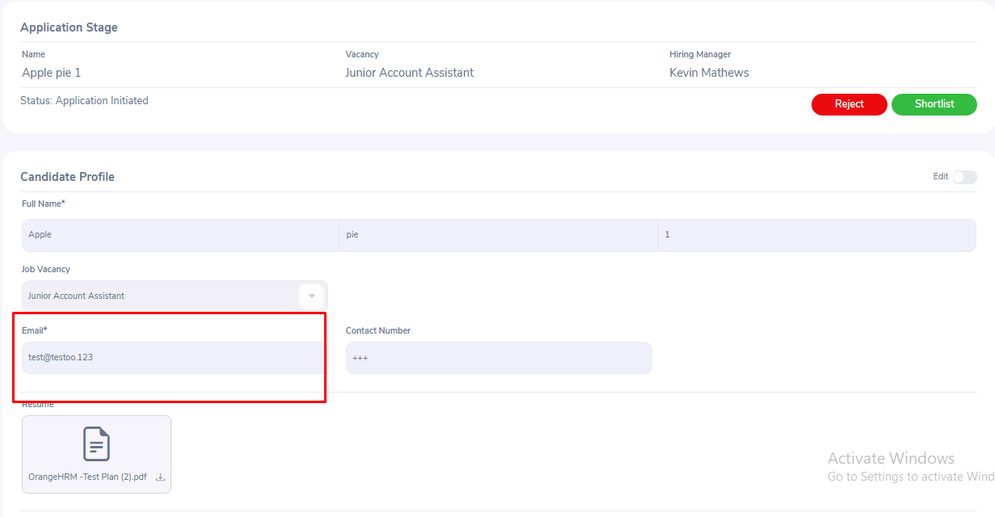 | High | High | Wessam | Developer A
Bug_04 | Recruitment | The page doesn't redirect me to anywhere, i need to reload the page to get back to the main candidates page when i alter the "Resume field" with over sized file | TC_22 | 1- Login as admin 2- Navigate to Recruitment 3- add new candidate & save 4- edit the resume field with over-sized file | 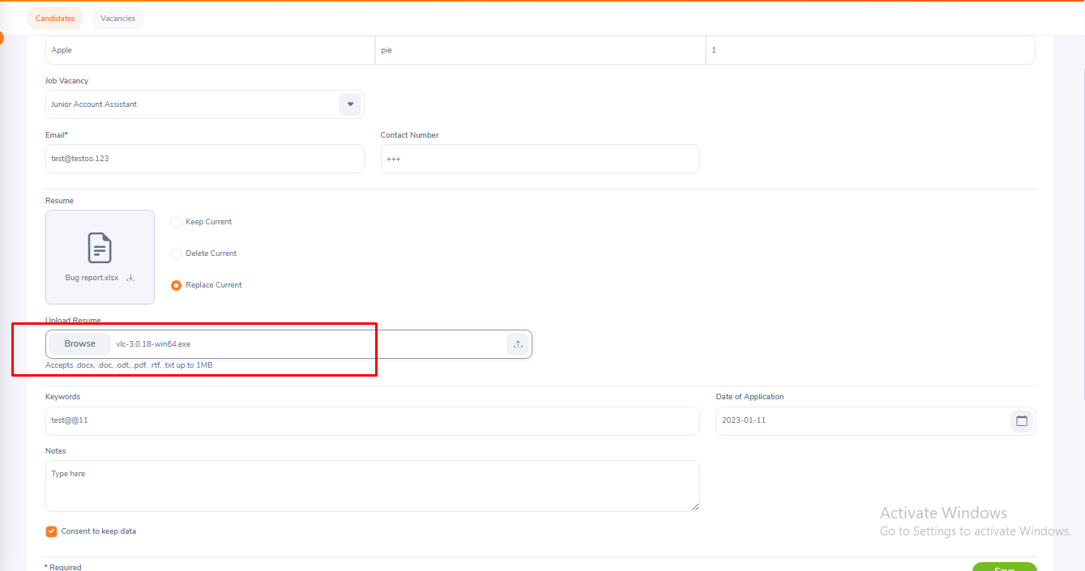 above is before saving it | critical page crush | high | Wessam | Developer A
Bug_05 | Recruitment | editing candidate info by Entering unallowed resume extention after it was already saved | TC_23 | 1- Login as admin 2- Navigate to Recruitment 3- edit a saved candidate's info with invalid Resume extention" | 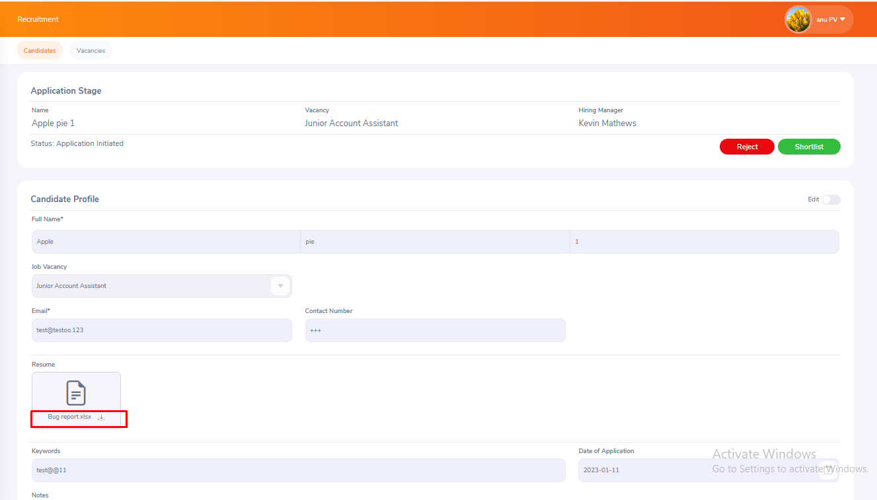 | medium | high | Wessam | Project Cordinator - to review FRS with them
Bug_06 | Recruitment | Checking the vacancy addition functionality with correct data | TC_25 | 1- Login as admin 2- Navigate to Recruitment 3- press on vacancies and add using valid data |  | low | low | Wessam | Developer A

