Sheet1
SKU | Parts_No | Parts_link | Model | product_url | Pic
LT-AM2046-1A | 68439617AA | CH1288291 |  | http://www.lian-tuoh.com.tw/products/detail/4907.html | 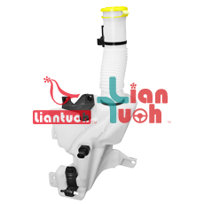
LT-CT2027-1B | 6431.E1 |  |  | http://www.lian-tuoh.com.tw/products/detail/4914.html | 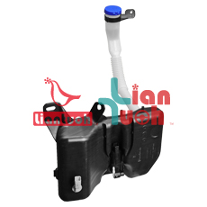
LT-CT2027B | 6431.F2 |  | Models:C5(2008) | http://www.lian-tuoh.com.tw/products/detail/4680.html | 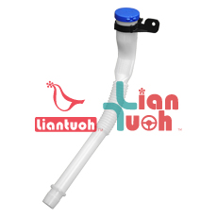
LT-FD2060-1A | 6E5Z17618A | FO1288144 | Models:Fusion(2006) Fusion(2007) Fusion(2008) Fusion(2009) Fusion(2010) Fusion(2011) Fusion(2012) MKZ(2006) MKZ(2007) MKZ(2008) MKZ(2009) MKZ(2010) MKZ(2011) MKZ(2012) Zephyr(2006) Zephyr(2007) Zephyr(2008) Zephyr(2009) Milan(2006) Milan(2007) Milan(2008) Milan(2009) Milan(2010) Milan(2011) | http://www.lian-tuoh.com.tw/products/detail/2369.html | 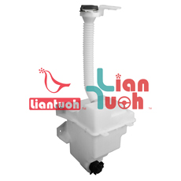
LT-FD2098-1A | 1764300 |  |  | http://www.lian-tuoh.com.tw/products/detail/2699.html | 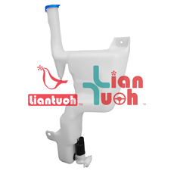
LT-HD2095DA | 76841-TA1-M01 |  | Models:Accord(2008) Accord(2009) Accord(2010) Accord(2011) | http://www.lian-tuoh.com.tw/products/detail/3814.html | 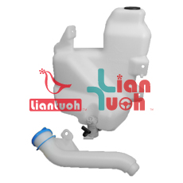
LT-HD2129-1A | 76841-T5R-A01 | HO1288214 |  | http://www.lian-tuoh.com.tw/products/detail/3897.html | 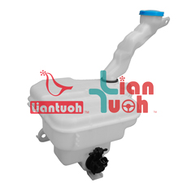
LT-HN2061-1 | 98611-S2000 | HY1288151 |  | http://www.lian-tuoh.com.tw/products/detail/4707.html | 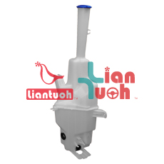
LT-HN2061-1A | 98610-S2000 | HY1288152 |  | http://www.lian-tuoh.com.tw/products/detail/4708.html | 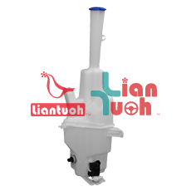
LT-MZ2027A | D651-67-481 | MA1288124 |  | http://www.lian-tuoh.com.tw/products/detail/3634.html | 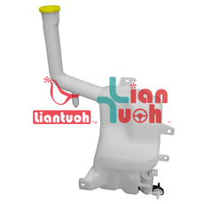
LT-NS2085-1 | 28910-EQ300 |  |  | http://www.lian-tuoh.com.tw/products/detail/3439.html | 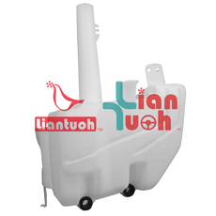
LT-TY2141D | 85336-60390 | TO1288203 | Models:GX460(2010) GX460(2011) GX460(2012) GX460(2013) GX460(2014) GX460(2015) GX460(2016) GX460(2017) GX460(2018) GX460(2019) GX460(2020) 4Runner(2010) 4Runner(2011) 4Runner(2012) 4Runner(2013) 4Runner(2014) 4Runner(2015) 4Runner(2016) 4Runner(2017) 4Runner(2018) 4Runner(2019) 4Runner(2020) 4Runner(2021) 4Runner(2022) 4Runner(2023) Land Cruiser Prado(2009) Land Cruiser Prado(2010) Land Cruiser Prado(2011) Land Cruiser Prado(2012) Land Cruiser Prado(2013) Land Cruiser Prado(2014) Land Cruiser Prado(2015) Land Cruiser Prado(2016) Land Cruiser Prado(2017) | http://www.lian-tuoh.com.tw/products/detail/3347.html | 