Orbit
Password to unprotect sheets: 123

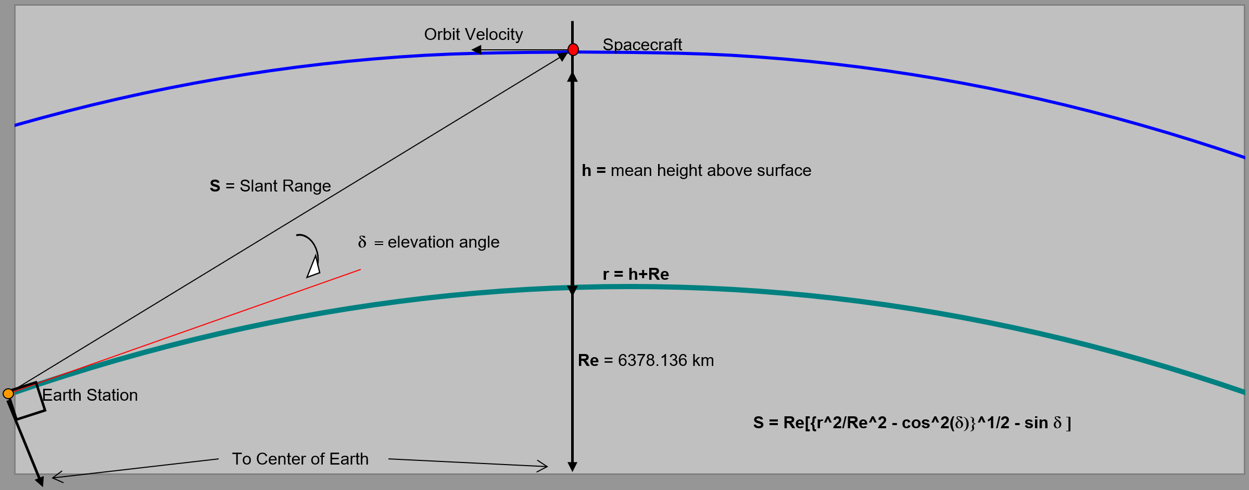

Orbit & Free-Space Path Losses

Uplink frequency & ideal wavelength | 437.15 | MHz | 0.69 | m
Downlink frequency & ideal wavelength | 437.15 | MHz | 0.69 | m

Satellite altitude | 600.00 | km
Radius of Earth | 6378.17 | km

GS antenna elevation angle | 10.00 | °
GS Slant Range (worst case distance) | 1932.26 | km
Uplink free-space path loss | 150.98 | dB
Downlink free-space path loss | 150.98 | dB

MTU antenna elevation angle | 60.00 | °
MTU Slant Range (worst case distance) | 683.16 | km
Uplink free-space path loss | 141.95 | dB
Downlink free-space path loss | 141.95 | dB

Orbital period | 96.98 | minutes
Maximum pass time | 8.53 | minutes

CubeSat hardware
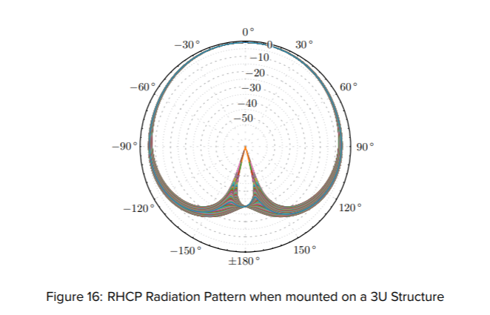
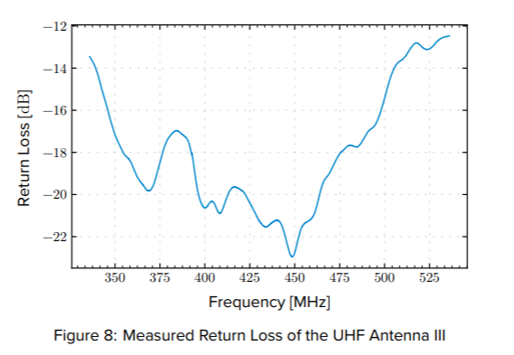
Antenna (Endurosat UHF Antenna III) |  |  | https://www.endurosat.com/products/uhf-antenna-iii/
Antenna type | Quad monopole
Frequency | 435 - 438 | MHz
Gain | 0.0001 | dBi | Datasheet says >0 dBi? I used the radiation pattern in Figure 16. | By simulations, it should be higher,
beamwidth | 90 | degrees circular | -3dB at 45 degrees (90 deg beamwidth).
Polarization | RHCP
Feed Impedance | 50 | Ohm
Input Connector | Straight MCX
Maximum VSWR | 1.15 | :1 | This is from the GomSpace antenna, update for new one
Max RF power handling

Transceiver (Endurosat UHF Transceiver II) |  |  | https://www.endurosat.com/products/uhf-transceiver-ii/
Transmitter
Frequency range | 430 - 440 | MHz
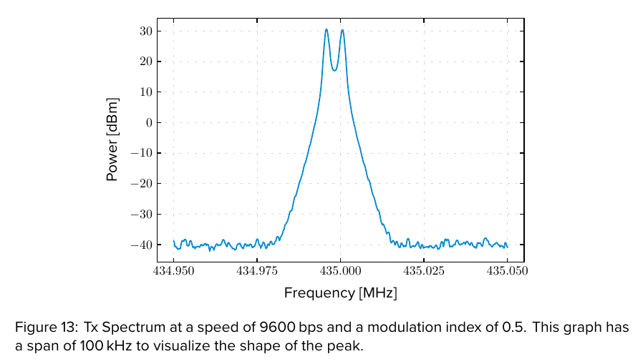
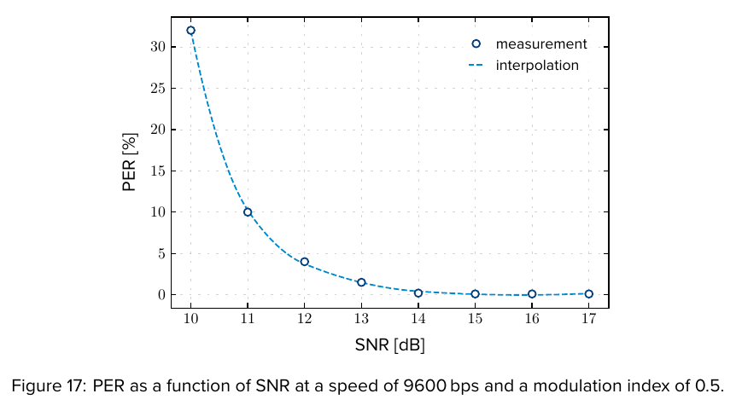
Output power | 1 | W | 2W optional
Receiver
Frequency range | 430 - 440 | MHz
Sensitivity | -121 | dBm
SNR | 14 | dB | PER < 1% @ 9600 bps
Noise figure | 0.9 | dB
LNA gain | 23 | dB
Other
Connector | Straight MMCX
Modulation scheme | 2GFSK
Frequency stability | ±2.5 | ppm

Cabling |  |  | EXAMPLE: A10A07A270133BD
End 1 | Straight MCX |  | Need to find an actual cable!
End 2 | Straight MMCX
Coax type | RG178 |  | Assumed RG178 based on Ukpik coax cable
Length | 0.1 | m | Cable length may change, but assume 10cm
Cable loss | 1 | dB/m
Connector loss | 0.37 | dB

Connection summary
Tx and Rx path Cabling
Connection name | Coax type | Cable length | Cable loss (dB/m) | Connector 1 | Connector 2 | Loss 1 (dB) | Loss 2 (dB)
Line A (Ant to Trx) | RG178 | 0.1 | 1 | Straight MCX | Straight MMCX | 0.37 | 0.37
Cable losses (dB) | 0.1
Connector losses (dB) | 0.74

Insertion losses (dB) | 0
Antenna mismatch losses (dB) |  | 0.00

Groundstation hardware
Antenna (two FG425CP16 in array) |  |  | FG425CP16 (2x): because there are two, this makes it an antenna array. Refer to 'Yagi stacking' for more info, and need to do a proper analysis on this.
Antenna type | Yagi array |  | https://www.m2inc.com/FG425CP16
Frequency | 435 - 438 | MHz
Gain | 15 | dBi | 12.5 single, +2.5 dB in array (verify later for 31" spacing)
beamwidth | 14 | degrees circular | 28 single. When stacked, 28 degree in vertical, 14 degree horizontal approximately.
Polarization | RHCP
Feed Impedance | 50 | Ohm
Input Connector | N female
Boom length | 1.75 | m
Maximum VSWR | 1.5 | :1 | Not sure how this is affected by the array?
Max transmission power | 1500 | W

Transceiver (USRP B210) |  |  | https://www.ettus.com/all-products/ub210-kit/
Transmitter
Frequency range | 50 - 6000 | MHz
Power Output | 0.01 | W | 10 dBm (1dBm = 1mW, not linear scale!)
Receiver
Frequency range |  | MHz
Sensitivity |  | dBm
SNR |  | dB
Noise figure | 5 | dB | 8 in datasheet, but 5 in Ukpik link budget?
Other
Connectors | SMA female
Modulation scheme | 2GFSK
Frequency stability | 12 | ppm

Surge Protector (GT-NFF-AL) [NOT INCLUDED FOR NOW] |  |  | https://www.polyphaser.com/type-n-surge-protector-6ghz-4ghz-gas-discharge-tube-gt-nff-al
Frequency | < 6000 | MHz
Insertion loss | 0.35 | dB
VSWR | 1.1 | :1 | Not yet used?
Maximum Input Power | 90 | W
Connectors | N female

LNA Amplifier (FGLNA-1-0.42-0.45-1-N-N) |  |  | See datasheet in Teams
Frequency | 420 - 450 | MHz
Gain | 18 | dB
Noise Figure | 0.5 | dB
Tx path VSWR | ? | :1 | None provided?
Tx path Insertion loss | 0 | dB | None provided?
Connectors | N female

Power Amplifier (ZHL-50W-52-S+) |  |  | https://www.minicircuits.com/pdfs/ZHL-50W-52-S+.pdf
Frequency | 50 - 500 | MHz
Output power (1dB compression) | 46.5 | W
Gain (@450MHz) | 53.5 | dB
Noise Figure | 7 | dB
Input VSWR | 1.75 | :1 | Not yet used?
Connectors | N female

Cavity Filter (714008) |  |  | https://www.etlsystems.com/catalogue/rf-components-buy-online-get-instant-quotes/filters/if-band-cavity-band-pass-filter-0
Frequency | 435 - 438 | MHz
Insertion loss | 1 | dB
Connectors | N female

Circulator (UIYCDC9648A400T470NF) |  |  | https://www.uiy.com/Datasheet/UIYCDC9648A.pdf
Frequency | 400 - 470 | MHz
Isolation | 45 | dB | Insufficient?
Insertion loss | 0.6 | dB
VSWR | 1.2 | :1
Connectors | N female

https://timesmicrowave.com/wp-content/uploads/2022/06/lmr-400-datasheet-1.pdf
SMA insertion loss seems to be about 0.1 dB, but update this later.

Connection summary |  |  |  |  |  |  |  | Estimated lengths
Tx path cabling
Connection name | Coax type | Cable length | Cable loss (dB/m) | Connector 1 | Connector 2 | Loss 1 (dB) | Loss 2 (dB) | Only care about everything after the PA
Line B (PA to Circulator) | LMR400 | 0.5 | 0.089 | SMA female | SMA female | 0.1 | 0.1
Line C (Circulator to LNA) | LMR400 | 10 | 0.089 | SMA female | N female | 0.1 | 0.15
Line D (LNA to Antenna) | LMR400 | 1 | 0.089 | N female | N female | 0.15 | 0.15
Cable losses (dB) | 1.0235
Connector losses (dB) | 0.75

Rx path Cabling (before LNA)
Connection name | Coax type | Cable length | Cable loss (dB/m) | Connector 1 | Connector 2 | Loss 1 (dB) | Loss 2 (dB) | Only care about everything between the antenna and LNA
Line D (Antenna to LNA) | LMR400 | 1 | 0.089 | N female | N female | 0.15 | 0.15
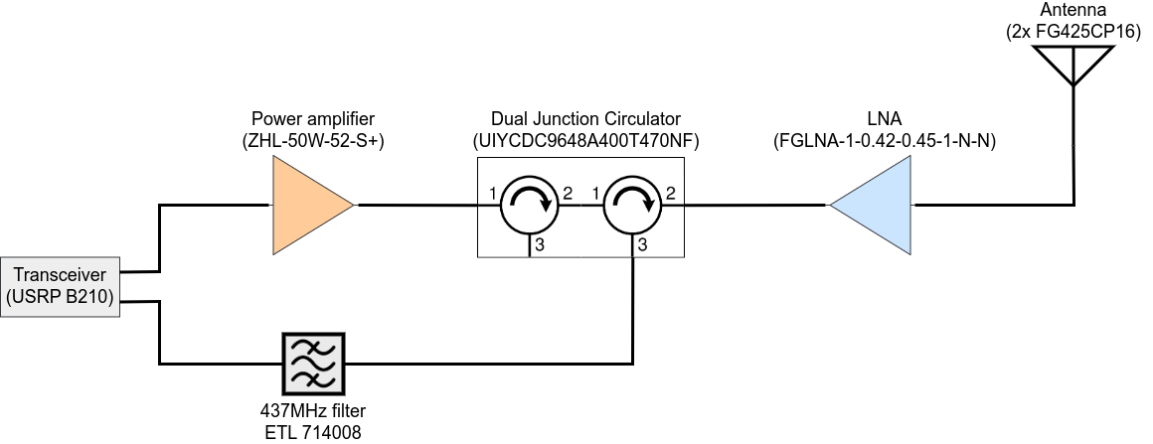
Cable losses (dB) | 0.089
Connector losses (dB) | 0.3

Rx path cabling (after LNA)
Connection name | Coax type | Cable length | Cable loss (dB/m) | Connector 1 | Connector 2 | Loss 1 (dB) | Loss 2 (dB)
Line C (LNA to Circulator) | LMR400 | 10 | 0.089 | N female | SMA female | 0.15 | 0.1
Line E (Circulator to Filter) | LMR400 | 0.5 |  | SMA female | N female | 0.1 | 0.15
Line F (Filter to Trx) | LMR400 | 0.5 | 0.089 | N female | SMA female | 0.15 | 0.1
Cable losses (dB) | 0.9345
Connector losses (dB) | 0.75

Tx path insertion losses (dB) |  |  |  |  |  |  |  | Only care about everything between the antenna and LNA
Component | Loss (dB)
Circulator | 0.6
LNA | 0
Insertion losses (dB) | 0.6

Rx path insertion losses (dB)
Component | Loss (dB)
Probably limiter? | 0
Insertion losses (dB) | 0

Tx path antenna mismatch losses |  |  |  |  |  |  |  | Only care about everything between the antenna and LNA
Component | VSWR (:1) | Mismatch loss (dB)
Antenna | 1.5 | 0.1772876696
LNA | 0 | 0
Circulator | 1.2 | 0.036041242688
Antenna mismatch losses (dB) |  | 0.21

Rx path antenna mismatch losses |  |  |  |  |  |  |  | Only care about everything between the antenna and LNA
Component | VSWR (:1) | Mismatch loss (dB)
Antenna | 1.5 | 0.1772876696
Antenna mismatch losses (dB) |  | 0.18

Receivers
Password to unprotect sheets: 123

Uplink Receiver (Satellite)
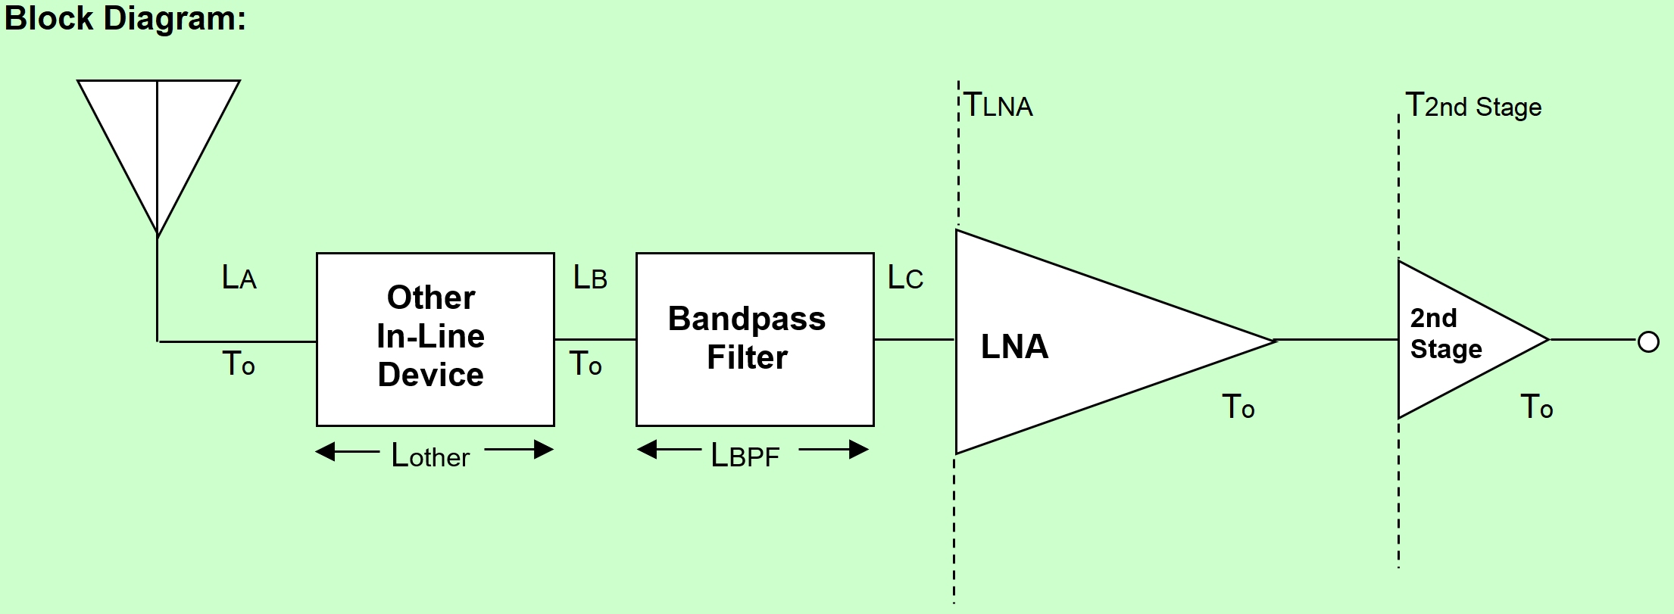

 |  |  |  |  |  |  |  |  |  | UPDATE DIAGRAM

Diagram included for reference. Anything internal to the transceiver is a black-box to us.

Cable Losses
Total cable losses |  |  | 0.10 | dB

Connector Losses
Total connector losses |  |  | 0.74 | dB

 | Other Components
Insertion Losses |  |  |  | 0.00
Antenna Mismatch Losses |  |  |  | 0.00

 |  | Total In-Line Losses from Antenna to transceiver
 |  | Total Losses |  | 0.84 |  | dB

Receiver Parameters
Transmission Line Coefficient |  |  | a | 0.82
Antenna or "Sky" Temperature |  |  | TA | 175 |  |  | K
Satellite Temperature |  |  | T0 | 290 |  |  | K
Low Noise Amp. Temperature |  |  | TLNA | 145 |  |  | K
Low Noise Amp. Gain |  |  | GLNA | 23.00 |  |  | dB
 |  |  |  | 199.53 |  |  | Linear
2nd Stage Temperature |  |  | T2Stage | 500 |  |  | K
System Noise Temperature (calc) |  |  | Tsys | 291.73 |  |  | K

Downlink Receiver (Ground Station)

 |  |  |  |  |  |  |  |  |  |  | UPDATE DIAGRAM

Cable Losses (before LNA) |  |  |  |  | Cable Losses (after LNA)
Total cable losses |  |  | 0.09 | dB | Total cable losses |  |  | 0.93 | dB

Connector Losses
Total connector losses |  |  | 0.30 | dB

 |  | 1

Other Components
Insertion Losses |  |  |  | 0.00 |  |  | dB
Antenna Mismatch Losses |  |  |  | 0.18 |  |  | dB

 |  | Total In-Line Losses from Antenna to LNA
 |  | Total Losses |  | 0.57 |  | dB

Receiver Parameters
Transmission Line Coefficient |  |  | a | 0.88
Antenna or "Sky" Temp. |  |  | TA | 75.2 |  |  | K
Ground Station Feedline Temp. |  |  | T0 | 290 |  |  | K
LNA Temperature |  |  | TLNA | 60 |  |  | K
LNA Gain |  |  | GLNA | 18.00 |  |  | dB
 |  |  |  | 63.10 |  |  | Linear
Comms. Rcvr Front End Temp. |  |  | TComRcvr | 3000 |  |  | K
System Noise Temperature |  |  | Tsys | 220.42 |  |  | K

Downlink Receiver (MTU)

 |  |  |  |  |  |  |  |  |  | UPDATE DIAGRAM

Cable Losses
Total cable losses |  |  | 0.44 | dB

Connector Losses
Total connector losses |  |  | 0.30 | dB

Other Components
Insertion Losses |  |  |  | 0.00 |  |  | dB
Antenna Mismatch Losses |  |  |  | 0.00 |  |  | dB

 |  | Total In-Line Losses from Antenna to Transceiver
 |  | Total Losses |  | 0.74 |  | dB

Receiver Parameters
Transmission Line Coefficient |  |  | a | 0.84
Antenna or "Sky" Temp. |  |  | TA | 75.2 |  |  | K
Ground Station Feedline Temp. |  |  | T0 | 290 |  |  | K
LNA Temperature |  |  | TLNA | 60 |  |  | K
LNA Gain |  |  | GLNA | 0 |  |  | dB
 |  |  |  | 1.00 |  |  | Linear
Comms. Rcvr Front End Temp. |  |  | TComRcvr | 3000 |  |  | K
System Noise Temperature |  |  | Tsys | 169.06 |  |  | K

Groundstation Losses
Password to unprotect sheets: 123

Up & Downlink Atmospheric Losses

 | Losses
 | Elevation Angle |  | d | 10.0 | °
 | Uplink Loss & Downlink Loss |  | LATM | 0.93478387305 | dB
 | Rain Attenuation |  | L_rain | 0.00 | dB

Up & Downlink Ionespheric Losses

 | Losses
 | Uplink Loss |  | LIon. | 0.5 | dB
 | Downlink Loss |  | LIon. | 0.5 | dB

Uplink Antenna Pointing Losses

+Z

+X
-Z
 | Spacecraft
 | Antenna

Spacecraft Symmetry Axis

θ1
θ2
 |  |  | Estimated Pointing Error (q1) |  |  | 5.00 | °
 |  |  | GS Antenna Pointing Losses |  |  | 0.17 | dB
 |  |  | Estimated Angle (q2) |  |  | 15.00 | °
 |  |  | Satellite Antenna Pointing Losses |  |  | 1.00 | dB

 | Ground Station
 | Antenna

Uplink Antenna Polarization Losses

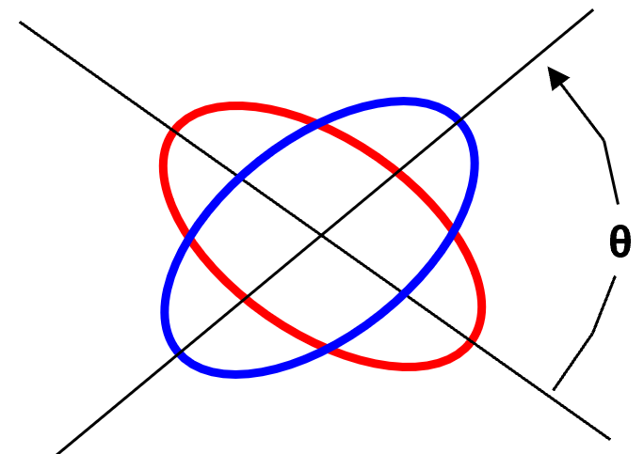
Co-Polarization Losses
Axial Ratio of Tx Ant. (GS) |  | 1 | dB
Axial Ratio of Rx Ant. (Sat.) |  | 1 | dB
Polarization Angle between Antennas |  | 90 | °
Polarization Loss |  | 0.23 | dB

Cross-Polarization Isolation
Cross-Polarization Power Fraction |  | -12.91 | dB
Cross Polarization Isolation |  | 13.14 | dB

Downlink Antenna Pointing Losses

+Z

+X
-Z
Spacecraft
Antenna

Spacecraft Symmetry Axis

θ4
θ3
 |  |  | Estimated Angle (q3) |  |  | 15.00 | °
 |  |  | Satellite Antenna Pointing Losses |  |  | 1.00 | dB
 |  |  | Estimated Angle (q4) |  |  | 5.00 | °
 |  |  | GS Antenna Pointing Losses |  |  | 0.17 | dB

Ground Station
Antenna

Downlink Antenna Polarization Losses

Co-Polarization Losses
Axial Ratio of Tx Ant. (Sat.) |  | 1 | dB
Axial Ratio of Rx Ant. (GS) |  | 1 | dB
Polarization Angle between Antennas |  | 90 | °
Polarization Loss |  | 0.23 | dB

Cross-Polarization Isolation
Cross-Polarization Power Fraction |  | -12.91 | dB
Cross Polarization Isolation |  | 13.14 | dB

MTU Losses
Password to unprotect sheets: 123

Up & Downlink Atmospheric Losses

 | Losses
 | Elevation Angle |  | d | 60.0 | °
 | Uplink Loss & Downlink Loss |  | LATM | 0.18743505139 | dB
 | Rain Attenuation |  | L_rain | 0.00 | dB

Up & Downlink Ionespheric Losses

 | Losses
 | Uplink Loss |  | LIon. | 0.5 | dB
 | Downlink Loss |  | LIon. | 0.5 | dB

Uplink Antenna Pointing Losses

+Z

+X
-Z
 | Spacecraft
 | Antenna

Spacecraft Symmetry Axis

θ1
θ2
 |  |  | Estimated Pointing Error (q1) |  |  | 30.00 | °
 |  |  | MTU Antenna Pointing Losses |  |  | 6.12 | dB
 |  |  | Estimated Angle (q2) |  |  | 15.00 | °
 |  |  | Satellite Antenna Pointing Losses |  |  | 1.00 | dB

 | MTU
 | Antenna

Uplink Antenna Polarization Losses

Co-Polarization Losses
Axial Ratio of Tx Ant. (MTU) |  | 1 | dB
Axial Ratio of Rx Ant. (Sat.) |  | 1 | dB
Polarization Angle between Antennas |  | 90 | °
Polarization Loss |  | 0.23 | dB

Cross-Polarization Isolation
Cross-Polarization Power Fraction |  | -12.91 | dB
Cross Polarization Isolation |  | 13.14 | dB

Downlink Antenna Pointing Losses

+Z

+X
-Z
Spacecraft
Antenna

Spacecraft Symmetry Axis

θ4
θ3
 |  |  | Estimated Angle (q3) |  |  | 15.00 | °
 |  |  | Satellite Antenna Pointing Losses |  |  | 1.00 | dB
 |  |  | Estimated Angle (q4) |  |  | 30.00 | °
 |  |  | MTU Antenna Pointing Losses |  |  | 6.12 | dB

MTU
Antenna

Downlink Antenna Polarization Losses

Co-Polarization Losses
Axial Ratio of Tx Ant. (Sat.) |  | 1 | dB
Axial Ratio of Rx Ant. (MTU) |  | 1 | dB
Polarization Angle between Antennas |  | 90 | °
Polarization Loss |  | 0.23 | dB

Cross-Polarization Isolation
Cross-Polarization Power Fraction |  | -12.91 | dB
Cross Polarization Isolation |  | 13.14 | dB

Downlink Budget (Sat-GS)
Downlink Budget

 | Parameter | Value | Units | Comments
 | Satellite
 | Transmitter power output | 1.00 | W
 |  | 0.00 | dBW
 |  | 30.00 | dBm
 | Total transmission line losses | 0.84 | dB
 | Sat. antenna Gain | 0.0001 | dBi
 | Effective isotropic radiated power (EIRP) | -0.84 | dBW
 | Downlink Path
 | Satellite antenna pointing losses | 1.00 | dB
 | Sat.-to-GS antenna polarization losses | 0.23 | dB
 | Free-Space Path losses | 150.98 | dB
 | Atmospheric losses | 0.93 | dB
 | Ionospheric Losses | 0.5 | dB
 | Rain Losses | 0.00 | dB | Estimated by operator
 | Isotropic signal level at GS | -154.48 | dBW
 | Ground Station (SNR Method)
 | GS antenna pointing loss | 0.17 | dB
 | GS antenna gain | 15.00 | dBi
 | GS total transmission line loss | 0.57 | dB
 | GS effective noise temperature | 220.42 | K
 | GS figure of merit (G/T) | -9.00 | dB/K
 | Signal power at GS LNA Input | -140.22 | dBW
 | GS receiver bandwidth | 25000.00 | Hz
 | Received noise power at GS | -161.19 | dBW
 | Signal-to-noise power ratio at GS receiver | 20.97 | dB
 | Required signal-to-noise ratio | 13.15 | dB
 | System link margin | 7.82 | dB | Good signal reception
 | Ground Station (Eb/No Method)
 | GS antenna pointing loss | 0.17 | dB
 | GS antenna gain | 15.00 | dBi
 | GS total transmission line loss | 0.57 | dB
 | GS effective noise temperature | 220.42 | K
 | GS figure of merit (G/T) | -9.00 | dB/K
 | GS signal-to-noise power density (S/No) | 64.95 | dBHz
 | System desired data rate | 9600 | bps
 |  | 39.82 | dBHz
 | Telemetry system Eb/No for the downlink | 25.12 | dB
 | System allowed BER | 1.00E-05
 | Eb/No threshold | 13.15 | dB
 | System link margin | 11.97 | dB | Good signal reception
 | Data Rates
 | Theoretical channel capacity | 78507.51 | bps | Theoretical maximum using Shannon-Hartley eq.
 | Actual data rate | 9600 | bps
 | Average transmission duration (per pass) | 400.85 | s | Need to update the data fields
 | Average passes per day | 3.70
 | Data transmission (per pass) | 3848.20 | kb | kilobit, not byte
 | Commands | 1.86 | %
 | Telemetry (OBC, EPS, Transceiver) | 4.36 | %
 | Telemetry (ADCS) | 23.27 | %
 | Telemetry (PTB) | 8.24 | %
 | MTU payload (30 stations) | 1.31 | %
 | Free | 60.95 | %

Backend Data
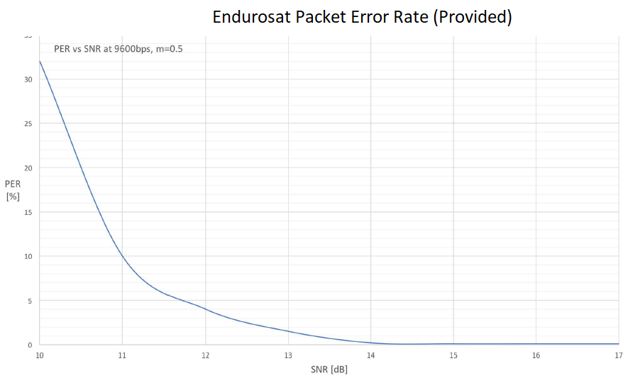
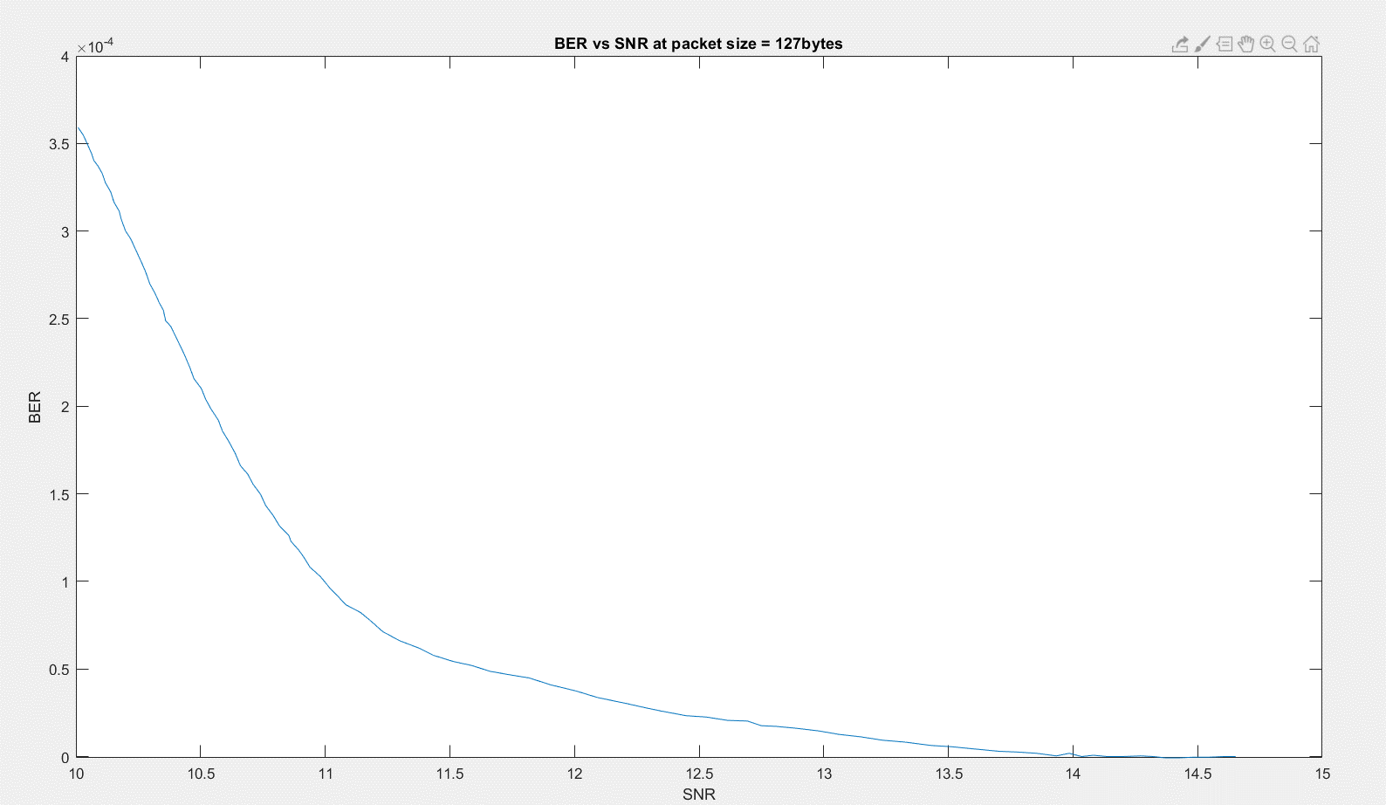
 |  |  |  |  | Uplink
 |  |  |  |  | Ionespheric Losses |  |  |  | Polarization
 |  |  |  |  | Frequency | Unit | Loss | Unit | RHCP
 |  |  |  |  | 145.8 | MHz | 0.7 | dB | LHCP
 |  |  |  |  | 437.305 | MHz | 0.4 | dB | Linear
 |  |  |  |  | 2410 | MHz | 0.1 | dB

 |  |  |  |  | Downlink
 |  |  |  |  | Ionespheric Losses
 |  |  |  |  | Frequency | Unit | Loss | Unit
 |  |  |  |  | 145.8 | MHz | 0.7 | dB
Antenna Polarization |  |  |  |  | 437.305 | MHz | 0.4 | dB
RHCP |  |  |  |  | 2410 | MHz | 0.1 | dB
LHCP
Linear |  |  |  |  | Compression
 |  |  |  |  | 1
 |  |  |  |  | 2
 |  |  |  |  | 3
 |  |  |  |  | 4 |  |  | Bit Error Rate
 |  |  |  |  | 5 |  |  | 1.00E-05
 |  |  |  |  | 6 |  |  | 1.00E-06
 |  |  |  |  | 7 |  |  |  |  | Equation for conversion provided by Endurosat (where n = number of bits per packet)
 |  |  |  |  | 8 |  |  | DL data rate |  | PER = 1 - ( 1 - BER )^n
 |  |  |  |  | 9 |  |  | 1.2
 |  |  |  |  | 10 |  |  | 9.6 |  | BER graph was generated by Nick:
 |  |  |  |  | 11
 |  |  |  |  | 12 |  |  | UL data rate |  | In consideration that our uplink is planned
 |  |  |  |  | 13 |  |  | 1.2
Uplink Antenna Losses |  |  |  |  | 14 |  |  | 9.6 |  | If data rate is decreased by 1/8 but bandwidth is kept the same: SNR = SNR -10log10(1/8) = SNR-9.03 dB
Intermediate Value |  | 56.971428571 |  |  | 15
Axial Ratio of Tx Ant. (GS) |  | 1.2589254118
Axial Ratio of Rx Ant. (Sat.) |  | 1.2589254118
Polarization Angle between Antennas |  | 1.5707963268
Polarization Loss (do not edit) |  | 0.9488002397

Downlink Antenna Losses
Intermediate Value |  | 56.971428571
Axial Ratio of Tx Ant. (Sat.) |  | 1.2589254118
Axial Ratio of Rx Ant. (GS) |  | 1.2589254118
Polarization Angle between Antennas |  | 1.5707963268 |  |  |  |  |  |  |  | Uplink Modulation Information |  |  |  |  |  |  |  |  |  |  | SA addition (I am guessing)
Polarization Loss (do not edit) |  | 0.9488002397 |  |  |  |  |  |  |  | ID | Scheme | M-Levels | Theoretical Bandwidth Efficiency[bps/Hz] | Bandwidth-Time Product | Data Rate [kbps] | Bandwidth (KHz) | Margin (KHz) | Bandwidth Final(KHz) | BER | SNR (dB) | PER
 |  |  |  |  |  |  |  |  |  | 9.6000100 | 2GFSK | 2 | NA | m=0.50 | 9.6 | 19 | 5 | 24 | 1.00E-05 | 13.15 | 1.00%
 |  |  |  |  |  |  |  |  |  | 9.6000010 | 2GFSK | 2 | NA | m=0.50 | 9.6 | 19 | 5 | 24 | 1.00E-06 | 13.9 | 0.10%
 |  |  |  |  |  |  |  |  |  | 1.2000100 | 2GFSK | 2 | NA | m=0.50 | 1.2 | 19 | 5 | 24 | 1.00E-05 | 4.12 | 1.00%
 |  |  |  |  |  |  |  |  |  | 1.2000010 | 2GFSK | 2 | NA | m=0.50 | 1.2 | 19 | 5 | 24 | 1.00E-06 | 4.87 | 0.10%

 |  |  |  |  |  |  |  |  |  | Downlink Modulation Information (Copied from above table to give a start….)
 |  |  |  |  |  |  |  |  |  | ID | Scheme | M-Levels | Theoretical Bandwidth Efficiency[bps/Hz] | Bandwidth-Time Product | Data Rate [kbps] | Bandwidth (KHz) | Margin (KHz) | Bandwidth Final(KHz) | BER | SNR (dB)
 |  |  |  |  |  |  |  |  |  | 9.6000100 | 2GFSK | 2 | NA | m=0.50 | 9.6 | 19 | 5 | 24 | 1.00E-05 | 13.15 | 1.00%
 |  |  |  |  |  |  |  |  |  | 9.6000010 | 2GFSK | 2 | NA | m=0.50 | 9.6 | 19 | 5 | 24 | 1.00E-06 | 13.9 | 0.10%
 |  |  |  |  |  |  |  |  |  | 1.2000100 | 2GFSK | 2 | NA | m=0.50 | 1.2 | 19 | 5 | 24 | 1.00E-05 | 4.12 | 1.00%
 |  |  |  |  |  |  |  |  |  | 1.2000010 | 2GFSK | 2 | NA | m=0.50 | 1.2 | 19 | 5 | 24 | 1.00E-06 | 4.87 | 0.10%

 |  |  |  |  |  |  |  |  |  | UHF datasheet modes:
 |  |  |  |  |  |  |  |  |  | 1200 - 600
 |  |  |  |  |  |  |  |  |  | Data rate (bps) - Frequency deviation (Hz)

Atmospheric Attenuation
Frequency (GHz) | absorption coeff oxygen [ dB/km ] | absorption coeff water [dB/km] | h_s (km) | Elevation angle | Aa: Total Attenuation for slanted links [dB] | Attenuation Linear[W]
0.435 | 0.21433551486 | 1.0447591137E-05 | 1 | 2.5 | 3.7213616667 | 2.3557877909
 |  |  |  | 5 | 1.8624534764 | 1.5354841848
 |  |  |  | 10 | 0.93478387305 | 1.2401619068
 |  |  |  | 15 | 0.62716990554 | 1.1553591032
 |  |  |  | 20 | 0.47460221053 | 1.1154759753
 |  |  |  | 25 | 0.3840901607 | 1.0924687329
 |  |  |  | 30 | 0.32464703214 | 1.077617668
 |  |  |  | 35 | 0.28300241394 | 1.0673337475
 |  |  |  | 40 | 0.25253056161 | 1.0598711145
 |  |  |  | 45 | 0.22956011791 | 1.0542801065
 |  |  |  | 50 | 0.2118983011 | 1.0500012839
 |  |  |  | 55 | 0.19816042357 | 1.0466851012
 |  |  |  | 60 | 0.18743505139 | 1.0441033883
 |  |  |  | 61 | 0.18559325241 | 1.0436606885
 |  |  |  | 62 | 0.18384275282 | 1.0432401077
 |  |  |  | 63 | 0.18217994107 | 1.0428407519
 |  |  |  | 64 | 0.18060145896 | 1.042461791
 |  |  |  | 65 | 0.17910418336 | 1.0421024534
 |  |  |  | 66 | 0.17768520954 | 1.041762022
 |  |  |  | 67 | 0.17634183618 | 1.0414398307
 |  |  |  | 68 | 0.17507155163 | 1.0411352606
 |  |  |  | 69 | 0.17387202159 | 1.0408477366
 |  |  |  | 70 | 0.17274107775 | 1.0405767254
 |  |  |  | 80 | 0.16482761795 | 1.0386823738
 |  |  |  | 90 | 0.16232351607 | 1.0380836517
 |  |  |  | 95 | 0.16294356553 | 1.0382318712

