Sheet1
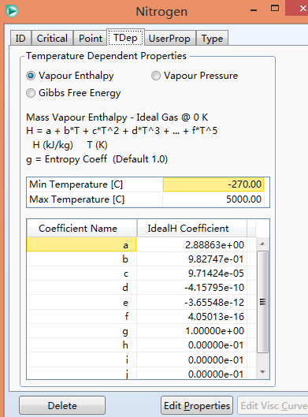
氮气
a | 2.888634
b | 0.9827466
c | 9.71E-05
d | -4.16E-10
e | -3.66E-12
f | 4.05E-16
Enthalpy Basis Offset [kJ/kgmole] | -8529.7037994

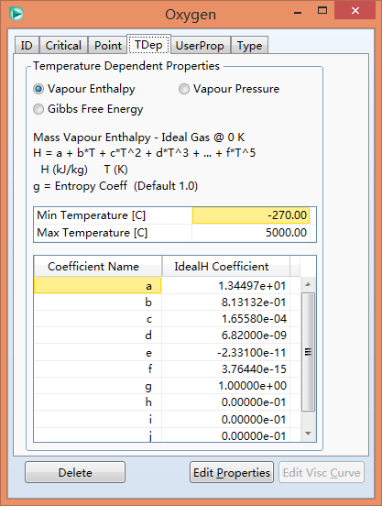
氧气
a | 13.4497
b | 0.813132
c | 1.66E-04
d | 6.82E-09
e | -2.33E-11
f | 3.76E-15
Enthalpy Basis Offset [kJ/kgmole] | -8659.500973

