6 × 10⁶
S.No. | S. Name | Area | Species | Target gene | Forward Primer Sequence (5'→ 3') | Reverse Primer Sequence (5'→ 3') | Initial copy number of DNA | Run Time (minutes) | Normalization | Gel Image
1 | M (200bp) | 5816.054 | NA | NA | NA | NA | NA | NA | 100 | 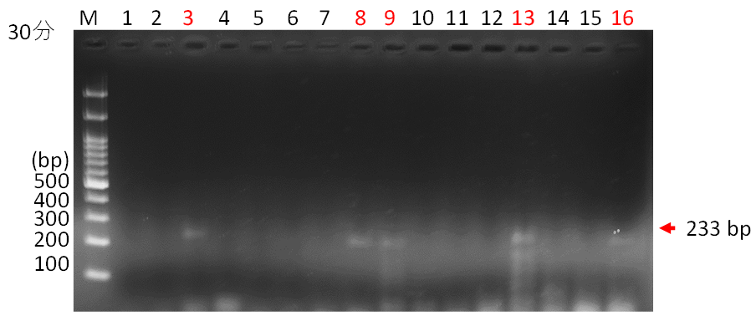
2 | 3 | 1581.69 | Ureaplasma parvum serovar 3 | ureB | ccaggtaaattagtaccagg | cctgatggaatatcgaaacgtcgtccataa | 6 × 10⁶ | 30 | 27.2
3 | 8 | 2827.995 | Ureaplasma parvum serovar 3 | ureB | ccaggtaaattagtaccaggggcaa | cctgatggaatatcgaaacgtcgtccataagcaac | 6 × 10⁶ | 30 | 48.6
4 | 9 | 2444.924 | Ureaplasma parvum serovar 3 | ureB | ccaggtaaattagtaccaggggcaattaat | cctgatggaatatcgaaacg | 6 × 10⁶ | 30 | 42.0
5 | 13 | 2918.794 | Ureaplasma parvum serovar 3 | ureB | ccaggtaaattagtaccaggggcaattaatttcgc | cctgatggaatatcgaaacg | 6 × 10⁶ | 30 | 50.2
6 | 16 | 864.033 | Ureaplasma parvum serovar 3 | ureB | ccaggtaaattagtaccaggggcaattaatttcgc | cctgatggaatatcgaaacgtcgtccataagcaac | 6 × 10⁶ | 30 | 14.9

1 | M (200bp) | 3831.669 | NA | NA | NA | NA | NA | NA | 100 | 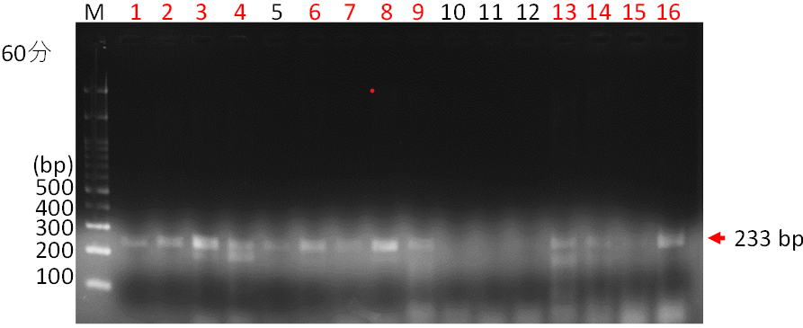
2 | 1 | 1326.175 | Ureaplasma parvum serovar 3 | ureB | ccaggtaaattagtaccagg | cctgatggaatatcgaaacg | 6 × 10⁶ | 60 | 34.6
3 | 2 | 2022.832 | Ureaplasma parvum serovar 3 | ureB | ccaggtaaattagtaccagg | cctgatggaatatcgaaacgtcgtc | 6 × 10⁶ | 60 | 52.8
4 | 3 | 3582.288 | Ureaplasma parvum serovar 3 | ureB | ccaggtaaattagtaccagg | cctgatggaatatcgaaacgtcgtccataa | 6 × 10⁶ | 60 | 93.5
5 | 4 | 783.811 | Ureaplasma parvum serovar 3 | ureB | ccaggtaaattagtaccagg | cctgatggaatatcgaaacgtcgtccataagcaac | 6 × 10⁶ | 60 | 20.5
6 | 6 | 1169.953 | Ureaplasma parvum serovar 3 | ureB | ccaggtaaattagtaccaggggcaa | cctgatggaatatcgaaacgtcgtc | 6 × 10⁶ | 60 | 30.5
7 | 7 | 1961.175 | Ureaplasma parvum serovar 3 | ureB | ccaggtaaattagtaccaggggcaa | cctgatggaatatcgaaacgtcgtccataa | 6 × 10⁶ | 60 | 51.2
8 | 8 | 1724.782 | Ureaplasma parvum serovar 3 | ureB | ccaggtaaattagtaccaggggcaa | cctgatggaatatcgaaacgtcgtccataagcaac | 6 × 10⁶ | 60 | 45.0
9 | 9 | 3310.924 | Ureaplasma parvum serovar 3 | ureB | ccaggtaaattagtaccaggggcaattaat | cctgatggaatatcgaaacg | 6 × 10⁶ | 60 | 86.4
10 | 13 | 1850.731 | Ureaplasma parvum serovar 3 | ureB | ccaggtaaattagtaccaggggcaattaatttcgc | cctgatggaatatcgaaacg | 6 × 10⁶ | 60 | 48.3
11 | 14 | 1241.468 | Ureaplasma parvum serovar 3 | ureB | ccaggtaaattagtaccaggggcaattaatttcgc | cctgatggaatatcgaaacgtcgtc | 6 × 10⁶ | 60 | 32.4
12 | 15 | 1074.447 | Ureaplasma parvum serovar 3 | ureB | ccaggtaaattagtaccaggggcaattaatttcgc | cctgatggaatatcgaaacgtcgtccataa | 6 × 10⁶ | 60 | 28.0
13 | 16 | 2766.882 | Ureaplasma parvum serovar 3 | ureB | ccaggtaaattagtaccaggggcaattaatttcgc | cctgatggaatatcgaaacgtcgtccataagcaac | 6 × 10⁶ | 60 | 72.2
NA: Not Applicable

