Electricity
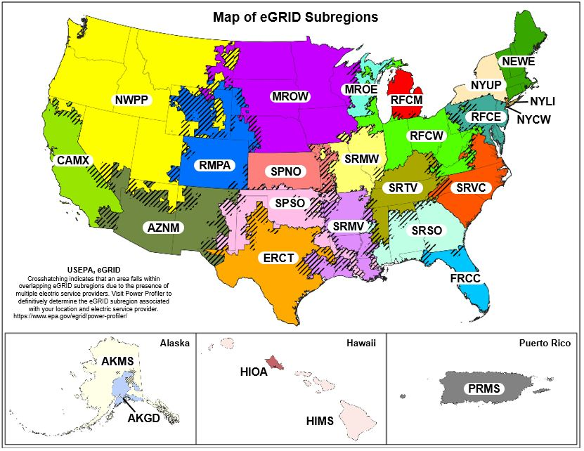
Scope 2 Emissions from Purchase of Electricity

Guidance
The Indirect Emissions from Purchased Electricity Guidance document provides guidance for quantifying two scope 2 emissions totals, using a location-based method and a market-based method. The organization should quantify and report both totals in its GHG inventory. The location-based method considers average emission factors for the electricity grids that provide electricity. The market-based method considers contractual arrangements under which the organization procures electricity from specific sources, such as renewable energy.
(A) Enter total annual electricity purchased in kWh and each eGRID subregion for each facility or site in ORANGE cells of Table 1.
(B) If electricity consumption data are not available for a facility, an estimate should be made for completeness. See the "Items to Note" section of the Help sheet for suggested estimation approaches.
(C) Select "eGRID subregion" from drop box and enter "Electricity Purchased."
 | - Use map (Figure 1) at bottom of sheet to determine appropriate eGRID subregion. If subregion cannot be determined from the map, find the correct subregion by entering the location's zip code into EPA’s Power Profiler:
 | https://www.epa.gov/egrid/power-profiler#/
(D) See the market-based emission factor hierarchy on the market-based method Help sheet. If any of the first four types of emission factors are applicable, enter the factors in the yellow cells marked as "<enter factor>". If not, leave the yellow cells as is, and eGRID subregion factors will be used for market-based emissions. Example entry is shown in first row (GREEN Italics) for a facility that purchases RECs for 100% of its consumption, and therefore has a market-based emission factor of 0.

Tips: Enter electricity usage by location and then look up the eGRID subregion for each location.
If you purchase renewable energy that is less than 100% of your site's electricity, see the example in the market-based method Help sheet. |  |  |  |  | Market-Based Use these cells to enter applicable market-based emission factors |  |  |  |  |  | Location-Based
Table 1. Total Amount of Electricity Purchased by eGRID Subregion |  |  |  |  | Emission Factors |  |  | Emissions |  |  | Emissions
Source | Source | Source | eGRID Subregion | Electricity | CO2 | CH4 | N2O | CO2 | CH4 | N2O | CO2 | CH4 | N2O
ID | Description | Area (sq ft) | where electricity is consumed | Purchased | Emissions | Emissions | Emissions | Emissions | Emissions | Emissions | Emissions | Emissions | Emissions
 |  |  |  | (kWh) | (lb/MWh) | (lb/MWh) | (lb/MWh) | (lb) | (lb) | (lb) | (lb) | (lb) | (lb)
Bldg-012 | East Power Plant | 12,517 | HICC Miscellaneous | 200,000 | 0 | 0 | 0 | 0.0 | 0.0 | 0.0 | 231,097.2 | 24.8 | 3.8
 | Home | 200 | RFC West | 7,364 | <enter factor> | <enter factor> | <enter factor> | 7,364.2 | 0.6 | 0.1 | 7,364.2 | 0.6 | 0.1
 |  |  |  |  | <enter factor> | <enter factor> | <enter factor>
 |  |  |  |  | <enter factor> | <enter factor> | <enter factor>
 |  |  |  |  | <enter factor> | <enter factor> | <enter factor>
 |  |  |  |  | <enter factor> | <enter factor> | <enter factor>
 |  |  |  |  | <enter factor> | <enter factor> | <enter factor>
 |  |  |  |  | <enter factor> | <enter factor> | <enter factor>
 |  |  |  |  | <enter factor> | <enter factor> | <enter factor>
 |  |  |  |  | <enter factor> | <enter factor> | <enter factor>
 |  |  |  |  | <enter factor> | <enter factor> | <enter factor>
 |  |  |  |  | <enter factor> | <enter factor> | <enter factor>
 |  |  |  |  | <enter factor> | <enter factor> | <enter factor>
 |  |  |  |  | <enter factor> | <enter factor> | <enter factor>
 |  |  |  |  | <enter factor> | <enter factor> | <enter factor>
 |  |  |  |  | <enter factor> | <enter factor> | <enter factor>
 |  |  |  |  | <enter factor> | <enter factor> | <enter factor>
 |  |  |  |  | <enter factor> | <enter factor> | <enter factor>
 |  |  |  |  | <enter factor> | <enter factor> | <enter factor>
 |  |  |  |  | <enter factor> | <enter factor> | <enter factor>
 |  |  |  |  | <enter factor> | <enter factor> | <enter factor>
 |  |  |  |  | <enter factor> | <enter factor> | <enter factor>
 |  |  |  |  | <enter factor> | <enter factor> | <enter factor>
 |  |  |  |  | <enter factor> | <enter factor> | <enter factor>
 |  |  |  |  | <enter factor> | <enter factor> | <enter factor>
 |  |  |  |  | <enter factor> | <enter factor> | <enter factor>
 |  |  |  |  | <enter factor> | <enter factor> | <enter factor>
 |  |  |  |  | <enter factor> | <enter factor> | <enter factor>
 |  |  |  |  | <enter factor> | <enter factor> | <enter factor>
 |  |  |  |  | <enter factor> | <enter factor> | <enter factor>
 |  |  |  |  | <enter factor> | <enter factor> | <enter factor>
 |  |  |  |  | <enter factor> | <enter factor> | <enter factor>
 |  |  |  |  | <enter factor> | <enter factor> | <enter factor>
 |  |  |  |  | <enter factor> | <enter factor> | <enter factor>
 |  |  |  |  | <enter factor> | <enter factor> | <enter factor>
 |  |  |  |  | <enter factor> | <enter factor> | <enter factor>
 |  |  |  |  | <enter factor> | <enter factor> | <enter factor>
 |  |  |  |  | <enter factor> | <enter factor> | <enter factor>
Total Emissions for All Sources |  |  |  | 7,364 |  |  |  | 7,364.2 | 0.6 | 0.1 | 7,364.2 | 0.6 | 0.1

GHG Emissions

CO2 Equivalent Emissions (metric tons)
Location-Based Electricity Emissions |  |  |  | 3.4
Market-Based Electricity Emissions |  |  |  | 3.4

Notes:
1. CO2, CH4 and N2O emissions are estimated using methodology provided in EPA's Center for Corporate Climate Leadership Greenhouse Gas Inventory Guidance
- Indirect Emissions from Purchased Electricity (January 2016).

Figure 1. EPA eGRID2022, January 2024.

